Theory
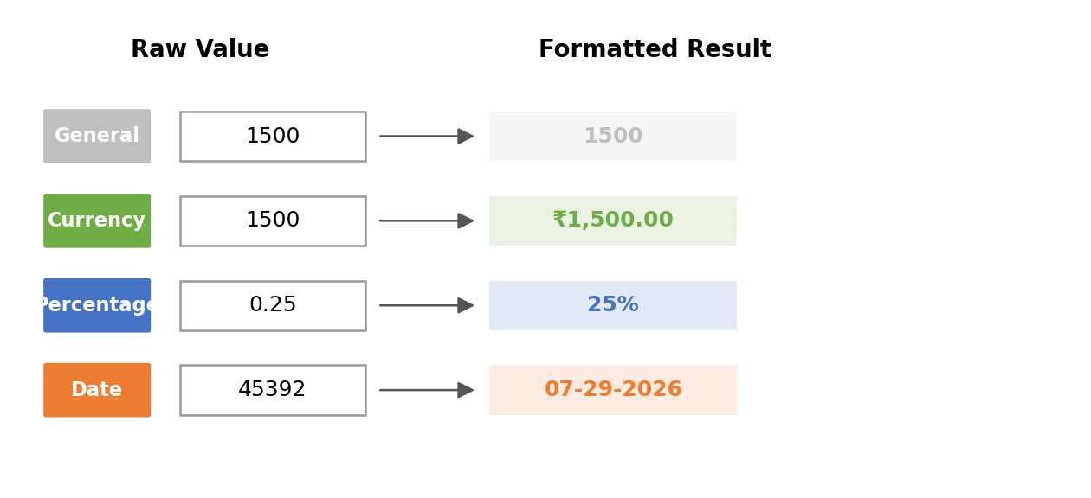

Excel Formatting — Simple Theory
Formatting changes how data LOOKS. It never changes the actual value stored in the cell.
(Formatting सिर्फ दिखावट बदलता है, cell की असली value नहीं बदलता)

Font Formatting | Changing how text looks: Bold, Italic, Underline, font size, or font color. Used to highlight important data.
 | Text को Bold, Italic, Underline या रंग देना — important data को highlight करने के लिए।
Fill Color | Giving a cell a background color, so it stands out from other cells. Great for headers or key rows.
 | Cell को background color देना, ताकि वो बाकी cells से अलग दिखे।
Borders | Adding lines around cells to separate them clearly — useful for tables and reports.
 | Cells के चारों ओर lines लगाना, ताकि table साफ-साफ दिखे।
Number Format | Changing how a number is displayed — as currency (₹1,500), percentage (25%), or date (29-07-2026) — without changing the actual stored number.
 | Number को currency, percentage, या date जैसा दिखाना — असली value बदले बिना।
Conditional Formatting | A rule that automatically colors a cell based on its value — for example, turning all values above 50,000 green.
 | एक rule जो value के आधार पर खुद cell को color कर देता है — जैसे 50,000 से ऊपर की values हरी हो जाएं।
Cell Alignment | Controls where text sits inside a cell: left, center, or right, and whether long text wraps onto a new line.
 | Cell के अंदर text कहां बैठेगा — left, center, right, या wrap होकर नई line में।

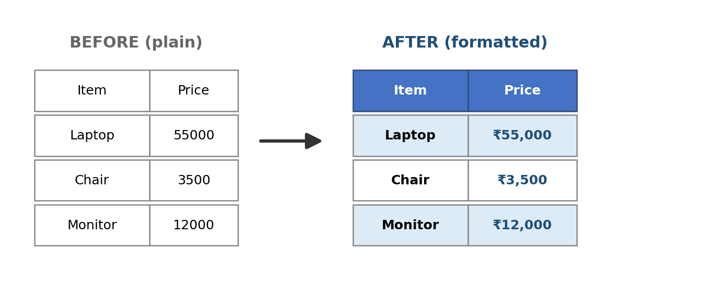
Visual Diagrams

