Theory
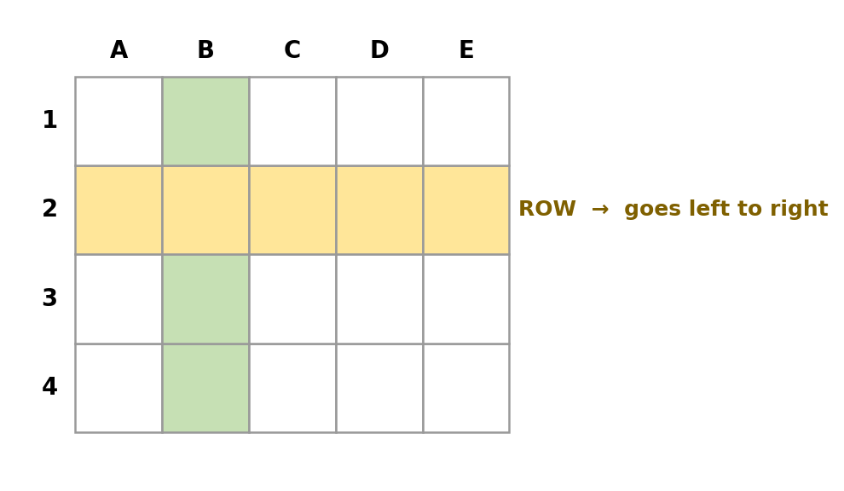
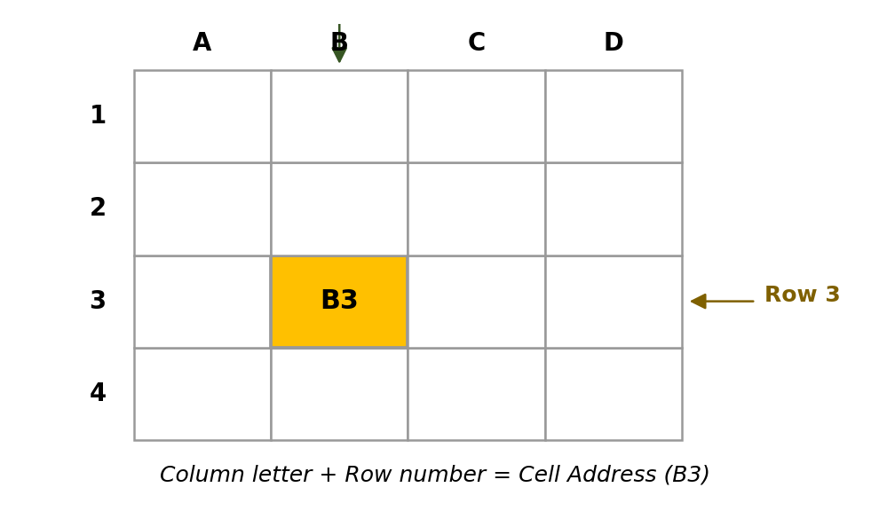

Excel Basics — Simple Theory
Understand these terms first, then practice becomes much easier.
(पहले ये terms समझ लो, फिर practice आसान हो जाएगी)

What is Excel? | A software where you organize data into small boxes called cells, arranged in rows and columns — like one giant, smart table.
 | एक सॉफ्टवेयर जिसमें डेटा को छोटे-छोटे boxes (cells) में rows और columns के रूप में रखा जाता है।
Workbook | The entire Excel file is called a Workbook. One workbook can contain many sheets — like a diary with many pages.
 | पूरी Excel फाइल को Workbook कहते हैं। एक workbook में कई sheets हो सकती हैं।
Worksheet (Sheet) | A single page inside a workbook is called a Worksheet. This is where you actually enter your data.
 | Workbook के अंदर एक page को Worksheet कहते हैं, जहाँ आप data लिखते हैं।
Cell | A small box where you enter one value — a number, text, or date. Every cell has its own address, like A1 or B2.
 | एक cell वो box है जहाँ आप एक value डालते हैं। हर cell का एक address होता है, जैसे A1, B2।
Row and Column | A Row runs left to right (numbered 1, 2, 3...). A Column runs top to bottom (lettered A, B, C...).
 | Row बाएं से दाएं जाती है (नंबर में)। Column ऊपर से नीचे जाता है (letter में)।
Cell Reference | The address of a cell, made by combining its column letter and row number. For example, 'B3' means column B, row 3.
 | किसी cell का address, column letter और row number मिलाकर बनता है। जैसे B3।
Cell Entry | Typing data into a cell. Excel automatically detects whether you typed a number, text, or date, and aligns it accordingly.
 | किसी cell में data type करना। Excel खुद समझ लेता है कि number है, text है या date।
Formatting | Making your data look better — bold, colors, borders, or number styles like currency and date. It changes only the look, not the actual data.
 | Data को बेहतर दिखाने का काम — bold, color, borders। सिर्फ look बदलता है, data नहीं।
Formula Bar | The long bar at the top of the sheet that shows the actual content (or formula) of the selected cell, and lets you edit it.
 | Sheet के ऊपर की पट्टी, जहाँ selected cell का content दिखता है और edit किया जा सकता है।
Navigation | Moving around inside a sheet — using the mouse, or keyboard shortcuts like arrow keys, Ctrl+Home, and Ctrl+End.
 | Sheet के अंदर move करने का तरीका — mouse से या keyboard shortcuts से।

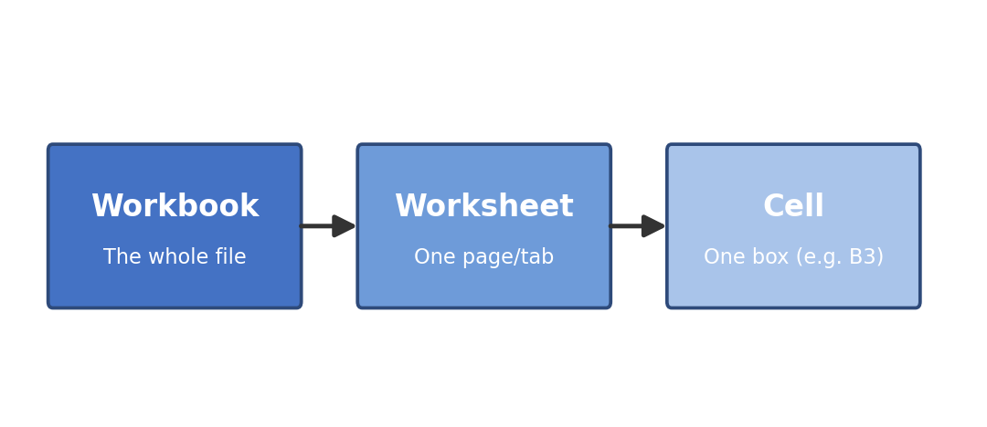
Visual Diagrams

