Sheet1
Name | Donation | Grad Year | Name | Donation
Adam | 100 | 1982 | Kevin | 246
Brad | 700 | 1999 | Jen |  | #NAME?
Brent | 150 | 1985 | Matt | 245
Brian | 25 | 1994
Jen | 50 | 2010
John | 600 | 2005
Matt | 245 | 2001
Vlookup takes in the first value it encounters and skips the rest. So in this case Matt had two values for donations and only one of them was showed here.
Also,
Kevin | 246 | 2009
Maria | 985 | 1961
Matt | 500 | 1998
Mike | 15000 | 1965
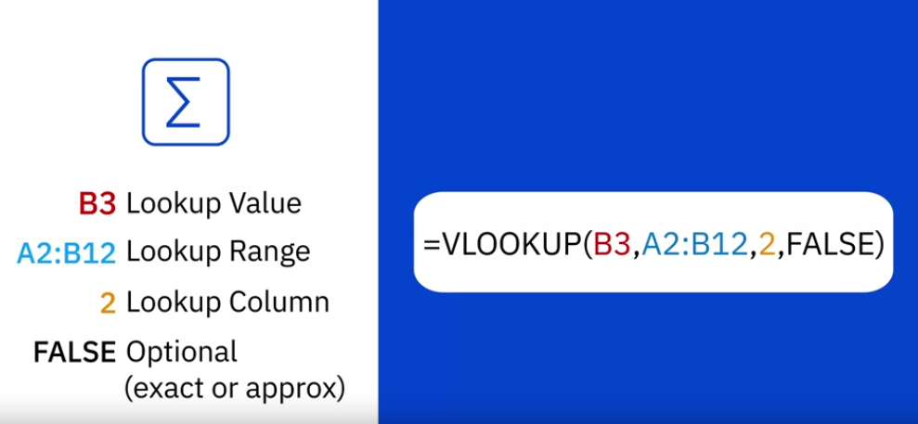
Sam | 100 | 1977
Steven | 200 | 2002
Frankie | 50 | 2004

