License Screenshot
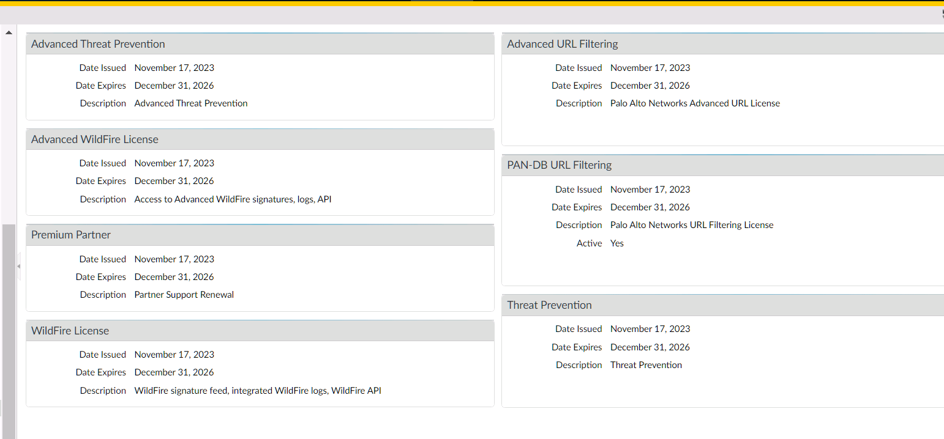
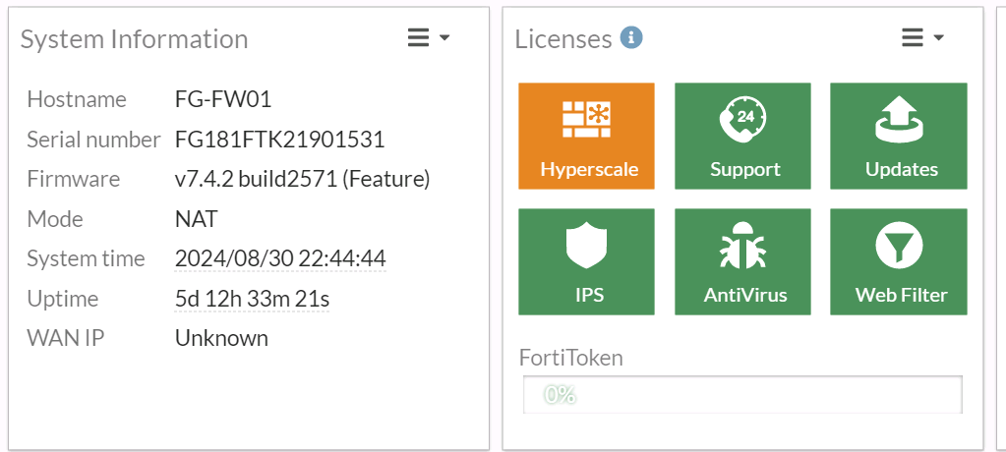
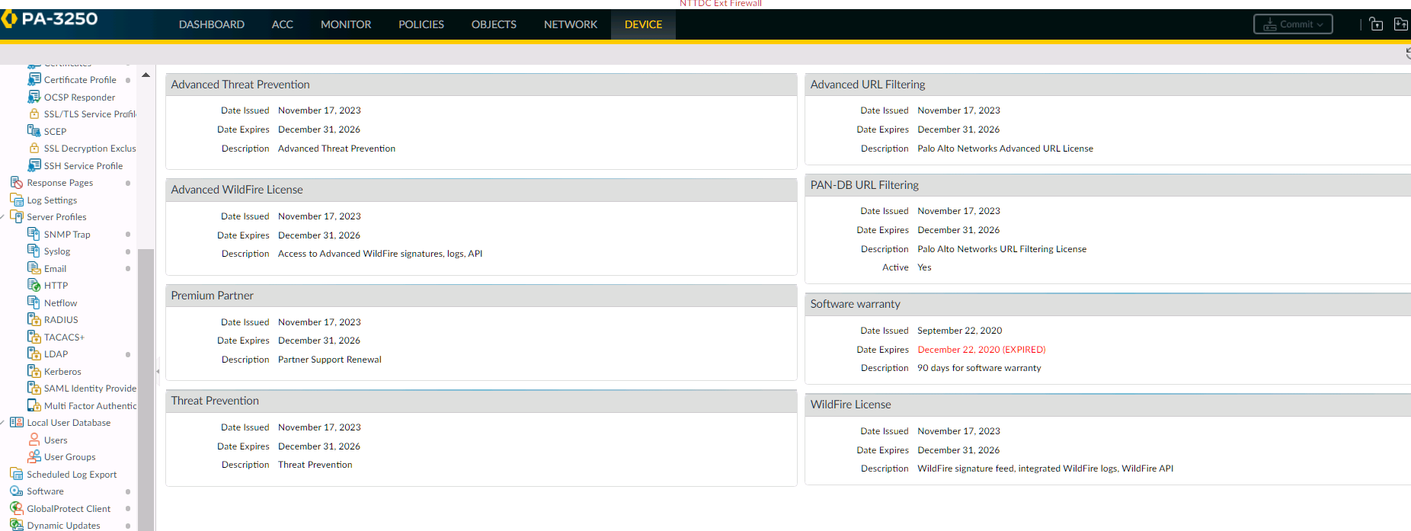
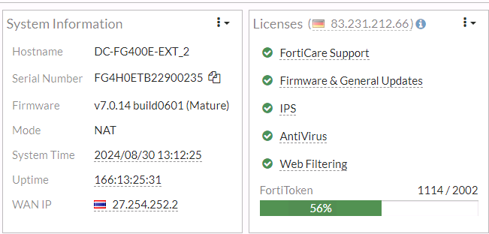
TMSTH
DC-PA3050-INT_1

DC-PA3050-INT_1

HQFWFAZ01

TMLTH
Fortigate_FW01
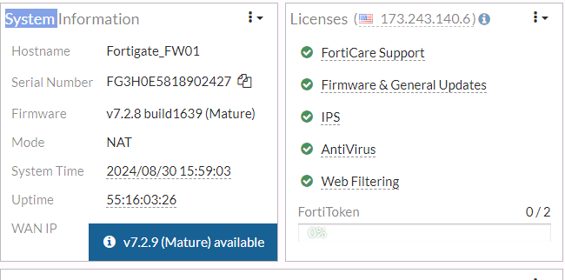

PA-3020-FW01
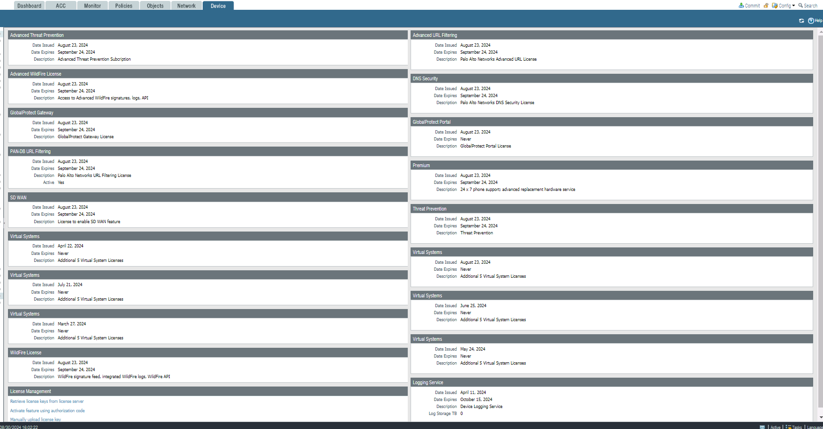

PA-3410-FW01

Firewpower License

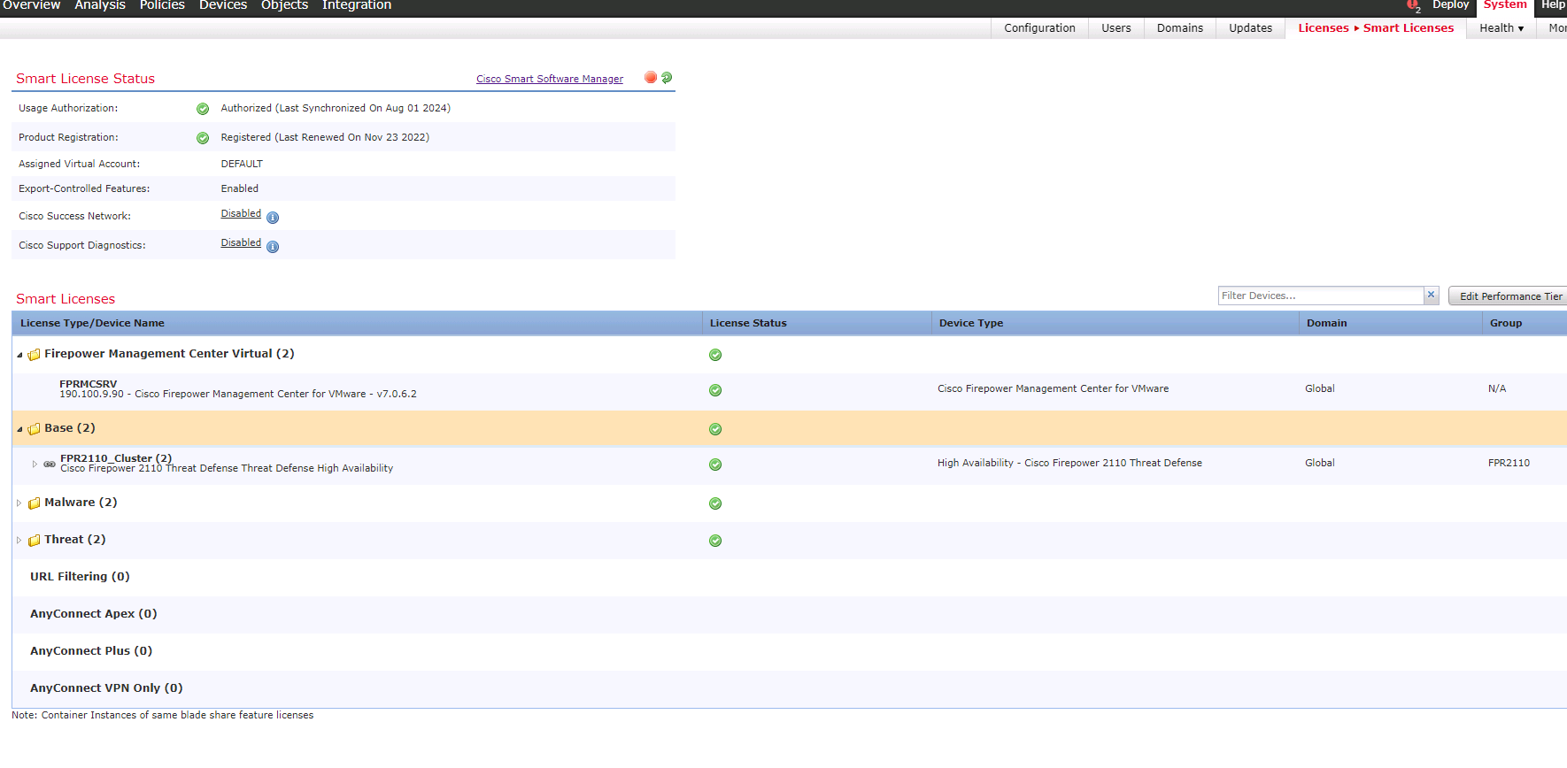

ftazsrv

TMLM

TMLM-DC-FW01-02

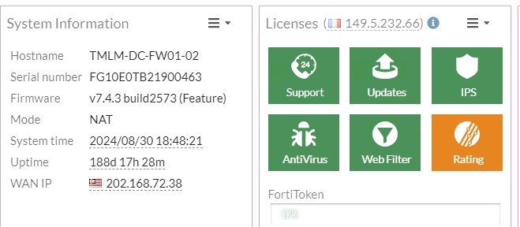

TMLM

MY-KL-TMAL-FW02-MGMT

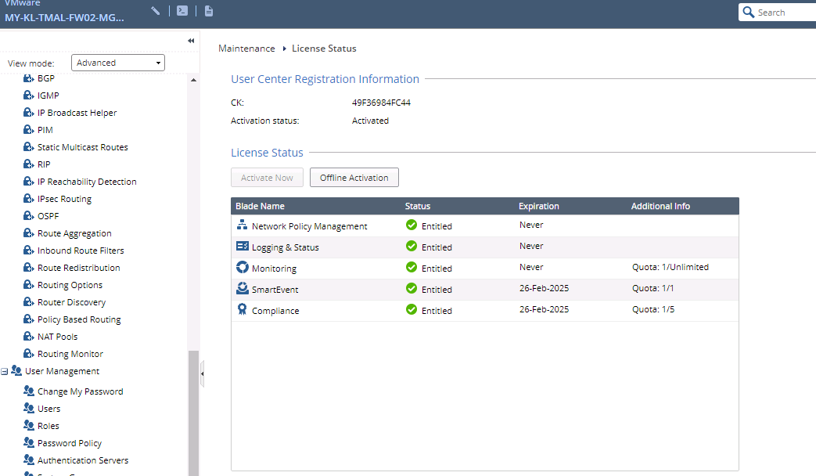

MY-KL-TMAL-FW02

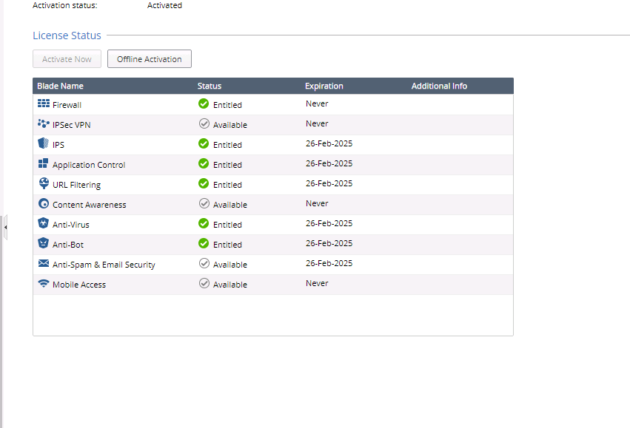

TMIM

TMIM-NTT-FGT-01
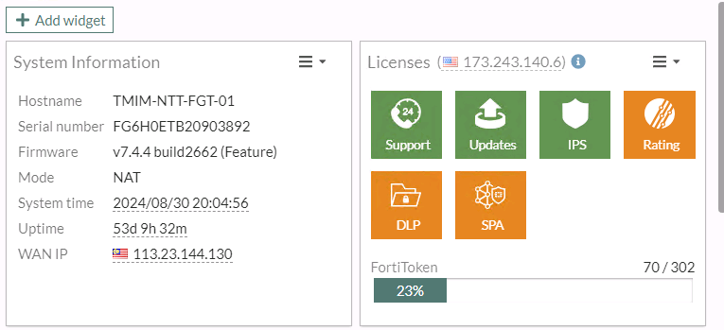

SRX1500-1
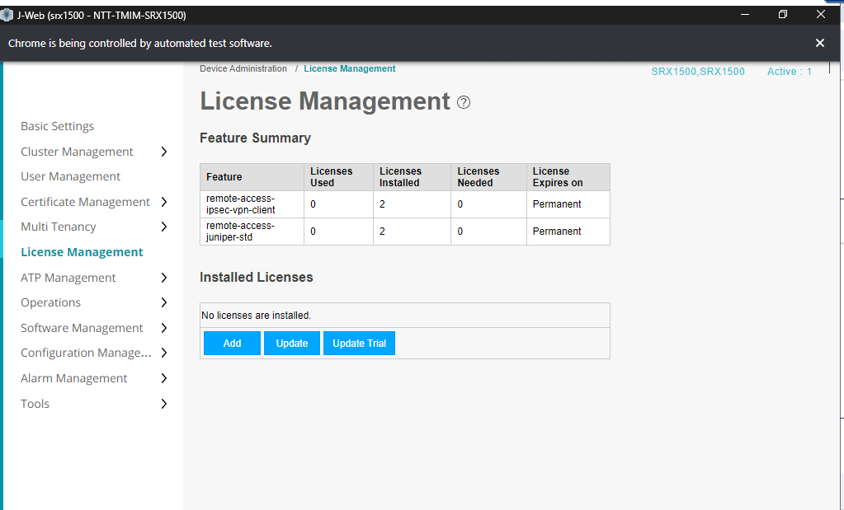

TMIV

FG101F-HAN01
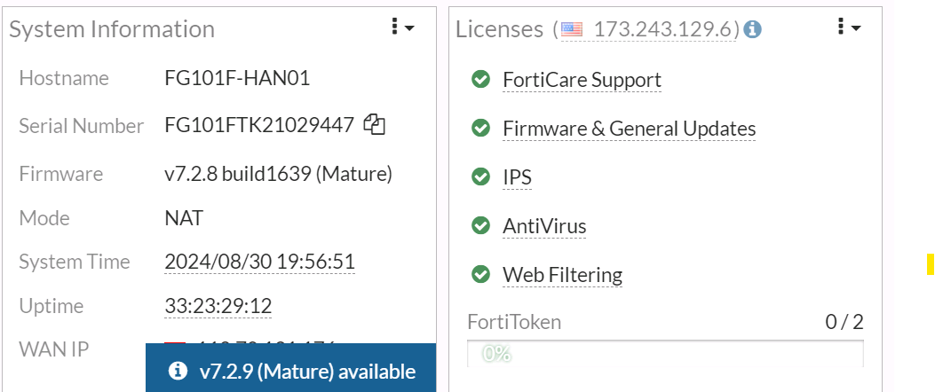

FG101F-MPLS-HAN02
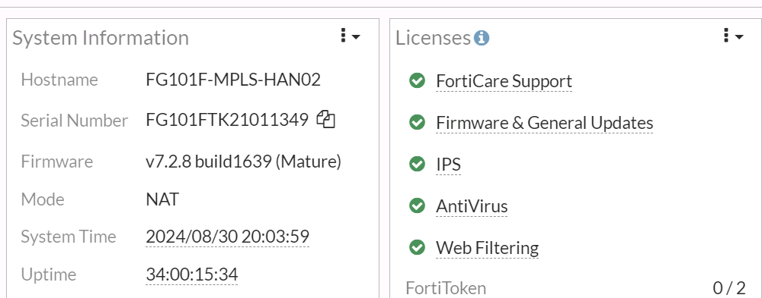

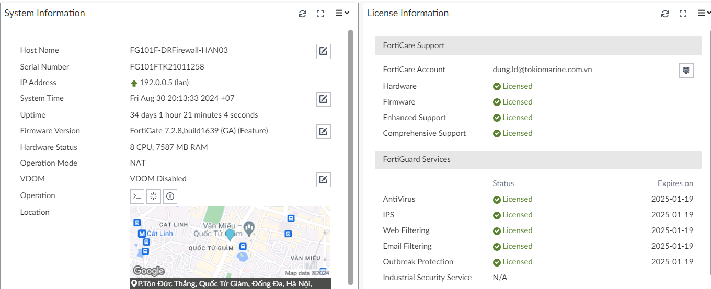

FG101F-SGN01
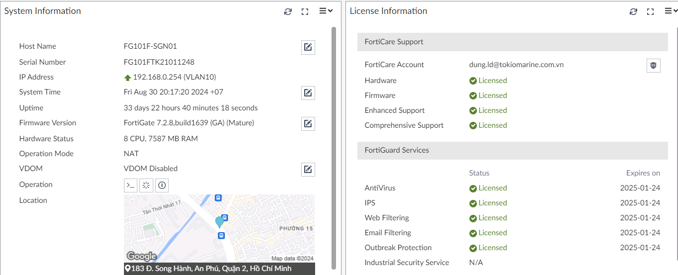

FG101F-VPN-SGN02
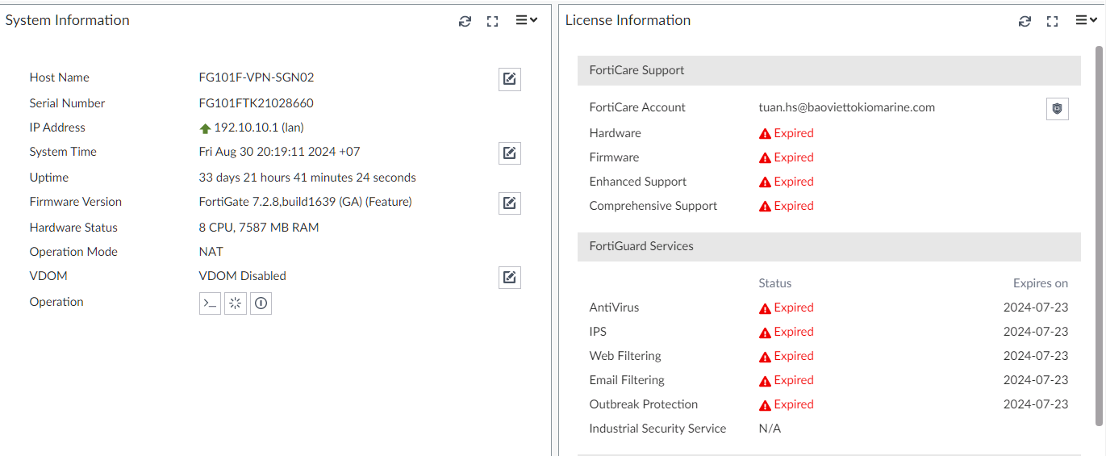

FMG-SGN01

TMI

FortiGate-201F
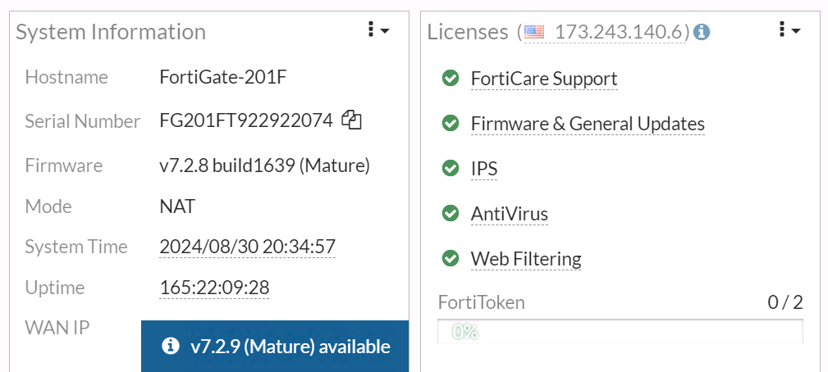

FortiGate-401F-01
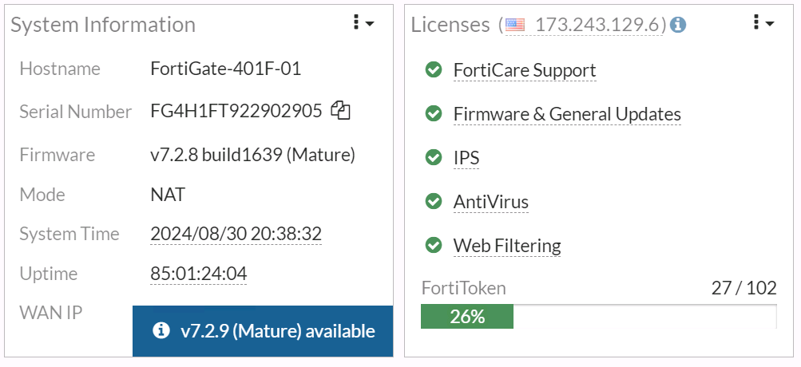

TMLI
TMLI-IFW-01
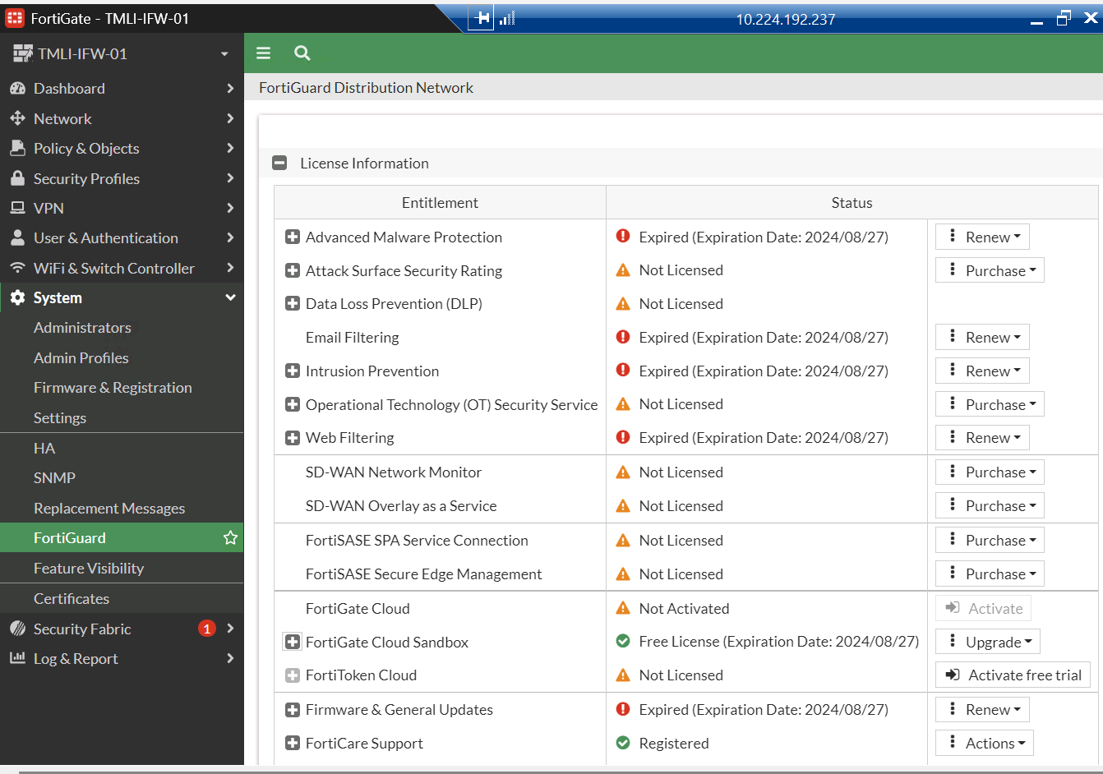

TMA

SGDC-PA3250-Ext-FW01

TMC-PA3220-Ext-FW01

FG-FW01

