IDP Instructions
1 | Before you begin:

 | Review the your comments, as well as your manager's comments, in the "Strengths" and "Development Areas" sections of your Performance Review. Read your manager's Overall Summary of your performance as well. Use these strengths and development areas to form the basis of your IDP.

2 | Filling out the IDP for the first time:

 | Enter your name in the Employee Name field, your manager's name in Manager Name field, and today's date for the IDP date started at the top of the template.

 | Start with Column B, and write a SMART Development Goal based on either a Strength you want to build on, or a Development Area you want to improve. Development Goals should be SMART - the "IDP Example" sheet shows sample goals that are Specific, Measurable, Achievable, Relevant, and Time-Bound.

 | In Column C, list the different Strategies you will use to learn and develop the skills you need to achieve this goal.
 | 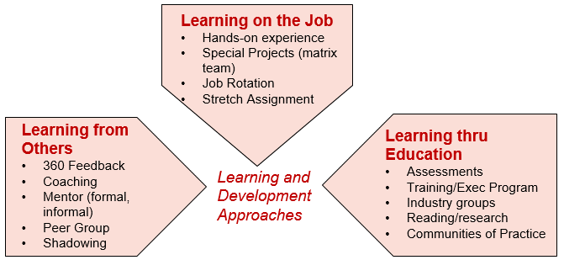

 | For Column D, look at the strategies you listed in Column C, and fill in the Support or Resources you'll need to successfully execute on your strategies. These can include job aids or new work processes, coaches and mentors, or classes you plan to take. If you'll be checking in with your manager or a learning buddy, be sure to list them as well.

 | Column E should be filled in with the Expected Results of your development efforts. How will you know you've successfully achieved your Development Goal? What will you do differently? How will the results you achieve change? If you can list it, what will the business impact or improvement be - processes shortened, money saved, customer satisfaction increased? This last level is an important way to tie your success to GlobalLogic's.

 | In Column F, create a Timeline for when you expect to achieve your Development Goal. Putting in a date can help you plan appropriately to achieve the goal. If there are major milestones that will prove progress along the way, list those as well.
 | Note: You do not need to fill in the Status Update(s) in Column G until you review and revise your IDP throughout the year.

3 | Before you finalize your IDP:

 | Review your IDP with your manager to ensure they understand and support your Development Goals, Strategies, Support/Resources, Expected Results, and Timeline. Your manager's support is critical to your success - they can suggest resources, help you brainstorm strategies, help you measure your results, and help you hold to your timeline.

4 | Review your IDP, at least quarterly:

 | Review your IDP with your manager at least quarterly, to be sure you are on track and to update it with any new information or achievements.

 | When you update the IDP, fill in the IDP last updated on field at the top of the template, and add any updates on Development Goals in Column G, Status Update(s).

 | If you complete a Development Goal during the year, talk to your manager about adding a new goal and continuing your development. The new goal doesn't have to be based on your previous Performance Review - it could be something that has emerged as a Strength or Development Area during the year.

5 | If you have any questions:

 | Please contact your local People Partner with questions or feedback. Thank you for using this template!

