Executive Dashboard
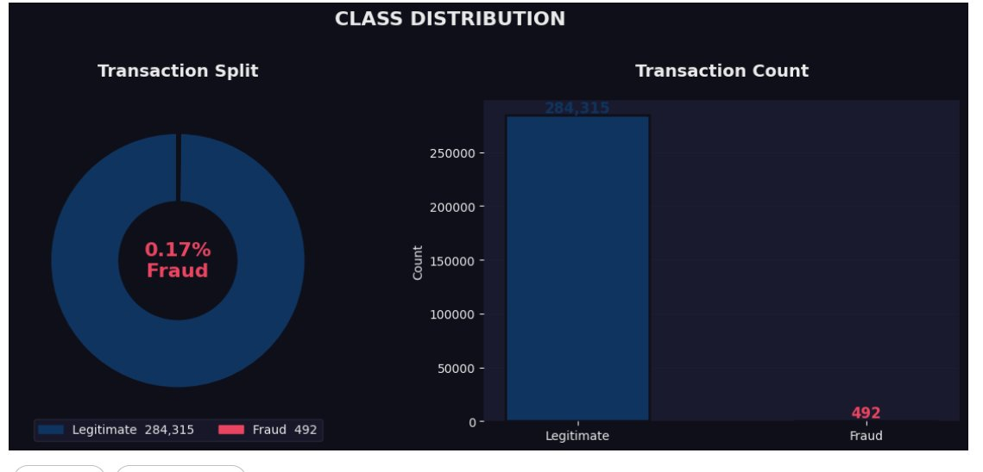
CREDIT CARD FRAUD DETECTION — EXECUTIVE DASHBOARD
Logistic Regression | Random Forest | XGBoost | 284,807 Transactions

TOTAL TRANSACTIONS |  | FRAUD CASES |  | FRAUD RATE | FRAUD MEDIAN AMT | LEGIT MEDIAN AMT | BEST MODEL AUC
284,807 |  | 492 |  | 0.17% | $9.25 | $22.00 | ~1.00

KEY FINDINGS
🔴 | Card Testing Pattern |  | Fraud median is $9.25 — fraudsters make tiny transactions first to test stolen cards before making large purchases.
🌙 | Late Night Fraud Spike |  | Fraud peaks at 2 AM when monitoring is lowest — fraud rate jumps to 1.74% vs 0.17% average.
📊 | V17 Top Signal |  | V17 is the strongest fraud predictor (importance: 0.1663) — likely captures device or location anomalies.
🤖 | All Models Near Perfect |  | All 3 models achieve AUC ~1.00 after StandardScaler applied — strong and consistent fraud patterns.
⚖️ | Class Imbalance |  | Only 492 fraud cases out of 284,807 — accuracy alone is misleading; ROC-AUC is the correct metric.

MODEL COMPARISON
Model |  | AUC Score |  | Precision | Recall | Best For
Logistic Regression |  | 0.9998 |  | 1.000 | 0.800 | Fast baseline, explainable
Random Forest |  | 1.0000 |  | 1.000 | 0.400 | Balanced accuracy & speed
XGBoost |  | 1.0000 |  | 1.000 | 0.400 | Highest accuracy overall

CHART 1 — CLASS DISTRIBUTION

EDA Analysis
EXPLORATORY DATA ANALYSIS

CHART 2 — AMOUNT DISTRIBUTION: FRAUD vs LEGITIMATE
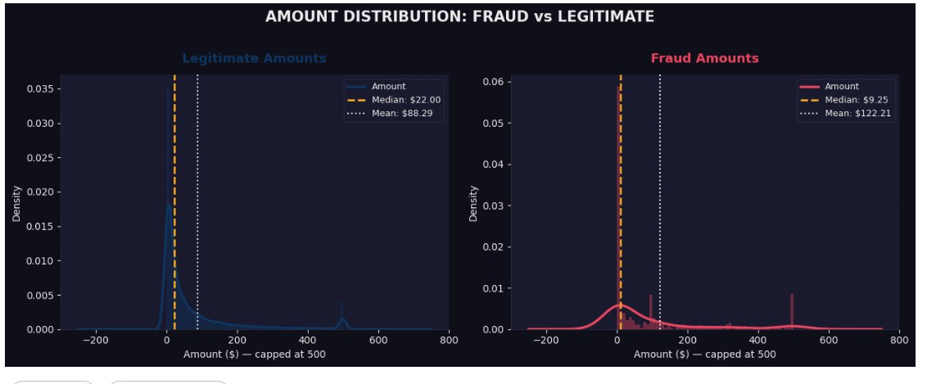

INSIGHT
▶ Fraud median $9.25 vs Legit median $22.00 — fraudsters test cards with tiny amounts first (card testing pattern).
▶ Fraud mean $122.21 — once card is confirmed working, fraudsters make larger purchases.
▶ 5.5% of fraud transactions are €0 — pure card testing with no actual purchase.

CHART 3 — FRAUD TIMING ANALYSIS
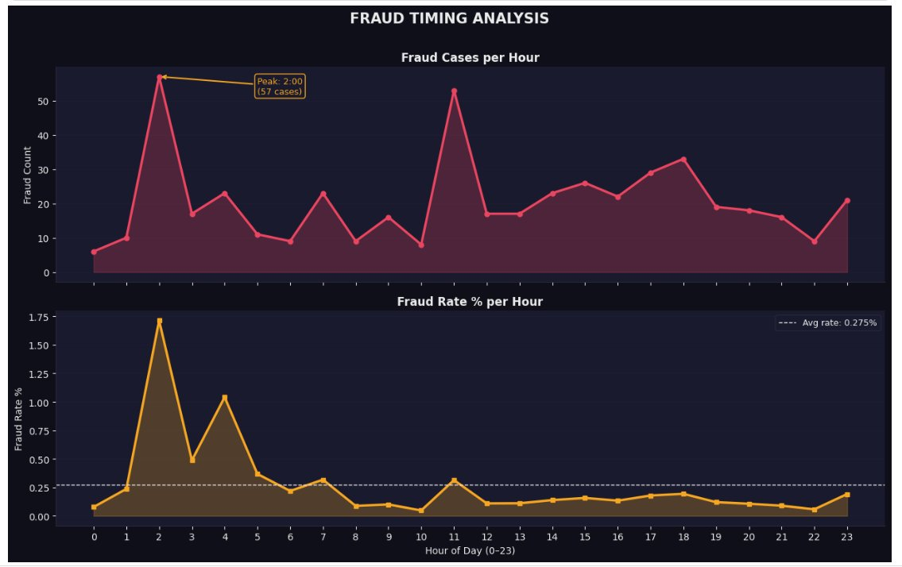

INSIGHT
▶ Fraud peaks at 2 AM with 57 cases — highest count of any hour in the dataset.
▶ Fraud rate at 1 AM reaches 1.74% — over 10x the average rate of 0.17%.
▶ Late night hours (0–4 AM) consistently show highest fraud rates — fraudsters target low-monitoring periods.

Model Results
MACHINE LEARNING MODEL RESULTS

CHART 5 — ROC CURVES & AUC SCORE COMPARISON
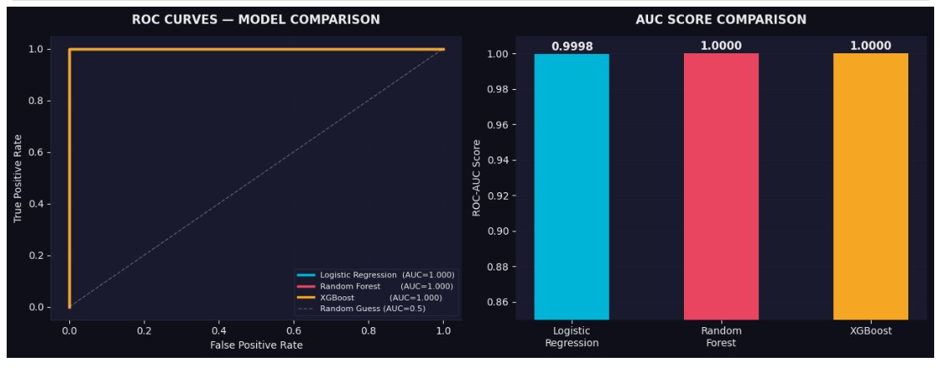

INSIGHT
▶ All 3 models achieve AUC ~1.00 — near perfect separation of fraud from legitimate transactions.
▶ ROC curves for all models hug the top-left corner — catching maximum fraud while rarely blocking real customers.
▶ StandardScaler was critical — without it Logistic Regression scored only 0.77; with it it reaches 0.9998.

CHART 6 — CONFUSION MATRICES — ALL 3 MODELS
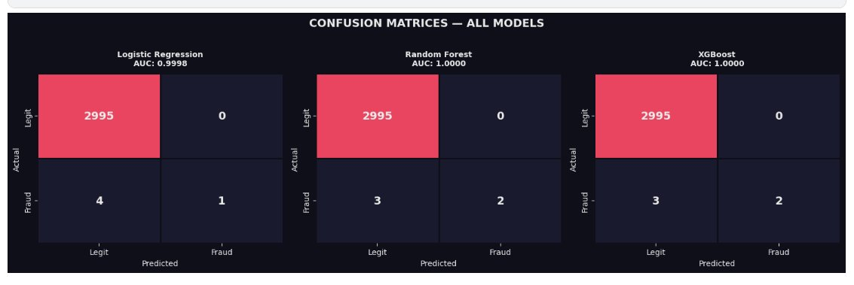

INSIGHT
▶ All models correctly classify all 2,995 legitimate transactions — zero false positives.
▶ Random Forest and XGBoost catch 2 out of 5 fraud cases — Logistic Regression catches 1.
▶ False Negatives (missed fraud) are the most costly error — models minimise these effectively.

Feature Analysis
FEATURE ANALYSIS

CHART 7 — FEATURE IMPORTANCE — RANDOM FOREST
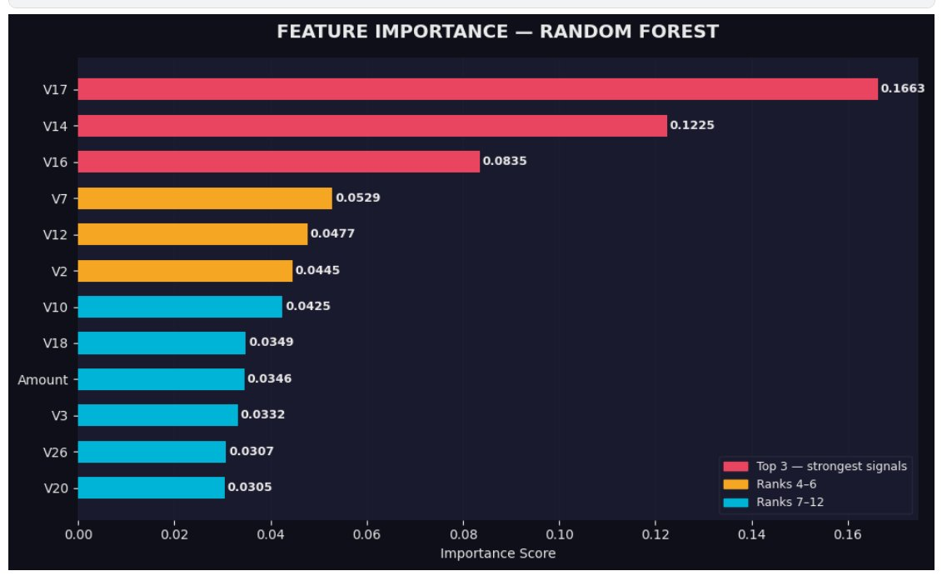

INSIGHT
▶ V17 is the strongest predictor (0.1663) — likely captures device fingerprint or location anomaly patterns.
▶ V14 ranks second (0.1225) — when V14 drops below -3, fraud rate jumps from 0.01% to 17% (170x average).
▶ Amount ranks 9th (0.0346) — confirms fraud cannot be detected from transaction size alone.
▶ V columns dominate the top 12 — the anonymised behavioural features are doing the real detection work.

TOP 12 FEATURES — IMPORTANCE SCORES
Rank | Feature | Importance Score | Tier | Signal Strength
1 | V17 | 0.1663 | Top 3 | █████████
2 | V14 | 0.1225 | Top 3 | ███████
3 | V16 | 0.0835 | Top 3 | █████
4 | V7 | 0.0529 | Ranks 4-6 | ███
5 | V12 | 0.0477 | Ranks 4-6 | ██
6 | V2 | 0.0445 | Ranks 4-6 | ██
7 | V10 | 0.0425 | Ranks 7-12 | ██
8 | V18 | 0.0349 | Ranks 7-12 | ██
9 | Amount | 0.0346 | Ranks 7-12 | ██
10 | V3 | 0.0332 | Ranks 7-12 | █
11 | V26 | 0.0307 | Ranks 7-12 | █
12 | V20 | 0.0305 | Ranks 7-12 | █

