BUG002
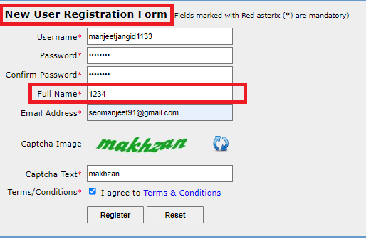
Defect Template

Defect ID | BUG001 | Assigned To | Suresh Sir
Status | NEW | Browser | Chrome
Severity |  | Found in Version | 1
Priority |  | Found in Build | 1
Module | New User Reg. | Fixed in version
Reported By | Manjeet | Fixed in build

Title | Full Name as number (Accepting Full Name As Number)
Description Steps To Re-Produce : 1. Launch Browser 2. Enter url 3. Click On New Reg Here 4. Enter Username 5. Enter Password 6. Enter Confirm Password 7. Enter Full Name as Numbers 8. Enter Email Address 9. Enter Captcha 10. Click On Register Button Expected Result : Error Massage Should Be Displayed. Actual Result : Email received from admin team with login details.
Attachments:

BUG001
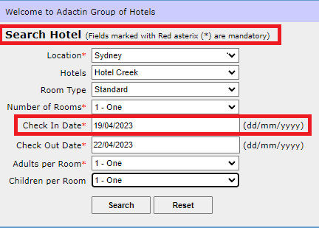
Defect Template

Defect ID | BUG001 | Assigned To | Suresh Sir
Status | NEW | Browser | Chrome
Severity | S3 | Found in Version | 1
Priority | P3 | Found in Build | 1
Module | Search Hotel | Fixed in version
Reported By | Manjeet | Fixed in build

Title | Validation Check In Date Not Working (Accepting Previous Date)
Description Steps To Re-Produce : 1.Launch Browser 2. Enter URL 3. Enter Username 4. Enter Password 5. Click On Login Button 6. Select Location 7. Select Hotel 8. Select Room Type 9. Select Number Of Rooms 10. Enter Check in Date As Back date 11. Enter Check Out Date 12. Select Adults Per Room 13. Select Children Per Room 14. Click On Search Button Expected Result : Error Massage Should Be Displayed. Actual Result : Select Hotel Page Is Displayed.
Attachments:

