Sheet2
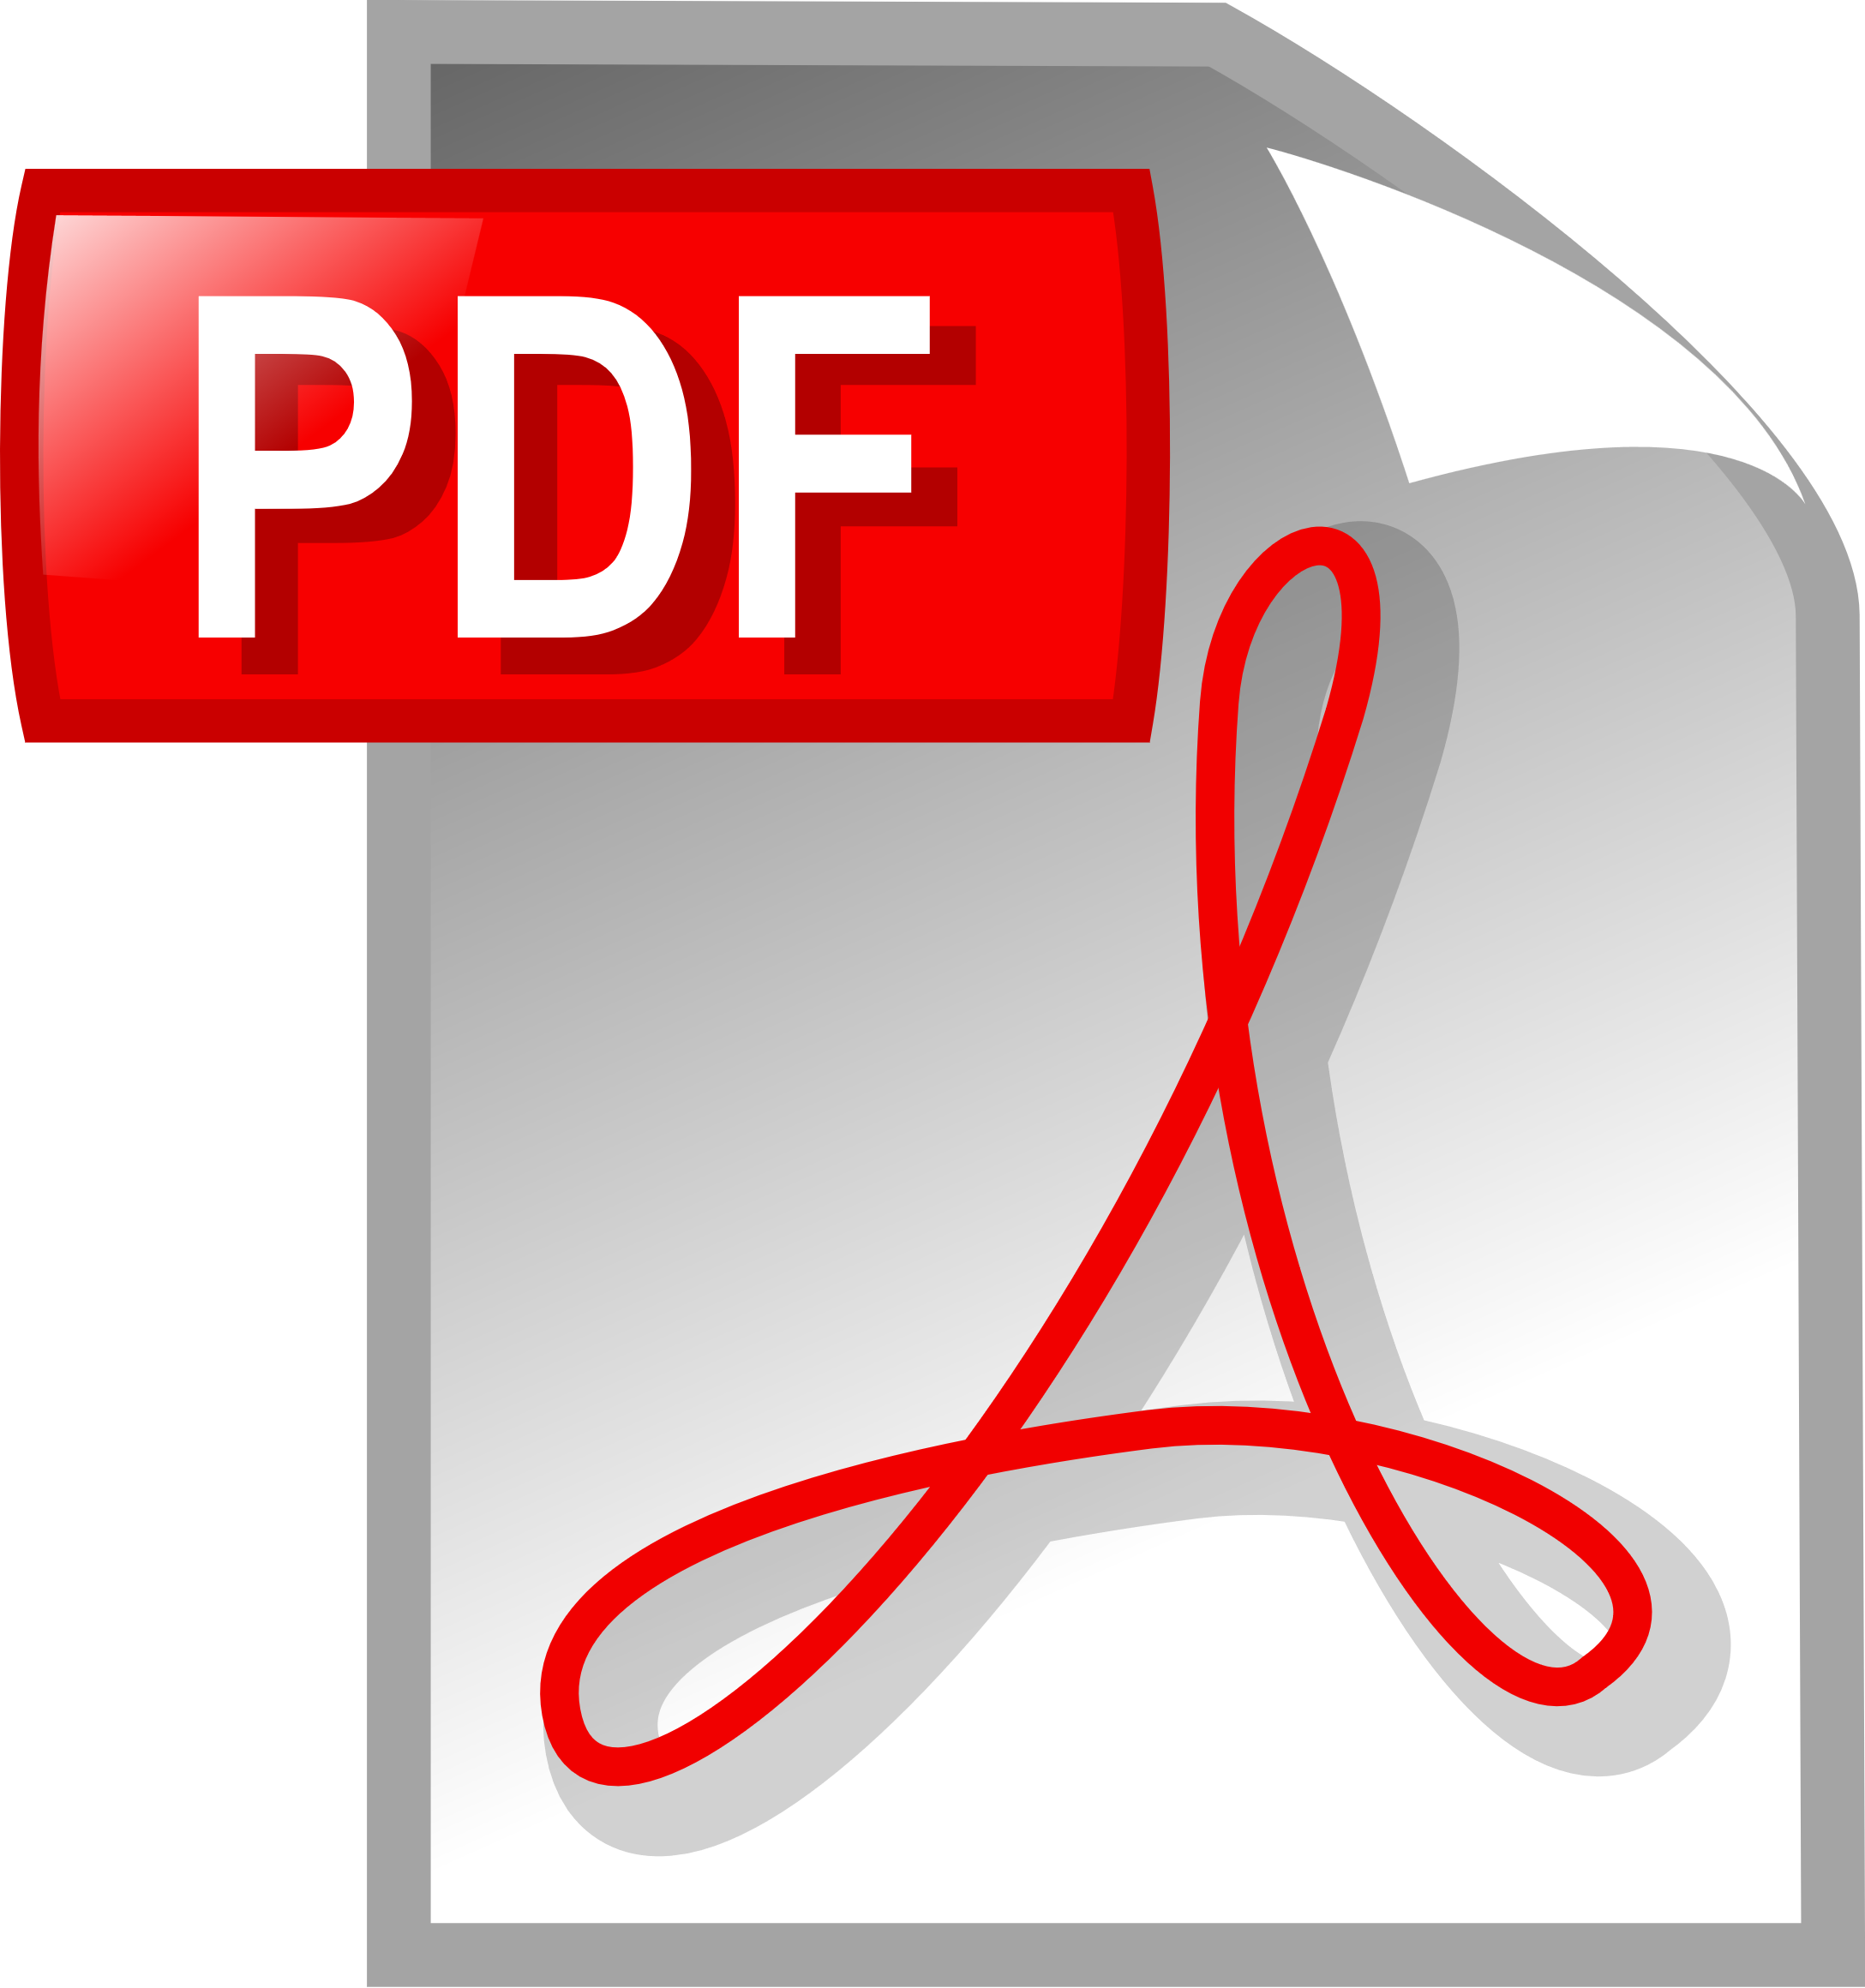 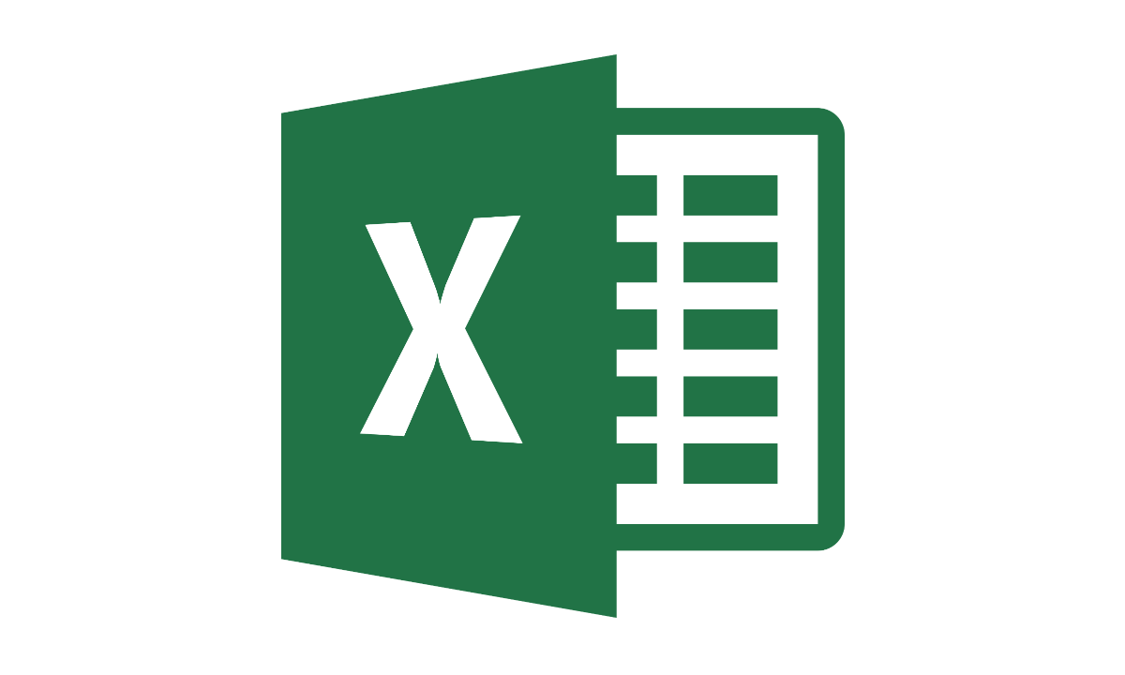

PDF TO EXCEL CONVERTER

BROWSE FOR EXTRACTING FILES
(PDF)
EXTRACT ONE (SINGLE PDF FILE )
EXTRACT ALL FOR MULTIPLE FILES
EXTRACT ALL WITH SAME PDF FORMS

