Weekly_Forecast
Weekly Q4-2026 forecast trend (snapshots every Friday)
Built from Snapshots sheet with SUMIFS. Snapshot = stage of every open deal on that date.
Q4-2026 forecast trend (USD m, SYNTHETIC)
Snapshot date | Closed won | Commit | Best case | Pipeline | Weighted forecast | Closed + Commit | WoW change weighted
3-Jul-26 | - | - | - | 406.2 | 88.8 | -
10-Jul-26 | - | - | - | 475.1 | 102.5 | - | +13.8
17-Jul-26 | - | - | 62.1 | 413.0 | 127.9 | - | +25.3
24-Jul-26 | - | - | 62.1 | 436.0 | 133.1 | - | +5.2
31-Jul-26 | - | - | 62.1 | 448.4 | 154.8 | - | +21.8
7-Aug-26 | - | - | 76.7 | 482.3 | 180.0 | - | +25.1
14-Aug-26 | - | - | 97.3 | 461.7 | 189.7 | - | +9.7
21-Aug-26 | - | - | 136.6 | 422.3 | 202.3 | - | +12.5
28-Aug-26 | - | 15.5 | 150.9 | 392.5 | 227.1 | 15.5 | +24.9
4-Sep-26 | - | 15.5 | 181.8 | 361.7 | 245.5 | 15.5 | +18.4
11-Sep-26 | - | 15.5 | 269.5 | 273.9 | 265.9 | 15.5 | +20.4
18-Sep-26 | - | 53.3 | 268.0 | 261.3 | 288.2 | 53.3 | +22.3
25-Sep-26 | - | 69.1 | 293.7 | 219.7 | 312.3 | 69.1 | +24.1
2-Oct-26 | - | 145.6 | 250.2 | 157.3 | 324.8 | 145.6 | +12.5
9-Oct-26 | 15.5 | 172.3 | 212.6 | 152.7 | 337.2 | 187.8 | +12.5
16-Oct-26 | 15.5 | 219.0 | 164.0 | 112.6 | 329.4 | 234.5 | -7.8
23-Oct-26 | 36.1 | 227.7 | 193.3 | 46.5 | 352.8 | 263.8 | +23.4

Charts
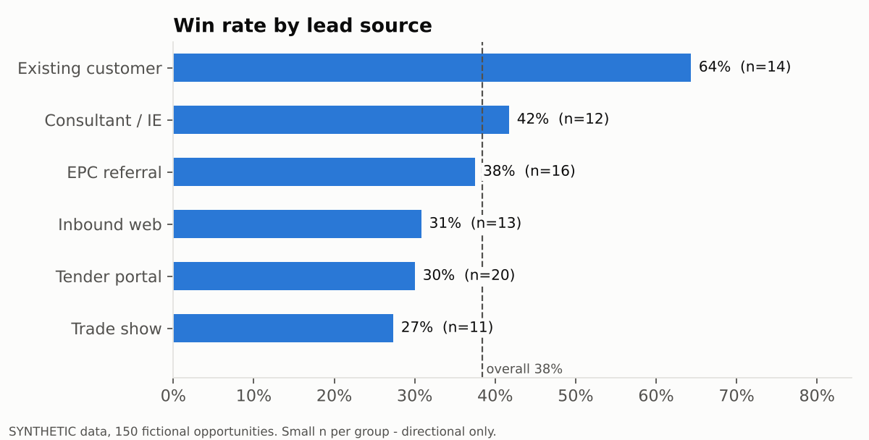
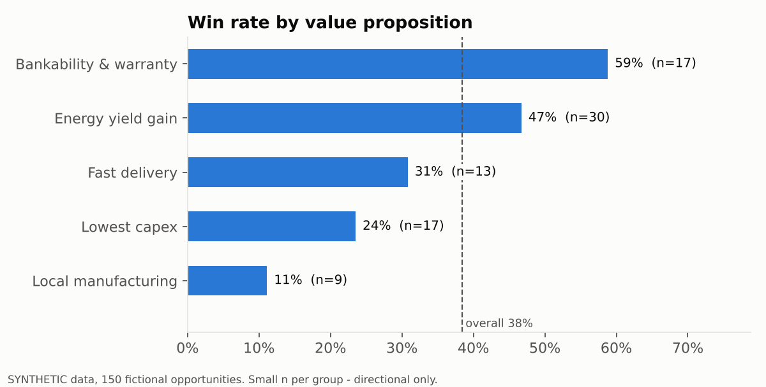
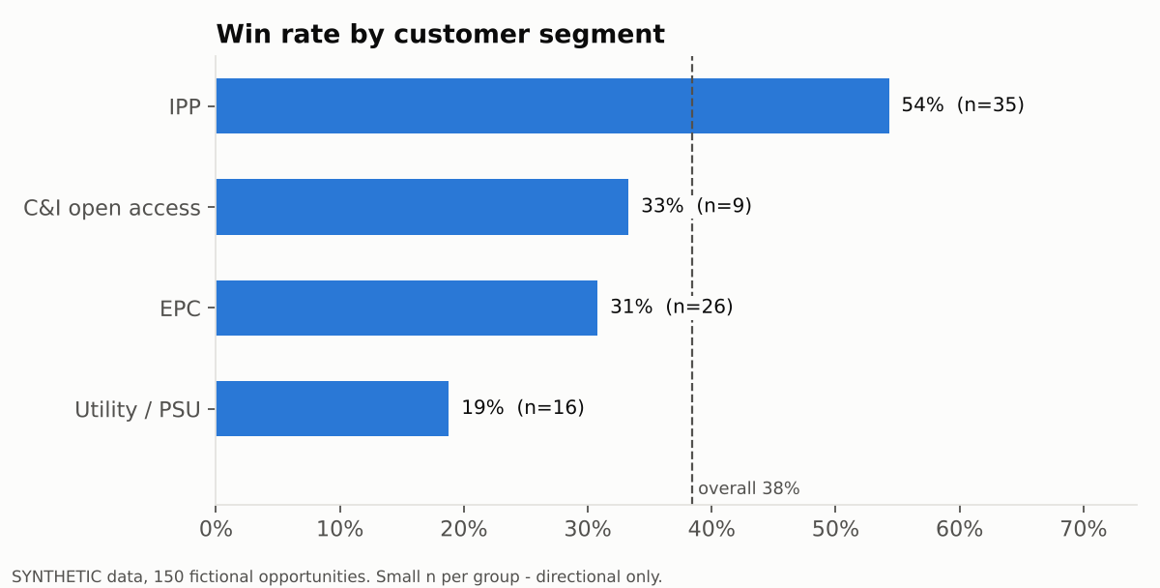
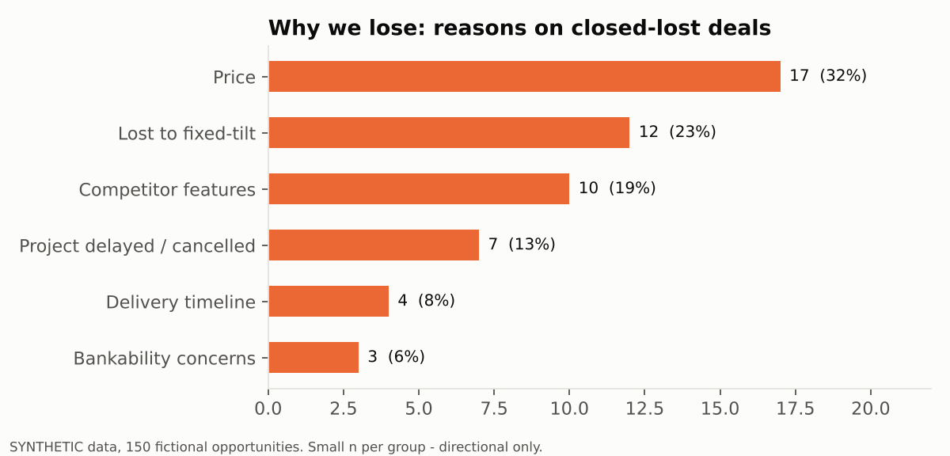
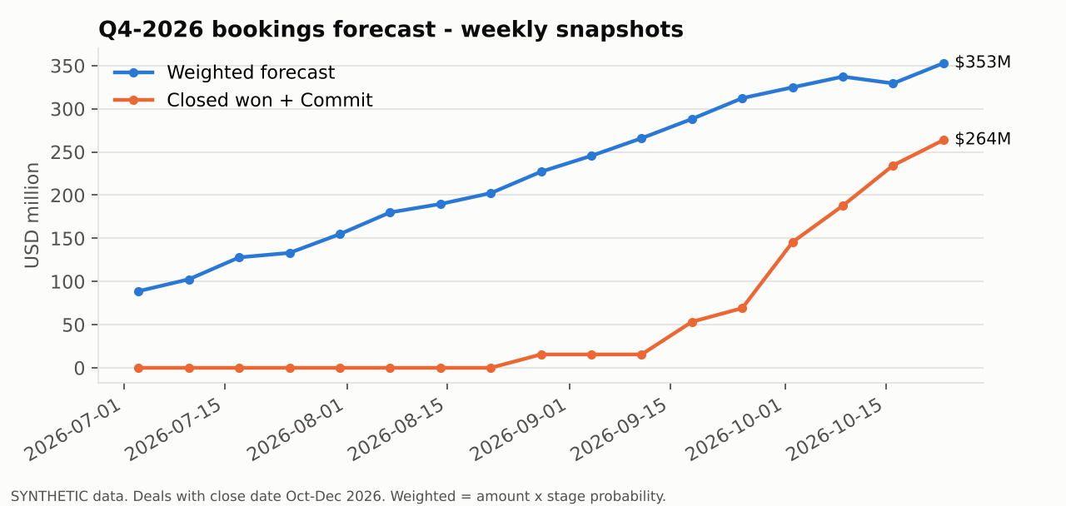
Charts from analysis.py (SYNTHETIC data)

