05_그래프
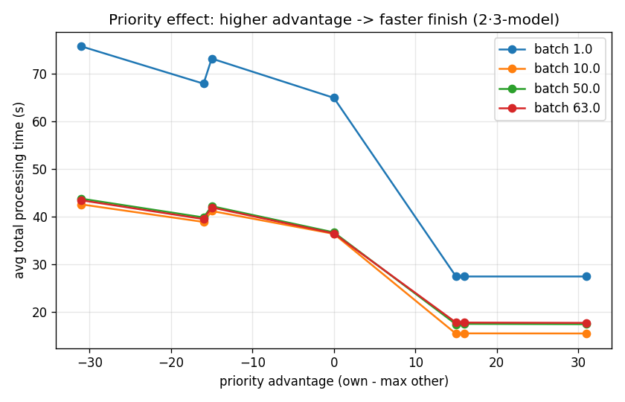
분석 그래프

batch 효과 (동일 우선순위)
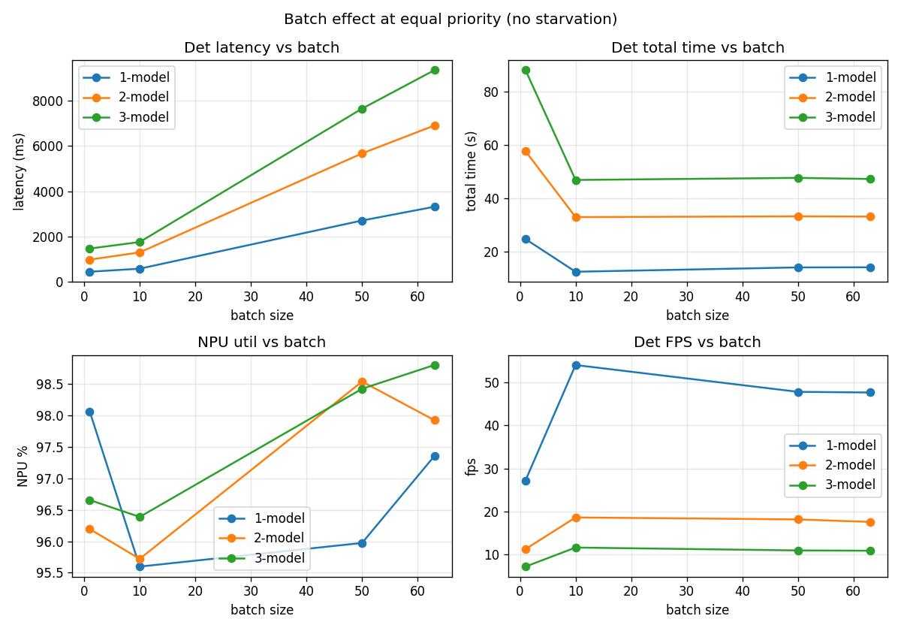

priority 효과 (advantage vs total_time)

