Sheet3
 |  |  |  | Time
 |  |  |  | 5 | 6 | 7 | 8 | 9 | 10 | 11 | 12 | 13 | 14 | 15 | 16 | 17 | 18 | 19 | 20 | 21 | 22 | 23 | 24
 |  |  |  | AM Shift |  |  |  |  |  |  |  |  |  | PM Shift
 |  |  |  | E Shift |  |  |  |  |  |  |  | E Shift
 |  |  |  | S Shift |  |  |  |  |  |  |  |  |  |  | S Shift
 |  |  |  |  |  | T Shift

 | Day | AM Shift | PM Shift | E Shift | S Shift | T Shift
 | Sunday | 900 | 200 | 100 | 400 | 450
 | Monday | 1000 | 1000 | 200 | 380 | 500
 | Tuesday | 1200 | 1200 | 340 | 350 | 525
 | Wednesday | 1250 | 1250 | 670 | 280 | 527
 | Thursday | 1000 | 1000 | 200 | 250 | 529
 | Friday | 900 | 900 | 340 | 250 | 530
 | Saturday | 1200 | 1000 | 300 | 350 | 450

 | Bus Stop | Alighting | Boarding
 | 4200 | 10 | 12
 | 4202 | 20 | 8
 | 4204 | 15 | 5
 | 4206 | 10 | 10
 | 4208 | 7 | 6
 | 4210 | 12 | 12
 | 4212 | 10 | 10
 | 4214 | 15 | 2
 | 4216 | 20 | 5
 | 4218 | 15 | 7
 | 4220 | 10 | 8
 | 4222 | 7 | 10
 | 4224 | 12 | 12
 | 4226 | 10 | 15
 | 4227 | 11 | 3

 | Bustop | Time | trips 1 | trips 2 | trips 3
 | 380 | 5 | 1
 | 378 | 6 | 1 | 2
 | 376 | 7 | 1 | 2 | 3
 | 374 | 8 | 1 | 2 | 3
 | 372 | 9 | 1 | 2 | 3
 | 370 | 10 | 1 | 2 | 3
 | 368 | 11 | 1 | 2 | 3
 | 366 | 12 |  | 2 | 3
 | 364 | 13 |  | 2 | 3
 | 362 | 14 |  |  | 3
 | 360 | 15 |  |  | 3
 | 358 | 16
 | 356 | 17
 | 354 | 18
 | 352 | 19
 | Bustop | Time | trips 1 | trips 2 | trips 3
 | 380 | 5 | 1
 | 378 | 6 | 1 | 2
 | 376 | 7 | 1 | 2 | 3
 | 374 | 8 | 1 | 2 | 3
 | 372 | 9 | 1 | 2 | 3
 | 370 | 10 | 1 | 2 | 3
 | 368 | 11 | 1 | 2 | 3
 | 366 | 12 |  | 2 | 3
 | 364 | 13 |  | 2 | 3
 | 362 | 14 |  |  | 3
 | 360 | 15 |  |  | 3
 | 358 | 16
 | 356 | 17
 | 354 | 18
 | 352 | 19

 | X | Y | Z
Series 1 | 10 | 20 | 75
Series 1 | 20 | 40 | 99
Series 2 | 18 | 35 | 25
Series 1 | 15 | 25 | 35
Series 2 | 13 | 30 | 50

 | X | Y | Z
Series 1 | 10 | 20 | 75
Series 1 | 20 | 40 | 99
Series 2 | 18 | 35 | 25
Series 1 | 15 | 25 | 35
Series 2 | 13 | 30 | 50

Passenger Boarding and Alighting

Passenger Boarding and Alighting

Bus Stops | Alighting | Boarding
B1 | 20 | 8
B2 | 12 | 10
Time
B3 | 15 | 19
B4 | 19 | 20
B5 | 17 | 18
B6 | 12 | 12
B7 | 15 | 15
B8 | 19 | 19
B9 | 18 | 15
B10 | 12 | 19
B11 | 15 | 15
B12 | 12 | 12
B13 | 15 | 18
Bus Stops
B14 | 19 | 6
B15 | 12 | 9
 | Time | Trip1 | Trip2 | Trip3
B1 | 5 | 1
B2 | 6 | 1 | 2
B3 | 7 | 1 | 2 | 3
B4 | 8 | 1 | 2 | 3
B5 | 9 | 1 | 2 | 3
B6 | 10 | 1 | 2 | 3
B7 | 11 | 1 | 2 | 3
B8 | 12 | 1 | 2 | 3
B9 | 13 | 1 | 2 | 3
B10 | 14 | 1 | 2 | 3

 | Time | Trip1 | Trip2 | Trip3
B1 | 5 | 1
B2 | 6 | 1 | 2
B3 | 7 | 1 | 2 | 3
B4 | 8 | 1 | 2 | 3
B5 | 9 | 1 | 2 | 3
B6 | 10 | 1 | 2 | 3
B7 | 11 | 1 | 2 | 3
B8 | 12 | 1 | 2 | 3
B9 | 13 | 1 | 2 | 3
B10 | 14 | 1 | 2 | 3
 | 15 |  | 2 | 3
 | 16 |  |  | 3

Bus | Year 1 | Year 2 | Year 3
B1 | 9 | 10 | 11
B2 | 8 | 9 | 10
B3 | 7 | 8 | 9
B4 | 6 | 7 | 8
B5 | 5 | 6 | 7

Buses

Vehicle | AM_Peak | AM_Offpeak | PM_Peak | PM_Offpeak
1 | 6.15 | 8 | 10 | 11
2 | 6.15 | 8 | 10 | 11
3 | 6.15 | 8 | 10 | 11
4 | 6.15 | 8 | 10 | 11
5 | 6.15 | 10 | 10.3 | 11
6 | 10 | 10 | 5 | 10
7 | 10 | 10 | 5 | 10
8 | 10 | 10 | 5 | 10
9 | 10 | 10 | 5 | 10
10 | 10 | 10 | 5 | 10
11 | 6.15 | 8 | 10 | 11
12 | 6.15 | 8 | 10 | 11
13 | 6.15 | 8 | 10 | 11
14 | 6.15 | 8 | 10 | 11
15 | 6.15 | 8 | 10 | 11

Hours

Final Chart
Passenger Boarding and Alighting
Bus Stop
B1 B2 B3 B4 B5 B6 B7 B8 B9 B10 B11 B12 B13 B14 B15 B16 B17 B18 B19 B20 B21
Passenger
 | Bus Stops | Alighting | Boarding
 | B1 | 14 | 8
 | B2 | 12 | 10
 | B3 | 15 | 15
 | B4 | 12 | 3
 | B5 | 14 | 18
 | B6 | 12 | 11 |  |  |  | B1 | B2 | B3 | B4 | B5 | B6 | B7 | B8 | B9 | B10 | B11 | B12 | B13 | B14 | B15 | B16 | B17 | B18 | B19 | B20 | B21
 | B7 | 15 | 12 |  |  |  | 14 | 12 | 15 | 12 | 14 | 12 | 15 | 3 | 18 | 12 | 15 | 12 | 15 | 4 | 12 | 12 | 10 | 3 | 17 | 14 | 11
 | B8 | 3 | 19 |  |  |  | 8 | 10 | 15 | 3 | 18 | 11 | 12 | 19 | 15 | 19 | 15 | 12 | 13 | 6 | 9 | 11 | 14 | 15 | 12 | 18 | 8
 | B9 | 18 | 15
 | B10 | 12 | 19
 | B11 | 15 | 15
 | B12 | 12 | 12
 | B13 | 15 | 13
 | B14 | 4 | 6
 | B15 | 12 | 9
 | B16 | 12 | 11
 | B17 | 10 | 14
 | B18 | 3 | 15
 | B19 | 17 | 12
 | B20 | 14 | 18
 | B21 | 11 | 8

Bus Arrival Time & Crowded Bus Stops

3.00
2.00
1.00
12.00
11.00
10.00
9.00
8.00
7.00
6.00
 | Bus Stops | Bus 1 | Bus 2 | Bus 3 | Bus 4 | Bus 5
 | B1 | 6.15 | 7 | 7.4 | 8.13 | 8.3
 | B2 | 6.2 | 7.12 | 7.56 | 8.25 | 8.46
 | B3 | 6.3 | 7.28 | 8.13 | 8.46 | 9
 | B4 | 6.42 | 7.35 | 8.25 | 9 | 9.12
 | B5 | 6.54 | 7.4 | 8.46 | 9.1 | 9.29
 | B6 | 7 | 7.55 | 9 | 9.28 | 9.35
 | B7 | 7.12 | 8.12 | 9.1 | 9.35 | 9.49
 | B8 | 7.28 | 8.22 | 9.28 | 9.48 | 10.05
 | B9 | 7.35 | 8.43 | 9.35 | 10 | 10.25
 | B10 | 7.4 | 8.55 | 9.48 | 10.25 | 10.36
 | B11 | 7.55 | 9.05 | 10 | 10.36 | 10.45
 | B12 | 8.12 | 9.18 | 10.25 | 10.45 | 10.55
 | B13 | 8.22 | 9.25 | 10.36 | 10.55 | 11.1
 | B14 | 8.43 | 9.42 | 10.45 | 11.1 | 11.15
 | B15 | 8.55 | 9.58 | 10.55 | 11.15 | 11.2
 | B16 | 9.05 | 10.1 | 11.1 | 11.2 | 11.35
 | B17 | 9.18 | 10.29 | 11.15 | 11.35 | 11.43
 | B18 | 9.25 | 10.35 | 11.2 | 11.43 | 11.5
 | B19 | 9.42 | 10.4 | 11.35 | 11.5 | 12.1
 | B20 | 9.58 | 11 | 11.43 | 12.1 | 12.2
 | B21 | 10.1 | 11.15 | 11.5 | 12.2 | 12.48
 | B22 | 10.29 | 11.2 | 12.1 | 12.45 | 13.1
 | B23 | 10.35 | 11.35 | 12.2 | 12.55 | 13.2
 | B24 | 10.4 | 11.43 | 12.35 | 13.05 | 13.35
 | B25 | 11 | 11.5 | 12.4 | 13.15 | 13.4

Buses
Hours
 | AM_Peak | AM_Offpeak | PM_Peak | PM_Offpeak
6 | 40 | 10 | 30 | 20
7 | 50 | 15 | 40 | 15
8 | 55 | 10 | 20 | 20
9 | 30 | 25 | 30 | 15
10 | 10 | 20 | 40 | 13

 | Single | Joint | DD
AM_peak | 30 | 40 | 30
AM_off pek | 20 | 30 | 20
PM_pe | 50 | 40 | 50
PM_offpeak | 30 | 40 | 60

 | Bus Types | 6.00 - 7.00 | 7.00 - 8.00 | 8.00 - 9.00
 | Double Ducker | 40 | 45 | 50
 | Articented | 20 | 30 | 60
6.00 - 7.00
 | Standard type | 60 | 70 | 80

7.00 - 8.00

8.00 - 9.00

Bus capacity vs Passenger availability

Bus capacity vs Passenger availability

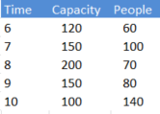

Capacity
 |  |  |  |  |  |  |  |  | Time | Capacity | People
 |  |  |  |  |  |  |  |  | 6 | 120 | 60
 |  |  |  |  |  |  |  |  | 7 | 150 | 100
 | 6 | 7 | 8 | 9 | 10 |  |  |  | 8 | 200 | 70
Bus | 120 | 150 | 200 | 150 | 100 |  |  |  | 9 | 150 | 80
People | 60 | 100 | 70 | 80 | 140 |  |  |  | 10 | 100 | 140

Time

 | 6 | 7 | 8 | 9 | 10
Bus | 80 | 120 | 80 | 100 | 150
People | 60 | 100 | 70 | 80 | 140

Bus capacity vs Passenger availability

 |  |  |  |  |  |  |  |  | Time | Capacity | People
 |  |  |  |  |  |  |  |  | 6 | 80 | 60
 |  |  |  |  |  |  |  |  | 7 | 120 | 100
 |  |  |  |  |  |  |  |  | 8 | 80 | 70
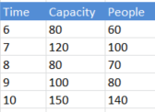
 |  |  |  |  |  |  |  |  | 9 | 100 | 80
 |  |  |  |  |  |  |  |  | 10 | 150 | 140

Capacity

Time
bus no | DD | Single | Joint | people available
67 | 120 | 60 | 140 | 70
100 | 120 | 60 | 140 | 80
147 | 120 | 60 | 140 | 90

 | 9:00:00 | 10:00:00 | 11:00:00
Accident | 2 | 1 | 0
Roadwork | 8 | 10 | 6
Bus Types in Peak hours
Breakdown | 3 | 4 | 5

Weekends
 | 6am | 7am
Articulated | 40 | 80
Standard | 75 | 43
Double Decker | 63 | 37

70
90
40
 | 9am-10am
1 | 12
2 | 20
74
54
3 | 40
55
26
4 | 55
40
5 | 74
12
20
10
6 | 54
7 | 90
8 | 70
9 | 26
Total : 491
Recommended Buses : 5
Proposed Frequency : 10 mins
10 | 40
11 | 10
 | 491
 | 5.4555555556

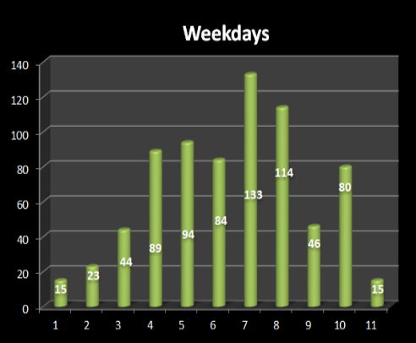
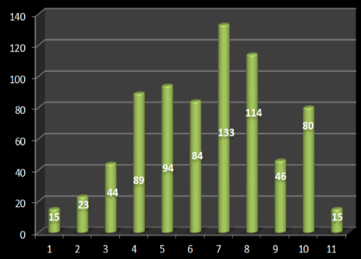
Service | Utilisation
100 | 30%
101 | 18%
102 | 20%
103 | 13%
104 | 25%
105 | 14%
106 | 22%
107 | 23%

Service | Avg Speed
100 | 24
101 | 30
102 | 26
103 | 25
104 | 24
105 | 28
106 | 21
107 | 26

Sheet1
Performance

Healthy Zone
Average = 20%
70% |  |  |  |  |  |  |  |  |  |  |  |  |  | 100-1 | 100-2
60% |  |  |  |  |  |  |  |  |  |  |  |  |  | 101-1 | 101-2
50% |  |  |  |  |  |  |  |  |  |  |  |  |  | 102-1 | 102-2
Utilization
45% |  |  |  |  |  |  |  |  |  |  |  |  |  | 103-1 | 103-2
40% |  |  |  |  |  |  |  |  |  |  |  |  |  | 104-1 | 104-2
35% |  |  |  |  |  |  |  |  |  |  |  |  |  | 105-1 | 105-2
30% |  |  |  |  |  |  |  |  |  |  |  |  |  | 106-1 | 106-2
25% |  |  |  |  |  |  |  |  |  |  |  |  |  | 107-1 | 107-2
20%
15%
10%
 | 0% | 10% | 20% | 30% | 40% | 50% | 60% | 70% | 80% | 90% | 100% | 110% | 120%
Peak Load Factor

Performance

Healthy Zone
Average = 20%
70% |  |  |  |  |  |  |  |  |  |  |  |  |  | 70-1 | 70-2
60% |  |  |  |  |  |  |  |  |  |  |  |  |  | 71-1 | 71-2
50% |  |  |  |  |  |  |  |  |  |  |  |  |  | 72-1 | 72-2
Utilization
45% |  |  |  |  |  |  |  |  |  |  |  |  |  | 55-1 | 55-2
40% |  |  |  |  |  |  |  |  |  |  |  |  |  | 26-1 | 26-1
35% |  |  |  |  |  |  |  |  |  |  |  |  |  | 99-1 | 99-2
30% |  |  |  |  |  |  |  |  |  |  |  |  |  | 133-1 | 133-2
25% |  |  |  |  |  |  |  |  |  |  |  |  |  | 177-1 | 177-1
20%
15%
10%
 | 0% | 10% | 20% | 30% | 40% | 50% | 60% | 70% | 80% | 90% | 100% | 110% | 120%
Peak Load Factor

Sheet2
Different Bus Service Trips Weekdays & Weekends

400
Night Service
300
Express Service
 | Weekdays | Weekends
Expressway trip | 100 | 20
Regular trip | 400 | 80
200
Short trip | 300 | 60
100
Night trip | 200 | 40

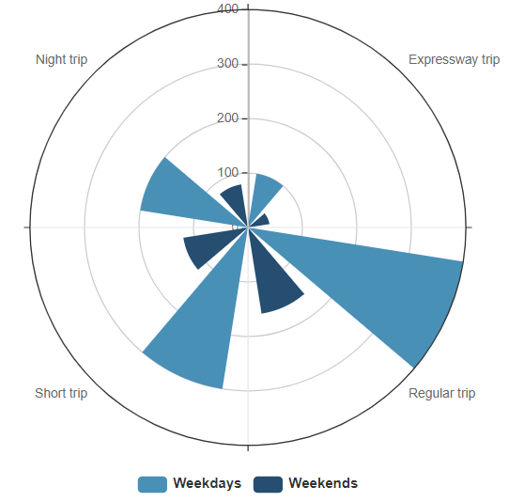

Short Trip Service
Regular Service

70 |  | Service | Utilisation
71 |  | 70 | 25%
72 |  | 71 | 20%
55 |  | 72 | 22%
26 |  | 55 | 18%
53 |  | 26 | 30%
99 |  | 99 | 25%
133 |  | 133 | 40%
 |  | 177 | 45%

 |  | Service | Avg Speed
 |  | 70 | 30
 |  | 71 | 25
 |  | 72 | 32
 |  | 55 | 26
 |  | 26 | 24
 |  | 99 | 28
 |  | 133 | 25
 |  | 177 | 20

Sheet4
Bus Availability
 | Major Repair | Regular Maintenance | Ready to Use
Kranji | 23 | 40 | 32
Bulim | 26 | 34 | 45
Loyang | 28 | 40 | 34
Seletar | 19 | 35 | 30

Seletar Bulim Kranji Loyang

Interchange | Buses in Service | Buses in standby
10 | 100 | 20
11 | 120 | 30
12 | 80 | 25
13 | 90 | 27
14 | 95 | 28
Bus Stations / Interchange
15 | 110 | 30
16 | 95 | 32
17 | 80 | 20
18 | 140 | 25
19 | 160 | 27
20 | 130 | 20
21 | 100 | 22
22 | 135 | 24
Bus
23 | 186 | 26
24 | 190 | 28

Interchange

Bus & Driver
 | Drivers in Weekdays | Buses | Drivers in Weekends | Buses
10 | 100 | 120 | 80 | 90
11 | 120 | 135 | 100 | 120
12 | 110 | 120 | 95 | 105
13 | 132 | 140 | 120 | 135
14 | 100 | 120 | 80 | 90
15 | 120 | 135 | 100 | 120
16 | 110 | 120 | 95 | 105
17 | 132 | 140 | 120 | 135
18 | 100 | 120 | 80 | 90
19 | 120 | 135 | 100 | 120
Interchange
20 | 110 | 120 | 95 | 105
21 | 132 | 140 | 120 | 135
22 | 100 | 120 | 80 | 90
23 | 120 | 135 | 100 | 120
24 | 110 | 120 | 95 | 105
25 | 132 | 140 | 120 | 135

Bus Station / Interchange
Interchange | Buses in Service | Buses in standby
Ang Mo Kio | 100 | 20
Bedok | 120 | 30
Bishan | 80 | 25
Boon Lay | 90 | 27
Bukit Batok | 95 | 28
Bukit Merah | 110 | 30
Bukit Panjang | 90 | 27
Bus
Choa Chu Kang | 95 | 28
Clementi | 110 | 30
Compassvale | 95 | 32
Eunos | 80 | 20
HarbourFront | 140 | 25
Hougang Central | 160 | 27
Joo Koon | 130 | 20
Jurong East | 100 | 22
Pasir Ris | 135 | 24
Punggol | 186 | 26
Sembawang | 190 | 28
Station / Interchange
Sengkang | 90 | 27
Serangoon | 95 | 28
Tampines | 110 | 30
Tampines Concourse | 90 | 27
Toa Payoh | 95 | 28
Woodlands | 110 | 30
Yio Chu Kang | 95 | 32
Yishun | 80 | 20

Sheet5
Time

 | 04.00 | 05.00 | 06.00 | 07.00 | 08.00 | 09.00 | 10.00 | 11.00 | 12.00 | 13.00 | 14.00 | 15.00 | 16.00 | 17.00 | 18.00 | 19.00 | 20.00 | 21.00 | 22.00 | 23.00 | 00.00 | 01.00
63060
63061
63062
63063
63064
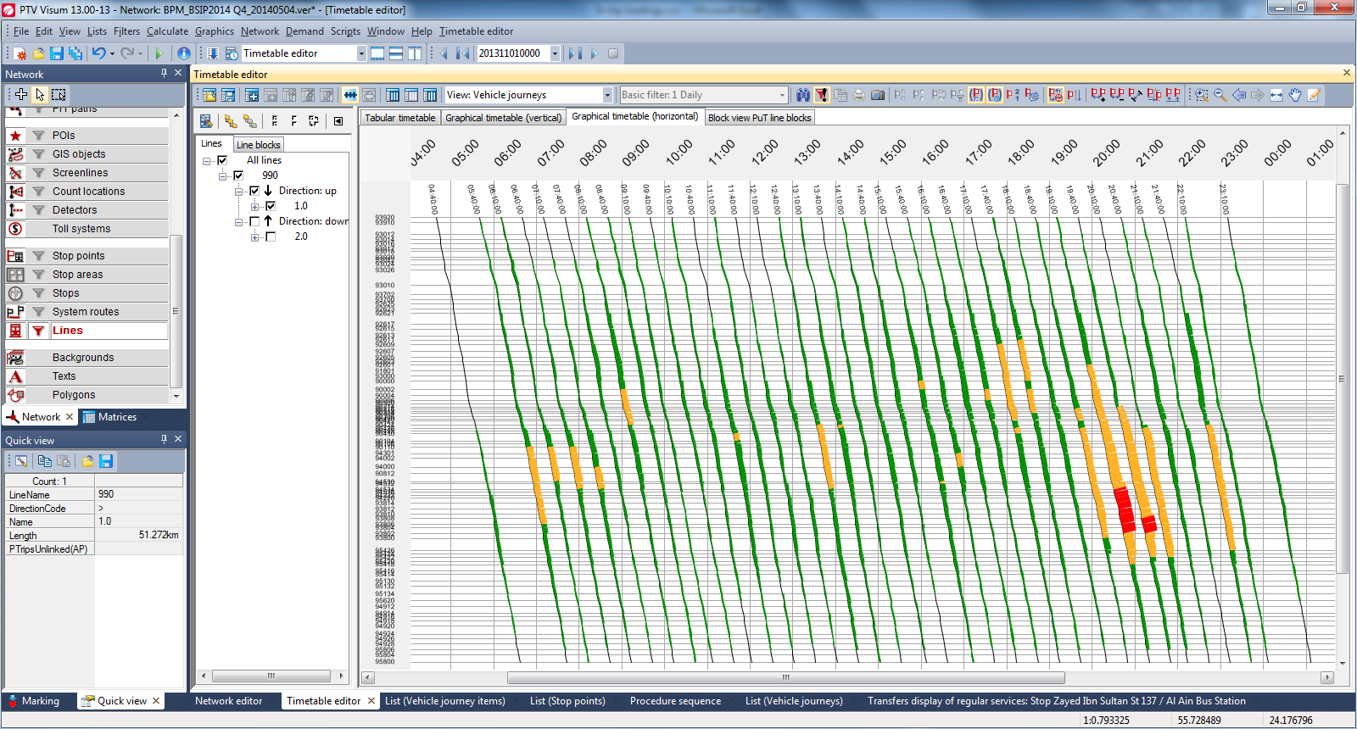
63065
63066
63067
63068
63069
Bus
Stop
Bus
Stop
63070
63071
63072
63073
63074
63075
63076
63077
63078
63079
63080
63081
63082
63083
63084
63085
63086
63087
63088
63089
63090

Time

 | 04.00 | 05.00 | 06.00 | 07.00 | 08.00 | 09.00 | 10.00 | 11.00 | 12.00 | 13.00 | 14.00 | 15.00 | 16.00 | 17.00 | 18.00 | 19.00 | 20.00 | 21.00 | 22.00 | 23.00 | 00.00 | 01.00
63060
63061
63062
63063
63064
63065
63066
63067
63068
63069
Bus
Stop
Bus
Stop
63070
63071
63072
63073
63074
63075
63076
63077
63078
63079
63080
63081
63082
63083
63084
63085
63086
63087
63088
63089
63090
Heavy Crowed
Crowed

Sheet6
Two way Bus Frequency
Direction 1

Time
9.3
9
8.3
8
7.3
7
6.3
6
 | 64009 | 64019 | 63349 | 63359 | 64399 | 64389 | 64421 | 64039 | 64369 | 64431 | 64441 | 64461 | 66499 | 66489 | 64119 | 64491 | 64081 | 64091 | 66491 | 64469 | 64449 | 64439 | 64361 | 64031 | 64429 | 64381 | 64391 | 63351 | 63341 | 63061 | 64011 | 64009
Bus Stops

Direction 2

Time
10
10.3
11
11.3
12
12.3
1
 | 64009 | 64019 | 63349 | 63359 | 64399 | 64389 | 64421 | 64039 | 64369 | 64431 | 64441 | 64461 | 66499 | 66489 | 64119 | 64491 | 64081 | 64091 | 66491 | 64469 | 64449 | 64439 | 64361 | 64031 | 64429 | 64381 | 64391 | 63351 | 63341 | 63061 | 64011 | 64009
Bus Stops

Sheet8
24 Hours run time profile

 | 5.00 | 6.00 | 7.00 | 8.00 | 9.00 | 10.00 | 11.00 | 12.00 | 13.00 | 14.00 | 15.00 | 16.00 | 17.00 | 18.00 | 19.00 | 20.00 | 21.00 | 22.00 | 23.00 | 24.00
70 | 40 | 30 | 100 | 140 | 120 | 100 | 80 | 70 | 100 | 50 | 60 | 80 | 70 | 150 | 100 | 80 | 70 | 50 | 50 | 20
71 | 50 | 50 | 120 | 120 | 130 | 90 | 60 | 60 | 40 | 70 | 90 | 40 | 70 | 110 | 120 | 60 | 60 | 30 | 40 | 40
72 | 60 | 40 | 110 | 130 | 140 | 80 | 40 | 70 | 50 | 90 | 80 | 50 | 90 | 120 | 140 | 70 | 70 | 40 | 60 | 30
55 | 70 | 60 | 130 | 130 | 120 | 100 | 50 | 90 | 60 | 80 | 80 | 60 | 80 | 100 | 150 | 90 | 60 | 50 | 40 | 20
26 | 60 | 40 | 110 | 120 | 110 | 110 | 60 | 80 | 70 | 80 | 90 | 70 | 80 | 130 | 160 | 80 | 50 | 40 | 50 | 30
53 | 50 | 50 | 120 | 140 | 130 | 90 | 70 | 80 | 90 | 60 | 50 | 90 | 60 | 130 | 120 | 80 | 70 | 50 | 60 | 40
99 | 70 | 60 | 100 | 150 | 150 | 100 | 90 | 60 | 90 | 50 | 90 | 50 | 90 | 130 | 110 | 60 | 60 | 40 | 30 | 20
133 | 40 | 70 | 130 | 160 | 120 | 110 | 80 | 70 | 80 | 60 | 80 | 60 | 80 | 120 | 130 | 80 | 50 | 50 | 40 | 40

