<DIV> notes
Step to add "VMS msg inside Div" on map
1. add one row in datapenal column jsp and div tag on the map column-
createventwin.jsp

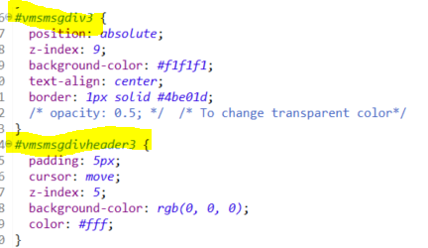
mrtmap.css
map div, vms message div available

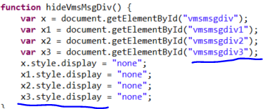
eventmap.js
(All event related javascrip available to display on the map)

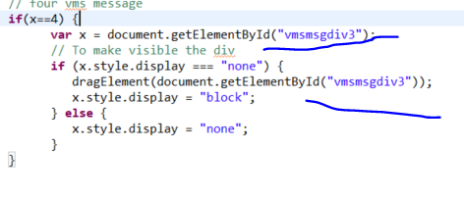

democontroller.js
ng-model message

mrtinc.css
All UI panel display css available - like button, textarea etc

Graph
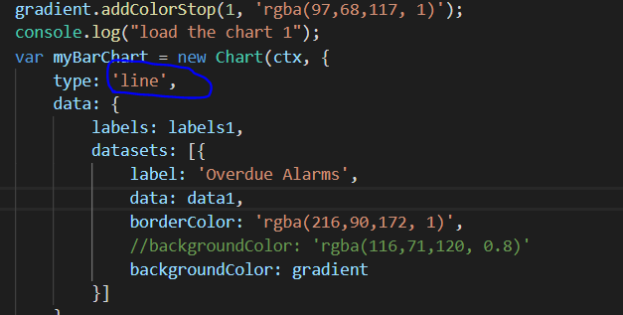
change the graph type

