BIS-WorkingNotes
Date | Module | Function

 |  |  |  | 0.88

microsoft bitlocker administratior pin : 135642

28-Nov-19 | Datafusion Weightage | Rollback function done
 |  | Get status as "Accepted" and the weightage and update in proposed weightage
 |  | get Proposed weightage id - using model number and seq=2
 |  | Fusion speed list combination of two records for the same model 1. Accepted , 2. drafted or pending

2019-12-12 |  | SBS Meeting in the morning, Start to setup on IBM ICP
 |  | Existing System down - setup new system configuration
2019-12-13 |  | Report Backend task
 | Report | 1. Completed 3 more new report backend
 | Peak Hours | 2. Peak hours records not showing for edit after rollback
2019-12-16 |  | 1. Empty file genetes on "AccidentAlongExpressway" report
 | Report | * To fix the above issue - BIS_REPORT_CONFIGURATION table column TEMPLATE_NAME_WITH_PATH - data changed into lowercase |  | Done
 |  | old Record -- 63 -- /ITPT2FileSystem/ITSO/Occ_Planning/AccidentAlongExpressway.rml
 |  | updated to Record -- 63 -- /itpt2FileSystem/ITSO/Occ_Planning/AccidentAlongExpressway.rml
 |  | update BIS_REPORT_CONFIGURATION set TEMPLATE_NAME_WITH_PATH = '/itpt2FileSystem/ITSO/Occ_Planning/AccidentAlongExpressway.rml' where BIS_REPORT_CONFIGURATION_ID =63
 |  | select * from BIS_REPORT_CONFIGURATION where BIS_REPORT_CONFIGURATION_ID =63 ;
 | Free Flow Speed | Check free flow calculation Speed check | Json input : id:25 proposedEndTime: 20082019 ProposedStartTime: 21072019 | Done

 | TIQ Websever call - Fusion Weights Implementation | Fusion weights implementation Web services (TIQ) pg-830
 |  | A. for TIQ webserver call, all the 'drafted' status go to COS | Need to changed @Scheduled(cron = "0 54 16 * * ?") | Done
 |  | B. API return 'status' along with proposed weight and live weightage - DataFusion Engine Speed |  | Done

2019-12-17 | Fusion weight implementation | Generate correct data in DB for the following model numbers | Model-5s.8 | Done
 |  | Table Name : BIS_HIST_FUSED_WEIGHTS_CONFIGURATION | Model-5s.9
 |  | Check the model_description and generate corresponding weightage and check the compound weightage for each model number | Model-5s.5
 |  | Insert the row | Model-1s.12

 | Schedule Report Insert URL | /report-schedule/report-schedule-config/bis-report-schedule-config - insertBisReportScheduleConfiguration() | { | Done | mimeType: "application/vnd.ms-excel",
 |  |  | "paramEndTime": "10:50", |  | p_startdate: "20190720",
 |  | API Get Call - "reportScheduleTime()" parameter added | "paramStartTime": "09:00", |  | p_enddate: "20190820",
 |  |  | "reportName": "DailyPeakHour", |  | p_direction: "1','2",
 |  |  | "reportScheduleDate": "2019-12-17 04:12:04.738" |  | p_arterial_corridors: "Outer Ring Road"
 |  |  | } |  | reportName: "LTMOverallEMASArterialReports"
 |  |  | p_roadname : “Outer Ring Road”
 | Example Report Parameter |  | p_direction:”1','2” |  | mimeType: "application/vnd.ms-excel"
 |  |  | p_endate:20190808 |  | p_typeacc: "ASSIST_MOVEOFF"
 |  |  | p_startdate:20190720 |  | p_startMM: "201907"
 |  |  | reportName: "AllAccidentandBreakdownDetailsforEMASArterial" |  | reportName: "AccidentAlongExpressway"

 | To generate report file and stored in to local directory | /report-schedule/report-schedule-config/bis-report-schedule-config getBisReportScheduleConfigurationById() |  | Done
 |  | Table Name : BIS_REPORT_SCHEDULE_CONFIGURATION
 |  | Report Generate Parameter - starttime, endtime, report name, mimetype

2019-12-18 | Docker Desktop Installation | 1. Signup in docker hub
 |  | 2. Login with office id, but I didn’t get the verification email
 |  | 3. I tried with personal Id
 |  | 4. Downlaod docker desktop for windows
 |  | 5. insall the docker, restart two times to set the VM
 |  | 6. IBM-ICP introducation meeting (2 hrs)
 |  | 7. Install and Setup kubernate, helm, linux
 |  | 8. Create certificate
2019-12-19 |  | 1. Fixing Free flow speed - calculated and defualt, changed in query
 |  | 2. setup testing environment
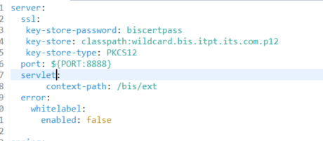
 |  | 3. IBM ICP configuration setup
 |  | 4. 3 hrs - he spend 20 minuts todo initial setup

2019-12-20 |  | Leave

2019-12-23 | Testing Error | error : Report file generated empty | issue is in url - point to old url | Done
 |  |  | one parameter is missing from the old url
 |  | 2019-12-23 10:56:51.030 INFO [bis-services,,,] 2216 --- [pool-7-thread-1] | Directed to Correct url - Report works fine
 |  | sg.com.ssa.itpt2.service.BisElixirReportConfigurationServiceImpl.callToElixirServer - X-elxjob.Exception: java.lang.IllegalArgumentException Empty mime type
 | IBM ICP | Docker image created, - run the docker image - its running | Doing
 |  | heml chart is created
 |  | value.yml, deployment.yml and service.yml file also modified | ssl: |  | ssl:
 |  | log shows the server is working and no error | key-store: classpath:wildcard.bis.itpt.its.com.p12 |  | key-store: classpath:bis.itpt.its.com.p12
 |  | now created the certificate for unique url | key-store-password: biscertpass |  | key-store-password: biscertpass
 |  | update with application.yml file | key-store-type: PKCS12 |  | key-store-type: PKCS12
 |  | trying 2 hrs - he spend 20 minuts | no figure out the solution |  | key-password: biscertpass
 |  |  |  |  | key-alias: bis.itpt.its.com
2019-12-24 | Backend - eqipmentid-roadname | equipment id and road name data from backend through a GET request |  | Done
 |  | /bis-elixir-report-eqiproadname - getEqipmentRoadNamesForReport()

 | IBM ICP | SSL Certificate and

2019-12-26 |  | ITSO (OCC Ops) Report - Traffic alert log (STM) | Task-BIS-032 - Done | Done
 |  | Data Fusion Volume Ranking
 |  | TIQ WebService call

2019-12-31 | IBM ICP | SSL Certificate and | Using Local Certificate | Done

1-Jan-20 | free flow speed query need to change | (-140) query -
2-Jan-20 | Sonar - Junit | Sonar and Junit partically done |  | Done
3-Jan-20 | Junit and Jacoco | Jacoco Setup, junit test case |  | Done
 |  | ICP certificate used with Originally certificate | Local Setup done | Done
6-Jan-20 | ICP | ICP certificate used with Tian he certificate (backend) | IBM container setup | Done
 |  | Report schedular setup
 |  | Frontend | partically done
 |  | Facing issue, server location not found
8-Jan-20 |  | backend done https with single cetificate |  | Done
8-Jan-20 |  | HTTP to HTTPS - ICP IBM setup with chain certificate |  | Done
 |  | Frontend and backend

9-Jan-20 |  | elixir.server.url : http://10.180.11.133:8080/elx/do/eno/re | URL point to http, but the reponse is https
 |  | So report not generated

 |  | if I change the elixr url to https SSLException error is throwing

 | writing junit test case | Anomaly Detection
 |  | Fusion weightage
 |  | Peak hours
 |  | Free flow speed

 | Volume Ranking | Get all volume Ranking
 |  | Edit Single Volume Ranking
 |  | Insert new volume

10-Jan-20 | Elixir Report Error | Fixing the Report generation error | Reason the report generated and stored into the localfolder instead return to the browser | Done
 |  |  | The error message was Inputstream closed
 |  | 1. Report Parameter Added
 |  | 2. Frontend change deployment 3 times
 |  | 3. R1-status xl file updated

13-Jan-20 |  | Report parameter backend API
 | BIS UI | Deploy BIS frontend in ICP IBM
 | TIQ WebServer Calls | Fusion weightage | BIS_HIST_FUSED_WEIGHTS_CONFIGURATION
 |  | Anomaly Threshold Configuration | BIS_ANOMALY_DETECTION_THRESHOLD_CONFIGURATION

 | install COS certificate | https://www.thewindowsclub.com/manage-trusted-root-certificates-windows
 |  | using console Root Certificate

14-Jan-20 | BIS UI | Deploy BIS frontend in ICP IBM
 |  | Insert records in "BIS_ANOMALY_DETECTION_THRESHOLD_CONFIGURATION" Table
 |  | EMAS, EA, KPE_MCE, TCS, TS, GLIDE, ST, ERP2, ERP - generate new records for these Data Sources

2020-01-16 | Report Parameter | Generate Report Parameter output
 |  | Testing TIQ web server call
 |  | Report Scheduler - calling the table every seconds
 |  | Two API added to retrieve the Road name

2020-01-17 | Peak Hours Rollback | GET/sysconfig/peak-hours-configuration/rollback-bis-peak-hours-configuration
 |  | rollbackBisPeakHoursConfigurationById

 | Free Flow Rollback | /sysconfig/free-flow-speed/rollback-bis-free-flow-speed
 |  | rollbackBisFreeFlowSpeedById

 | Fusion Weightage Rollback | /bis/bis-hist-fused-weight-confi/bis-hist-fused-weight-conf-rollback
 |  | bisHistFusedProposedWeightRollbackUpdateById

 |  | Fusion Weightage record changed
 |  | Datasource ST,TS,ERP, VAS - TS_weightage is missing,
 |  | I updated the corresponding record

Error
Changes | Error
Mention Certificate in application.yml file | 2019-12-31 11:13:07.026 ERROR [bis-services,,,] 16296 --- [restartedMain] org.apache.catalina.util.LifecycleBase.log - Failed to start component [Connector[HTTP/1.1-8888]]
 | org.apache.catalina.LifecycleException: Protocol handler start failed

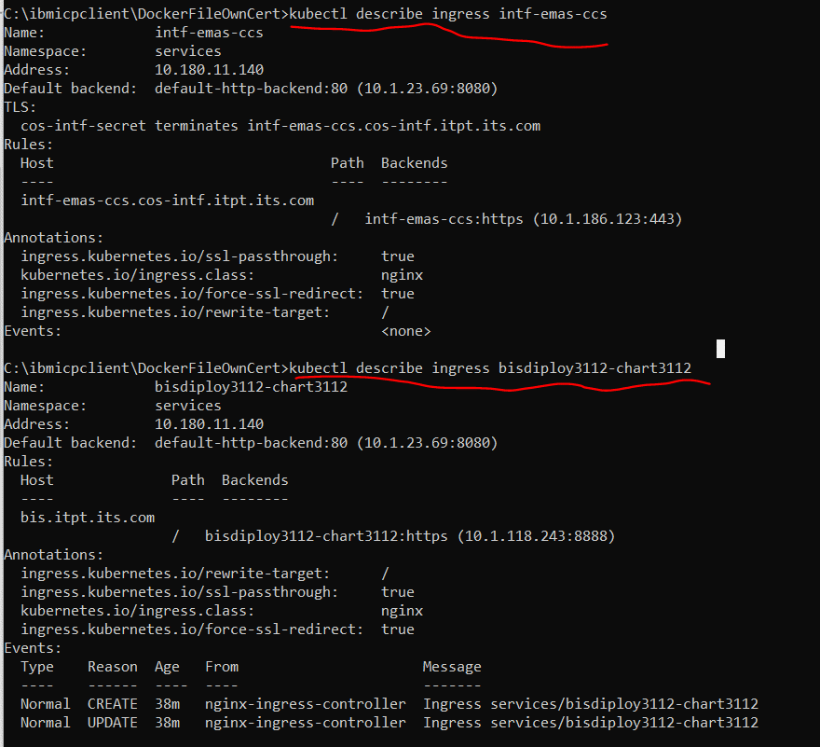

 | openssl pkcs12 -export -in bis.itpt.its.com.cert.pem -inkey bis.itpt.its.com.key -out bis.itpt.its.com.p12 -passin pass:bis -passout pass:bis -name bis

 | Export cert to pkcs12 file
 | Use cert key and cert.perm file names

 | #key-store-password: pass123
 | #key-store: classpath:mykeystore.jks

TIQ Call Error

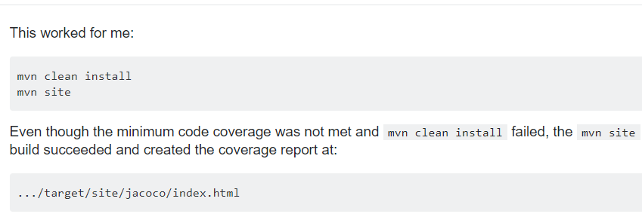

Jacoco

Jacoco Facing issue | The default junit test folder not present the project
 | Test folder Created manually, Add junit plugin
 | create the junit test case file
 | setup Jacoco and Sonar
 | The problem is jacoco exec file not created automatically - so can't see the coverage information
 | surefire-reports folder not created

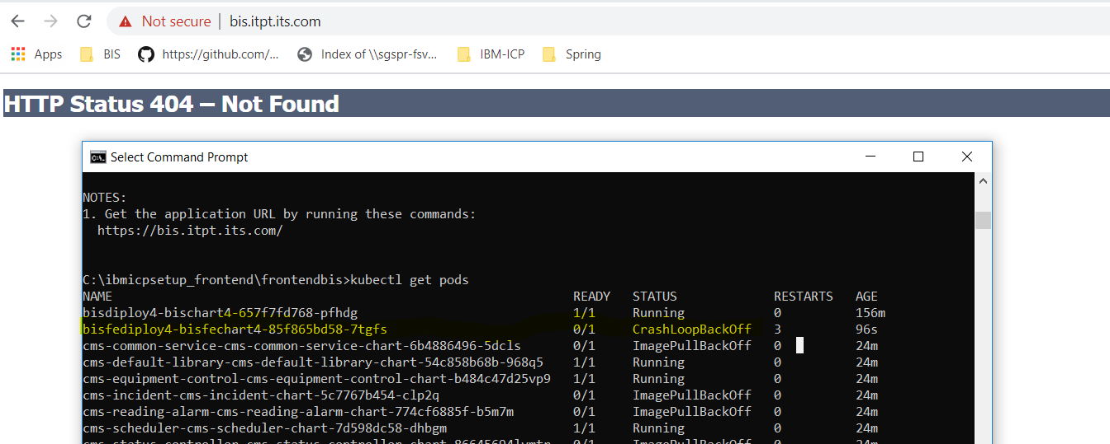
Front end ICP setup

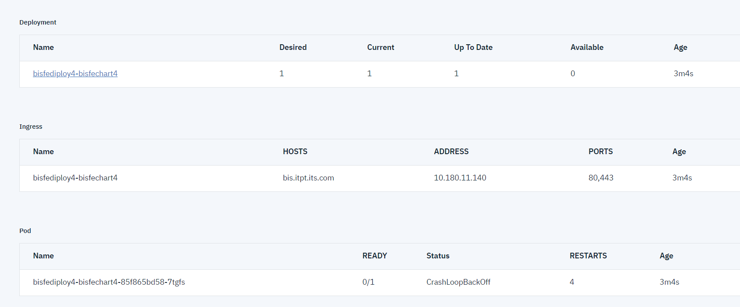

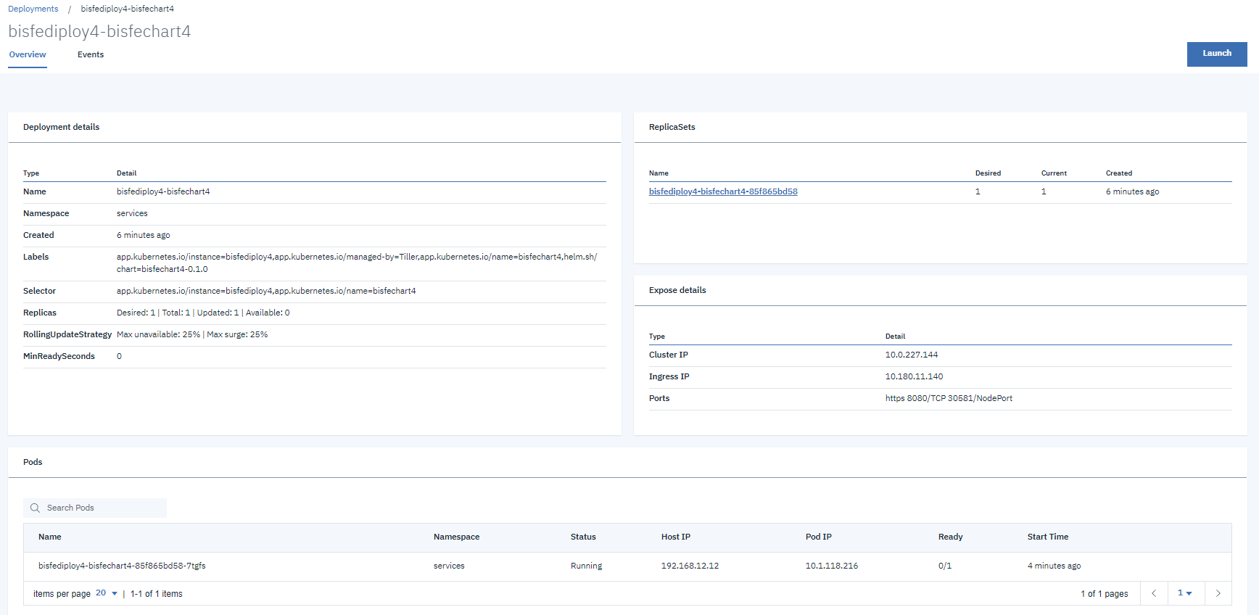

Report Error Exception

After intstalling root certificate in java

