lati-logi
Longitude | Latitude |  |  | Location MRT |  | use this file to get latitude and longitude info
103.839 | 1.281 |  |  | MRT - Outram Park |  | file:///C:/GisMap/popupinmap.html
103.817 | 1.289 |  |  | MRT - Redhill
103.806 | 1.294 |  |  | MRT - Queenstown
103.79 | 1.307 |  |  | North Buona Vista Road, Singapore
103.778 | 1.312 |  |  | MRT-Dover

 |  |  |  | CCTV Camera
103.859, 1.337 Toa Payoh
103.884 | 1.358 |  |  | Serangoon
103.851 | 1.373 |  |  | Ang Mo Kio
103.898, 1.372 Hougang
103.925, 1.336 Bedok
103.957, 1.345 simei
103.902, 1.323 Eunos
103.839 | 1.281 |  |  | MRT - Outram Park
103.817 | 1.289 |  |  | MRT - Redhill
103.806 | 1.294 |  |  | MRT - Queenstown
103.846, 1.322
103.86, 1.317

 |  |  |  | Road Work
103.898, 1.372 Hougang
103.925, 1.336 Bedok
103.957, 1.345 simei
103.902, 1.323 Eunos
103.79 | 1.307 |  |  | North Buona Vista Road, Singapore
103.778 | 1.312 |  |  | MRT-Dover
103.84, 1.329
103.85, 1.327

103.51'13.892 | 1°19'53.287" |  |  | Lorong 6 Toa Payoh approaching Braddell Road;
103°51'1.225" | "1°20'25.973" |  |  | Lorong 1 Toa Payoh approaching Braddell Road
1.332525 | 103.861481 |  |  | Un know name
1.331914 | 103.862232 |  |  | Whampoa Flyover,
PIE 1.329576 | 103.857908 |  |  | PIE

103.857499 | 1.3691533 |  | , | Ang mo kio CTE
103.8581903 | 1.383792
103.8553513 | 1.3759417
103.8583969 | 1.3615294

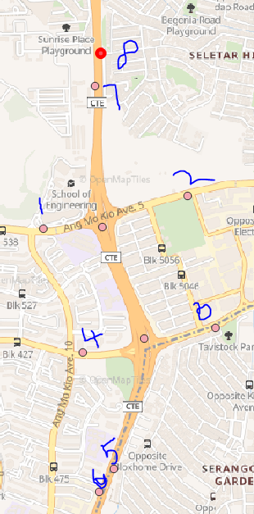
 | Accident IR CTE
x | 30451.9920839 | 103.8553513 | 1
y | 39770.1588305 | 1.3759417

x | 31328.9208527 | 103.8632314 | 2
y | 39969.9459666 | 1.3777483

x | 31499.1505488 | 103.8647609 | 3
y | 39170.2856139 | 1.3705165

x | 30690.9924681 | 103.857499 | 4
y | 39019.5417418 | 1.3691533

x | 30881.1094603 | 103.8592073 | 5
y | 38314.5195971 | 1.3627773

x | 30790.9181002 | 103.8583969 | 6
y | 38176.531181 | 1.3615294

x | 30767.9157962 | 103.8581904 | 7
y | 40638.2173913 | 1.383792

x | 30799.8271562 | 103.8584772 | 8
y | 40835.2468955 | 1.3855739

VMS Ids | Location
tcttp_713023 - | at 138m east/Ang Mo Kio Ave5
tcttp_713028 - | at 222m west/Ang Mo Kio Ave 5
tcttp_713026 - | at 205m west/Ang Mo Kio Ave 3
tcttp_713021 - | at 170m east/Ang Mo Kio Ave 3
tatip_711021 - | CTE towards AYE
tatip_711020 - | CTE towards SLE
tatip_711022 - | CTE Towards SLE / LP34 /14.66
tatip_711023 - | CTE towards AYE

Traffic Light Info
1471
31088.9 | 103.8610747°
39920.08 | 1.3772975°

426
30755.81 | 103.8580815°
39822.02 | 1.3764106°

1270
30383.93 | 103.8547399°
39757.74 | 1.3758293°

CCTV Camera Location
eqt_id - sapsc_719085, sapsc_719084, sapsc_719082
30832.043732 | 103.8587667
39694.078958 | 1.3752537

30777.594452 | 103.8582773
39888.679279 | 1.3770134

30799.527124 | 103.8584744
39978.569967 | 1.3778264

VMS
38163.228498 | 103.92464
32629.488922 | 1.3113622

36474.971569 | 103.9094703
32287.402106 | 1.3082692

36026.658896 | 103.9054419
32082.515514 | 1.3064163

35642.51608 | 103.9019901
31807.078489 | 1.3039255

34377.592783 | 103.8906241
31385.698521 | 1.300115

34258.677902 | 103.8895556
31402.082681 | 1.3002632

GLIDE
36372.76 | 103.9085518
32280.05 | 1.3082027

36186.76 | 103.9068805
32174.88 | 1.3072516

35970.25 | 103.904935
32031.05 | 1.3059509

35702.36 | 103.9025278
31859.56 | 1.3044001

35477.76 | 103.9005097
31723.99 | 1.3031741

35101.28 | 103.8971268
31592.21 | 1.3019824

34734.09 | 103.8938274
31479.83 | 1.3009662

Mobile Road work Vehicle moving points
1.308453, 103.909596
1.308378, 103.909102
1.308217, 103.908437
1.307917, 103.908051
1.307745, 103.907697
1.307555, 103.907426
1.307322, 103.907069
1.306644, 103.906106
1.305786, 103.904808
1.304692, 103.903075

Planned Event
TIP point | Event TIP points
XY | Lati Longi
43846.047648 | 103.9757038
34699.402026 | 1.3300795

43936.881376 | 103.97652
34321.853161 | 1.326665

43096.791008 | 103.968971
33604.025065 | 1.3201737

40532.275741 | 103.9459272
32649.741544 | 1.3115447

39590.87638 | 103.9374682
32482.380008 | 1.3100315

38058.538523 | 103.9236992
31970.810215 | 1.3054055

35691.025497 | 103.9024259
31278.43639 | 1.2991446

34497.0598 | 103.8916975
30904.950438 | 1.2957672

$$$$$$$$$

39590.87638 | 103.9374682
32482.380008 | 1.3100315

38501.428315 | 103.9276788
32089.951655 | 1.3064829

37122.37353 | 103.9152873
31667.560615 | 1.3026633

35705.505177 | 103.902556
31239.412583 | 1.2987917

34512.78044 | 103.8918387
30864.168038 | 1.2953984

Detection Camera
30576.451359 | 103.8564699
39785.026074 | 1.376076

30742.867327 | 103.8579652
39020.31353 | 1.3691602

CCTV Layer
30777.594452 | 103.8582773°
39888.679279 | 1.3770134°

30832.043732 | 103.8587663
39694.078958 | 1.3752537

31082.865877 | 103.8610203
39095.109294 | 1.3698366

Glide Ids Siglap Raod, East coast Road, Mountbatten Rd. for Mobile Road work
XY values
38163.228498 | 103.9246401°
32629.488922 | 1.3113624°

38060.19 | 103.9237142
32739.54 | 1.3123578

37703.63 | 103.9205104
32631.88 | 1.3113841

37215.75 | 103.9161265
32450.71 | 1.3097458

36791.79 | 103.912317
32364.92 | 1.3089701

36372.76 | 103.9085518
32280.05 | 1.3082027

36186.76 | 103.9068805
32174.88 | 1.3072516

35970.25 | 103.904935
32031.05 | 1.3059509

35702.36 | 103.9025278
31859.56 | 1.3044001

35477.76 | 103.9005097
31723.99 | 1.3031741

35101.28 | 103.8971268
31592.21 | 1.3019824 |  |  | tuition fee | 12000
 |  |  |  | bus fee | 3600
34734.09 | 103.8938274 |  |  |  | 15600
31479.83 | 1.3009662

34065.42 | 103.8878191
31457.71 | 1.3007663 |  |  |  | 3900

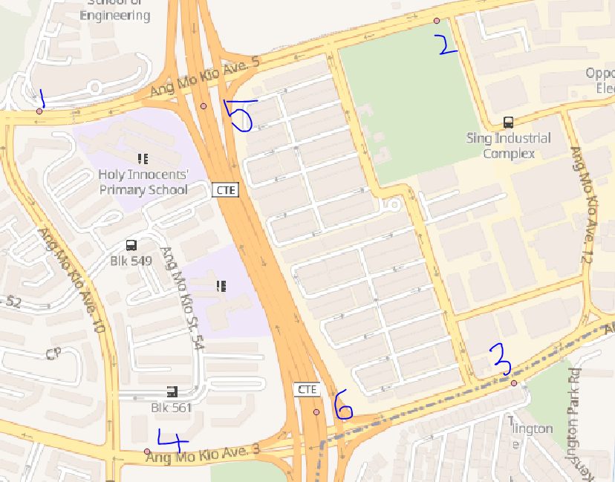
VMS Points in Accdient New Points inclused CTE VMS
30451.992084 | 103.8553513
39770.15883 | 1.3759417

31328.920853 | 103.8632314
39969.945967 | 1.3777483

31499.150549 | 103.8647609
39170.285614 | 1.3705165

30690.992468 | 103.857499
39019.541742 | 1.3691533

30814.207316 | 103.8586063
39781.755438 | 1.3760463

31063.382612 | 103.8608452
39106.71051 | 1.3699416

TSP | Traffic Sign Panel - only sign
TIP | Traffic Information Panel - traffic message (ID-start-100)
TTP | Traffic Time Panel - traffic message and time (ID-start-200)
tatip_711020
30790.9181 | 103.8583969
38176.531181 | 1.3615294

tatip_711022
30767.915796 | 103.8581904
40638.217391 | 1.383792

tatip_711018
30735.826324 | 103.8579017
36911.550444 | 1.3500895

tcttp_713024
30332.467924 | 103.8542773
37788.599725 | 1.3580211

tcttp_713019
31214.968405 | 103.8622071
37351.41086 | 1.3540672

Event Start and End Point
Event Start Point | 103.933185
 | 1.308079

Event End Point | 103.965628
 | 1.317613

TIP TSP VMS More points
EQT_ID | X | Y | Lati / Longi
tcttp_713028 | 30451.99208 | 39770.15883 | 103.8553513 | id exists
 |  |  | 1.3759417

tatip_711020 | 30790.9181 | 38176.53118 | 103.8583969 | id exists
 |  |  | 1.3615294

tcttp_713021 | 31499.15055 | 39170.28561 | 103.8647609 | id exists
 |  |  | 1.3705165

tcttp_713019 | 31214.9684 | 37351.41086 | 103.8622071 | id exists
 |  |  | 1.3540672

tdtsp_714001 | 31063.38261 | 39106.71051 | 103.8608452 | id exists
 |  |  | 1.3699416

tdtsp_714004 | 30814.20732 | 39781.75544 | 103.8586063 | id exists
 |  |  | 1.3760465

tcttp_713024 | 30332.46792 | 37788.59972 | 103.8542773 | id exists
 |  |  | 1.3580211

tcttp_713023 | 31328.92085 | 39969.94597 | 103.8632314 | id exists
 |  |  | 1.3777483

tcttp_713026 | 30690.99247 | 39019.54174 | 103.857499 | id exists
 |  |  | 1.3691533

tatip_711018 | 30735.826324 | 36911.550444 | 103.8579017 | id exists
 |  |  | 1.3500895

tatip_711016 | 31213.73519 | 34926.99755 | 103.8621958
 |  |  | 1.3321417

tatip_751094 | 35292.82415 | 34071.41828 | 103.8988485
 |  |  | 1.3244034

tatip_761005 | 27748.24283 | 34299.80004 | 103.8310564
 |  |  | 1.3264697

tatip_761003 | 29723.85128 | 34675.45598 | 103.8488083
 |  |  | 1.329867

tatip_751096 | 33709.24508 | 33793.2497 | 103.8846192
 |  |  | 1.3218881

tcttp_713013 | 31137.98997 | 34985.88996 | 103.8615152
 |  |  | 1.3326743

tcttp_713020 | 30771.76949 | 34670.56926 | 103.8582245
 |  |  | 1.3298227

tcttp_713022 | 30609.10312 | 36173.57214 | 103.856763
 |  |  | 1.3434153

tcttp_713017 | 31029.01852 | 36374.25924 | 103.8605362
 |  |  | 1.3452302

tcttp_713011 | 31639.88687 | 34176.54807 | 103.8660249
 |  |  | 1.3253549

tcttp_713015 | 31357.45404 | 36214.9036 | 103.8634873
 |  |  | 1.3437891

<DIV> notes
Step to add "VMS msg inside Div" on map
1. add one row in datapenal column jsp and div tag on the map column-
createventwin.jsp

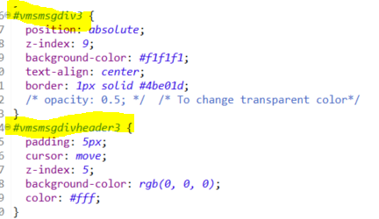
mrtmap.css
map div, vms message div available

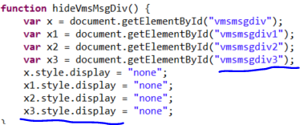
eventmap.js
(All event related javascrip available to display on the map)

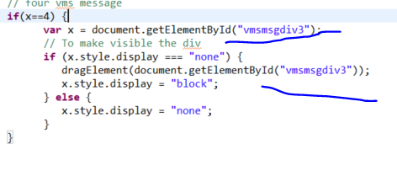

democontroller.js
ng-model message

mrtinc.css
All UI panel display css available - like button, textarea etc

Graph
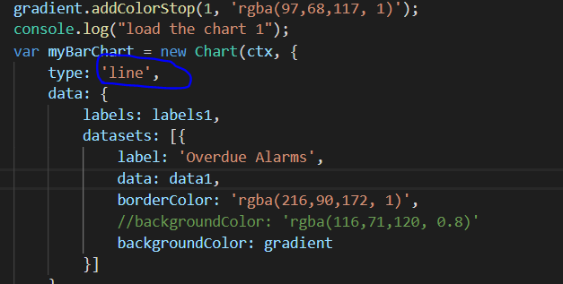
change the graph type

Daily Work Status
Date | Particulars
12/2 - 15/2 | Software Installation | Install java, eclipse, Maven, tomcat and write a sample program.
 |  | Study bootstrap and created some samples.
 |  | Got project document. Yet to understand.

17/2 - 21/2 |  | Did Angular js example and idea from the demo project. Got folder access.
 |  | Got new laptop in the afternoon.

24/2 - 1/3 |  | Back to office around 2pm.
 |  | New laptop setup, installed jdk, maven,tomcat,eclipse, github desktop.
 |  | • JSON object insertion and deletion using angularjs
 |  | • JSON page for zone selection
 |  | • Gave short Demo to Ibrahim and Chee Sung
 |  | • Afternoon went to LTA - ITSC - Get to know real time application.
 |  | Create popup windows to create IR. Returned old laptop

4/3 - 8/3 |  | Modify the table content and create Drop down box to create IR.
 |  | And add Stat time to corresponding text box.
 |  | • Add scroll bars with tables
 |  | • Separate the CSS file for incident and events.
 |  | • Date and Time picker added
11/3 - 15/3

18/3 - 22/3 |  | Tuesday went to Mountbatten Office.
 |  | Work on page display design
 |  | Met Chiann chiann
 |  | Working in MRT breakdown scenario
 |  | Went to Fort canning to see the IR work flow

25/3 - 29/3 |  | Show a Demo to Chiann Chiann
 |  | She gave Demo some color change in text box and table design,
 |  | 1.change the search bar to gray
 |  | 2.Double color (light and dark) background.
 |  | 3.Event table need to change bigger size.
 |  | 4.All buttons are same size in a table.
 |  | 5.Highlights the cursor pointer row.
 |  | 6.Table alignment change
 |  | Wenr to Mountbatten to get info about GIS and BIS
 |  | Table design and side panel display in events

1/4 - 5/4 |  | Got Css from Aaron, changed checkboxes in zone selection, zone and login page changed as per model.
 |  | Partially completed on MRT, Incident, event creation,
 |  | Login and zone selection done.
 |  | Google map example is done.
 |  | Working on incident creation module, search bar icon and dropdown icon change.

8/4 - 12/4 |  | First phase Demo 1
 |  | Get feedback more work on map.
 |  | Met Sela to get GIS detail
 |  | Work on GIS Map

15/4 - 19/4 | GIS Integration part | Work on ArcGIS api,
22/4 - 26/4 |  | Integrate map with UI
29/4 - 2/5 |  | Base map setup, geo server setup
6/5 - 10/5 |  | configure geo sever with baseMap
13/5 - 17/5 |  | configure WMST layer and WMS layer with Arcgis ApI 3.48
20/5 - 24/5 |  | configure WMST layer and WMS layer with Arcgis ApI 4.11
27/5 - 31/5 |  | Intial map Zooming level
 |  | convert xy to longitude and latitude
 |  | configure map with windows UI panel
 |  | HTML table format and DIV format not support to load the map on windows UL panel
 |  | changed to DIV panel tag to load the map inside the windows UI panel
 |  | MRT breakdwonk point and layer display - getting lati and logi from google maps
 |  | Mobile road work point and layer display -
 |  | Layer configure in geo server VMS/ MRT stations/ MRT Line/ carriageway / VMS / CCTV heavy traffic
 |  | implement in arcgis api to locate the layer and
 |  | Convery text box to context text box to show the image
 |  | Change zoom to that location
 |  | Draw continues line near the lane

3/6 - 7/6 | Accident | map has to show traffic closed lane in red, normal traffic in green, and the traffic jam in orange
 |  | Choosing CTE road to draw a lane
 |  | Finding lane distance to draw a line
 |  | QGIS application installed to get the geometroic points
 |  | BIS part partially started
17/6 - 21/6 | Modify the Accident Form | Adding direction, startpoint endpoint, congestion point
 |  | Video display to Image display and drag to everywhere
 |  | Removbe video display to image display
 | New Assignment | Prediction - show 3 modal to choose one scenario based selection time, the scenario time change and the geo points show on the map and correspoding popup window come with text and image
 |  | Action plan new modal window
 |  | Action plan inner new modal window
 |  | poptemplate image and text added using <SVG> tag - Scalable visuvalize graphics
 |  | VMS points Symbology changed, imaged changed so cut individual image and transparent and rename it then resize image and published in geo server
24/6 - 28/6 |  | Scenario 1 and scenario 2 json and correspoinding model added
 |  | 8 vms eqipment xy point to lati and logi points
 |  | Canning Msg taken from the onemotoring website
 |  | OBU alert message got it from Min
 | New layer added for Traffic light to show Glide Data | Glide layer and in geoserver and postgres and arcgis api
 |  | Bis bar chart and Doughnut Chart
 |  | Traffic light - Glide message added and display on the map
 |  | Change the C2 font color style, alignment, change chart

1/7 - 5/7 | To create congestion
 |  | linear referencing
 |  | Speed data,create a new table with exisining carriageway table and added speed data column
 |  | import speed data from csv. Create a new table without link_id duplicate with speed
 |  | copy the speed column to new table
 |  | The csv Speed data file is not import proberly
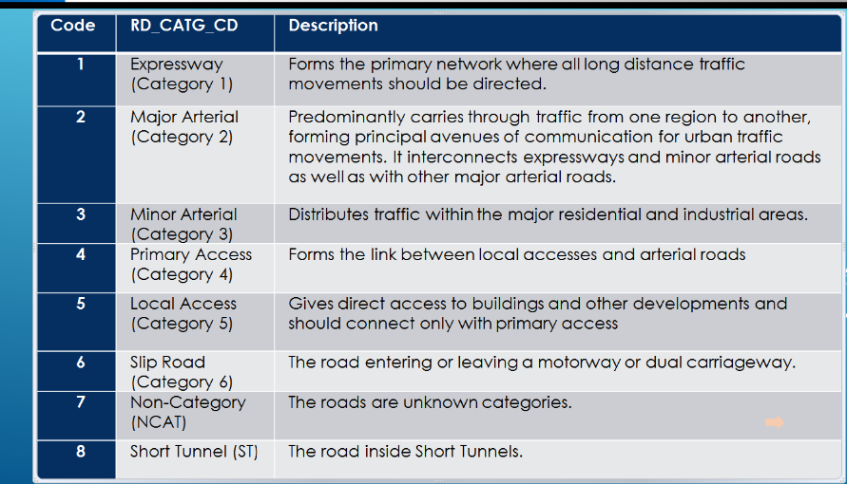
 |  | some of the speed band data is missing
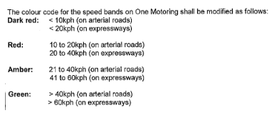
 |  | arterial and expressway speed band needed to create a layer

 |  | Based on the above speed band the new data has to be inserted
 |  | new table created with speed column
 |  | new Speed Link layer created with Red, Amber, Green color
 |  | segmentation - lane has to show 3 color red, amber, green
 |  | Get Multiple longitude and latitude from googlemaps
 |  | draw the color to certain point red and draw the color certain point to green, draw the color certain point to amber
 |  | For traffic prediction 3 layer has tobe desinged with different range of color combination.
 |  | set the interval to call the each and every layer.
 |  | if call the new layer, existing layer has to be deleted.

8/7 - 12/7 |  | BIS Part - Speed data chart, Incident data Chart
 | Working on LTA Feedback | Zone selection page removed, Login and command control page linked
 |  | Change the font color in command control
 |  | Draw prediction on map after creating accident
 |  | Camera Points added on the map
 |  | Video generated based on the camera
 |  | new traffic speed layer added near the accident location
 |  | bis module json file added
 |  | changing the bis format as per new ppt (Infographics_conclusion_v5 (with comments))

15/7 - 19/7 | BIS Module | Bis module dashboard designed
 |  | Road Close and open chart, Congestion Road, Zone, speed data chart
 |  | Medical Leavn on 17th July 2019
 |  | Create IR proposed and current msg display on the map
 |  | On load add traffic speed layer and Accident blinking icon
 |  | mobile road work - display message on the map created, based on the certain intervals

22/7 - 26/7 |  | mobile road work - display image on the map created, based on the certain intervals
 |  | event road layer created and
 |  | Removed intervals from grid view panel.. Also removed the interval for graph from command control
 |  | detection camera layer created
 |  | Speed graph created

29/7 - 2/8 |  | Ccgrid view changed to new format, fourth layer changed to traffic alert layer in command control
 |  | After choose incident the traffic alert panel will open with image and video display with map,

5/8 - 9/8

13/8 - 16/8

Issue facing
Facing Issue

1. Using arcgis 3.28 API to zoom the basemap, to required level, scale, resolution values - trying to find out.
2. wms layer working in arcgis 3.28 but the layer shows the image in different place on the map.
2. Zoom in basemap using arcgis 4.11 - wokring fine, but wms layer not working in this version.
3. Facing Map alignment problem
map has to come screen left side, but it will not fit with table, layer,
trying with <div> tag
4. arcgis api 3.28 code is different from arcgis api 4.11
5. I change accordingly.

Speed Data csv not not generating a new table.
some error in extracted data. I modify the speed data csv file
update the exiting

cat1 - Expressway >10 and <20 - red
cat2 - Major Arterial >20 to <40 - red
cat3 - minor arterial
cat4 - Local access
cat5 - Slip Road
cat7 - Non-Category
cat8 - Short Tunnel (ST)

10-20 Arterial road - Red
20 - 40 expressway - Red
21 - 40 arterial road - amber
41 - 60 express - amber
>40 arterial road - green
>60 expressway - green
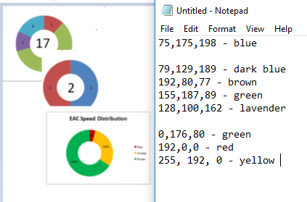
 | #006400 - dark green
 | #ffbf00 - amber
 | #FF0000 - red
 | #8b0000 - Dark Red
 | #00FF00 - Green

 | 75,175,198 - blue
 | 192,80,77 - brown
 | 155,187,89 - green
 | 128,100,162 - lavender

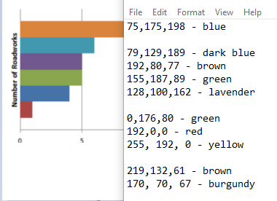
 | 79,129,189 - dark blue
 | 0,176,80 - green
 | 192,0,0 - red
 | 255, 192, 0 - yellow

 | #ffffff - white
 | #000000 - Black

 | 219,132,61 - brown
 | 170, 70, 67 - burgundy

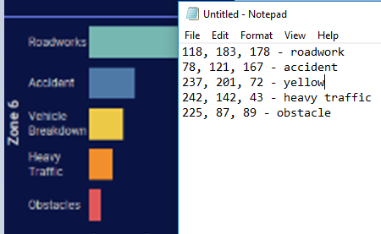
 | 118, 183, 178 - roadwork
 | 78, 121, 167 - accident
 | 237, 201, 72 - yellow
 | 242, 142, 43 - heavy traffic
 | 225, 87, 89 - obstacle

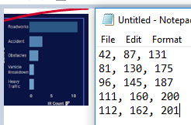
 | 42, 87, 131
 | 81, 130, 175
 | 96, 145, 187
 | 111, 160, 200
 | 112, 162, 201 - #70A2C9
 | 10, 20, 68 - dark blue

Sheet1
Speed | KM

40 | 16.22
84 | 16.29
10 | 16.41
98 | 16.59
51 | 16.66
57 | 16.8
92 | 17
94 | 17.06
39 | 17.19
9 | 17.31
30 | 17.47
 | Speed | KM
 | 40 | 16.22
 | 84 | 16.29
 | 10 | 16.41
 | 98 | 16.59
 | 51 | 16.66
 | 57 | 16.8
 | 92 | 17
 | 94 | 17.06
 | 39 | 17.19
 | 9 | 17.31
 | 30 | 17.47
 | 103 | 17.61
 | 59 | 17.75
 | 91 | 17.91
 | 79 | 18.03
 | 89 | 18.22
 | 32 | 18.41
 | 99 | 18.65
 | 56 | 18.77
 | 87 | 18.94
 | 71 | 19.05
 | 73 | 19.11
 | 106 | 19.23
 | 64 | 19.35
 | 73 | 19.42
 | 54 | 19.61
 | 33 | 19.85
 | 91 | 20.09
 | 53 | 20.31
 | 94 | 20.53
 | 48 | 20.57
 | 99 | 20.7
 | 40 | 20.84
 | 50 | 20.99
 | 51 | 21.12
 | 31 | 21.25
 | 82 | 21.38
 | 79 | 21.54
 | 1 | 21.69
 | 33 | 21.96
 | 41 | 22.23
 | 67 | 22.4
 | 15 | 22.57
 | 4 | 22.7
 | 20 | 22.82
 | 48 | 22.95
 | 72 | 22.98
 | 79 | 23.02
 | 13 | 23.18
...
103 | 17.61
59 | 17.75
91 | 17.91
79 | 18.03
89 | 18.22
32 | 18.41
99 | 18.65
56 | 18.77
87 | 18.94
71 | 19.05
73 | 19.11
106 | 19.23
64 | 19.35
73 | 19.42
54 | 19.61
33 | 19.85
91 | 20.09
53 | 20.31
94 | 20.53
48 | 20.57
 | Speed | KM
 | 40 | 16.22
 | 84 | 16.29
 | 10 | 16.41
 | 98 | 16.59
 | 51 | 16.66
 | 57 | 16.8
 | 92 | 17
 | 94 | 17.06
 | 39 | 17.19
 | 9 | 17.31
 | 30 | 17.47
 | 103 | 17.61
 | 59 | 17.75
 | 91 | 17.91
 | 79 | 18.03
 | 89 | 18.22
 | 32 | 18.41
 | 99 | 18.65
 | 56 | 18.77
 | 87 | 18.94
 | 71 | 19.05
 | 73 | 19.11
 | 106 | 19.23
 | 64 | 19.35
 | 73 | 19.42
 | 54 | 19.61
 | 33 | 19.85
 | 91 | 20.09
 | 53 | 20.31
 | 94 | 20.53
 | 48 | 20.57
 | 99 | 20.7
 | 40 | 20.84
 | 50 | 20.99
 | 51 | 21.12
 | 31 | 21.25
 | 82 | 21.38
 | 79 | 21.54
 | 1 | 21.69
 | 33 | 21.96
 | 41 | 22.23
 | 67 | 22.4
 | 15 | 22.57
 | 4 | 22.7
 | 20 | 22.82
 | 48 | 22.95
 | 72 | 22.98
 | 79 | 23.02
 | 13 | 23.18
...
99 | 20.7
40 | 20.84
50 | 20.99
51 | 21.12
31 | 21.25
82 | 21.38
79 | 21.54
1 | 21.69
33 | 21.96
41 | 22.23
67 | 22.4
15 | 22.57
4 | 22.7
20 | 22.82
48 | 22.95
72 | 22.98
79 | 23.02
13 | 23.18
45 | 23.35
78 | 23.54
57 | 23.76
50 | 23.98
43 | 24.19
26 | 24.41
25 | 24.53
94 | 24.65
41 | 24.84
25 | 25.04
30 | 25.23
38 | 25.42
71 | 25.61
81 | 25.81
86 | 26
77 | 26.18
9 | 26.35
28 | 26.36
61 | 26.39
42 | 26.42
96 | 26.43
15 | 26.43
44 | 26.46
59 | 0.19
28 | 0.27
69 | 0.41
20 | 0.48
58 | 0.53
44 | 0.59
73 | 0.62
33 | 0.68
78 | 0.83
42 | 0.98
91 | 1.13
66 | 1.28
84 | 1.43
75 | 1.53
34 | 1.62
85 | 1.8
101 | 1.87
88 | 1.9
39 | 2.04
49 | 2.19
98 | 2.27
31 | 2.3
99 | 2.41
87 | 2.5
47 | 2.62
88 | 2.65
72 | 2.7
52 | 2.82
79 | 2.93
68 | 3.06
109 | 3.17
85 | 3.3
2 | 3.51
84 | 3.67

32
96
109
85
96
100
21
49
63
35

