lati-logi
Longitude | Latitude |  |  | Location MRT | use this file to get latitude and longitude info
103.839 | 1.281 |  |  | MRT - Outram Park | file:///C:/GisMap/popupinmap.html
103.817 | 1.289 |  |  | MRT - Redhill
103.806 | 1.294 |  |  | MRT - Queenstown
103.79 | 1.307 |  |  | North Buona Vista Road, Singapore
103.778 | 1.312 |  |  | MRT-Dover

 |  |  |  | CCTV Camera
103.859, 1.337 Toa Payoh
103.884 | 1.358 |  |  | Serangoon
103.851 | 1.373 |  |  | Ang Mo Kio
103.898, 1.372 Hougang
103.925, 1.336 Bedok
103.957, 1.345 simei
103.902, 1.323 Eunos
103.839 | 1.281 |  |  | MRT - Outram Park
103.817 | 1.289 |  |  | MRT - Redhill
103.806 | 1.294 |  |  | MRT - Queenstown
103.846, 1.322
103.86, 1.317

 |  |  |  | Road Work
103.898, 1.372 Hougang
103.925, 1.336 Bedok
103.957, 1.345 simei
103.902, 1.323 Eunos
103.79 | 1.307 |  |  | North Buona Vista Road, Singapore
103.778 | 1.312 |  |  | MRT-Dover
103.84, 1.329
103.85, 1.327

103.51'13.892 | 1°19'53.287" |  |  | Lorong 6 Toa Payoh approaching Braddell Road;
103°51'1.225" | "1°20'25.973" |  |  | Lorong 1 Toa Payoh approaching Braddell Road
1.332525 | 103.861481 |  |  | Un know name
1.331914 | 103.862232 |  |  | Whampoa Flyover,
PIE 1.329576 | 103.857908 |  |  | PIE

103.857499 | 1.3691533 |  | , | Ang mo kio CTE
103.8581903 | 1.383792
103.8553513 | 1.3759417
103.8583969 | 1.3615294

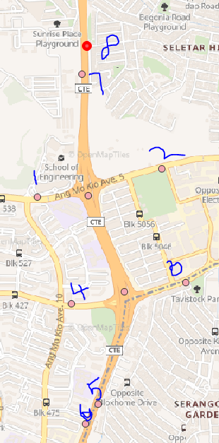
 | Accident IR CTE
x | 30451.9920839 | 103.8553513 | 1
y | 39770.1588305 | 1.3759417

x | 31328.9208527 | 103.8632314 | 2
y | 39969.9459666 | 1.3777483

x | 31499.1505488 | 103.8647609 | 3
y | 39170.2856139 | 1.3705165

x | 30690.9924681 | 103.857499 | 4
y | 39019.5417418 | 1.3691533

x | 30881.1094603 | 103.8592073 | 5
y | 38314.5195971 | 1.3627773

x | 30790.9181002 | 103.8583969 | 6
y | 38176.531181 | 1.3615294

x | 30767.9157962 | 103.8581904 | 7
y | 40638.2173913 | 1.383792

x | 30799.8271562 | 103.8584772 | 8
y | 40835.2468955 | 1.3855739

VMS Ids | Location
tcttp_713023 - at 138m east/Ang Mo Kio Ave5
tcttp_713028 - at 222m west/Ang Mo Kio Ave 5
tcttp_713026 - at 205m west/Ang Mo Kio Ave 3
tcttp_713021 - at 170m east/Ang Mo Kio Ave 3
tatip_711021 - CTE towards AYE
tatip_711020 - CTE towards SLE
tatip_711022 - CTE Towards SLE / LP34 /14.66
tatip_711023 - CTE towards AYE

Traffic Light Info
1471
31088.9 | 103.8610747°
39920.08 | 1.3772975°

426
30755.81 | 103.8580815°
39822.02 | 1.3764106°

1270
30383.93 | 103.8547399°
39757.74 | 1.3758293°

<DIV> notes
Step to add "VMS msg inside Div" on map
1. add one row in datapenal column jsp and div tag on the map column-
createventwin.jsp

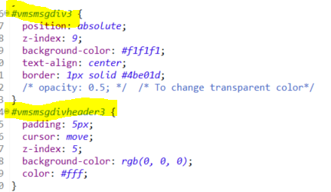
mrtmap.css
map div, vms message div available

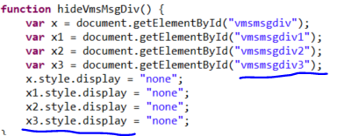
eventmap.js
(All event related javascrip available to display on the map)

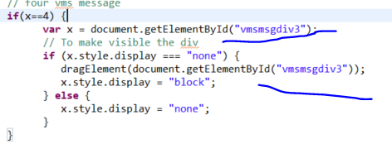

democontroller.js
ng-model message

mrtinc.css
All UI panel display css available - like button, textarea etc

Graph
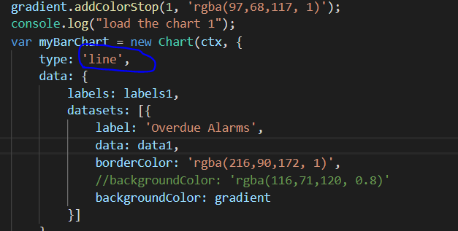
change the graph type

Daily Work Status
Date | Particulars
12/2 - 15/2 | Software Installation | Install java, eclipse, Maven, tomcat and write a sample program.
 |  | Study bootstrap and created some samples.
 |  | Got project document. Yet to understand.

17/2 - 21/2 |  | Did Angular js example and idea from the demo project. Got folder access.
 |  | Got new laptop in the afternoon.

24/2 - 1/3 |  | Back to office around 2pm.
 |  | New laptop setup, installed jdk, maven,tomcat,eclipse, github desktop.
 |  | • JSON object insertion and deletion using angularjs
 |  | • JSON page for zone selection
 |  | • Gave short Demo to Ibrahim and Chee Sung
 |  | • Afternoon went to LTA - ITSC - Get to know real time application.
 |  | Create popup windows to create IR. Returned old laptop

4/3 - 8/3 |  | Modify the table content and create Drop down box to create IR.
 |  | And add Stat time to corresponding text box.
 |  | • Add scroll bars with tables
 |  | • Separate the CSS file for incident and events.
 |  | • Date and Time picker added
11/3 - 15/3

18/3 - 22/3 |  | Tuesday went to Mountbatten Office.
 |  | Work on page display design
 |  | Met Chiann chiann
 |  | Working in MRT breakdown scenario
 |  | Went to Fort canning to see the IR work flow

25/3 - 29/3 |  | Show a Demo to Chiann Chiann
 |  | She gave Demo some color change in text box and table design,
 |  | 1.change the search bar to gray
 |  | 2.Double color (light and dark) background.
 |  | 3.Event table need to change bigger size.
 |  | 4.All buttons are same size in a table.
 |  | 5.Highlights the cursor pointer row.
 |  | 6.Table alignment change
 |  | Wenr to Mountbatten to get info about GIS and BIS
 |  | Table design and side panel display in events

1/4 - 5/4 |  | Got Css from Aaron, changed checkboxes in zone selection, zone and login page changed as per model.
 |  | Partially completed on MRT, Incident, event creation,
 |  | Login and zone selection done.
 |  | Google map example is done.
 |  | Working on incident creation module, search bar icon and dropdown icon change.

8/4 - 12/4 |  | First phase Demo 1
 |  | Get feedback more work on map.
 |  | Met Sela to get GIS detail
 |  | Work on GIS Map

15/4 - 19/4 | GIS Integration part | Work on ArcGIS api,
22/4 - 26/4 |  | Integrate map with UI
29/4 - 2/5 |  | Base map setup, geo server setup
6/5 - 10/5 |  | configure geo sever with baseMap
13/5 - 17/5 |  | configure WMST layer and WMS layer with Arcgis ApI 3.48
20/5 - 24/5 |  | configure WMST layer and WMS layer with Arcgis ApI 4.11
27/5 - 31/5 |  | Intial map Zooming level
 |  | convert xy to longitude and latitude
 |  | configure map with windows UI panel
 |  | HTML table format and DIV format not support to load the map on windows UL panel
 |  | changed to DIV panel tag to load the map inside the windows UI panel
 |  | MRT breakdwonk point and layer display - getting lati and logi from google maps
 |  | Mobile road work point and layer display -
 |  | Layer configure in geo server VMS/ MRT stations/ MRT Line/ carriageway / VMS / CCTV heavy traffic
 |  | implement in arcgis api to locate the layer and
 |  | Convery text box to context text box to show the image
 |  | Change zoom to that location
 |  | Draw continues line near the lane

3/6 - 7/6 | Accident | map has to show traffic closed lane in red, normal traffic in green, and the traffic jam in orange
 |  | Choosing CTE road to draw a lane
 |  | Finding lane distance to draw a line
 |  | QGIS application installed to get the geometroic points
 |  | BIS part partially started
17/6 - 21/6 | Modify the Accident Form | Adding direction, startpoint endpoint, congestion point
 |  | Video display to Image display and drag to everywhere
 |  | Removbe video display to image display
 | New Assignment | Prediction - show 3 modal to choose one scenario based selection time, the scenario time change and the geo points show on the map and correspoding popup window come with text and image
 |  | Action plan new modal window
 |  | Action plan inner new modal window
 |  | poptemplate image and text added using <SVG> tag - Scalable visuvalize graphics
 |  | VMS points Symbology changed, imaged changed so cut individual image and transparent and rename it then resize image and published in geo server
24/6 - 28/6 |  | Scenario 1 and scenario 2 json and correspoinding model added
 |  | 8 vms eqipment xy point to lati and logi points
 |  | Canning Msg taken from the onemotoring website
 |  | OBU alert message got it from Min
 | New layer added for Traffic light to show Glide Data | Glide layer and in geoserver and postgres and arcgis api
 |  | Bis bar chart and Doughnut Chart
 |  | Traffic light - Glide message added and display on the map
 |  | Change the C2 font color style, alignment, change chart

1/7 - 5/7 | To create congestion
 |  | linear referencing
 |  | Speed data,create a new table with exisining carriageway table and added speed data column
 |  | import speed data from csv. Create a new table without link_id duplicate with speed
 |  | copy the speed column to new table
 |  | The csv Speed data file is not import proberly
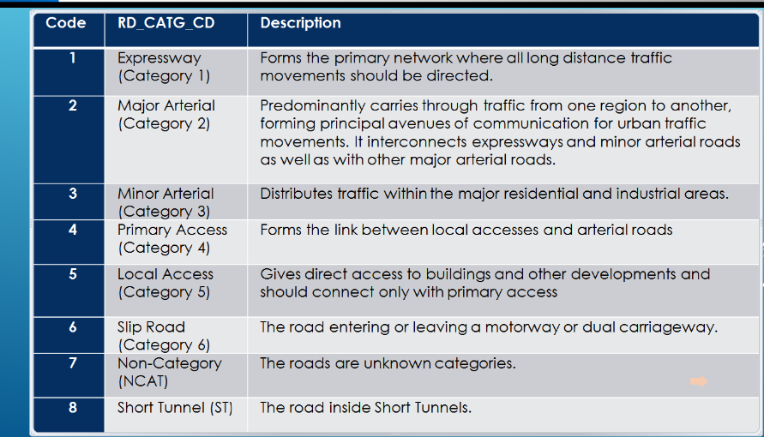
 |  | some of the speed band data is missing
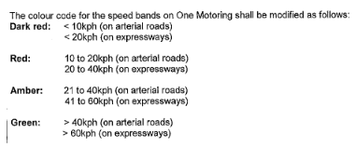
 |  | arterial and expressway speed band needed to create a layer

 |  | Based on the above speed band the new data has to be inserted
 |  | new table created with speed column
 |  | new Speed Link layer created with Red, Amber, Green color
 |  | segmentation - lane has to show 3 color red, amber, green
 |  | Get Multiple longitude and latitude from googlemaps
 |  | draw the color to certain point red and draw the color certain point to green, draw the color certain point to amber
 |  | For traffic prediction 3 layer has tobe desinged with different range of color combination.
 |  | set the interval to call the each and every layer.
 |  | if call the new layer, existing layer has to be deleted.

