Summary
Category | Count
Passed | 0
Failed | 4
Skipped | 6
Total | 10
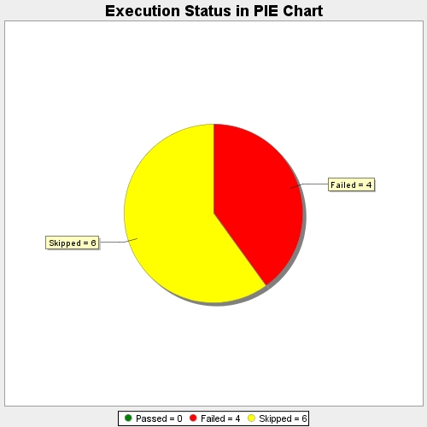
Start Time | 2021-06-24T14:16:59Z
End Time | 2021-06-24T14:18:26Z
Duration | 86749 ms

