Dashboard
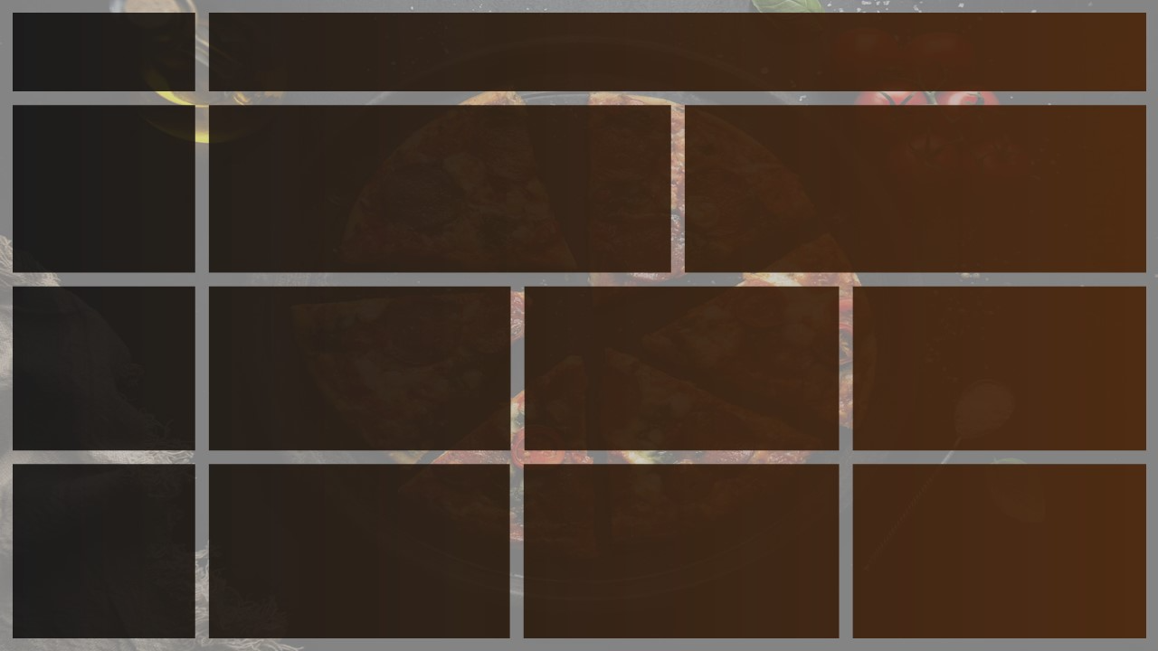
Total Revenue
Avg Order VAlue
Total Pizzas Sold
Total orders
Average Pizzas Per Order
Pizza
sales
16,895.40
439.00
1,022.00
38.49
2.33

Busy Timings
 | Total
Sunday | 52
Monday | 54
Tuesday | 64
Wednesday | 58
Thursday | 78
Friday | 67
Saturday | 66
 | Total
11 AM | 27
12 PM | 54
1 PM | 45
2 PM | 35
3 PM | 34
4 PM | 39
5 PM | 45
6 PM | 49
7 PM | 37
8 PM | 36
9 PM | 20
10 PM | 18

Orders are busiest on weekends ,
Friday and Saturday Evenings

There are maximum orders from 12 to 1 pm and after 6 pm

Highest Orders
Percentage of Sales by Pizza Category
Percentage of Sales by Pizza Size
 | Total
Chicken | 4150
Classic | 4584.5
Supreme | 4205.45
Veggie | 3955.45
 | Total
Large | 7979.45
Medium | 5178.5
Regular | 3482.45
XLarge | 255
Number of pizzas sold

CATEGORY
Classic Category has maximum sales and order
SIZE
Most ordered pizza size is large

Bottom 5 Worst pizzas Sold
Best And worst sellers
TOp 5 best pizzas Sold
 | Total
The Hawaiian Pizza | 50
The Italian Supreme Pizza | 50
The Barbecue Chicken Pizza | 51
The Classic Deluxe Pizza | 53
The Thai Chicken Pizza | 55
The Pepperoni Pizza | 58
 | Total
The Brie Carre Pizza | 8
The Calabrese Pizza | 10
The Soppressata Pizza | 13
The Mediterranean Pizza | 15
The Italian Vegetables Pizza | 19

Pepperoni pizza is the best selling pizza.
The Brie carre pizza is the worst selling pizza.

Trends_For_Total_Orders
Daily Trend for total orders
Row Labels | Sum of Total_Orders
Sunday | 52
Monday | 54
Tuesday | 64
Wednesday | 58
Thursday | 78
Friday | 67
Saturday | 66
Grand Total | 439

Hourly Trend gor total orders

Row Labels | Sum of Total_Orders
11 AM | 27
12 PM | 54
1 PM | 45
2 PM | 35
3 PM | 34
4 PM | 39
5 PM | 45
6 PM | 49
7 PM | 37
8 PM | 36
9 PM | 20
10 PM | 18
Grand Total | 439

Percentage_of_Sales
Row Labels | Sum of total_price
Chicken | 4150
Classic | 4584.5
Supreme | 4205.45
Veggie | 3955.45
Grand Total | 16895.4

Row Labels | Sum of total_price
Large | 7979.45
Medium | 5178.5
Regular | 3482.45
XLarge | 255
Grand Total | 16895.4

Row Labels | Sum of quantity | Pizza_Category | Pizzas_Sold
Classic | 314 | Classic | 314
Supreme | 241 | Supreme | 241
Veggie | 235 | Veggie | 235
Chicken | 232 | Chicken | 232
Grand Total | 1022

BestSelling_and WorstSelling
Row Labels | Sum of quantity
The Hawaiian Pizza | 50
The Italian Supreme Pizza | 50
The Barbecue Chicken Pizza | 51
The Classic Deluxe Pizza | 53
The Thai Chicken Pizza | 55
The Pepperoni Pizza | 58
Grand Total | 317

Row Labels | Sum of quantity
The Brie Carre Pizza | 8
The Calabrese Pizza | 10
The Soppressata Pizza | 13
The Mediterranean Pizza | 15
The Italian Vegetables Pizza | 19
Grand Total | 65

