Sheet1
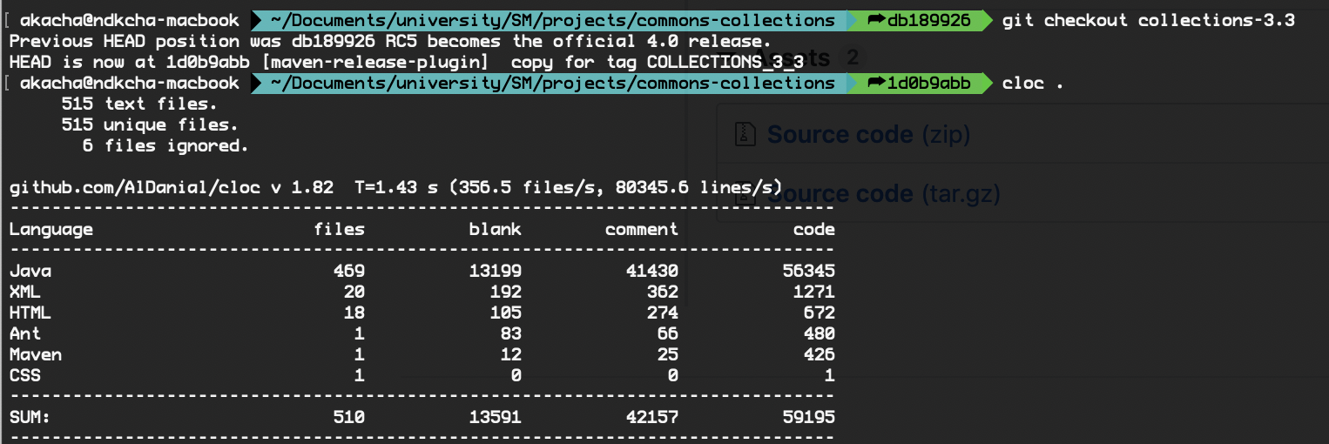
 | SLOC | Bugs | Defect Density
version43 | 125 | 2.00 | 0.016 | Counting SLOC
version42 | 125 | 3.00 | 0.024
version41 | 123 | 6.00 | 0.048780487805
version40 | 105 | 5.00 | 0.047619047619
version33 | 115 | 4.00 | 0.034782608696

Latest | 127 | 17.00 | 0.13385826772

