Sheet1
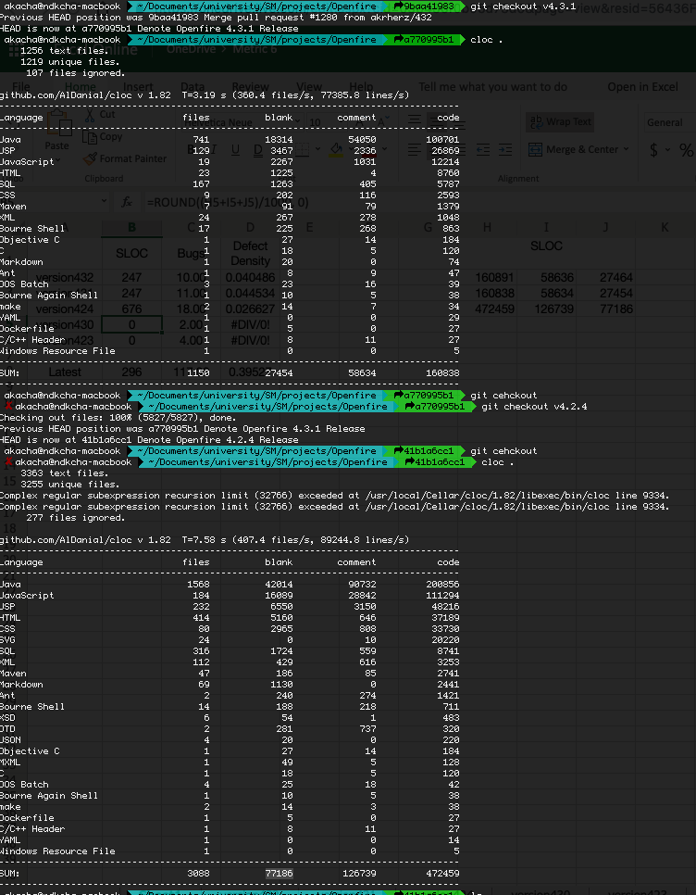
 | SLOC | Bugs | Defect Density | SLOC
version432 | 247 | 10.00 | 0.04048582996 | 160891 | 58636 | 27464 | Counting SLOC
version431 | 247 | 11.00 | 0.044534412955 | 160838 | 58634 | 27454
version424 | 676 | 18.00 | 0.026627218935 | 472459 | 126739 | 77186
version430 | 246 | 2.00 | 0.0081300813008 | 160063 | 58409 | 27315
version423 | 676 | 4.00 | 0.0059171597633 | 472029 | 126631 | 77119

Latest | 296 | 117.00 | 0.39527027027

