I 6
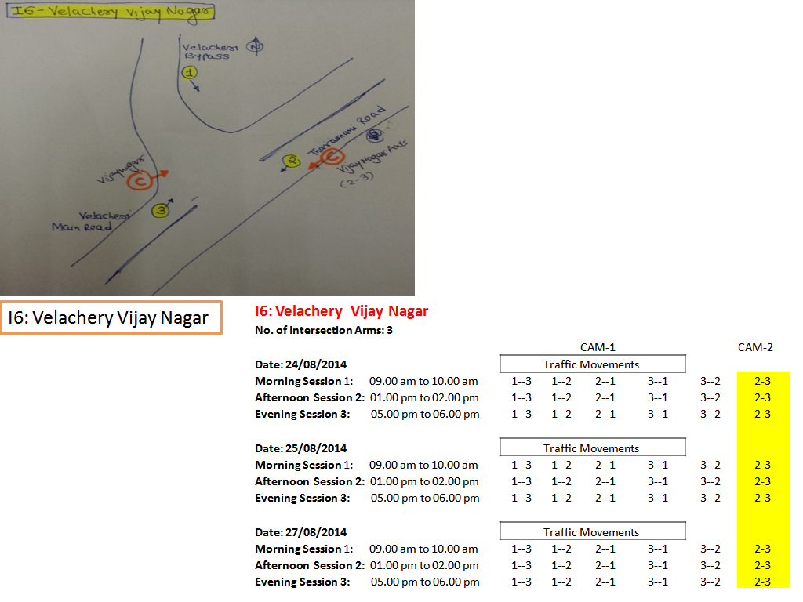
Intersection Name : | Velachery Vijay Nagar
Intersection No. : | I 6 | Date: | 24/8/2014
Time/Session: | Morning Session 1: 09.00 am to 10.00 am | Afternoon Session 2: 01.00 pm to 02.00 pm | Evening Session 3: 05.00 pm to 06.00 pm
Intersection Arm Name: | Intersection Arm 1: | Velachery Bypass
 | Intersection Arm 2: | Tharamani Road
 | Intersection Arm 3: | Velachery Main Road
Picture of Intersection:
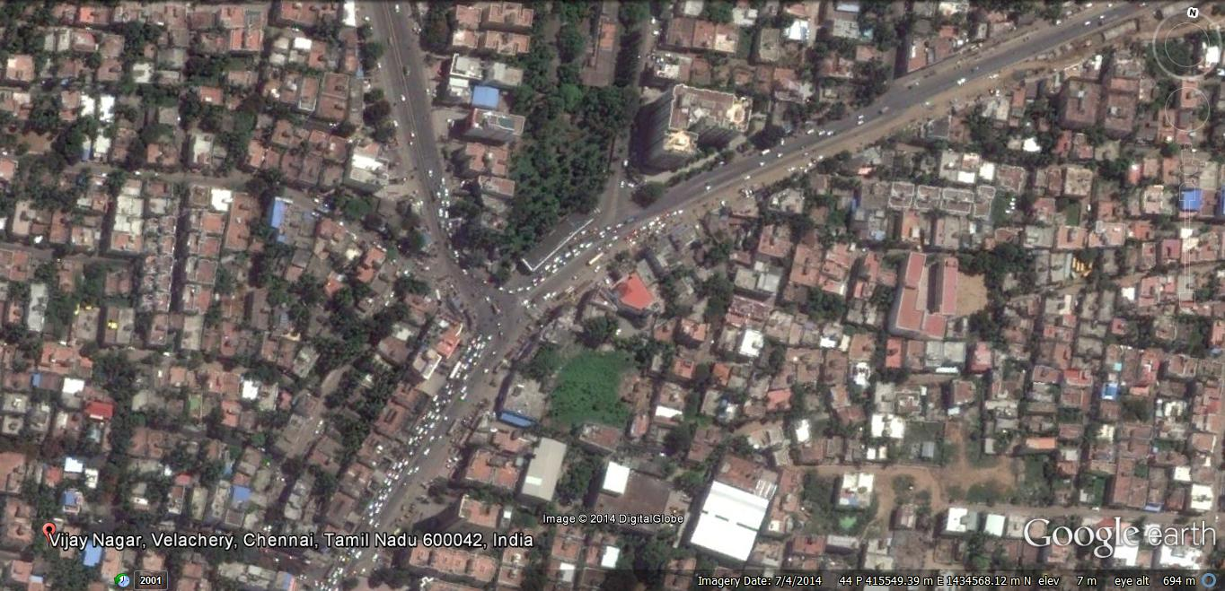

Direction Of Flow:

Surveyor Name:

