Steps
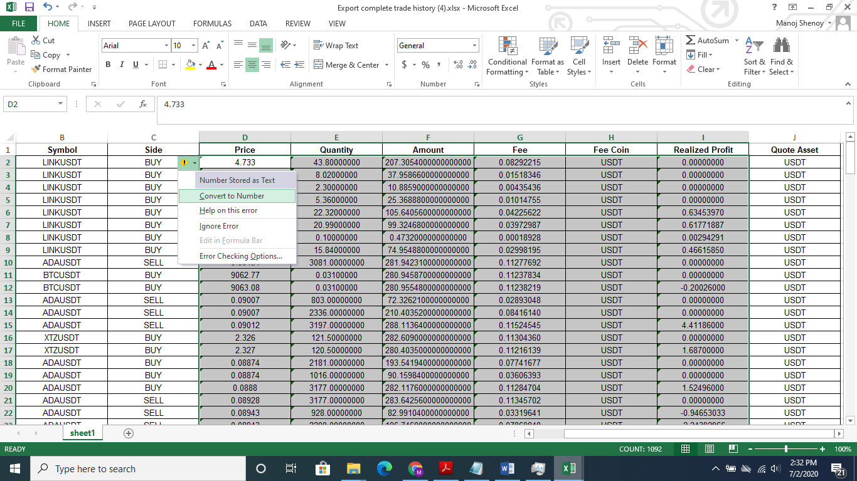
Spreadhsheet for P&L Analysis (Steps)
1. Export your Trade History (Perpetual) From Binance. See adjacent snapshot.

2. Open this P&L_Analysis spreadsheet. Make sure that you Delete previous contents of
"Paste_Trade_Hist" Tab first.

3. Paste Trade History from Exported spreadsheet into Tab named "Paste_Trade_Hist"

4. Calculations will not appear in Main Tab as the pasted values need to be converted to Number Format
SEE PIC BELOW

