Assigment Project
Practice Project | Carrefour Online shopping

Decription | There is a requirement from Carrefour to start with a small microservice as a first step to start the Cloud journey in future. The microservice is a pilot project using DEVON. The application needs to provide basic online shopping feature to already registerd users. When the user logs in successfully, she can see the shopping screen from where she can browse through the available products and select the items and the number of quantities required and add to the shopping cart. Once she has selected the items, she can checkout and pay using a credit card. The credit card needs to be validated and if it is validated, it is considered that the payment is done. Success message should appear and thank the user. If the Credit card is not validated, the payment should be declined. If the payment is successful, the cart gets empty and user can do the shopping again. The application should also provide basic admin functionalities. On successfuly login, the admin should be able to see options to check the current stock and user purchase history. The admin should be able to see the user purchase history for selected period and export the report to PDF saved in a directory on the server. The folder structure to store the report should be according to the date range selected.

Technical Specifications | 1. The application should use the features provided by DEVON at different layers. 2. Use any javascript framework for frontend development. Most preferable is ExtJs. 3. Use SpringBoot, JPA with Hibernate, SpringBatch for backend. 4. Use JWT support of DEVON for authentication and authorization. 4. The application should have sufficient unit tests for roubustness

Other Requirements | 1. Keep the UI simple. Dont add more features than specified in the description, rather focus on developing and completing the existing requirements within the training period. 2. Follow agile methodology to devlop the application. Create stories, divide the work and have daily standups.

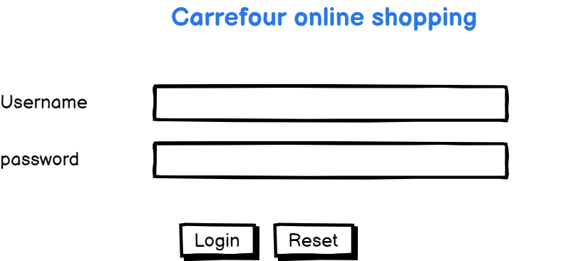
Login

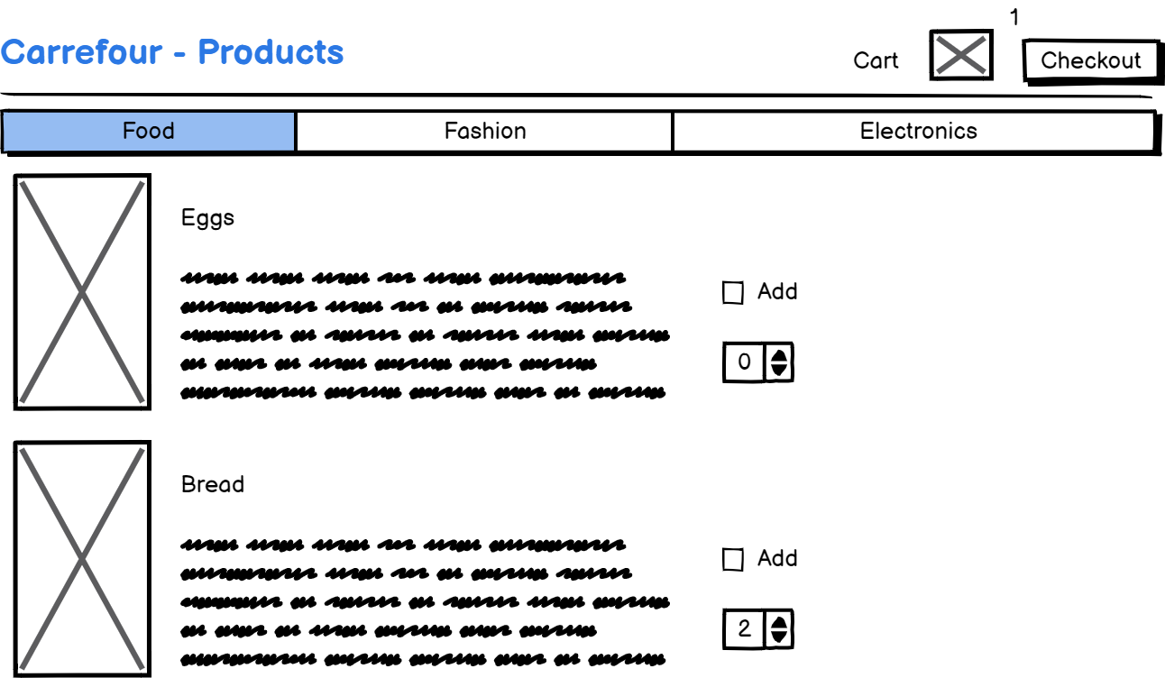
User Shopping Screen

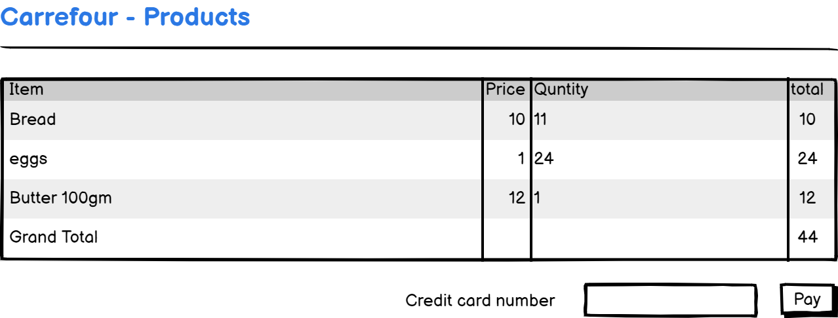
Payment Screen

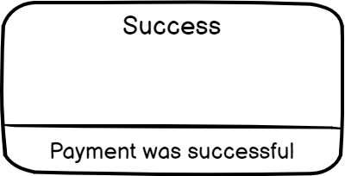
Payment Success

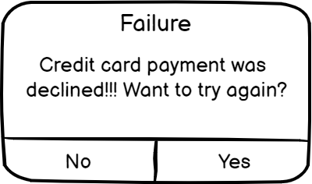
Payment Failure

Admin Dashboard 1

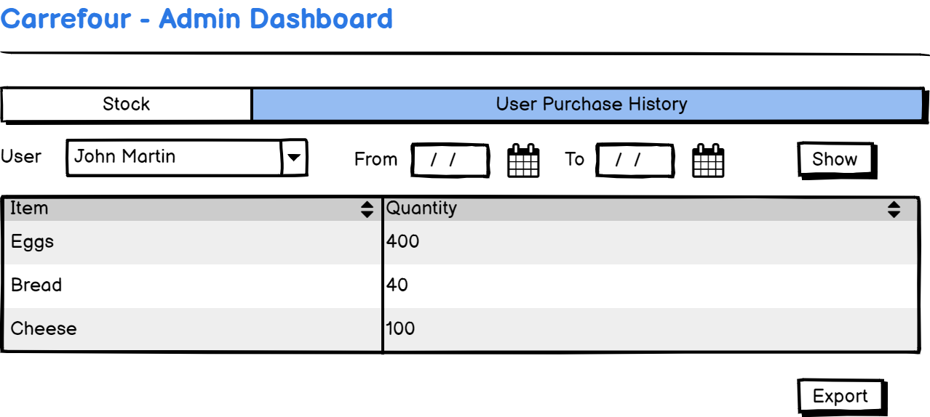
Admin Dashboard 2

