Invoice
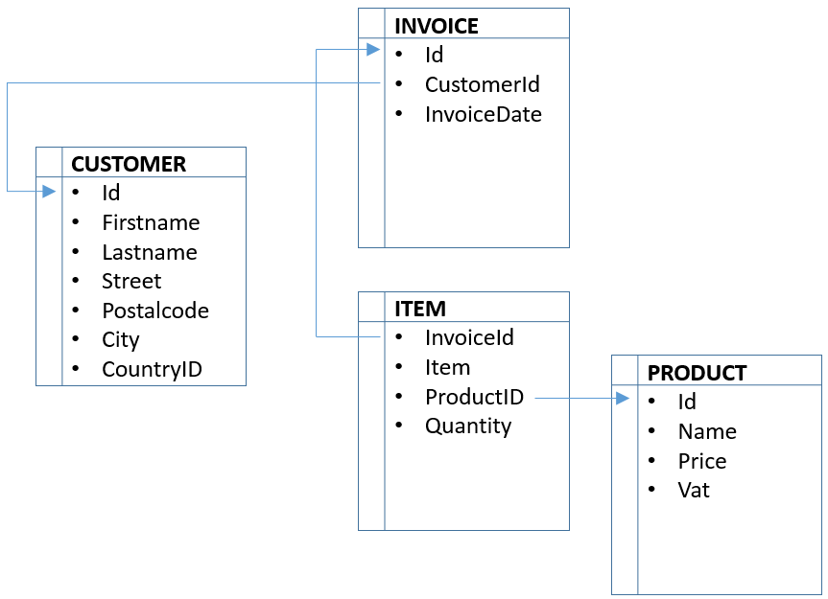
Invoice

InvoiceItemLine

InvoiceItemLineDetail

Estimate |  |  | TimeBilling,Dis, Matarial and service | For Client/ Customer
 | PkEstimateId
 | EstimateNumber
 | Description
 | FkEstimateForId | Client,Project,Phase / tinyint
 | FkClientId
 | FkProjectId
 | FkPhaseId
 | FkApprovedById | Employee Id of approved emp.
 | FkCreatedById | (bigint, null)
 | CreatedDate | DateTime2
 | FkCompanyId | int
 | FkOrganizationId | int
 | FkLanguageId
 | RecordStatusId | tinyint

EstimateLine
 | PkEstimateLineId
 | FkEstimateId
 | TableName
 | Item | Item of disbursment(Material,service and disbursement) or activity
 | Rate
 | Quantity
 | Amount
 | FkCreatedById | (bigint, null)
 | CreatedDate | DateTime2
 | FkCompanyId | int
 | FkOrganizationId | int
 | FkLanguageId
 | RecordStatusId | tinyint
EstimateLineDetail
 | PkEstimateLineDetailId
 | FkEstimateLineId
 | TableName
 | Item
 | Rate
 | Quantity
 | Amount
 | FkCreatedById | (bigint, null)
 | CreatedDate | DateTime2
 | FkCompanyId | int
 | FkOrganizationId | int
 | FkLanguageId
 | RecordStatusId | tinyint
TicketTimeEstimateLineDetailMap
 | PkTicketTimeEstimateLineDetailMapId
 | FkEstimateLineDetailId
 | FkTicketTimeId
 | Rate
 | Quantity
 | Amount
 | FkCreatedById | (bigint, null)
 | CreatedDate | DateTime2
 | FkCompanyId | int
 | FkOrganizationId | int
 | FkLanguageId
 | RecordStatusId | tinyint
TicketDisbursmentEstimateLineDetailMap
 | PkTicketDisbursementEstimateLineDetailMapId
 | FkEstimateLineDetailId
 | FkTicketDisbursementId
 | Rate
 | Quantity
 | Amount
 | FkCreatedById | (bigint, null)
 | CreatedDate | DateTime2
 | FkCompanyId | int
 | FkOrganizationId | int
 | FkLanguageId
 | RecordStatusId | tinyint
TicketMaterialEstimateLineDetailMap

 | PkTicketMaterialEstimateLineDetailMapId
 | FkEstimateLineDetailId
 | FkTicketMaterialId
 | Rate
 | Quantity
 | Amount
 | FkCreatedById | (bigint, null)
 | CreatedDate | DateTime2
 | FkCompanyId | int
 | FkOrganizationId | int
 | FkLanguageId
 | RecordStatusId | tinyint
TicketServiceEstimateLineDetailMap

 | PkTicketServiceEstimateLineDetailMapId
 | FkEstimateLineDetailId
 | FkTicketServiceId
 | Rate
 | Quantity
 | Amount
 | FkCreatedById | (bigint, null)
 | CreatedDate | DateTime2
 | FkCompanyId | int
 | FkOrganizationId | int
 | FkLanguageId
 | RecordStatusId | tinyint

Bill |  |  | Expense hours(hours by vendor), Expense, | For vendor.
 | PkBillId
 | BillNumber
 | FkBillTypeId | Expense "From Employee" or Expense hours "Hours from Vendor"
 | FkEmployeeId
 | FkVendorId
 | FkApprovedById | Employee Id of approved emp.
 | FkCreatedById | (bigint, null)
 | CreatedDate | DateTime2
 | FkCompanyId | int
 | FkOrganizationId | int
 | FkLanguageId
 | RecordStatusId | tinyint
BillLine
 | PkBillLineId
 | FkBillId
 | TableName | TicketTime for vendor, TicketExpense for Employee TicketMaterial,TicketService and TicketDisbursement for Employee when IsReimbursement = true
 | Item | Item of Expense(Material,service and disbursement)=1 , Expense or activity
 | Rate
 | Quantity
 | Amount
 | FkCreatedById | (bigint, null)
 | CreatedDate | DateTime2
 | FkCompanyId | int
 | FkOrganizationId | int
 | FkLanguageId
 | RecordStatusId | tinyint
BillLineDetail
 | PkBillLineDetailId
 | FkBillLineId
 | TableName
 | Item
 | Rate
 | Quantity
 | Amount
 | FkCreatedById | (bigint, null)
 | CreatedDate | DateTime2
 | FkCompanyId | int
 | FkOrganizationId | int
 | FkLanguageId
 | RecordStatusId | tinyint

TicketTimeBillLineDetailMap

 | PkTicketTimeBillLineDetailMapId
 | FkBillLineDetailId
 | FkTicketTimeId
 | Rate
 | Quantity
 | Amount
 | FkCreatedById | (bigint, null)
 | CreatedDate | DateTime2
 | FkCompanyId | int
 | FkOrganizationId | int
 | FkLanguageId
 | RecordStatusId | tinyint
TicketDisbursmentBillLineDetailMap
 | PkTicketDisbursmentBillLineDetailMapId
 | FkBillLineDetailId
 | FkTicketDisbursementId
 | Rate
 | Quantity
 | Amount
 | FkCreatedById | (bigint, null)
 | CreatedDate | DateTime2
 | FkCompanyId | int
 | FkOrganizationId | int
 | FkLanguageId
 | RecordStatusId | tinyint
TicketMaterialBillLineDetailMap
 | PkTicketMaterialBillLineDetailMapId
 | FkBillLineDetailId
 | FkTicketMaterialId
 | Rate
 | Quantity
 | Amount
 | FkCreatedById | (bigint, null)
 | CreatedDate | DateTime2
 | FkCompanyId | int
 | FkOrganizationId | int
 | FkLanguageId
 | RecordStatusId | tinyint
TicketServiceBillLineDetailMap
 | PkTicketTimeBillLineDetailMapId
 | FkBillLineDetailId
 | FkTicketServiceId
 | Rate
 | Quantity
 | Amount
 | FkCreatedById | (bigint, null)
 | CreatedDate | DateTime2
 | FkCompanyId | int
 | FkOrganizationId | int
 | FkLanguageId
 | RecordStatusId | tinyint
TicketExpenseBillLineDetailMap
 | PkTicketExpenseBillLineDetailMapId
 | FkBillLineDetailId
 | FkTickeExpenseId
 | Rate
 | Quantity
 | Amount
 | FkCreatedById | (bigint, null)
 | CreatedDate | DateTime2
 | FkCompanyId | int
 | FkOrganizationId | int
 | FkLanguageId
 | RecordStatusId | tinyint

PayrollTimeTracking
 | PkPayrollTimeTrackingId
 | FkTicketTimeId
 | Rate
 | Quantity
 | Amount
 | FkCreatedById | (bigint, null)
 | CreatedDate | DateTime2
 | FkCompanyId | int
 | FkOrganizationId | int
 | FkLanguageId
 | RecordStatusId | tinyint

