React, Nodejs, Redux
Syntax Name | Syntax | Notes
React-redux
Importing | import { connect } from 'react-redux';
React
Installing | npm install --save package | every folder needs to have it's packages manually installed
Importing | import React from 'react';
Creating a Project | create-react-app name
Executing a Project | npm start | in the project's root dir
Rendering | render() { return (…); } | return should include "this.props.value"
Functions | name(param) { return Type value={val} />; | the Type's render() function is called and name's val becomes the Type's this.props.value
Creating a Button | <button className="name"> val </button | within return of render() function
 | <button className="name" onClick={() => func}> val </button | doing something when clicked
Components
Setting the State | Component.setState( {value: val} )
Nodejs
Printing | console.log("text");
Creating a Server | var http = require('http'); | get http module
 |  | create server, format text, end text, and give server port to listen on
Redux | separate presentational (frontend) and container (backend) components
Importing | import { createStore, combineReducers } from 'redux';
Action |  | like ROS msg; want to change stores
Reducer | 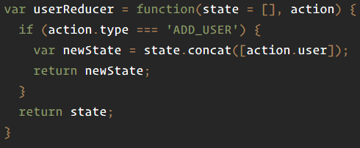 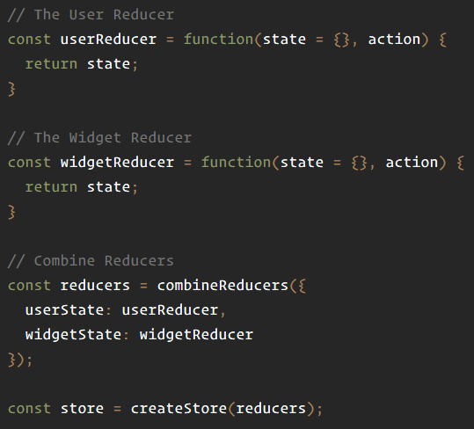 | handles action within store; a pure function
Store
Creation | var store = Redux.createStore(reducer);
Dispatch | store.dispatch(action) | like ROS publish
Subscribe | store.subscribe(listener) | like ROS subscribe
Getting State | store.getState() | get overall store state
Replacing Reducer | store.replaceReducer(nextReducer)

