Project Management Dashboard
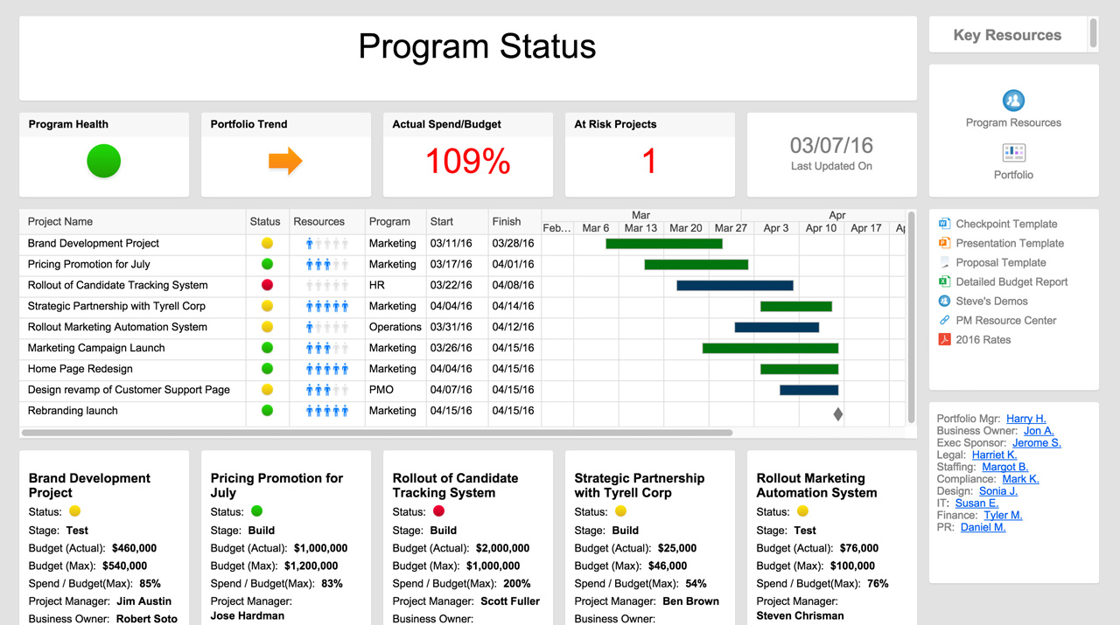
PROJECT MANAGEMENT DASHBOARD
TASK TIMELINE |  |  |  |  |  |  |  | TASK TIMELINE
 | BEGIN | Duration
Kick-off and Topic | 2018-08-23 | 7
Project Abstract | 2018-08-31 | 4
Project Plan - User Stories/KanbanDashboard | 2018-09-05 | 12
High Level Research - Functional | 2018-09-18 | 5
High Level Research - Technical | 2018-09-19 | 6
High Level Design Specification | 2018-09-20 | 6
High Level Proof of Concept End to End | 2018-09-23 | 46
Workbook 1 | 2018-09-23 | 10
Research - ML Algorithm and Model | 2018-09-23 | 32
Database Design | 2018-09-28 | 22
Low Level Design Specification | 2018-09-30 | 10
Dev Environment Setup - Software/IDE/Database | 2018-10-01 | 9
Dep. Env. Setup - GIT/Jenkins/Cloud Infra. | 2018-10-02 | 4
Workbook 2 | 2018-10-15 | 20
Data Preparation - Download/Scrape/Curate | 2018-09-10 | 122
Design Specification & Project Contribution | 2018-10-10 | 24
Implement ML model | 2018-10-15 | 120
Develop Backend for web application | 2018-10-25 | 113
Develop front end UI for the web application | 2018-10-26 | 107
Backend integration with Cloud DB | 2018-11-03 | 12
Test web app flow | 2019-01-20 | 13
MobileApp Development | 2019-01-05 | 20
Chrome Plugin Development | 2019-01-05 | 20
Deploy ML Model on Cloud | 2019-01-10 | 10
REST API implementation for ML Model | 2019-01-12 | 21
Integrate Web and Mobile App with ML Model | 2019-01-15 | 31
Alexa Skill Dev. and Integration with ML Model | 2019-01-25 | 35
Live Stream setup for content monitoring | 2019-02-03 | 15
Dashboard Integration | 2019-02-12 | 16
Integration Testing | 2019-02-16 | 13
Functional Testing | 2019-02-20 | 20
Model Boosting | 2019-03-01 | 29
Project Report | 2019-04-01 | 19
Demo Environment Setup | 2019-04-01 | 29
Demo | 2019-05-01 | 14

DAYS per PROJECT
 | # of DAYS
Kick-off and Topic | 7
Project Abstract | 4
Project Plan - User Stories/KanbanDashboard | 12
High Level Research - Functional | 5
High Level Research - Technical | 6
High Level Design Specification | 6
High Level Proof of Concept End to End | 46
Workbook 1 | 10
Research - ML Algorithm and Model | 32
Database Design | 22
Low Level Design Specification | 10
Dev Environment Setup - Software/IDE/Database | 9
Dep. Env. Setup - GIT/Jenkins/Cloud Infra. | 4
Workbook 2 | 20
Data Preparation - Download/Scrape/Curate | 122
Design Specification & Project Contribution | 24
Implement ML model | 120
Develop Backend for web application | 113
Develop front end UI for the web application | 107
Backend integration with Cloud DB | 12
Test web app flow | 13
MobileApp Development | 20
Chrome Plugin Development | 20
Deploy ML Model on Cloud | 10
REST API implementation for ML Model | 21
Integrate Web and Mobile App with ML Model | 31
Alexa Skill Dev. and Integration with ML Model | 35
Live Stream setup for content monitoring | 15
Dashboard Integration | 16
Integration Testing | 13
Functional Testing | 20
Model Boosting | 29
Project Report | 19
Demo Environment Setup | 29
Demo | 14
PROJECT FINANCIALS

 | AMOUNT | %
COMPLETE | 3 | 23%
OVERDUE | 0 | 0%
IN PROGRESS | 2 | 15%
NOT STARTED | 8 | 62%
RISK ANALYSIS
 | HIGH | MEDIUM | LOW
Kick-off and Topic | 1 | 0 | 4
Project Abstract | 2 | 3 | 5
Project Plan - User Stories/KanbanDashboard | 3 | 4 | 3
High Level Research - Functional | 5 | 8 | 1
High Level Research - Technical | 8 | 6 | 4
High Level Design Specification | 5 | 0 | 0
High Level Proof of Concept End to End | 6 | 4 | 0
Workbook 1 | 7 | 3 | 3
Research - ML Algorithm and Model | 0 | 2 | 4
Database Design | 4 | 4 | 5
Low Level Design Specification | 3 | 6 | 4
Dev Environment Setup - Software/IDE/Database | 2 | 3 | 6
Dep. Env. Setup - GIT/Jenkins/Cloud Infra. | 1 | 1 | 7
Workbook 2 | 5 | 0 | 2
Data Preparation - Download/Scrape/Curate
Design Specification & Project Contribution
Implement ML model
Develop Backend for web application
Develop front end UI for the web application
Backend integration with Cloud DB
Test web app flow
MobileApp Development
Chrome Plugin Development
Deploy ML Model on Cloud
REST API implementation for ML Model
Integrate Web and Mobile App with ML Model
Alexa Skill Dev. and Integration with ML Model
Live Stream setup for content monitoring
Dashboard Integration
Integration Testing
Functional Testing
Model Boosting
Project Report
Demo Environment Setup
Demo

RISK TOTAL
HIGH | 52
MEDIUM | 44
LOW | 48

OPEN & PENDING ACTIONS
 | OPEN ISSUES | REVISIONS | PENDING ACTIONS
Kick-off and Topic | 2 | 0 | 4
Project Abstract | 1 | 2 | 3
Project Plan - User Stories/KanbanDashboard | 2 | 1 | 2
High Level Research - Functional | 1 | 0 | 0
High Level Research - Technical | 0 | 3 | 1
High Level Design Specification | 2 | 0 | 2
High Level Proof of Concept End to End | 1 | 2 | 3
Workbook 1 | 0 | 1 | 4
Research - ML Algorithm and Model | 1 | 3 | 2
Database Design | 2 | 0 | 0
Low Level Design Specification | 3 | 2 | 0
Dev Environment Setup - Software/IDE/Database | 0 | 1 | 1
Dep. Env. Setup - GIT/Jenkins/Cloud Infra. | 1 | 0 | 2
Workbook 2 | 2 | 1 | 3
Data Preparation - Download/Scrape/Curate
Design Specification & Project Contribution
Implement ML model
Develop Backend for web application
Develop front end UI for the web application
Backend integration with Cloud DB
Test web app flow
MobileApp Development
Chrome Plugin Development
Deploy ML Model on Cloud
REST API implementation for ML Model
Integrate Web and Mobile App with ML Model
Alexa Skill Dev. and Integration with ML Model
Live Stream setup for content monitoring
Dashboard Integration
Integration Testing
Functional Testing
Model Boosting
Project Report
Demo Environment Setup
Demo

ACTION TOTAL
ISSUES | 18
REVISIONS | 16
 | 27

PROJECT REPORT

TASK | OWNER | SCHEDULE | BUDGET | RESOURCES | RISKS | ISSUES | COMMENTS
Kick-off | Anna
Set Objectives | Ken
Project Requirements | Sara
Hardware Requirements | James
Finalize Resource Plan | Anna
Investor Presentation | Ken
Staffing | Sara
Construction | James
Alpha Out | Pete
Alpha Testing | Jason
Beta Out | Pete
Beta Testing | Jason
Launch | Pete
Future Planning | Anna

Learn More About Dashboards in Smartsheet

