Project Management Dashboard
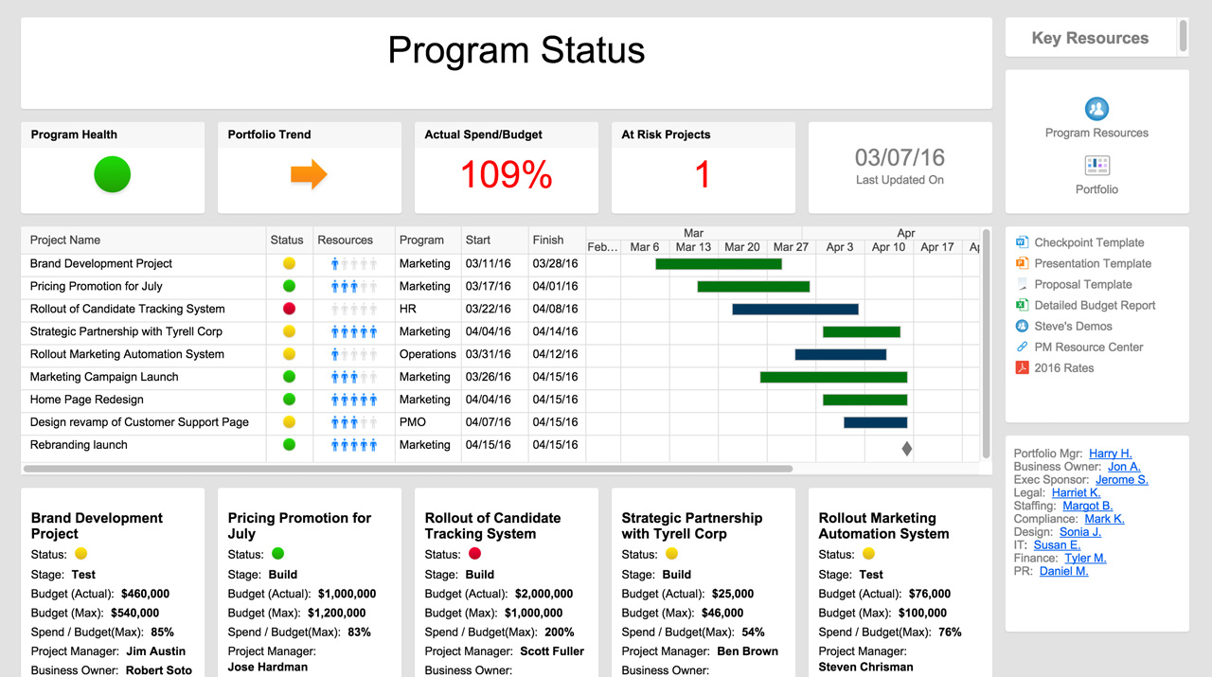
PROJECT MANAGEMENT DASHBOARD
TASK TIMELINE
 | BEGIN | Duration
Kick-off and Topic | 2018-08-23 | 7
Project Abstract | 2018-09-06 | 1
Workbook 1 | 2018-03-07 | 1
Workbook 2 | 2018-03-08 | 18
Design Spec | 2018-03-10 | 1
Report | 2018-03-11 | 1
Environment Setup | 2018-03-12 | 5
Architecture & POC | 2018-03-17 | 1
Data Prep for ML Model | 2018-03-19 | 7
ML Model for Feature Detection | 2018-03-26 | 14
API Development | 2018-04-09 | 12
Chrome AddOn App Development | 2018-04-21 | 3
Web App Development | 2018-03-26 | 31
MobileApp Development
Alexa Skill
Live Stream setup for content monitoring
Dashboard
IOT integration
Integration end to end
Model Boosting
Testing
Demo | 2018-04-26 | 338

DAYS per PROJECT
 | # of DAYS
Kick-off and Topic | 7
Project Abstract | 1
Workbook 1 | 1
Workbook 2 | 18
Design Spec | 1
Report | 1
Environment Setup | 5
Architecture & POC | 1
Data Prep for ML Model | 7
ML Model for Feature Detection | 14
API Development | 12
Chrome AddOn App Development | 3
Web App Development | 31
MobileApp Development
Alexa Skill
Live Stream setup for content monitoring
Dashboard
IOT integration
Integration end to end
Model Boosting
Testing
Demo | 338
PROJECT FINANCIALS
PROJECTED | $1,000,000
ACTUAL | $880,000

 | AMOUNT | %
COMPLETE | 3 | 21%
OVERDUE | 1 | 7%
IN PROGRESS | 2 | 14%
NOT STARTED | 8 | 57%
RISK ANALYSIS
 | HIGH | MEDIUM | LOW
Kick-off and Topic | 1 | 0 | 4
Project Abstract | 2 | 3 | 5
Workbook 1 | 3 | 4 | 3
Workbook 2 | 5 | 8 | 1
Design Spec | 8 | 6 | 4
Report | 5 | 0 | 0
Environment Setup | 6 | 4 | 0
Architecture & POC | 7 | 3 | 3
Data Prep for ML Model | 0 | 2 | 4
ML Model for Feature Detection | 4 | 4 | 5
API Development | 3 | 6 | 4
Chrome AddOn App Development | 2 | 3 | 6
Web App Development | 1 | 1 | 7
MobileApp Development | 5 | 0 | 2
Alexa Skill
Live Stream setup for content monitoring
Dashboard
IOT integration
Integration end to end
Model Boosting
Testing
Demo

RISK TOTAL
HIGH | 52
MEDIUM | 44
LOW | 48

OPEN & PENDING ACTIONS
 | OPEN ISSUES | REVISIONS | PENDING ACTIONS
Kick-off and Topic | 2 | 0 | 4
Project Abstract | 1 | 2 | 3
Workbook 1 | 2 | 1 | 2
Workbook 2 | 1 | 0 | 0
Design Spec | 0 | 3 | 1
Report | 2 | 0 | 2
Environment Setup | 1 | 2 | 3
Architecture & POC | 0 | 1 | 4
Data Prep for ML Model | 1 | 3 | 2
ML Model for Feature Detection | 2 | 0 | 0
API Development | 3 | 2 | 0
Chrome AddOn App Development | 0 | 1 | 1
Web App Development | 1 | 0 | 2
MobileApp Development | 2 | 1 | 3
Alexa Skill
Live Stream setup for content monitoring
Dashboard
IOT integration
Integration end to end
Model Boosting
Testing
Demo

ACTION TOTAL
ISSUES | 18
REVISIONS | 16
 | 27

PROJECT REPORT

TASK | OWNER | SCHEDULE | BUDGET | RESOURCES | RISKS | ISSUES | COMMENTS
Kick-off | Anna
Set Objectives | Ken
Project Requirements | Sara
Hardware Requirements | James
Finalize Resource Plan | Anna
Investor Presentation | Ken
Staffing | Sara
Construction | James
Alpha Out | Pete
Alpha Testing | Jason
Beta Out | Pete
Beta Testing | Jason
Launch | Pete
Future Planning | Anna

Learn More About Dashboards in Smartsheet

