Project Management Dashboard
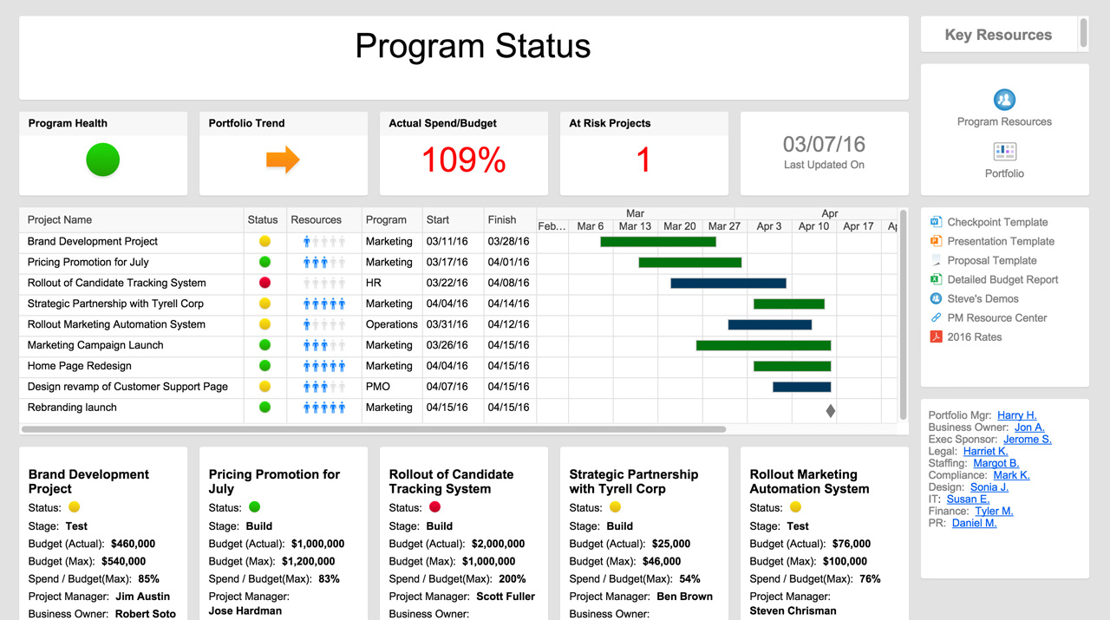
PROJECT MANAGEMENT DASHBOARD
TASK TIMELINE
 | BEGIN | Duration
Kick-off | 2018-03-05 | 1
Topic Research | 2018-03-06 | 1
Project Plan | 2018-03-07 | 1
Existing Content Review | 2018-03-08 | 18
Document format-Layout | 2018-03-10 | 1
Title, Copyright, and Committee page | 2018-03-11 | 1
Abstract Page | 2018-03-12 | 5
Table of Content and List Pages | 2018-03-17 | 1
Introduction | 2018-03-19 | 7
Literature Review - high level | 2018-03-26 | 14
Literature Review - low level | 2018-04-09 | 12
Conclusion | 2018-04-21 | 3
Parallel content review | 2018-03-26 | 31
Final Review / revision | 2018-04-26 | 4

DAYS per PROJECT
 | # of DAYS
Kick-off | 1
Topic Research | 1
Project Plan | 1
Existing Content Review | 18
Document format-Layout | 1
Title, Copyright, and Committee page | 1
Abstract Page | 5
Table of Content and List Pages | 1
Introduction | 7
Literature Review - high level | 14
Literature Review - low level | 12
Conclusion | 3
Parallel content review | 31
Final Review / revision | 4
 | AMOUNT | %
COMPLETE | 3 | 21%
OVERDUE | 1 | 7%
IN PROGRESS | 2 | 14%
NOT STARTED | 8 | 57%

PROJECT FINANCIALS
PROJECTED | $1,000,000
ACTUAL | $880,000

RISK ANALYSIS
 | HIGH | MEDIUM | LOW
Kick-off | 1 | 0 | 4
Topic Research | 2 | 3 | 5
Project Plan | 3 | 4 | 3
Existing Content Review | 5 | 8 | 1
Document format-Layout | 8 | 6 | 4
Title, Copyright, and Committee page | 5 | 0 | 0
Abstract Page | 6 | 4 | 0
Table of Content and List Pages | 7 | 3 | 3
Introduction | 0 | 2 | 4
Literature Review - high level | 4 | 4 | 5
Literature Review - low level | 3 | 6 | 4
Conclusion | 2 | 3 | 6
Parallel content review | 1 | 1 | 7
Final Review / revision | 5 | 0 | 2

RISK TOTAL
HIGH | 52
MEDIUM | 44
LOW | 48

OPEN & PENDING ACTIONS
 | OPEN ISSUES | REVISIONS | PENDING ACTIONS
Kick-off | 2 | 0 | 4
Topic Research | 1 | 2 | 3
Project Plan | 2 | 1 | 2
Existing Content Review | 1 | 0 | 0
Document format-Layout | 0 | 3 | 1
Title, Copyright, and Committee page | 2 | 0 | 2
Abstract Page | 1 | 2 | 3
Table of Content and List Pages | 0 | 1 | 4
Introduction | 1 | 3 | 2
Literature Review - high level | 2 | 0 | 0
Literature Review - low level | 3 | 2 | 0
Conclusion | 0 | 1 | 1
Parallel content review | 1 | 0 | 2
Final Review / revision | 2 | 1 | 3

ACTION TOTAL
ISSUES | 18
REVISIONS | 16
 | 27

PROJECT REPORT

TASK | OWNER | SCHEDULE | BUDGET | RESOURCES | RISKS | ISSUES | COMMENTS
Kick-off | Anna
Set Objectives | Ken
Project Requirements | Sara
Hardware Requirements | James
Finalize Resource Plan | Anna
Investor Presentation | Ken
Staffing | Sara
Construction | James
Alpha Out | Pete
Alpha Testing | Jason
Beta Out | Pete
Beta Testing | Jason
Launch | Pete
Future Planning | Anna

Learn More About Dashboards in Smartsheet

