OMS
ACCELEATING
ZERO- CARBON MOBILITY
 Operation Manual Sheet |  |  |  |  |  |  |  | 2026-08-10 | Selvam V | Bheema Reddy | PetchiMuthuPandian

 |  |  |  |  |  | Next Review Date |  | Date of Issue | Approved | Checked | Prepared
Operation Manual No: |  | OHM004 |  | Operation Name |  | Rev date | Rev No. | Revision History |  |  | Revised | Approved
Operation |  | OHM eMobility Operation
Location |  | Bangalore |  | Exterior Inspection for Bus Body
Model name |  | ELECTRIC BUS AC
Model No. |  | EiV12
S.NO | STEP & KEY POINT (OUTCOME/SAFETY/EASE OF WORK) |  |  | REASON (What happen if you do not know) | Tools/Equipment (To perform the operation) | VISUAL/PERFORMANCE OPERATION SEQUENCE
Table no 1
1 | Keep the latest approved Bus Body Inspection Check Sheet ready.(Table No 1) |  |  | Unable to perform the Inspection | Manually | 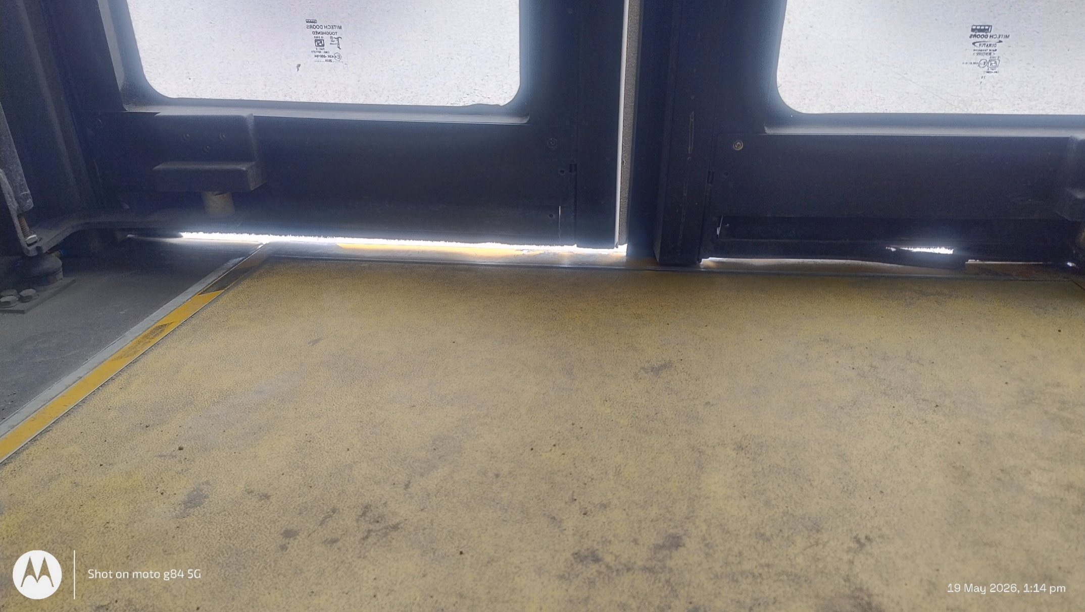 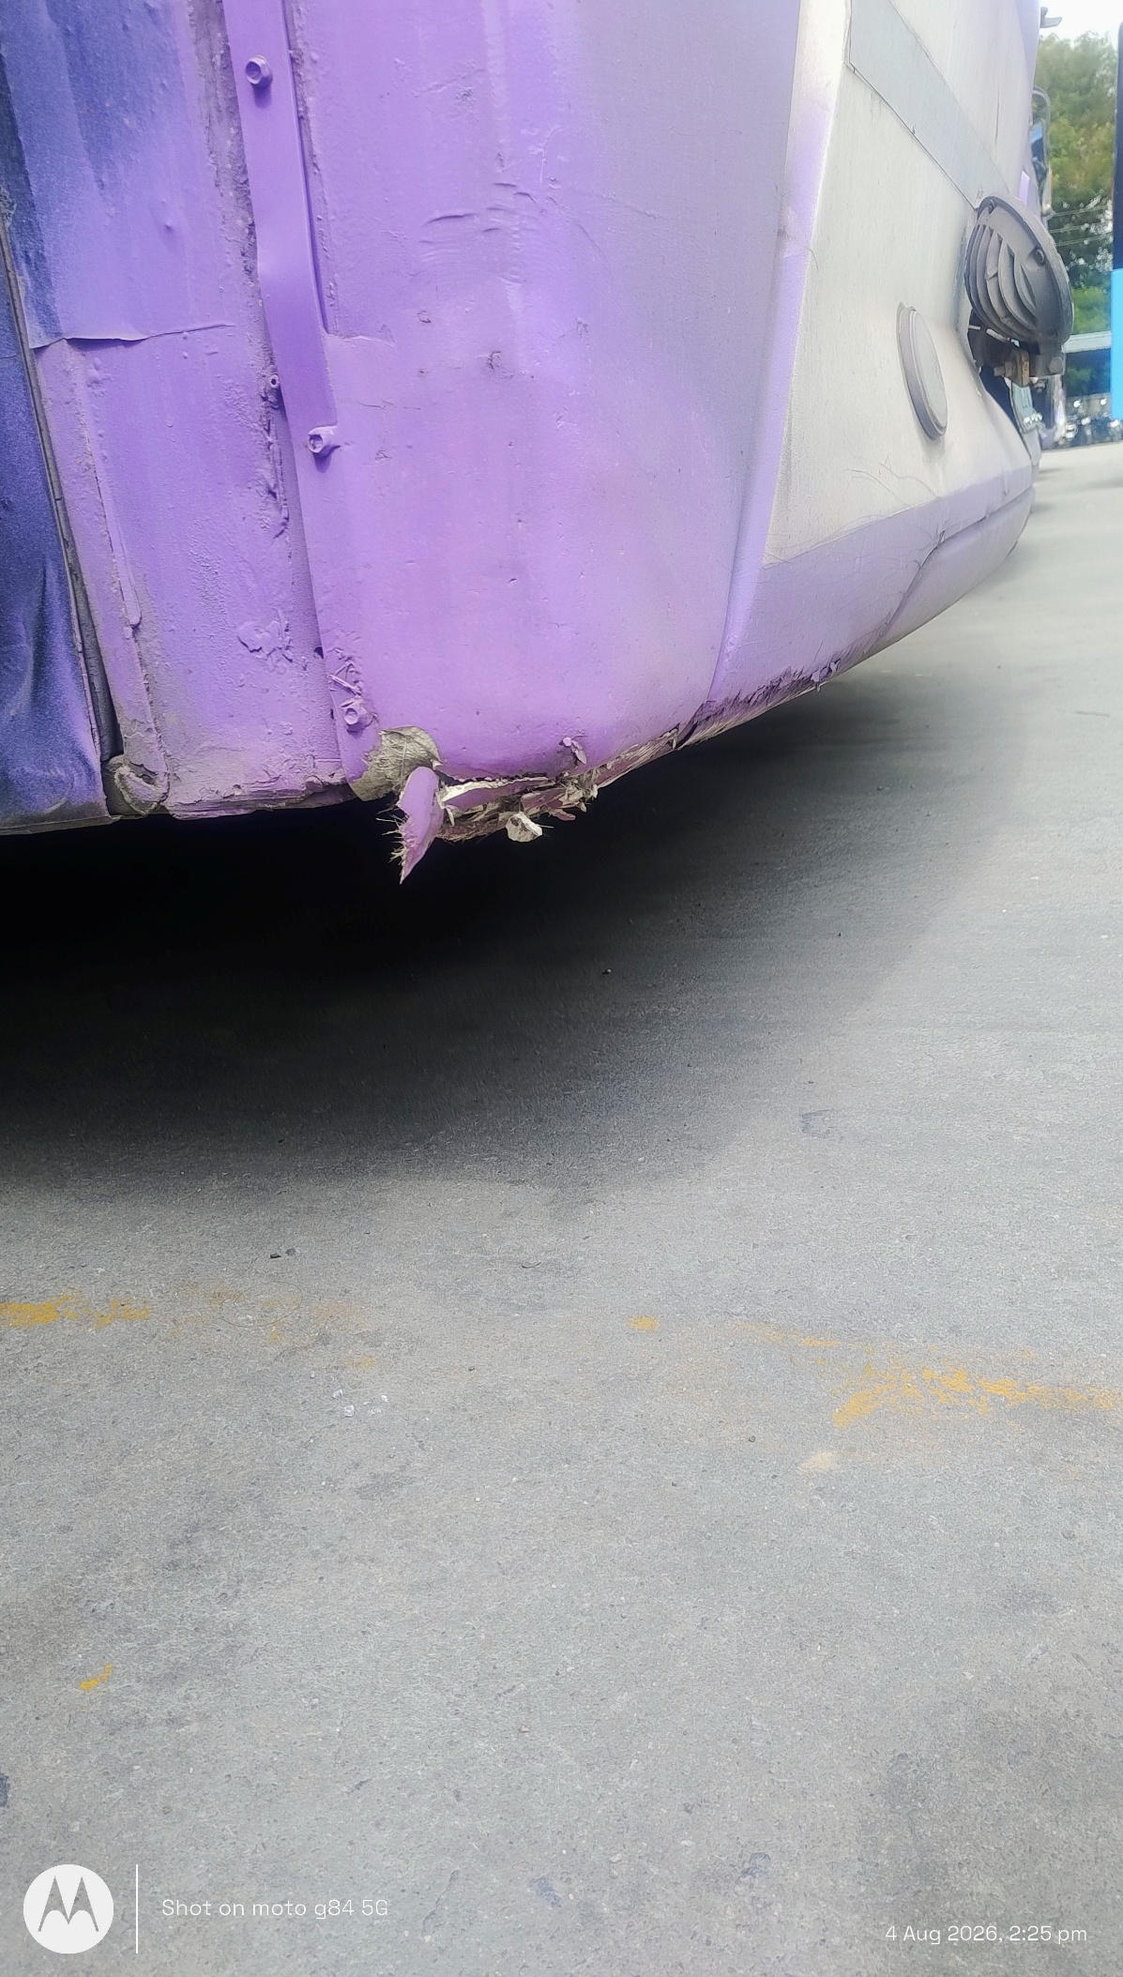 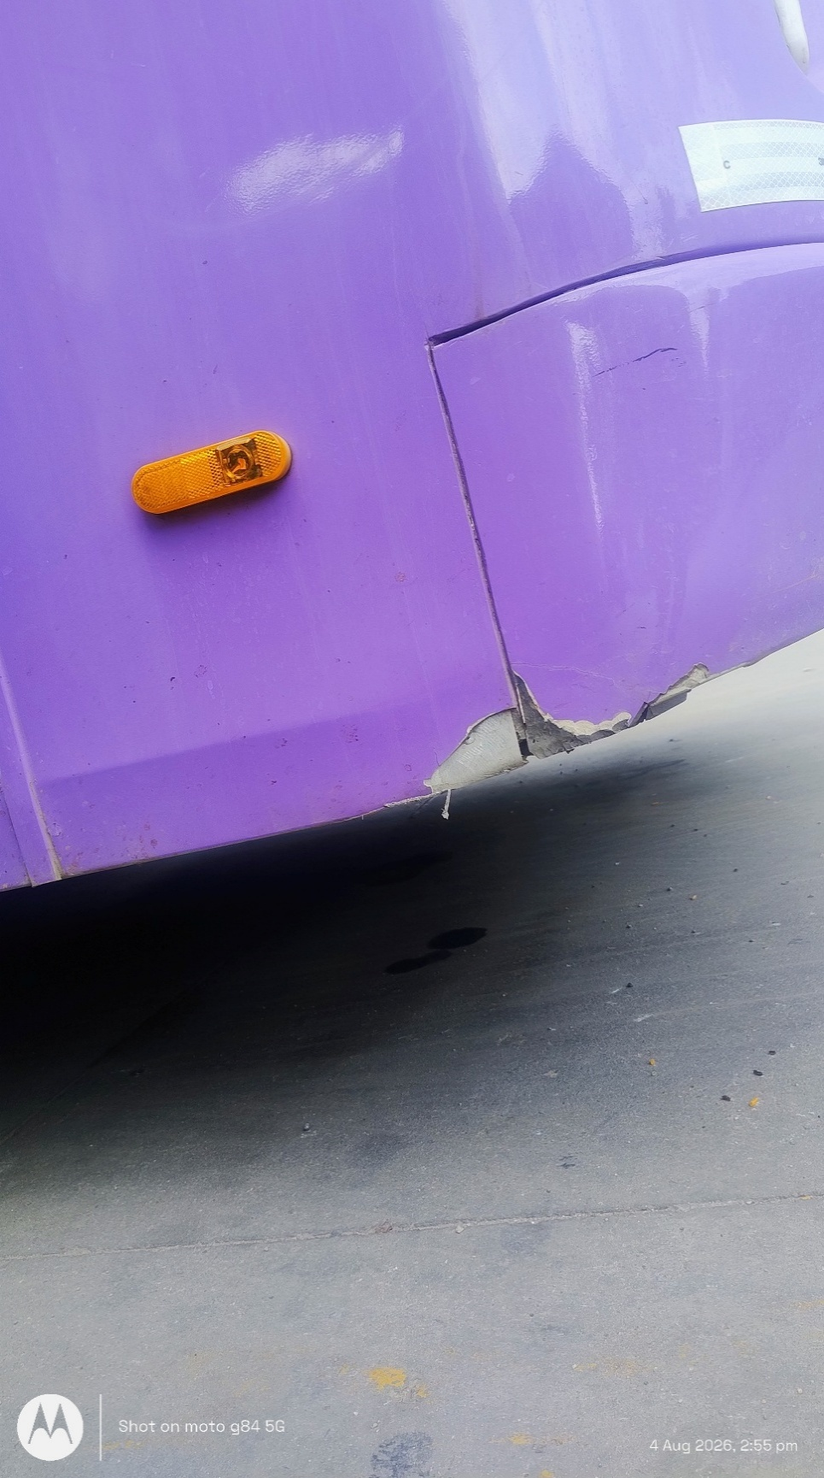 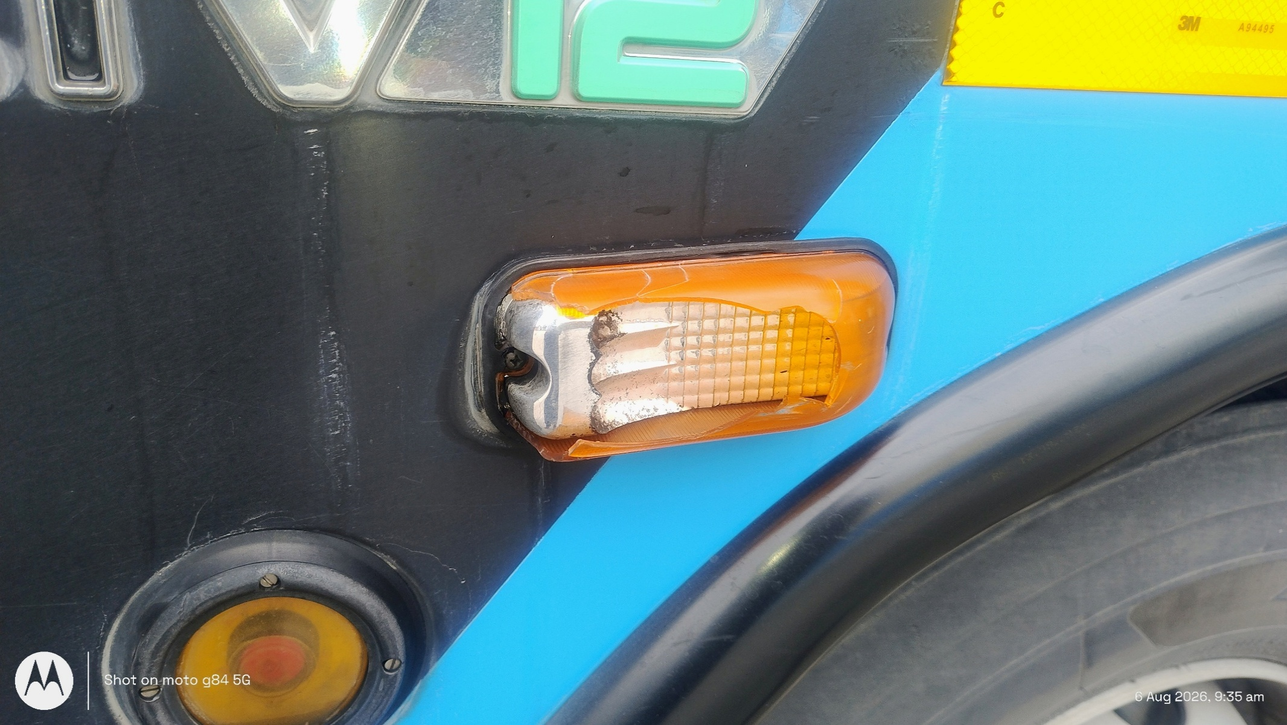 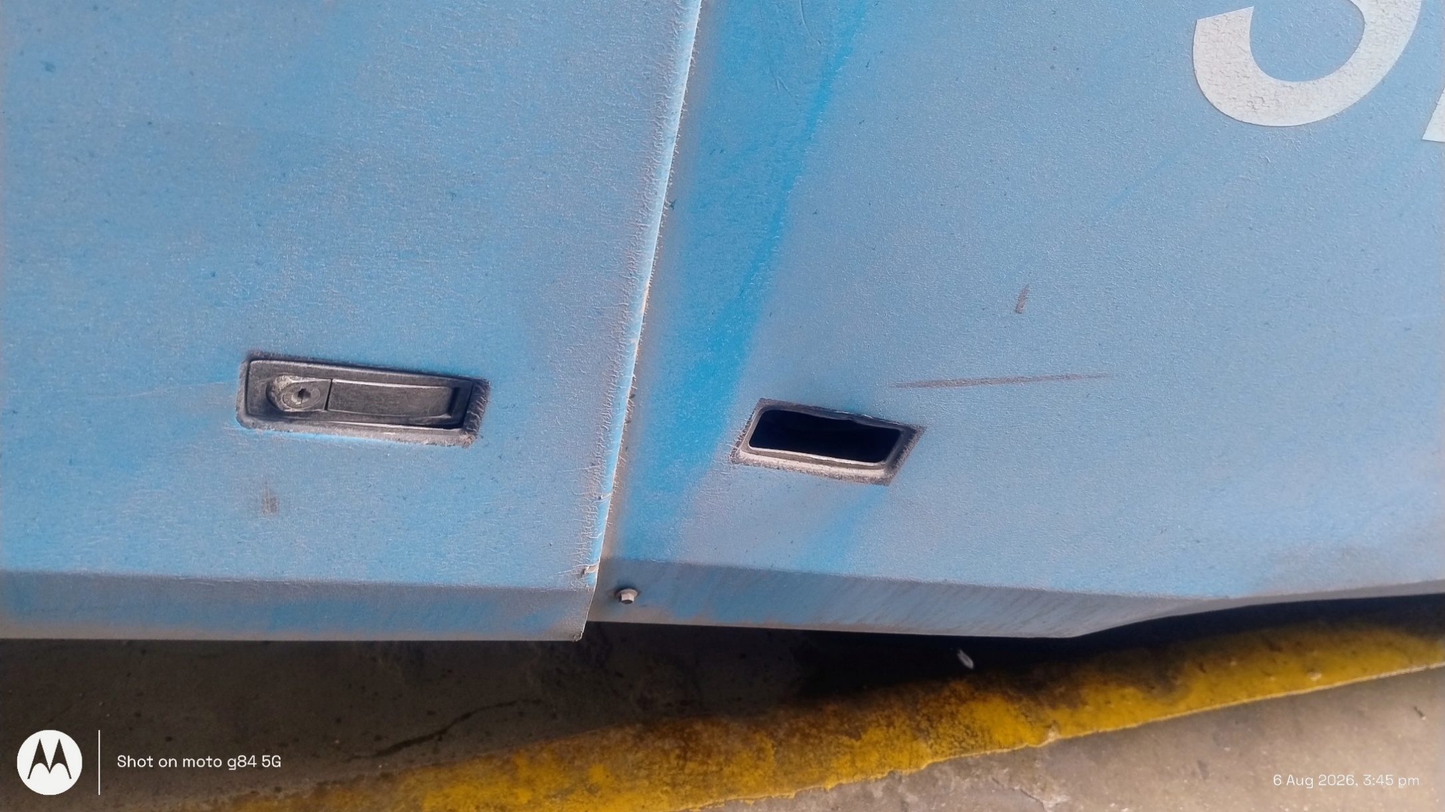
2 | Verify bus identification details (Bus No., Model, Date, Inspector Name) |  |  | Unable to perform the Inspection | Manually
3 | Inspect the bus from the front view and check for the following: Check Points 1)Body panel damages (dent, scratch, deformation) 2)Windscreen damage (crack, chip, improper fitment) 3)Headlamp damage and mounting condition 4)Front indicator lamp condition (if applicable) |  |  | Customer Dissatisfaction | Visually
4 | Right-Hand (RH) Side Inspection Move to the RH side of the bus and inspect: Check Points: 1)Body damages 2)Door cover damages 3)Door lock damages 4)Glass damages 5)Indicator lamp damages 6)Panel alignment |  |  | Customer Dissatisfaction | Visually
5 | Rear Side Inspection Move to the rear side of the bus and inspect: Check Points 1)Body damages 2)Tail lamp damages 3)Rear emergency/service door condition 4)Door lock condition 5)Rear glass damages 6)Rear panel alignment |  |  | Customer Dissatisfaction | Visually
6 | Left-Hand (LH) Side Inspection Move to the LH side of the bus and inspect: Check Points 1)Glass damages 2)Body damages 3)Indicator damages 4)Door cover damages 5)Door lock damages 6)Door bottom gap 7)Door opening and closing function |  |  | Customer Dissatisfaction | Visually

Input Part names |  | Input part no | Qty | Periodic Control items |  | Frequency |  |  |  | Measuring tool
 |  |  |  | Check parameter | Specification | Foreman |  | Associative

KPI monitering- DPV
ACCELEATING
ZERO- CARBON MOBILITY
 |  |  | KPI Monitoring sheet

KPI Description : |  |  |  |  |  | DPV- Exterior defect |  |  |  |  |  |  |  |  |  |  |  |  |  |  |  |  |  |  |  |  |  |  |  |  |  |  |  |  |  |  | Better |  | Lower |  | Lower
Past performance |  |  |  |  |  | Monitoring frequency: |  |  |  |  |  |  | Daily |  |  |  |  |  |  |  | Month: |  |  |  |  |  |  |  |  |  |  |  |  |  |  |  |  |  |  |  | Higher
 | Past Target | Past Actual | Average | Target | Actual | UBL | LBL
Mar'26
April'26
May'26
1
2
3
4
5
6
7
8
9
10
11
12
13
14
15
16
17
18
19
20
21
22
23
24
25
26
27
28
29

Date |  | Problem point |  |  | Cause |  |  |  |  |  |  | Countermeasures |  |  |  |  |  |  |  |  |  | Responsibility |  |  |  |  |  |  |  |  |  |  |  |  | Target Date |  |  | Completed Date |  | Reviewer remarks

ACCELEATING
ZERO- CARBON MOBILITY
 | Action plan
 | Date |  | Problem point |  | Cause |  |  |  |  |  |  | Countermeasures |  |  |  |  |  |  |  |  |  | Responsibility |  |  |  |  |  |  |  |  |  |  |  |  | Target Date |  |  | Completed Date |  | Remarks

 | Year | Mar'26 | April'26 | May'26 |  |  | 1 | 2 | 3 | 4 | 5 | 6 | 7 | 8 | 9 | 10 | 11 | 12 | 13 | 14 | 15 | 16 | 17 | 18 | 19 | 20 | 21 | 22 | 23 | 24 | 25 | 26 | 27 | 28 | 29 | 30
 | Past Target
 | Past Actual
 | Target
 | Actual
 | UBL
 | LBL
 | Average

KPI monitering- DPV (2)
ACCELEATING
ZERO- CARBON MOBILITY
 |  |  | KPI Monitoring sheet

KPI Description : |  |  |  |  |  | DPV- Interior defect |  |  |  |  |  |  |  |  |  |  |  |  |  |  |  |  |  |  |  |  |  |  |  |  |  |  |  |  |  |  | Better |  | Lower |  | Lower
Past performance |  |  |  |  |  | Monitoring frequency: |  |  |  |  |  |  | Daily |  |  |  |  |  |  |  | Month: |  |  |  |  |  |  |  |  |  |  |  |  |  |  |  |  |  |  |  | Higher
 | Past Target | Past Actual | Average | Target | Actual | UBL | LBL
Mar'26
April'26
May'26
1
2
3
4
5
6
7
8
9
10
11
12
13
14
15
16
17
18
19
20
21
22
23
24
25
26
27
28
29

Date |  | Problem point |  |  | Cause |  |  |  |  |  |  | Countermeasures |  |  |  |  |  |  |  |  |  | Responsibility |  |  |  |  |  |  |  |  |  |  |  |  | Target Date |  |  | Completed Date |  | Reviewer remarks

ACCELEATING
ZERO- CARBON MOBILITY
 | Action plan
 | Date |  | Problem point |  | Cause |  |  |  |  |  |  | Countermeasures |  |  |  |  |  |  |  |  |  | Responsibility |  |  |  |  |  |  |  |  |  |  |  |  | Target Date |  |  | Completed Date |  | Remarks

 | Year | Mar'26 | April'26 | May'26 |  |  | 1 | 2 | 3 | 4 | 5 | 6 | 7 | 8 | 9 | 10 | 11 | 12 | 13 | 14 | 15 | 16 | 17 | 18 | 19 | 20 | 21 | 22 | 23 | 24 | 25 | 26 | 27 | 28 | 29 | 30
 | Past Target
 | Past Actual
 | Target
 | Actual
 | UBL
 | LBL
 | Average

