3) Analysis
Number of restaurants Opened in each country |  | Restaurants opened in each year
Country | Count Of Restaurant | Year | Count of restaurant
Australia | 24 | 2010 | 1080
Brazil | 60 | 2011 | 1098
Canada | 4 | 2012 | 1022
India | 8652 | 2013 | 1061
Indonesia | 21 | 2014 | 1051
New Zealand | 40 | 2015 | 1024
Philippines | 22 | 2016 | 1027
Qatar | 20 | 2017 | 1086
Singapore | 20 | 2018 | 1102
South Africa | 60
Sri Lanka | 20
Turkey | 34
United Arab Emirates | 60
United Kingdom | 80
United States of America | 434

Average Voters in Each Country |  | Restaurant in India in price Range of (4)
Australia | 111 | INDIA | 388
Brazil | 20
Canada | 103
India | 137
Indonesia | 772
New Zealand | 243
Philippines | 407
Qatar | 164
Singapore | 32
South Africa | 315
Sri Lanka | 146
Turkey | 431
United Arab Emirates | 494
United Kingdom | 205
United States of America | 428

4) New opening - State & Cities
1) Analysis of Countries with lesser competition |  |  | 2) Cities in the suggested country |  |  | 3) Suggested Country - with rating |  | 4) Total Expenditure on Food
Row Labels | Count of RestaurantID | Average of Rating | Row Labels | Count of RestaurantID | Average of Rating | Australia | 3.66 | Australia | ₹ 32,281
Canada | 4 | 3.58 | Australia | 20 | 3.74 | Canada | 3.58 | Canada | ₹ 8,098
Singapore | 18 | 3.59 | Armidale | 1 | 3.5 | Singapore | 3.58 | Singapore | ₹ 194,033
Sri Lanka | 19 | 3.87 | Balingup | 1 | 3.2 | Sri lanka | 3.87 | Sri Lanka | ₹ 11,875
Australia | 20 | 3.74 | Beechworth | 1 | 4.6
Grand Total | 61 | 3.73 | Dicky Beach | 1 | 3.6
4) Total Expenditure on Food
Australia | ₹ 32,281
Canada | ₹ 8,098
Singapore | ₹ 194,033
Sri Lanka | ₹ 11,875
 |  |  | East Ballina | 1 | 4.1
 |  |  | Flaxton | 1 | 3.5
 |  |  | Forrest | 1 | 3.7
 |  |  | Hepburn Springs | 2 | 3.8
 |  |  | Huskisson | 1 | 4.1
 |  |  | Inverloch | 1 | 3.7
 |  |  | Lakes Entrance | 1 | 3.8
 |  |  | Macedon | 1 | 3.5
 |  |  | Middleton Beach | 1 | 3.8
 |  |  | Palm Cove | 1 | 4.4
 |  |  | Paynesville | 1 | 2.6
 |  |  | Penola | 1 | 3.4
 |  |  | Phillip Island | 1 | 3.7
 |  |  | Tanunda | 1 | 4.4
 |  |  | Victor Harbor | 1 | 3.6
 |  |  | Canada | 4 | 3.58
 |  |  | Chatham-Kent | 1 | 3.70
 |  |  | Consort | 1 | 3.00
 |  |  | Vineland Station | 1 | 4.30
 |  |  | Yorkton | 1 | 3.30
 |  |  | Singapore | 18 | 3.59
 |  |  | Singapore | 18 | 3.59
 |  |  | Sri Lanka | 19 | 3.8736842105
 |  |  | Colombo | 19 | 3.8736842105
 |  |  | Grand Total | 61 | 3.73

8) CORRELATION
Correlation between rate of cuisines and rating |  | Rating | Cost of Two in Indian Rupees
 |  | 2.6 | 6702
CORRELATION | -0.0056953792975 | 3.5 | 1676
 |  | 3.8 | 1676
 |  | 3.5 | 1117
 |  | 3.8 | 1117
 |  | 4.6 | 1117
 |  | 3.6 | 1117
 |  | 4.4 | 1676
 |  | 4.1 | 1117
 |  | 3.8 | 391
 |  | 3.2 | 1117
 |  | 3.8 | 391
 |  | 3.4 | 1117
 |  | 3.6 | 1117
 |  | 3.7 | 1117
 |  | 3.6 | 391
 |  | 3.7 | 391
 |  | 4.1 | 1117
 |  | 4.4 | 1676
 |  | 3.5 | 1117
 |  | 2.4 | 1676
 |  | 4.1 | 1117
 |  | 2.9 | 1117
 |  | 3.7 | 1117
 |  | 4.3 | 3910
 |  | 3.7 | 1396
 |  | 3.3 | 1396
 |  | 3 | 1396
 |  | 3.1 | 3737
 |  | 3.2 | 3737
 |  | 3.2 | 4672
 |  | 3.2 | 4983
 |  | 3.1 | 4983
 |  | 3.2 | 5918
 |  | 4.1 | 6229
 |  | 3.8 | 13704
 |  | 4 | 16818
 |  | 3.4 | 18687
 |  | 3.9 | 18687
 |  | 3.9 | 19621
 |  | 3.8 | 26785
 |  | 3.8 | 31145
 |  | 3.9 | 2492
 |  | 3.8 | 3115
 |  | 3 | 1869
 |  | 3.7 | 2492
 |  | 4.2 | 1246
 |  | 3.2 | 3115
 |  | 4.1 | 250
 |  | 4.5 | 325
 |  | 3.5 | 375
 |  | 2.4 | 450
 |  | 4.1 | 250
 |  | 4.2 | 250
 |  | 4.9 | 1000
 |  | 4 | 1000
 |  | 4 | 1125
 |  | 3.4 | 500
 |  | 3.6 | 500
 |  | 3.8 | 875
 |  | 4.2 | 600
 |  | 4.1 | 500
 |  | 3.7 | 625
 |  | 4 | 625
 |  | 2.5 | 500
 |  | 4.2 | 750
 |  | 4.2 | 750
 |  | 4 | 625

Dashboard
ZOMATO

Cuisines with highest rating

 |  |  | 
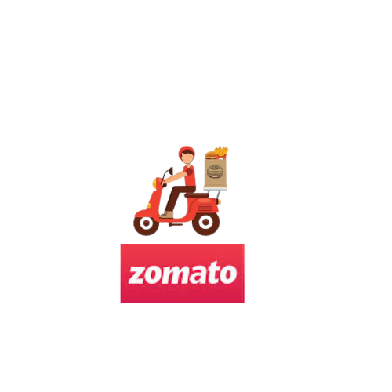
ZOMATO - ANALYSIS
OPENING OF NEW RESTAURANTS
Analysis of country to open new restaurants
YEAR
COUNTRY
Pizza
Seafood
Italian
Desert
Mediterranean Australian



 | Count of RestaurantID | Average of Rating
Canada | 4 | 3.58
Singapore | 18 | 3.59
Sri Lanka | 19 | 3.87
Australia | 20 | 3.74

TOTAL EXPENDITURE ON FOOD
4) Total Expenditure on Food
Australia | ₹ 32,281
Canada | ₹ 8,098
Singapore | ₹ 194,033
Sri Lanka | ₹ 11,875
Count of restaurant VS YEAR
 | Count of restaurant
2010 | 1080
2011 | 1098
2012 | 1022
2013 | 1061
2014 | 1051
2015 | 1024
2016 | 1027
2017 | 1086
2018 | 1102

