Class - Table Relation
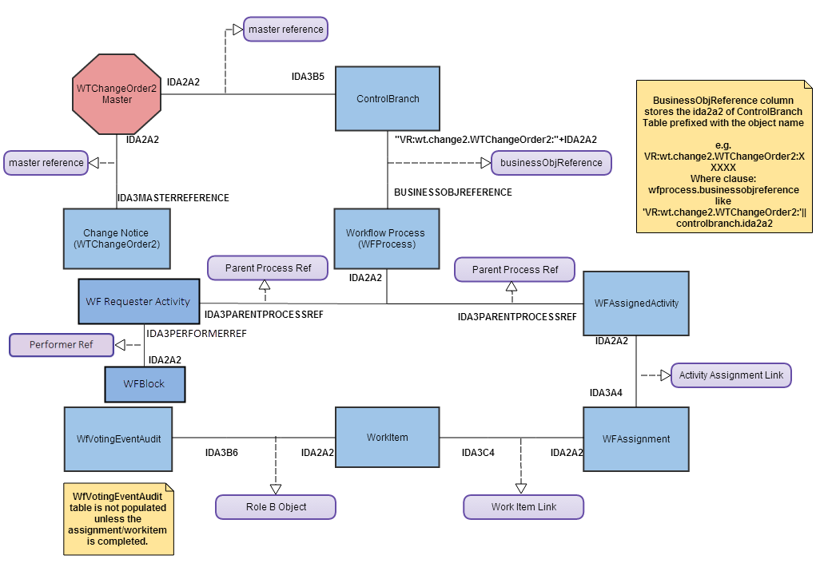
Object | Windchill Class | DB Table | Description
Parts | wt.part.WTPart | WTPART | Each row corresponds to a iteration of a part, references WTPARTMASTER table via IDA3MASTERREFERENCE.
 | wt.part.WTPartMaster | WTPARTMASTER | Only one row for all iterations/revision of a part, NAME & WTPARTNUMBER columns.

Links | wt.part.WTPartUsageLink | WTPARTUSAGELINK | Links a parent WTPART and a child WTPARTMASTER via IDA3A5 AND IDA3B5
 | wt.part. WTPartDescribeLink | WTPARTDESCRIBELINK | Links a WTPART and WTDOCUMENT that describes the part via IDA3A5 AND IDA3B5.

Workflow Related Objects

Workflow Process | wt.workflow.engine.WfProcess | WFPROCESS | Running instances of a Workflow template associated to PBO.
WFAssignedActivity | wt.workflow.work.WfAssignedActivity | WFASSIGNEDACTIVITY | List of Open and Running Workflow Activities from the WFProcess object.
WFAssignment | wt.workflow.work.WfAssignment | WFASSIGNMENT
Workitem/Workflow Task | wt.workflow.work.Workitem | WORKITEM | Class holding the activity variables, comments, instructions of a open or Running workflow activity.

Workflow Link Objects

Join | From Table | To Table | Description
Parent Process Ref | WFASSIGNEDACTIVITY | WFPROCESS
Activity Assignment Link | WFASSIGNMENT | WFASSIGNEDACTIVITY
Work Item Link | WORKITEM | WFASSIGNMENT
? | WORKITEM | WFVOTINGEVENTAUDIT | WFVOTINGEVENTAUDIT.IDA3B6 = WORKITEM.IDA2A2. Comments and Votes entered by the users / assignees / owners for each Completed Workitem / tasks are stored in the WFVOTINGEVENTAUDIT table
master reference | PBO_MASTER | CONTROLBRANCH | PBO_MASTER.IDA2A2 = CONTROLBRANCH.IDA3B5
businessObjReference | CONTROLBRANCH | WFPROCESS | WFPROCESS.BUSINESSOBJREFERENCE column stores the IDA2A2 of CONTROLBRANCH table prefixed with Obejct Name. Eg. VR:wt.part.WTPart:<IDA2A2 of CONTROLBRANCH>

Workflow Objects Data Model

CM Data Model
Object | Windchill Class | DB Table | Description | ROLE A Object | ROLE B Object
Problem Report | wt.change2.WTChangeIssue | WTCHANGEISSUE | Table holding PR objects.
Change Request | wt.chang2.WTChangeRequest2 | WTCHANGEREQUEST2 | Table holding ECR objects.
Change Notice | wt.change2.WTChangeOrder2 | WTCHANGEORDER2 | Table holding ECN objects.
Change Activity | wt.change2.WTChangeActivity2 | WTCHANGEACTIVITY2 | Table holding ECA objects.
Change Proposal | wt.change2.WTChangeProposal | WTCHANGEPROPOSAL | Table holding Change Propsoal objects.
Change Analysis | wt.change2.WTAnalysisActivity | WTANALYSISACTIVITY | Table holding Analysis Activity objects.
Flexible Change Link | wt.change2.FlexibleChangeLink |  | Abstract link for flexible associations between two FlexibleChangeItem objects. FlexibleChangeItem objects include Problem Reports, Variances, Change Requests, and Change Notices. |  |  | Applicable from Windchill 11 onwards.
Change Process Link | wt.change2.ChangeProcessLink | CHANGPROCESSLINK | Link for flexible process associations between two FlexibleChangeItem objects. FlexibleChangeItems are part of the same change process |  |  | Applicable from Windchill 11 onwards.
Change Reference Link | wt.change2.ChangeReferenceLink | CHANGEREFERENCELINK | Link for flexible reference associations between two FlexibleChangeItem objects Used to link reference objects that not necessarily are part of the same change process |  |  | Applicable from Windchill 11 onwards.

FormalizedBy | ECR - PR | FORMALIZEDBY | Link between Change Request and Problem Report | BRANCHIDA3A5 | BRANCHIDA3B5 | Deprecated association link for Problem Reports or Variances to Change Request.
AddressedBy | ECR - ECN | ADDRESSEDBY2 | Link between Change Request and Change Notice | BRANCHIDA3A5 | BRANCHIDA3B5 | Deprecated association link for Change Request to Change Notice
Change Process Link | PR - ECR or ECR - ECN | CHANGEPROCESSLINK | Link between PR to ECR and ECR to ECN | BRANCHIDA3A5 | BRANCHIDA3B5 | Applicable from Windchill 11 onwards.
IncludedIn2 | ECN - ECA | INCLUDEDIN2 | Link between Change Notice and Change Activity | BRANCHIDA3A5 | BRANCHIDA3B5
ResearchedBy | Change Proposal/Analysis - ECR | RESEARCHEDBY | Link between Change Proposal/Change Analysis and Change Request | BRANCHIDA3A5 | BRANCHIDA3B5
AcceptedStrategy | Change Proposal - ECN | ACCEPTEDSTRATEGY | Link between Change Proposal and Change Notice | BRANCHIDA3A5 | BRANCHIDA3B5

AffectedActivityData | ECA - Changeable | AFFECTEDACITIVITYDATA | Link between Change Activity and Changeables. | BRANCHIDA3A5 | IDA3B5
ChangeRecord2 | ECA - Changeable | CHANGERECORD2 | Link between Change Activity and Changeables. | BRANCHIDA3A5 | IDA3B5
ReportedAgainst | PR - Changeable | REPORTEDAGAINST | Link between Problem Report and Changeables | BRANCHIDA3A5 | IDA3B5
ProblemProduct | WTPartMaster - PR | PROBLEMPRODUCT | Link between Problem Report and Part Master (End Item) | IDA3A5 | BRANCHIDA3B5
RelevantRequestData | ECR - Changeable | RELEVANTREQUESTDATA | Link between Change Request and Changeables. | BRANCHIDA3A5 | IDA3B5
SubjectProduct | WTPartMaster - ECR | SUBJECTPRODUCT | Link between Change Request and Part Master (End Item) | IDA3A5 | BRANCHIDA3B5
RelevantAnalysisData | Change Analysis - Changeable | RELEVANTANALYSISDATA | Link between Change Analysis and Changeables. | BRANCHIDA3A5 | IDA3B5

Changeables : PBO's like WTPart, WTDocument, EPMDocument.

Database Table Relation - An Example

WTCHANGEORDER2 |  |  | WTCHANGEACTIVITY2
IDA2A2 |  |  | IDA2A2

 | INCLUDEDIN2
 | BRANCHIDA3A5 | BRANCHIDA3B5

WTCHANGEISSUE |  |  | WTCHANGEREQUEST2
IDA2A2 |  |  | IDA2A2

 | CHANGEPROCESSLINK
 | BRANCHIDA3A5 | BRANCHIDA3B5

WTCHANGEACTIVITY2 |  |  | WTPART/WTDOCUMENT/EPMDOCUMENT
IDA2A2 |  |  | IDA2A2

 | AFFECTEDACITIVITYDATA
 | BRANCHIDA3A5 | BRANCHIDA3B5

Change Management Data Model

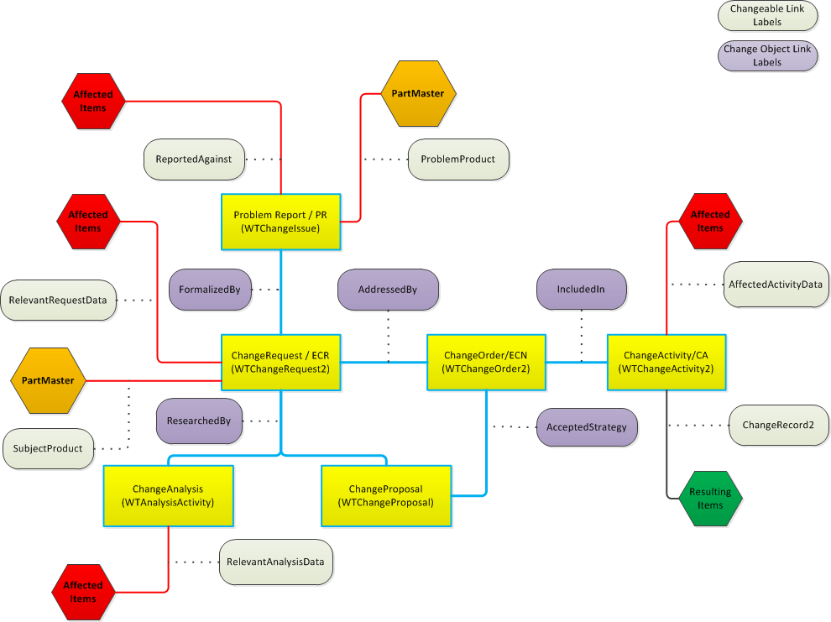

CM Data Model - WC 11

