Cover
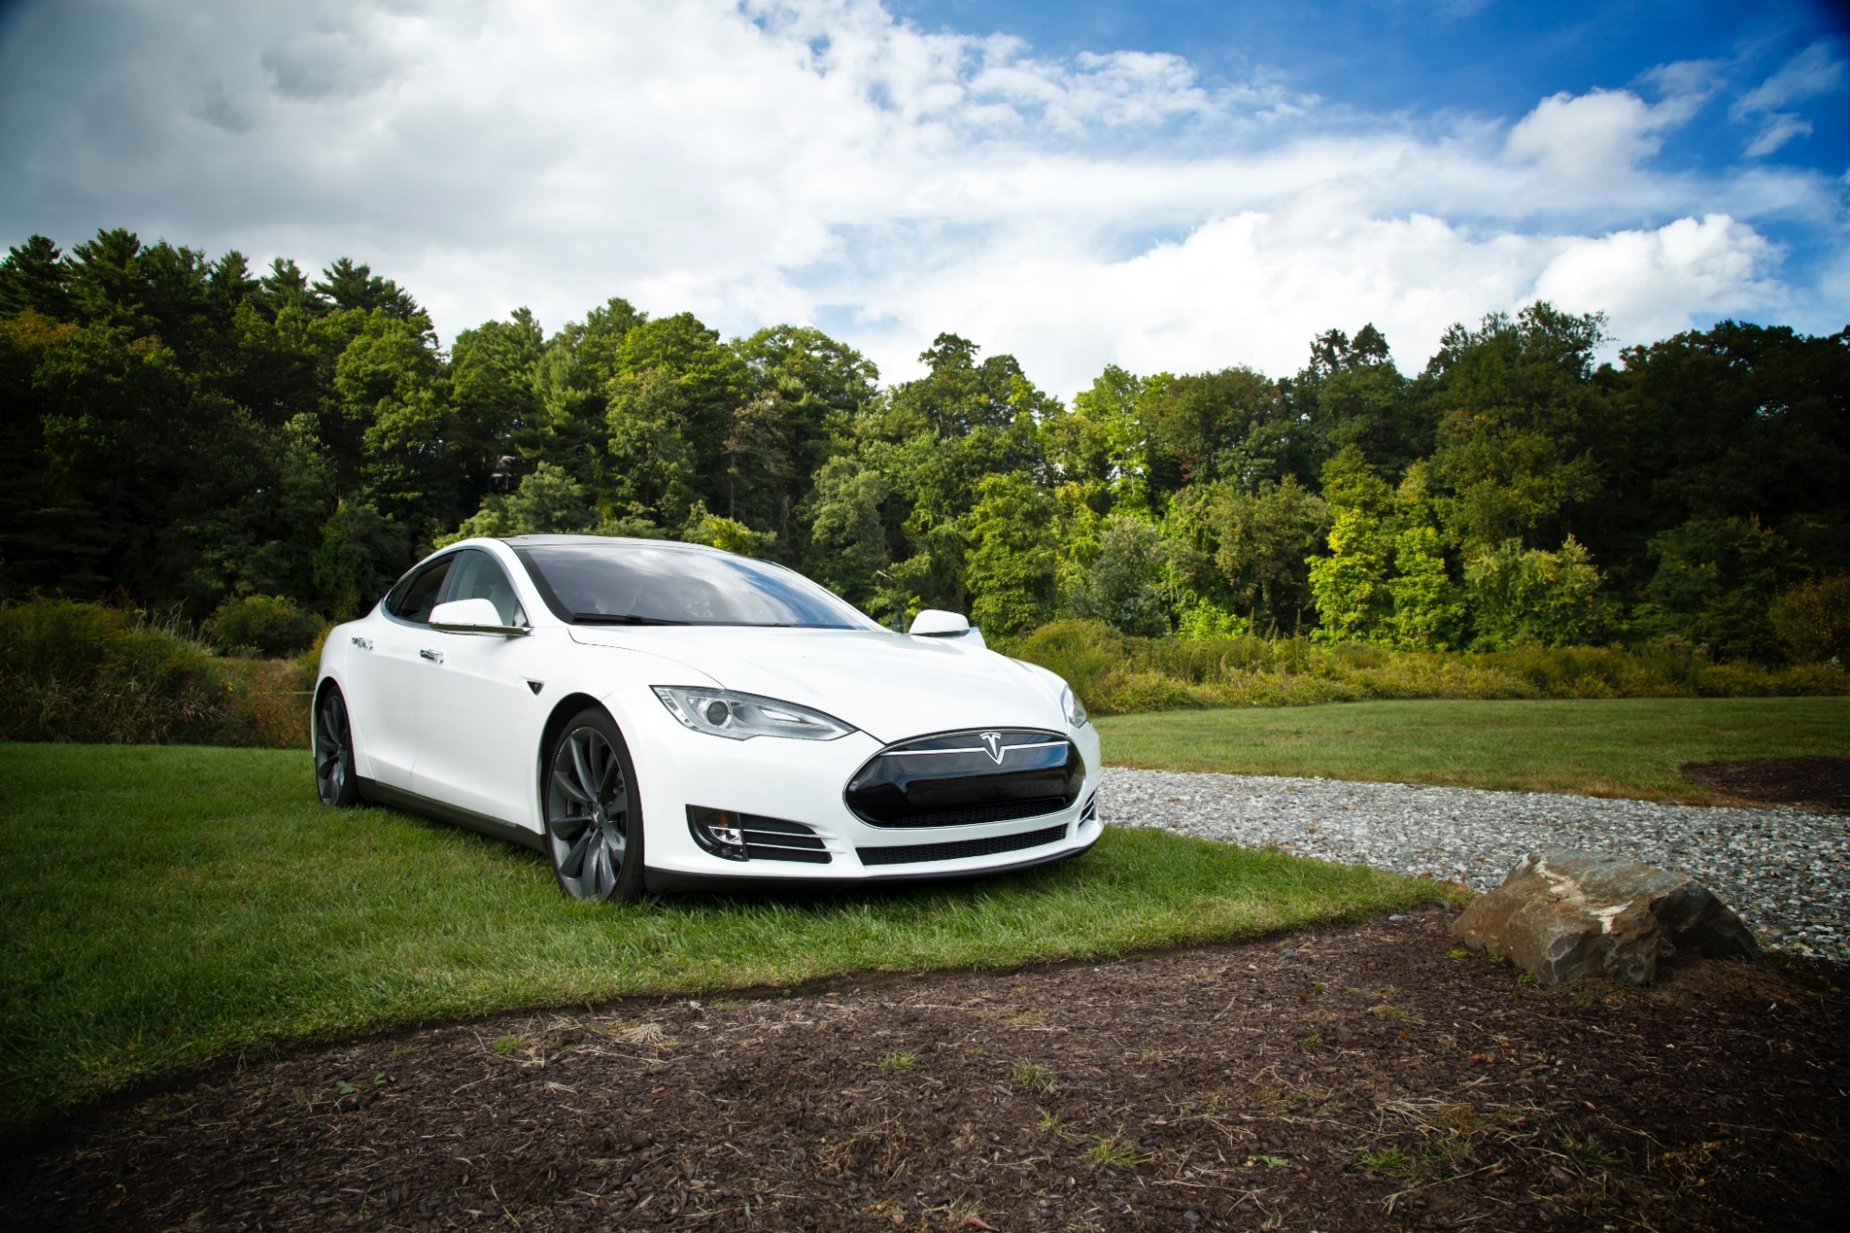

Tesla
Company analysis

Deliveries development
Tesla vehicle deliveries 2015-2029 (actuals and forecasts)
 | Tesla Model 3 | Tesla Model S and X | Tesla Model Y | Tesla Roadster 2 | Tesla Pickup | Tesla Semi
2015 Act | - | 50,580 | - | - | - | -
2016 Act | - | 76,230 | - | - | - | -
2017 Act | 1,764 | 101,312 | - | - | - | -
2018 Act | 146,055 | 98,865 | - | - | - | -
2019 Act | 300,815 | 66,385 | - | - | - | -
2020 Fcst | 481,304 | 69,040 | 1,764 | - | - | -
2021 Fcst | 529,434 | 71,802 | 146,055 | - | 250 | 250
2022 Fcst | 582,378 | 74,674 | 300,815 | 500 | 20,699 | 20,699
2023 Fcst | 628,968 | 77,661 | 481,304 | 750 | 42,633 | 42,633
2024 Fcst | 679,286 | 80,768 | 529,434 | 825 | 68,212 | 68,212
2025 Fcst | 706,457 | 83,998 | 582,378 | 908 | 75,033 | 75,033
2026 Fcst | 734,715 | 87,358 | 628,968 | 980 | 82,537 | 82,537
2027 Fcst | 764,104 | 90,852 | 679,286 | 1,059 | 89,139 | 89,139
2028 Fcst | 794,668 | 94,487 | 706,457 | 1,101 | 96,271 | 96,271
2029 Fcst | 826,455 | 98,266 | 734,715 | 1,145 | 100,121 | 100,121

Revenue & GP autom
Revenue and Gross Profit automotive

Vehicle | 2016 Act | 2017 Act | 2018 Act | 2019 Act | 2020 Fcst | 2021 Fcst | 2022 Fcst | 2023 Fcst | 2024 Fcst | 2025 Fcst | 2026 Fcst | 2027 Fcst | 2028 Fcst | 2029 Fcst
Revenue automotive | 3,741 | 6,351 | 9,641 | 18,515 | 33,884 | 45,867 | 63,703 | 83,096 | 95,301 | 102,075 | 108,688 | 115,395 | 120,860 | 125,694
Gross Profit automotive | 918 | 1,601 | 2,209 | 4,341 | 8,072 | 10,326 | 13,799 | 17,512 | 20,026 | 21,371 | 22,699 | 24,041 | 25,177 | 26,184
GP% | 25% | 25% | 23% | 23% | 24% | 23% | 22% | 21% | 21% | 21% | 21% | 21% | 21% | 21%

Revenue and Gross Profit automotive

WC development
Working Capital development (2018-2028)
 | Trade receivables | Inventory | Trade payables
31Dec2020 Fcst | 1,751 | 7,828 | 7,109
31Dec2021 Fcst | 2,326 | 10,508 | 9,543
31Dec2022 Fcst | 3,163 | 14,357 | 13,039
31Dec2023 Fcst | 4,069 | 18,532 | 16,831
31Dec2024 Fcst | 4,647 | 21,166 | 19,223
31Dec2025 Fcst | 4,980 | 22,705 | 20,621
31Dec2026 Fcst | 5,308 | 24,218 | 21,995
31Dec2027 Fcst | 5,642 | 25,764 | 23,399
31Dec2028 Fcst | 5,922 | 27,053 | 24,570
31Dec2029 Fcst | 6,175 | 28,227 | 25,636

Revenue by type of car
Revenue by type of car

 | Tesla Revenue Automotive (in mln $)
Vehicle | 2015 Act | 2016 Act | 2017 Act | 2018 Act | 2019 Act | 2020 Fcst | 2021 Fcst | 2022 Fcst | 2023 Fcst | 2024 Fcst | 2025 Fcst | 2026 Fcst | 2027 Fcst | 2028 Fcst | 2029 Fcst | Vehicle type
Tesla Model 3 | - | - | 88 | 8,136 | 14,706 | 26,587 | 29,246 | 32,170 | 34,744 | 37,524 | 39,025 | 40,586 | 42,209 | 43,897 | 45,653 | Car
Tesla Model S and X | 3,741 | 6,351 | 9,553 | 10,378 | 6,115 | 7,187 | 7,474 | 7,773 | 8,084 | 8,407 | 8,744 | 9,093 | 9,457 | 9,835 | 10,229 | Car
Tesla Model Y | - | - | - | - | - | 110 | 9,088 | 18,717 | 29,947 | 32,941 | 36,236 | 39,134 | 42,265 | 43,956 | 45,714 | Car
Tesla Roadster 2 | - | - | - | - | - | - | - | 115 | 172 | 189 | 208 | 225 | 243 | 253 | 263 | Car
Tesla Pickup | - | - | - | - | - | - | 15 | 1,233 | 2,540 | 4,063 | 4,470 | 4,917 | 5,310 | 5,735 | 5,964 | Pickup
Tesla Semi | - | - | - | - | - | - | 45 | 3,695 | 7,610 | 12,176 | 13,393 | 14,733 | 15,911 | 17,184 | 17,872 | Truck
Total | 3,741 | 6,351 | 9,641 | 18,515 | 20,821 | 33,884 | 45,867 | 63,703 | 83,096 | 95,301 | 102,075 | 108,688 | 115,395 | 120,860 | 125,694
Revenue from different types of vehicles sold: 2020 - 2029

Types of vehicles
Types of vehicles

 | Tesla Revenue Automotive (in mln $)
Vehicle | 2015 Act | 2016 Act | 2017 Act | 2018 Act | 2019 Act | 2020 Fcst | 2021 Fcst | 2022 Fcst | 2023 Fcst | 2024 Fcst | 2025 Fcst | 2026 Fcst | 2027 Fcst | 2028 Fcst | 2029 Fcst | Vehicle type
Tesla Model 3 | - | - | 88 | 8,136 | 14,706 | 26,587 | 29,246 | 32,170 | 34,744 | 37,524 | 39,025 | 40,586 | 42,209 | 43,897 | 45,653 | Car
Tesla Model S and X | 3,741 | 6,351 | 9,553 | 10,378 | 6,115 | 7,187 | 7,474 | 7,773 | 8,084 | 8,407 | 8,744 | 9,093 | 9,457 | 9,835 | 10,229 | Car
Tesla Model Y | - | - | - | - | - | 110 | 9,088 | 18,717 | 29,947 | 32,941 | 36,236 | 39,134 | 42,265 | 43,956 | 45,714 | Car
Tesla Roadster 2 | - | - | - | - | - | - | - | 115 | 172 | 189 | 208 | 225 | 243 | 253 | 263 | Car
Tesla Pickup | - | - | - | - | - | - | 15 | 1,233 | 2,540 | 4,063 | 4,470 | 4,917 | 5,310 | 5,735 | 5,964 | Pickup
Tesla Semi | - | - | - | - | - | - | 45 | 3,695 | 7,610 | 12,176 | 13,393 | 14,733 | 15,911 | 17,184 | 17,872 | Truck
Total | 3,741 | 6,351 | 9,641 | 18,515 | 20,821 | 33,884 | 45,867 | 63,703 | 83,096 | 95,301 | 102,075 | 108,688 | 115,395 | 120,860 | 125,694

 | 2015 Act | 2016 Act | 2017 Act | 2018 Act | 2019 Act | 2020 Fcst | 2021 Fcst | 2022 Fcst | 2023 Fcst | 2024 Fcst | 2025 Fcst | 2026 Fcst | 2027 Fcst | 2028 Fcst | 2029 Fcst
Car |  |  |  |  |  | 33,884 | 45,808 | 58,775 | 72,947 | 79,062 | 84,212 | 89,038 | 94,174 | 97,941 | 101,859
Pickup |  |  |  |  |  | - | 15 | 1,233 | 2,540 | 4,063 | 4,470 | 4,917 | 5,310 | 5,735 | 5,964
Truck |  |  |  |  |  | - | 45 | 3,695 | 7,610 | 12,176 | 13,393 | 14,733 | 15,911 | 17,184 | 17,872
Total |  |  |  |  |  | 33,884 | 45,867 | 63,703 | 83,096 | 95,301 | 102,075 | 108,688 | 115,395 | 120,860 | 125,694
Revenue from different types of vehicles sold: 2020 - 2029

Profitability
Types of vehicles

($ in million) | 2015 Act | 2016 Act | 2017 Act | 2018 Act | 2019 Act | 2020 Fcst | 2021 Fcst | 2022 Fcst | 2023 Fcst | 2024 Fcst | 2025 Fcst | 2026 Fcst | 2027 Fcst | 2028 Fcst | 2029 Fcst
Revenue | 4,046 | 7,000 | 11,759 | 21,461 | 24,578 | 38,392 | 51,007 | 69,356 | 89,202 | 101,895 | 109,197 | 116,379 | 123,702 | 129,832 | 135,384
GP% | 22.8% | 22.8% | 18.9% | 18.8% | 16.6% | 21.3% | 20.4% | 20.1% | 19.8% | 19.8% | 19.7% | 19.6% | 19.6% | 19.5% | 19.5%
EBIT% | -17.7% | -9.5% | -13.9% | -1.8% | -0.3% | 9.6% | 8.8% | 8.4% | 8.1% | 8.1% | 8.0% | 8.0% | 7.9% | 7.9% | 7.8%
Gross Profit | 924 | 1,599 | 2,222 | 4,042 | 4,069 | 8,162 | 10,428 | 13,912 | 17,634 | 20,157 | 21,513 | 22,852 | 24,207 | 25,356 | 26,378
EBIT | (717) | (667) | (1,632) | (388) | -69 | 3,682 | 4,476 | 5,818 | 7,224 | 8,266 | 8,770 | 9,270 | 9,770 | 10,204 | 10,578
Tesla profitability: 2015-2029

