Start
Welcome to Excel
4 tips for a simpler way to work.


Let's go >

1. Keyboard Shortcuts
Take a shortcut with the keyboard
Speed up your work with keyboard shortcuts. They're always at your fingertips.
Try a few popular keyboard shortcuts from the list. |  | To | Press
 |  | Cut | COMMAND + X or CONTROL + X
 |  | Copy | COMMAND + C or CONTROL + C
 |  | Paste | COMMAND + V or CONTROL + V
 | See the full list in Help | Clear | DELETE
 |  | Undo | COMMAND + Z or CONTROL + Z
 |  | Redo | COMMAND + Y or CONTROL + Y or COMMAND + SHIFT + Z
 |  | Bold | COMMAND + B or CONTROL + B
Next >
 |  | Print | COMMAND + P or CONTROL +P
 |  | Save | COMMAND + S or CONTROL + S

2. Formula Builder
Build formulas with confidence
The Formula Builder helps you add the correct parameters when you use Excel functions.
Try it:

1 | Imagine a worksheet where you want to display just the titles of everyone in your organization. You'll use the table at right to look up that information. | Last name | First Name | ID | Title | Birth date
 |  | Davis | Sara | 101 | Sales | 1968-12-08
 |  | Fontana | Olivier | 102 | V.P. of Sales | 1952-02-19
 | Select cell H13. | Leal | Karina | 103 | Sales Rep. | 1963-08-30
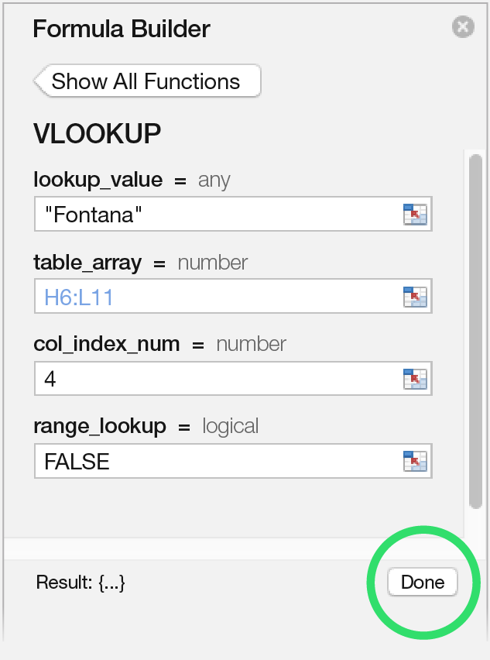
 |  | Patten | Michael | 104 | Sales Rep. | 1958-09-19
2 | Click on the Fx button on the formula bar. | Burke | Brian | 105 | Sales Mgr. | 1955-03-04
 |  | Sousa | Luis | 106 | Sales Rep. | 1963-07-02

3 | The Formula Builder pane opens on the right. Type VLOOKUP into the Search box, and then click the Insert Function button.

4 | While the lookup_value box is selected, click H7. Tab to the table_array box and type H6:L11. Tab to the col_index_num box and type 4.

 | See how the Formula Builder provides hints for adding the parameters.

5 | Cell H13 is updated to show Olivier Fontana's title. Click Done.

 | Learn more about Excel formulas
Next >

3. PivotTable Slicer
Filter data using Slicers
A Slicer filters the PivotTable at right by type of expense, even though there's no Expense Type column visible. For example, you can find the disbursements made on office supplies.
Try it:
 |  |  | AMOUNT
 |  | 2016
1 | Select the entire PivotTable cells H5:I24. (If the PivotTable Builder appears, just close it.) | City Power & Light | $300.00
 |  | Consolidated Messenger | $60.00
 |  | Fabrikam, Inc | $40.00
2 | Select PivotTable Analyze on the ribbon. | Graphic Design Institute | $75.00
 |  | Proseware, Inc. | $30.00
3 | Select Insert Slicer on the ribbon. | The Phone Company | $260.00
 |  | Trey Research | $20.00
 |  | Woodgrove Bank | $600.00
 |  | 2015
 |  | City Power & Light | $385.00
 |  | Consolidated Messenger | $230.00
 |  | Contoso, Ltd | $40.00
 |  | Fabrikam, Inc | $40.00
 |  | Graphic Design Institute | $150.00
 |  | Proseware, Inc. | $60.00
4 | Select Expense Type in the Insert Slicers Dialog, and click OK. | The Phone Company | $328.00
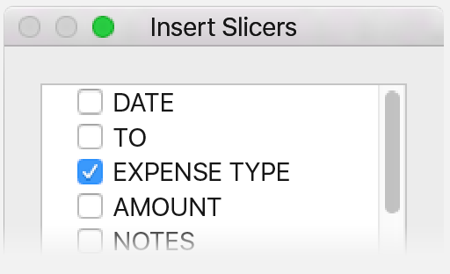
 |  | Trey Research | $40.00
 |  | Woodgrove Bank | $800.00
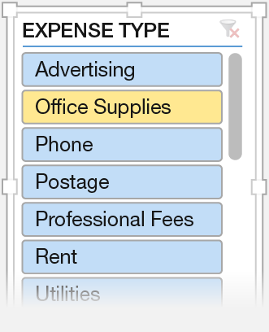
 |  | Total Disbursement | $3,458.00

5 | From the Expense Type slicer, select Office Supplies.
Next >

4. Chart Formatting
 | 2015 | Sep | Oct | Nov | Dec | 2016 | Jan | Feb | Mar
Advertising |  | 75 |  |  | 75 |  |  |  | 75
Office Supplies |  | 30 | 20 |  | 50 |  |  |  | 30
Phone |  | 82 | 82 | 82 | 82 |  | 96 | 82 | 82
Postage |  | 60 | 55 |  | 115 |  |  |  | 60
Professional Fees |  | 20 |  |  | 20 |  |  |  | 20
Rent |  | 200 | 200 | 200 | 200 |  | 200 | 200 | 200
Utilities |  | 100 | 75 | 110 | 100 |  | 55 | 145 | 100
Waste Removal |  |  |  | 40 |  |  |  | 40
Change up the look of your charts
Explore advanced chart formatting to quickly change how your charts look.
Try it:

1 | Select the chart by clicking on its border.

2 | Select Format on the ribbon, and make some changes. For example, turn the text blue by clicking the blue A.

3 | On the Chart Design tab in the ribbon, select the Quick Layout or Change Colors options to quickly change to a different chart layout or to modify chart colors.

Next >

