Sheet2
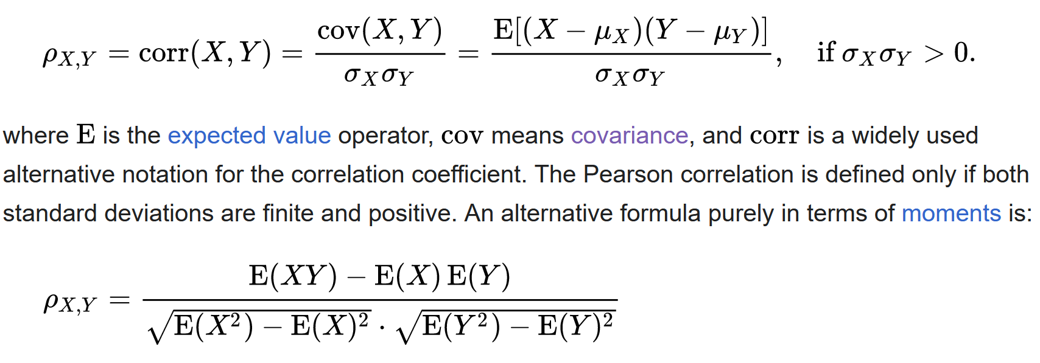
x | y | z | xy | x2 | y2 | x-xbar | y-ybar | z-zbar | xy
1 | 4 | 7 | 4 | 1 | 16 | -1.5 | -0.5 | 0.5
2 | 5 | 8 | 10 | 4 | 25 | -0.5 | 0.5 | 1.5
3 | 6 | 9 | 18 | 9 | 36 | 0.5 | 1.5 | 2.5
4 | 3 | 2 | 12 | 16 | 9 | 1.5 | -1.5 | -4.5
2.5 | 4.5 | 6.5 | 11 | 7.5 | 21.5

 |  |  |  |  |  | 1.6666666667 | -0.33333333333 | -2.3333333333
 |  |  |  |  |  |  | 1.6666666667 | 3.6666666667
 |  | -0.2 |  |  |  |  |  | 9.6666666667

 |  |  |  |  |  | 1 | -0.2 | -0.58131835898
 |  |  |  |  |  |  | 1 | 0.91350027839
 |  |  |  |  |  |  |  | 1

