工作表1
View 1
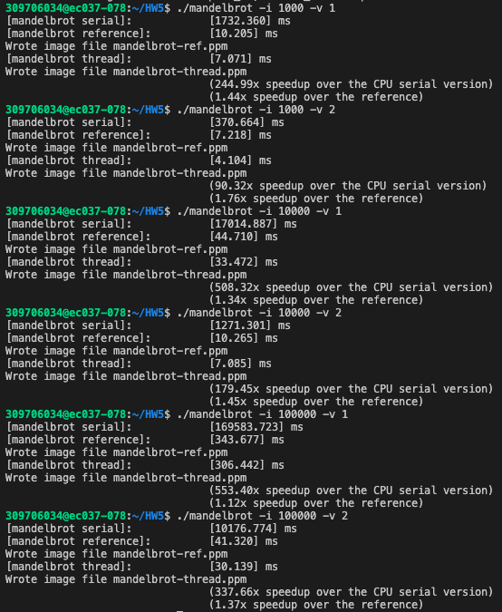
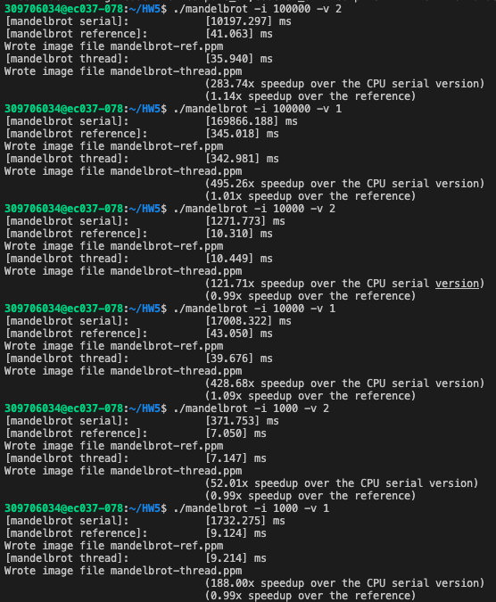
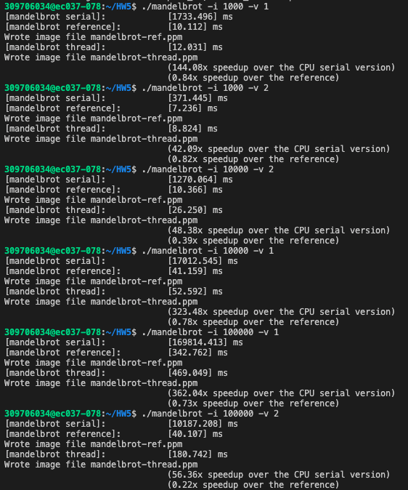
view1
 | 1000 | 10000 | 100000
method 1 | 7.071 | 33.472 | 306.442
method 2 | 9.214 | 39.676 | 342.981
method 3 | 12.031 | 52.592 | 469.049
method4 | 5.808 | 32.349 | 304.11

view2
 | 1000 | 10000 | 100000
method 1 | 4.104 | 7.085 | 30.139
method 2 | 7.147 | 10.449 | 35.94
method 3 | 8.824 | 26.25 | 180.742
method4 | 3.018 | 10.683 | 28.888

View 2

View 1
View 2

