1. Title Page
Data Analysis Project

Project Name: Instacart Data Analysis Project
Date:10.09.24
Analyst Name: Diksha Mantry

Contents:
Population Flow
Consistency checks
Wrangling steps
Column derivations
Visualizations
Recommendations

2. Population Flow
 | Title page

Population flow

Exclusion flag
Condition: max_order <
Obervations to be removed:
Final total count of order_products_all:

Orders_products_combined
Orders_products_merged
Orders_products_all

Total: 5152533 rows × 35 columns
Total:
Total: 5148030 rows × 40 columns
1048575, 22

1.) The grey boxes in the first row of the population flow represent the original data sets as they were when you downloaded them. In the Total fields you need to add the count of the rows when you imported the data set into Jupyter.
2.) The second row of boxes (coloured) represents the data sets after you manipulated them, e.g., removed missing values and duplicates. In the Total fields you need to add the count of the rows after conducting these operations. This offers a visual oveview of how the data flows throughout the data consistency checks.
3.) The third row, where also the arrows are coloured, represents the merges you performed between the datasets. In the Total fields you need to add the count of the rows in the merged datasets, so that you end up with the final dataset (in the red box). Keep in mind the final dataset should be without exclusions (based on the exclusion flag).

3. Consistency checks
 |  |  |  | Title page
Consistency checks

Dataset | Missing values | Missing values treatment | Duplicates
orders | Found | As all other values were unique so no change made | No dups
products | Found | Deleted | Deleted
orders_products_prior | Found | No action taken as unique | No dups
customers | found | F_names were missing but had uniqued surname. | No dups

4. Wrangling steps
 |  |  |  | Title page
Wrangling steps

Columns dropped | Columns renamed | Columns' type changed | Comment/Reason
All merge coloumns were dropped | Surnam was renamed to Surname | Order_id to string value | As order id was number when used to calculate count it was automaticall summed. Hence change it to text case like
Unnamed columns were dropped | Orders_day_of_week - order_dow
eval_set
Day analysis(as was duplicated)

5. Column derivations
 |  |  |  | Title page

Column derivations and aggregations

In this tab you should add tables below that the frequences of flags/label variables that you produced after deriving them. NB: don't do this for continuous variables, only for flags.
Dataset | New column | Column/s it was derived from | Conditions
df_final | Region | STATE | Evaluated on the basis of regions in wiki
df_final | Day Analysis | order_hour_of_day | On the basis of orders per hour
df_final | Busiest day | order_hour_of_day | On the basis of orders per hour
df_final | max_order | order_number | Count of max order per userID
df_final | loyalty_flag | order_number | Count of order number
df_final | price_range_loc | price | Segregated as high price product and low price product
df_final | busiest_period_of_day | order_hour_of_day | to derive which part of the day is when highest orders
df_final | type_of_spender | avg_price_per_userid | Segregated as high spender and low spender.
df_final | median_days_prior | days_since_prior_order | median
df_final | Frequency_flag | median of days_since_prior_order | Used median to calculate-'High Spender','Regular customer' and 'Frequent customer'
df_final | Activity | Count of order_id | If less than 5 orders then low activity else high activity
df_final | Income_Flag | Income | Based on income
df_final | hour_flag | order_hour_of_day | Divided time on the basis of Early morning,morning, afternoon, evening, night and late night
df_final | avg_price_per_userid | prices | mean

6. Visualizations
 |  |  |  |  |  |  | Title page

Visualisations

In this tab you should include all the visualtions from Exercises 4.9 and 4.10, alongside the questions from the project brief that they answer. Include any commentary on the relationship between different variables.

Exercise 4.9 Visualisations

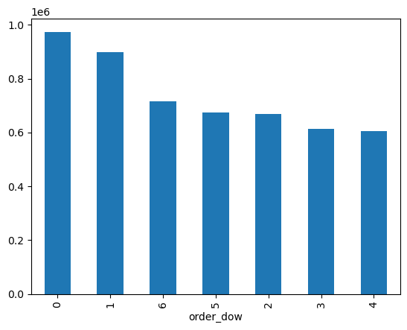

 | The bar shows the order day of the week i.e. which day of the week has the highest number of order from 0 to 6 wherein 0=Sunday,1=Monday, 2= Tuesday, 3= Wednesday, 4= Thursday , 5= Friday, 6= Saturday. The below bar shows different colours for different days of the week.

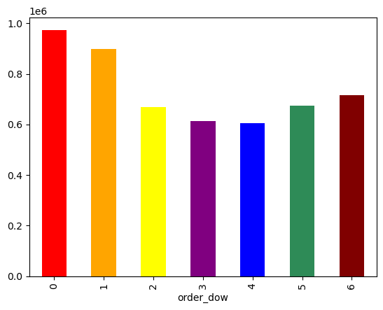

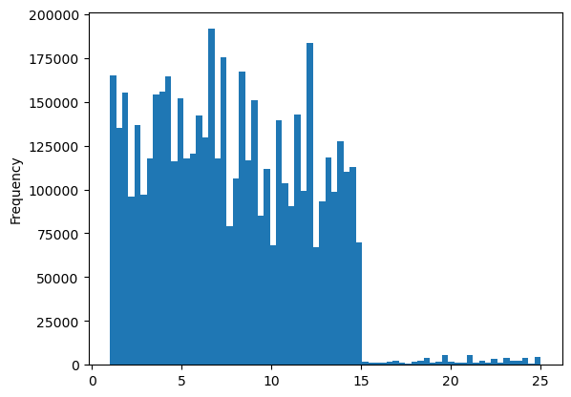

 |  | The histogram shows the prices of the products and number of products of the price

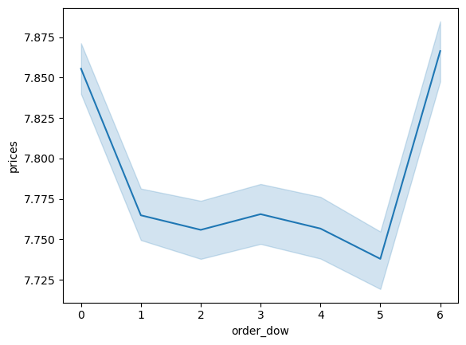

 |  | represents how prices differ depending on the day of the week. The peaks on days zero and six mean that most money is spent on Friday and Saturday. This might be due to people stocking up on things before the weekend.

Task 4.10 part 1

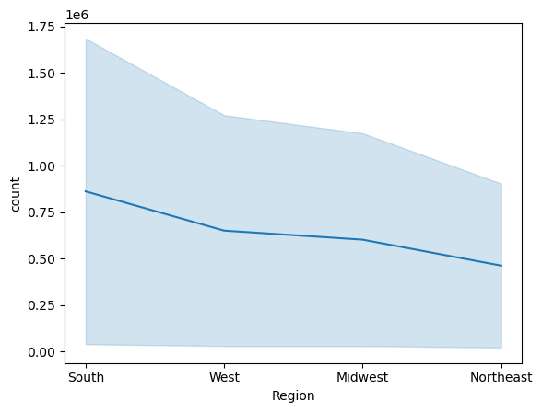

 |  | Region | Count
 |  | South 1723299
 |  | West 1301162
 |  | Midwest 1203753
 |  | Northeast 924319

 |  | Region wise number of order received

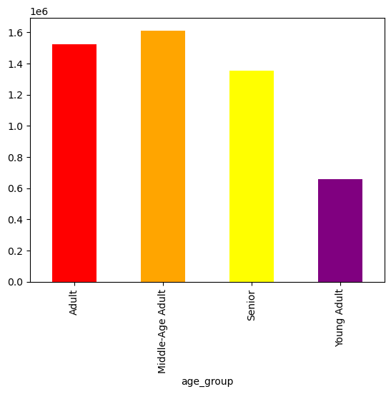

 |  | Age flags were created for different age groups and the number of orders places by them. The result showed that the most orders were placed by Mid-Age Adults.

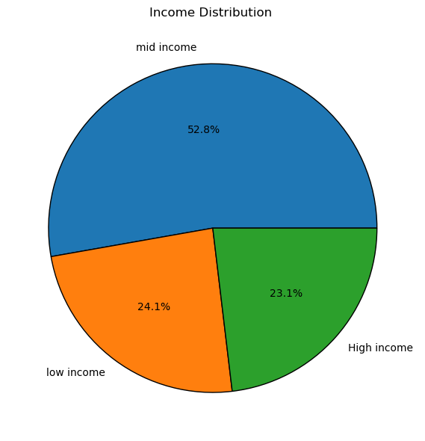

 |  | The bifurcation based on the Income of the customers.

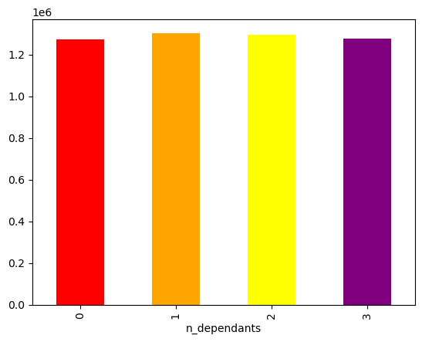

 |  |  | Number of dependents chart. To identify the type of customer and about their family.

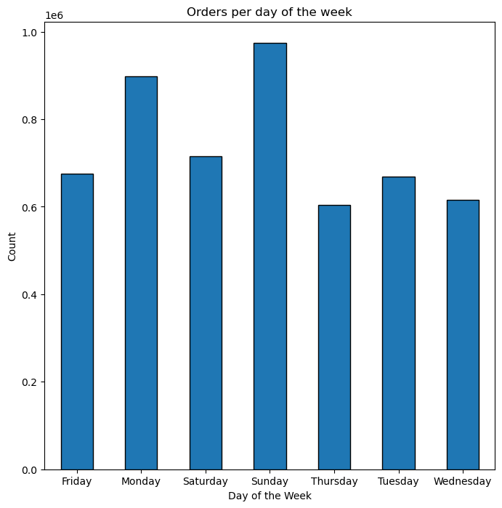
 |  |  | The bar shows the order day of the week i.e. which day of the week has the highest number of order.

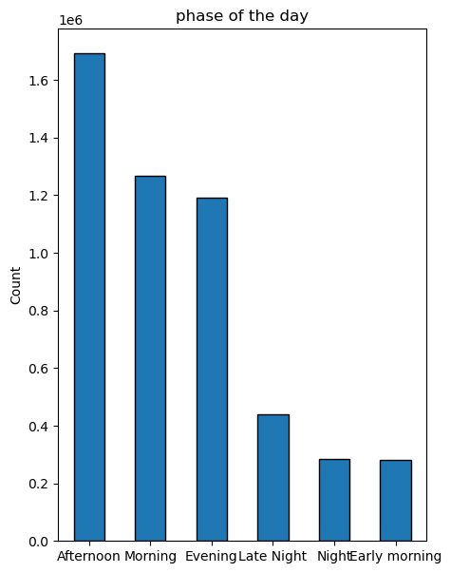
 | Phases of day flag was created on the basis of hour at which order has been placed. This helped in identifying peak time when the order was placed.

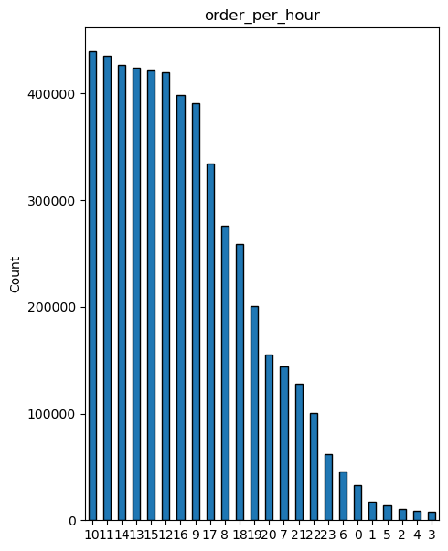
 |  | The bar is an extension to the above bar chart.It show the timings when the sales were high.i.e when the maximum orders were placed.

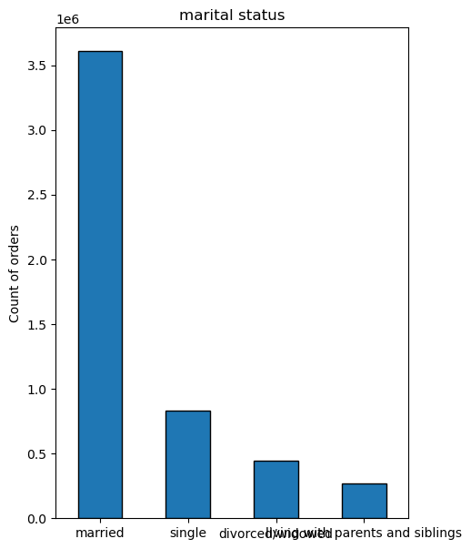
 | The bar shows customers profile on the basis of marital status.

 |  | This chart is an extenison to the above chart further bifurcating the marital status on the basis of the age group citeria. It helped in identifying the age group and family status of the customers with highest orders.
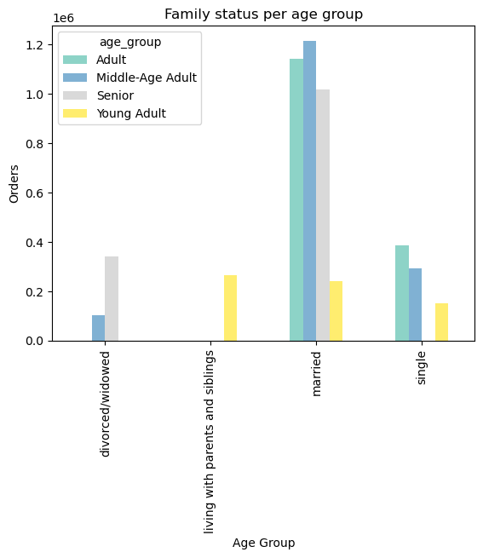

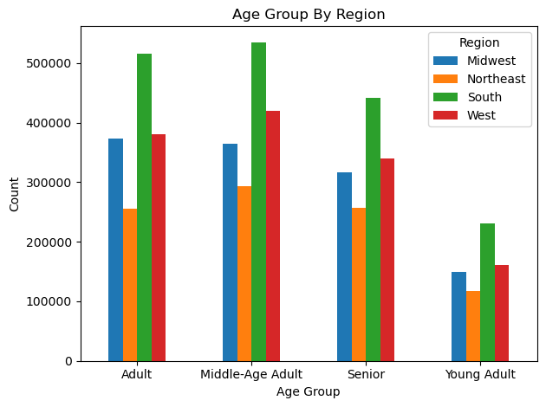
 |  |  | Region | Midwest | Northeast | South | West
 |  |  | age_group
 |  |  | Adult | 373428 | 255612 | 516325 | 380051
 |  |  | Middle-Age Adult | 363991 | 293416 | 535065 | 420233
 |  |  | Senior | 316899 | 257310 | 441477 | 340218
 |  |  | Young Adult | 149435 | 117981 | 230432 | 160660

 |  |  | Customer profile as per the count of orders and the region they are based on.

 |  |  | Customer profile as per the count of orders and the region they are based on.
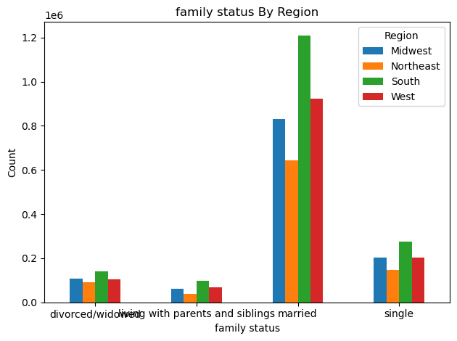

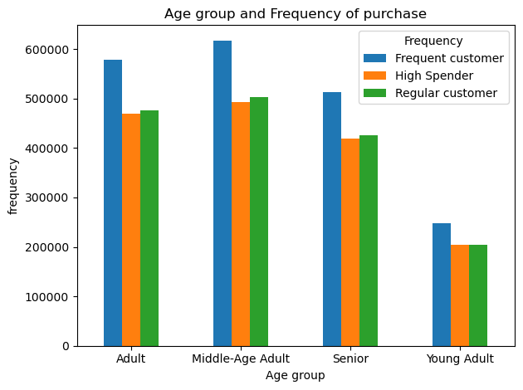

 |  |  | Frequency_flag | Frequent customer | High Spender | Regular customer
 |  |  | age_group
 |  |  | Adult | 578994 | 469801 | 476621
 |  |  | Middle-Age Adult | 617393 | 492322 | 502990
 |  |  | Senior | 512482 | 418555 | 424867
 |  |  | Young Adult | 248590 | 204943 | 204975

 |  |  | Age group and frequency of purchase.

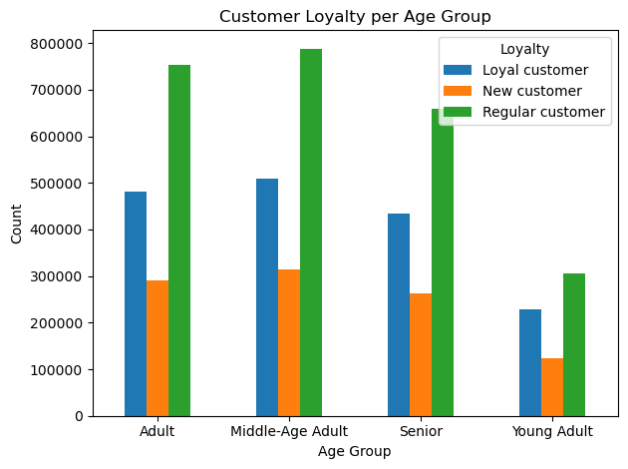
 |  |  | loyalty based on the age groups of customers.

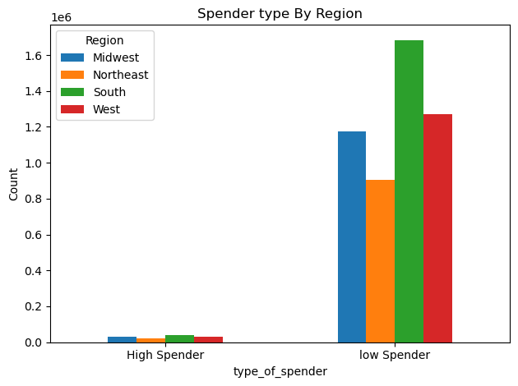

 |  |  | Type of spender on the basis of different regions.

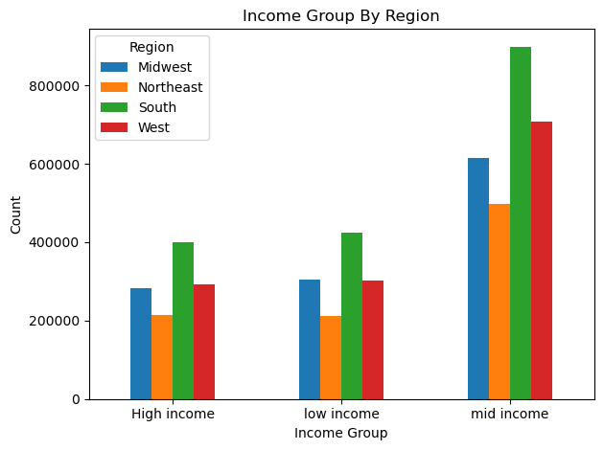
 |  |  | Income groups present in different regions.

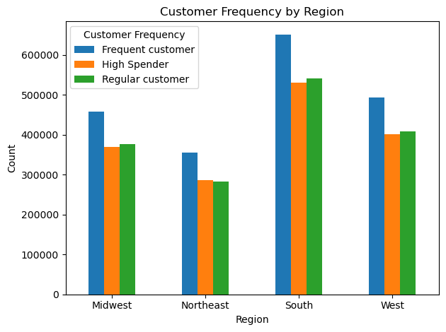
 |  |  | type of spending and frequency of customer on the basis of different regions.

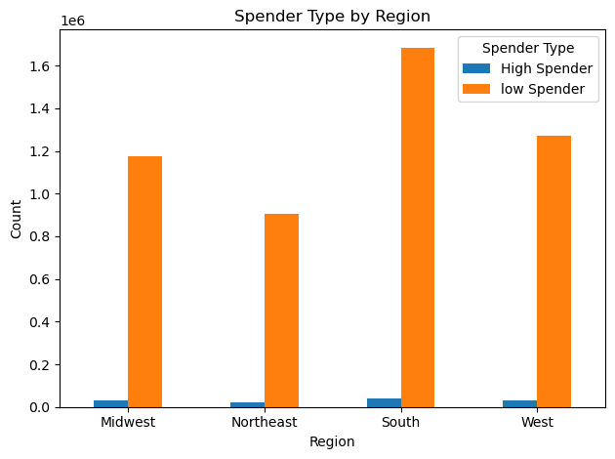

 |  |  | Type of spending habbits in different regions.

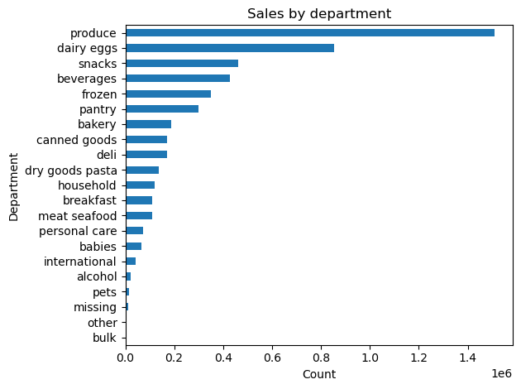
 |  |  | Sales in different departments

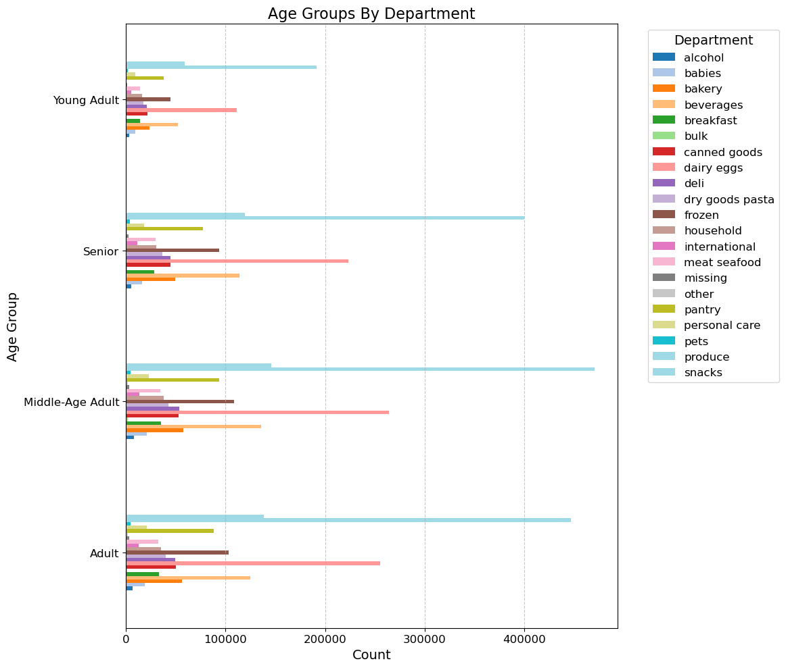
 |  |  |  |  |  |  | Age group and departmenst cross comparison i.e. in which department was most purhcase made by the specified ag groups.

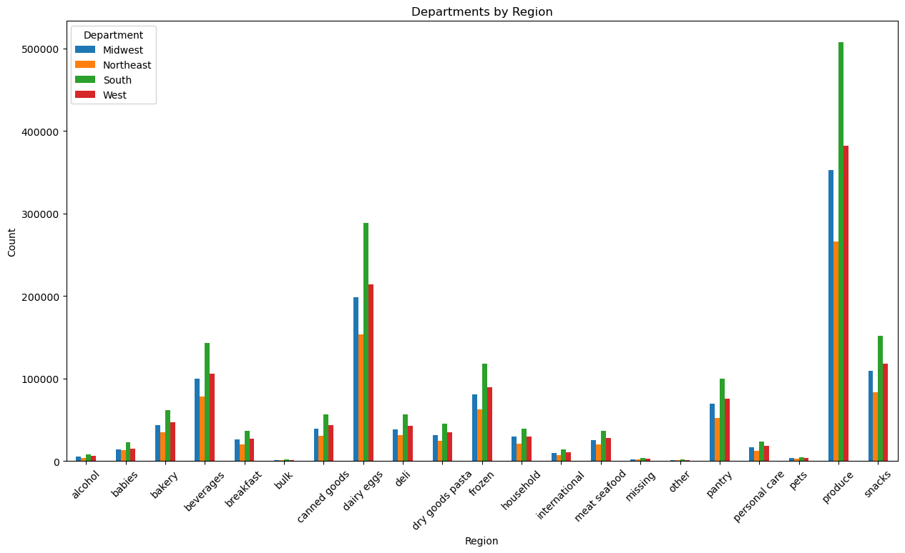
 |  |  |  |  |  |  |  | How different departments performed in different regions based on the orders placed

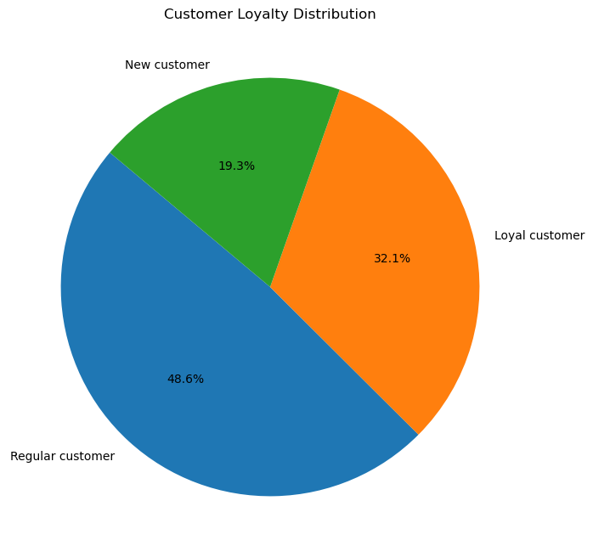
 |  |  | Here we have a pie chart showing the type of customers we have.

7. Recommendations
 |  |  | Title page

Recommendations

In this tab you should include any recommendations you would made to Instcart in terms of their marketing strategy based on the questions posed in the brief. Every key question has been covered in the Tasks of the Exercises - here you need to add an item - a visualisation or table/crosstable that is showing the answer in the data, acompanied by a comment from you. Please, list the questions below and add the answer underneath.

Question | Answer | Recommendations
Key Question 1 -The sales team needs to know what the busiest days of the week and hours of the day are (i.e., the days and times with the most orders) in order to schedule ads at times when there are fewer orders. | The busiest day is Sunday and busiest hours are of morning and afternoon from 10:00-16:00 | Creating a marketing strategy by doing more marketing in the morning and afternoon. And also on Sunday.The company can bring in special offers and promotions for customers on these times to increase the sales.
Key Question 2 -They also want to know whether there are particular times of the day when people spend the most money, as this might inform the type of products they advertise at these times. | peak hours are 10-11 and 11-12 in the morning. | Peak times are when the sales are highest. Hence we can increase the marketing on such times.
Key Question 3 - Instacart has a lot of products with different price tags. Marketing and sales want to use simpler price range groupings to help direct their efforts. | Pricing range made= low range, mid range and high range products. | Experimenting different marketing strategies like bulk order purchase or subscriptions which create an automatic renew date of placing order.More marketing of low range and mid range product to attract more customers as the high range products are generally for people with high income and they tend to create their own market value irrespective of marketing.
Key Question 4- Are there certain types of products that are more popular than others? The marketing and sales teams want to know which departments have the highest frequency of product orders. | Produce department and dairy product department tend to have highest sales. | This could be because of having higher and fresher stock of produce and dairy department and increased marketing and promotions.
Key Question 5= What’s the distribution among users in regards to their brand loyalty (i.e., how often do they return to Instacart)? | As per customer loyalty, we have made 3 groups New customers i.e. first time purchase, Loyal Customers who repurchase at regular intervals and Regular customers who after long time purchase again. The company as around 31% loyal customers. | In order to create Loyal customers out of regular customers, creating more subscription based memberships which provide cheaper products compared to market rates and consumers can create a one click buys or say monthly/weekly subsription of same. For New customers, we can focus on more attracting offers and promotions.
Key Question 6-Are there differences in ordering habits based on a customer’s loyalty status | Regular customers tend to buy low range products whereas loyal customers tend to buy mixed products. | Regular customers have more low range products, hence more promotion of low range products and loyal customers tend to buy mixed products hence we can create a marketing strategy for them so that they buy more high end products.
Key Question 7- Are there differences in ordering habits based on a customer’s region? | South region has shown highest sales as compared to the other regions. | Tailored marketing strategies for different region. For eg- South
Key Questin 8- Is there a connection between age and family status in terms of ordering habits? | Married people adult, mid aged and senior tend to order more as compare to other categories. | Tailored marketing strategies for specific demographics based on their spending habbits. For eg for married and people with high dependents focusing on more sanitization, fresh produce and dairy products. For unmarried focussing on more Alcohols and Beverages.

