Graph
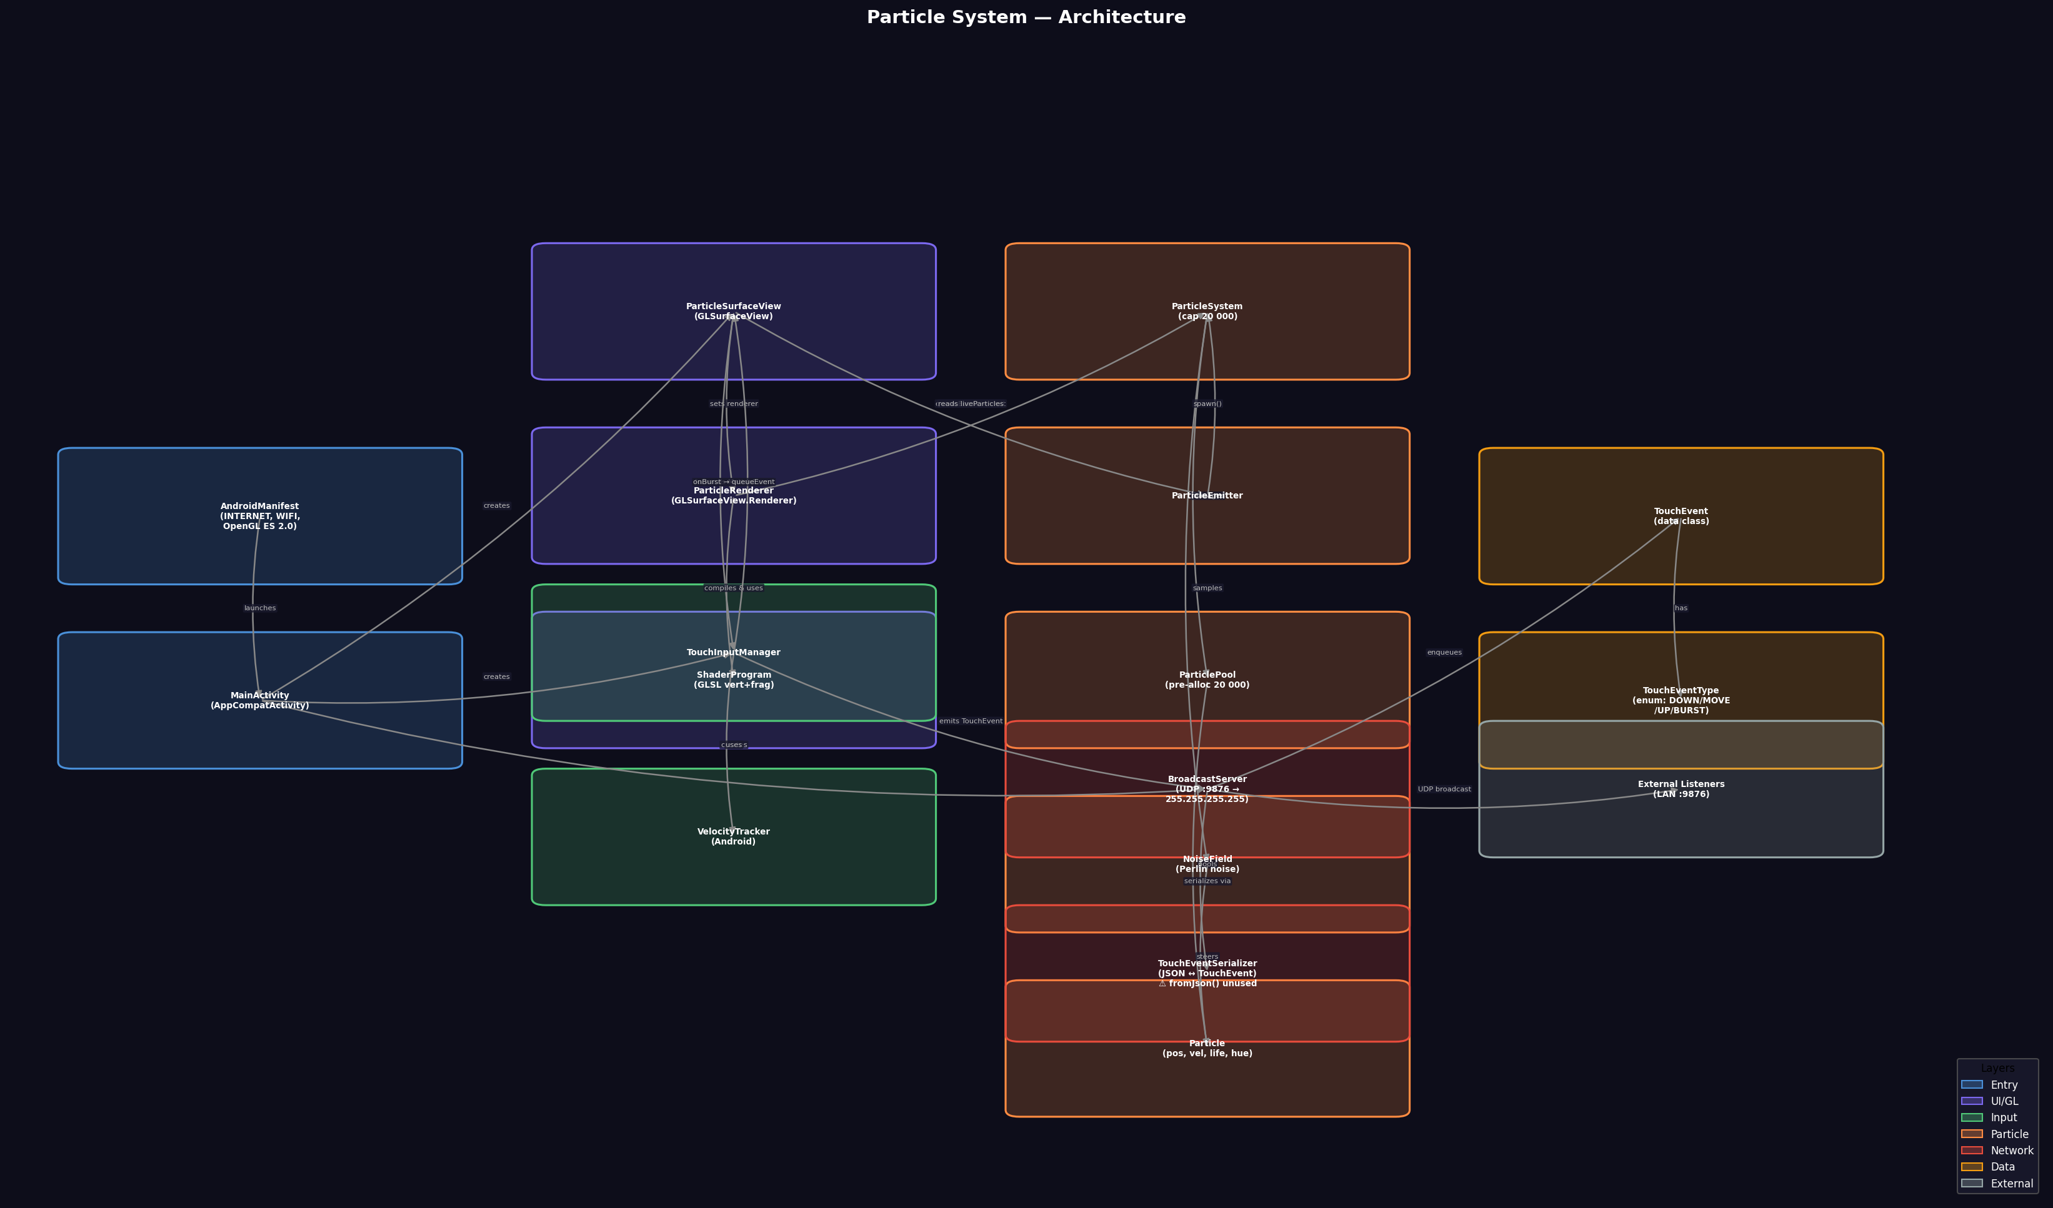
Particle System — Architecture Diagram

