Bug_report_1
Project Name | PlaceLab
Module Name | ROADS - Road Analysis
Reference Document | PlaceLab documentation
Created By | Manuela Delić
Date of creation | 31.05.2023.
Review date

Bug ID: Bug - #001
Overview | Bug Name (Title) | In Road report informations for specific widgets are missing
 | Bug Reporter | Manuela Delić
 | Test Scenario | Validating report analysis
 | Date/Time Submitted | 5/31/23
Prioritization | Bug Severity | Blocker | Critical | Major | Normal | Minor | Trivial
 |  |  |  |  |  | TRUE
 | Bug Prioritity | Top | High | Medium | Low | None
 |  |  |  | TRUE
 | Assigned to
 | Assigned on
 | Status | New
Details | Steps to reproduce | Step 1 | Step 2 | Step 3 | Step 4 | Step 5 | Step 6
 |  | Open page URL and login into PlaceLab application | Create Road analysis report | Check for report results | ... | ... | ...
 | Expected Result | Report results should contain informations for widgets: Analysis Info, Map, Road Status, Road Name Status, Navigable Roads, Direction of Travel, Roads with Reverse Orientation, Road Status (Pedestrian Mode), Pedestrian Navigable Roads.
 | Observed Result | Informations for these widgets are not provided for any of reports(used sample file and others): Roads with Reverse Orientation, Road Status (Pedestrian Mode), Pedestrian Navigable Roads.
 | What actions is this bug blocking? | Results of report are incomplete
Environment | Hardware | Dell laptop, Xiomi Redmi 10 Power
 | OS | Windows 10, Android 12 SKQ1.211103.001
 | Browsers | Chrome (v. 114.0.5735.90), Firefox (v. 113.0.2), Edge (v. 113.0.1774.57)
 | URL | https://demo.placelab.com/roads/road_analyses/182251
Notes |  | Screenshots of expected and actual results of are provided below this table

Table 6. Bug ticket #001

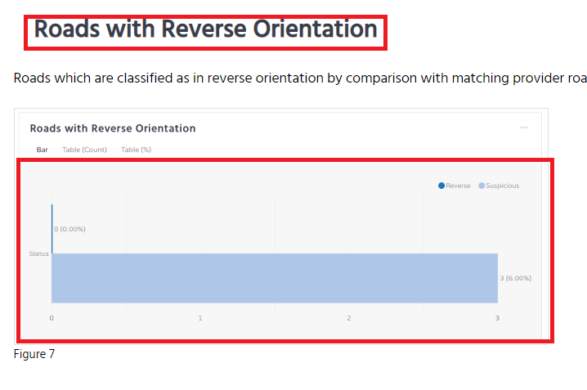
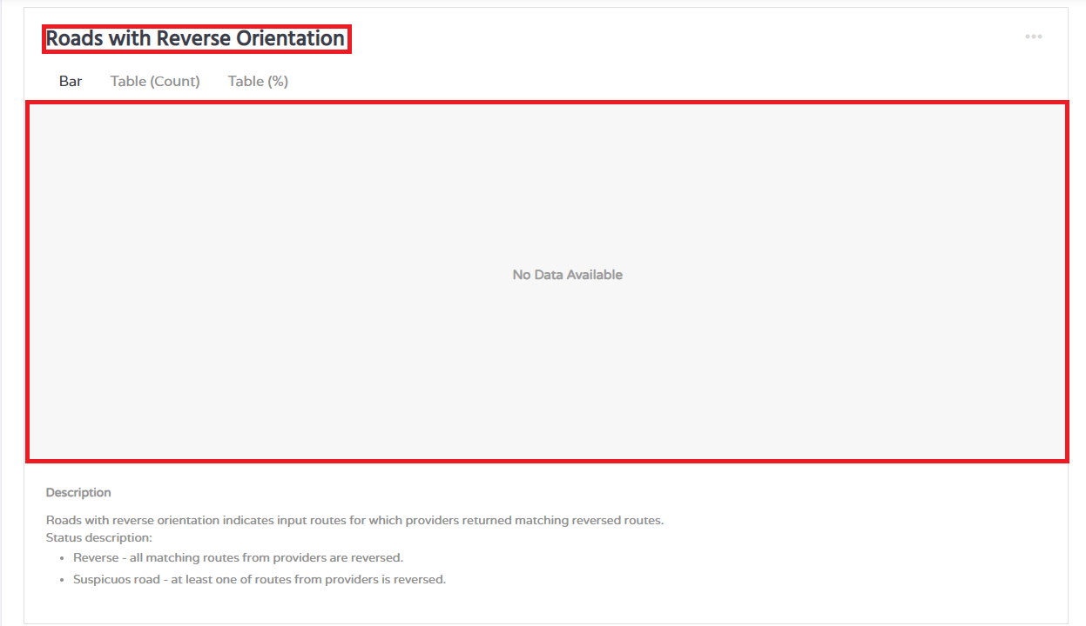

Screenshot 1. Expected (left) and actual (right) result for Roads with Reverse Orientation widget

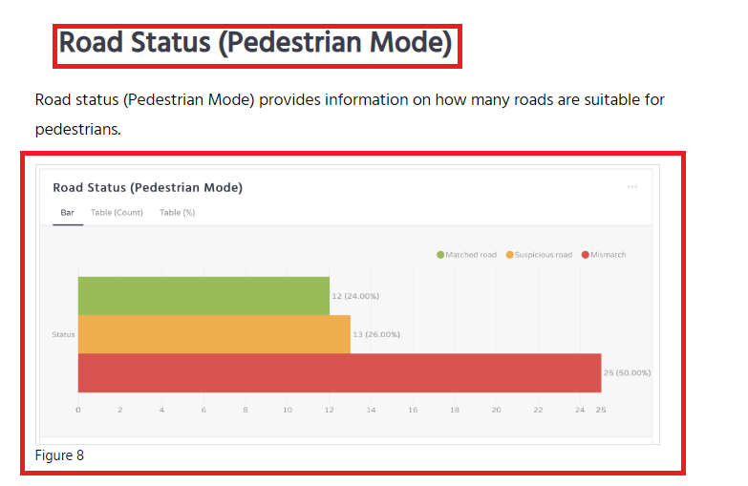
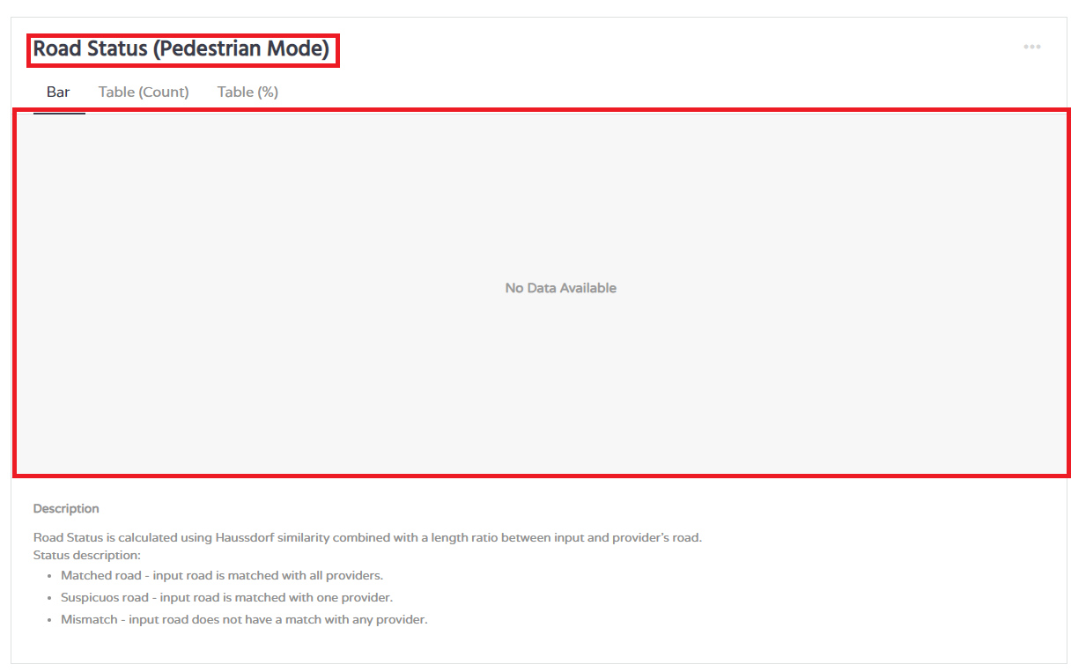

Screenshot 2. Expected (left) and actual (right) result for Roads status (Pedestrian mode) widget

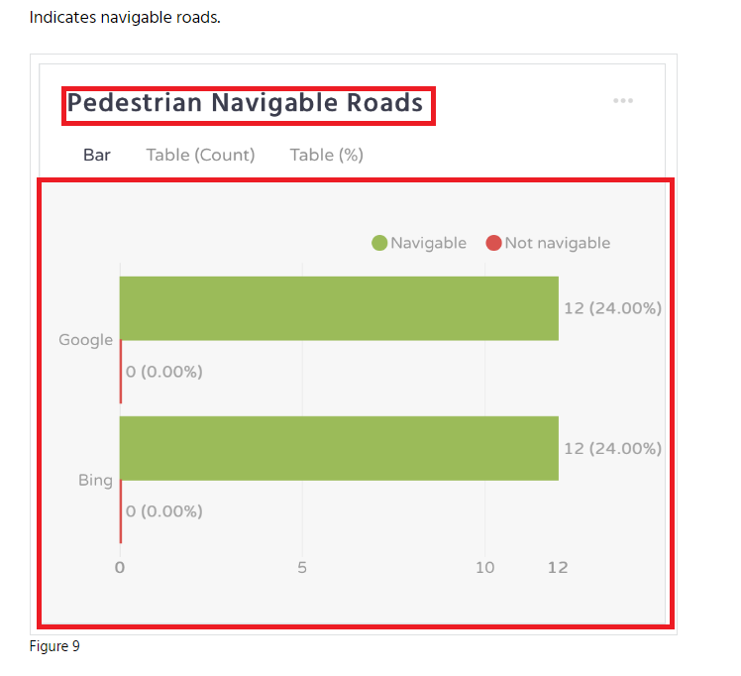
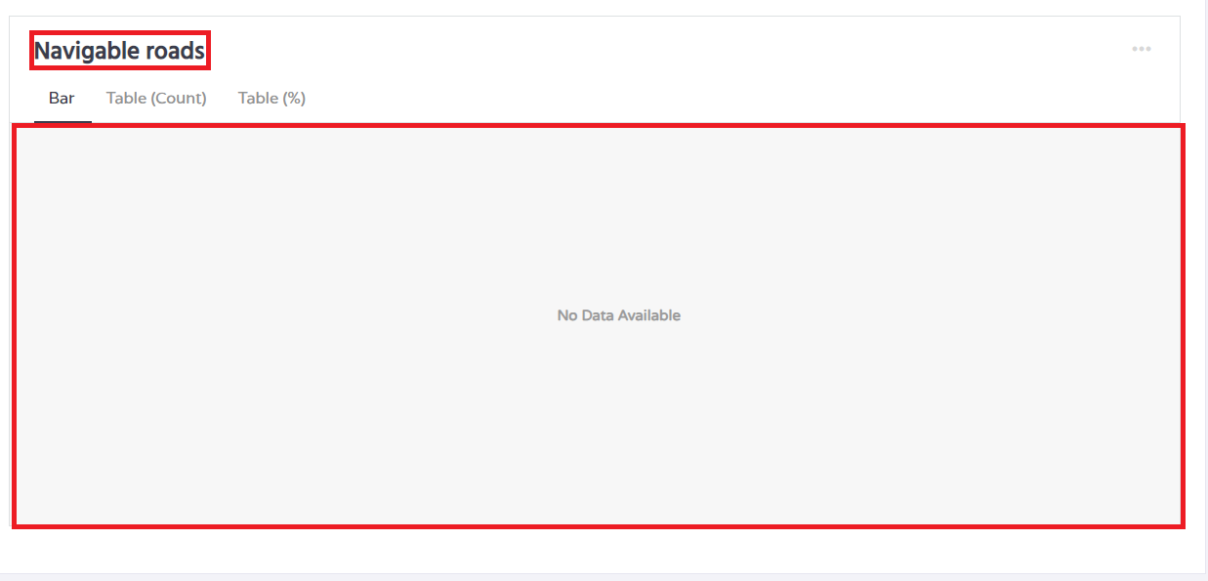

Screenshot 3. Expected (left) and actual (right) result for Navigable roads widget

Bug_report_2
Project Name | PlaceLab
Module Name | ROADS - Road Analysis
Reference Document | PlaceLab documentation
Created By | Manuela Delić
Date of creation | 31.05.2023.
Review date

Bug ID: Bug - #002
Overview | Bug Name (Title) | Warning message that is not specified in documentation is displaying
 | Bug Reporter | Manuela Delić
 | Test Scenario | Validating report analysis
 | Date/Time Submitted | 5/31/23
Prioritization | Bug Severity | Blocker | Critical | Major | Normal | Minor | Trivial
 |  |  |  |  | TRUE
 | Bug Prioritity | Top | High | Medium | Low | None
 |  |  | TRUE
 | Assigned to
 | Assigned on
 | Status | New
Details | Steps to reproduce | Step 1 | Step 2 | Step 3 | Step 4 | Step 5 | Step 6
 |  | Open page URL and login into PlaceLab app | Create Road analysis report | Check for report results | ... | ... | ...
 | Expected Result | User should be albe to check for report results without any warning messages at Queries page
 | Observed Result | When user opens Reports page or specific report message "You are not authorized to access the requested page" is displaying. (This bug was present before adding new features)
 | What actions is this bug blocking? | None
Environment | Hardware | Dell laptop, Xiomi Redmi 10 Power
 | OS | Windows 10, Android 12 SKQ1.211103.001
 | Browsers | Chrome (v. 114.0.5735.90), Firefox (v. 113.0.2), Edge (v. 113.0.1774.57)
 | URL | https://demo.placelab.com/queries
Notes |  | Screenshot of the bug is provided below this table

Table 7. Bug ticket #002

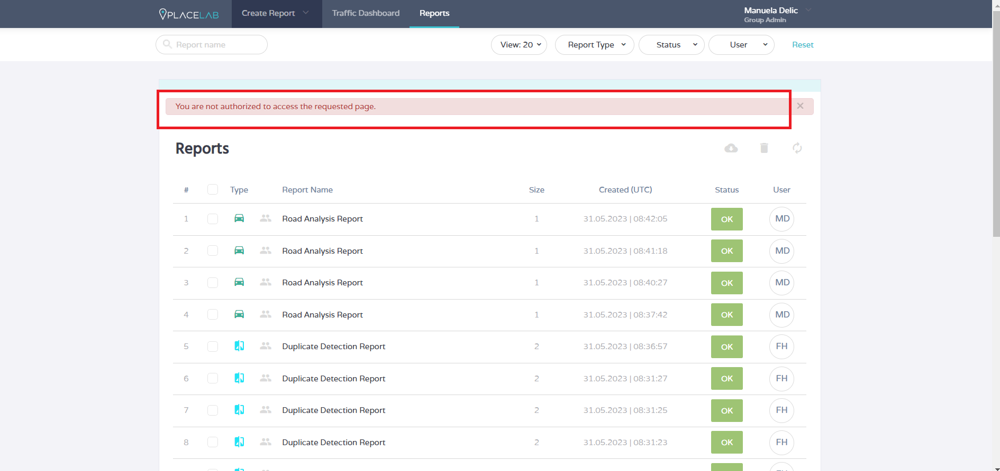

 |  |  | Screenshot 4. Bug_report #002

Enhancement ticket
Project Name | PlaceLab
Module Name | ROADS - Road Analysis
Reference Document | PlaceLab documentation
Created By | Manuela Delić
Date of creation | 31.05.2023.
Review date

Category | Label | Value | Value
Enhancement ID | ID number | #001 | #002 | #003
 | Name | Create Road analysis report button is enabled when using file with invalid geometry specifications | Name field should be mandatory | ROADS module in dropdown
 | Reporter | Manuela Delić | Manuela Delić | Manuela Delić
 | Submit date | 31.05.2023. | 31.05.2023. | 31.05.2023.
Enhancement overview | Summary | Message "Invalid File" should be displayed while user is trying to upload file with invalid geometry specifications and creation of the report should be disabled | When user is creating Road analysis report, name fields is optional and if it is not provided, it will be automatically same as the name of the upload file | Visually, the ROADS module's place in the dropdown menu should be in line with the other modules
Enviroment | Hardware | Dell laptop, Xiomi Redmi 10 Power | Dell laptop, Xiomi Redmi 10 Power | Dell laptop, Xiomi Redmi 10 Power
 | Operating System | Windows 10, Android 12 SKQ1.211103.001 | Windows 10, Android 12 SKQ1.211103.002 | Windows 10, Android 12 SKQ1.211103.003
 | Browser | Chrome (v. 114.0.5735.90), Firefox (v. 113.0.2), Edge (v. 113.0.1774.57) | Chrome (v. 114.0.5735.90), Firefox (v. 113.0.2), Edge (v. 113.0.1774.57) | Chrome (v. 114.0.5735.90), Firefox (v. 113.0.2), Edge (v. 113.0.1774.57)
Enhancement details | Steps to reproduce | 1. Open PlaceLab application in any browser 2. Enter valid credentials (email and password) for login into PlaceLab application 3. Open Road analysis Create a report page 4. Fill the report Enter report name (optional), upload Input Data file(invalid) and click on Create Report button to create the report | 1. Open PlaceLab application in any browser 2. Enter valid credentials (email and password) for login into PlaceLab application 3. Open Road analysis Create a report page 4. Fill the report Upload Input Data file(invalid) and click on Create Report button to create the report | 1. Open PlaceLab application in any browser 2. Enter valid credentials (email and password) for login into PlaceLab application 3. Open dropdown menu at homepage

 | Expected result | Warning message "Invalid File" should be displayed and Create report button should be disabled | Report name should be mandatory and unique for this kind of reports | ROADS module should be in line with other modules
 | Actual result | Create Report button is enabled but Invalid File message is shown at Reports page as Report status | User name is not mandatory | ROADS module is below Data Quality module
Enhancement tracking | Severity | High | Minor | Medium
 | Assigned to
 | Priority | 1 | 4 | 2
Notes | Notes | Screenshot is provided below this table | Screenshot is provided below this table | Screenshot is provided below this table
Table 8. Enhancement tickets

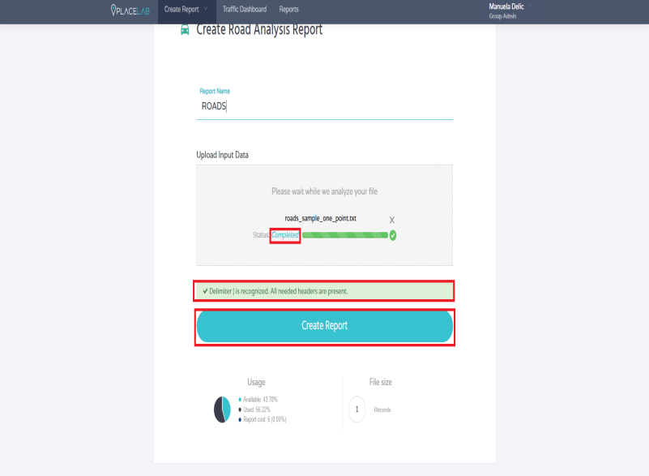



 |  | Screenshot 5. Enhancement #001

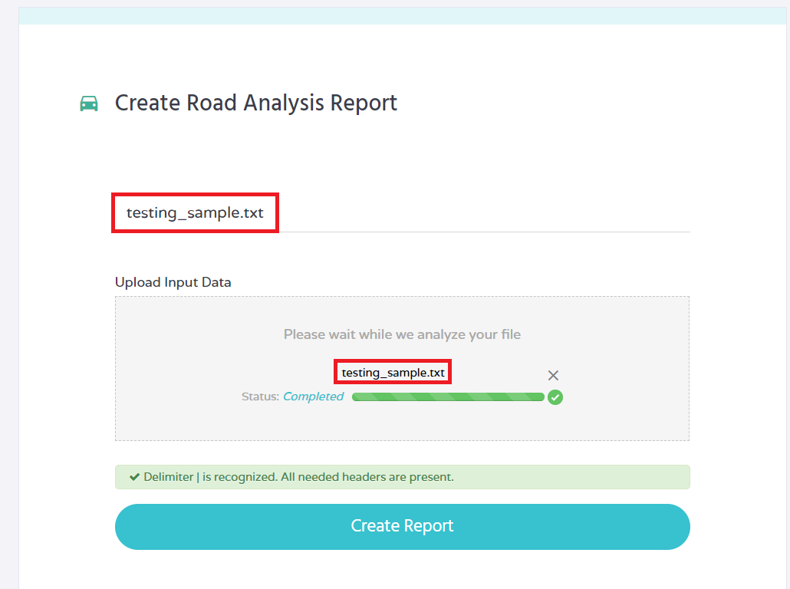

 |  | Screenshot 6. Enhancement #002



 |  | Screenshot 7. Enhancement #003

