Cover Page

Calculator ™
Value Acceleration
a

Version 7.0

PART 1 - Data Input & Sellabili
Data Input & Sellability

 | Company Information |  |  |  | Results
 | Company |  |  |  | Score |  |  | 76.62%
 | Industry |  |  |  | Grade |  |  | B
 | NAICS Code | #N/A |  |  | Probability of Sale |  |  | High

 | STEP 1 - Risk Analysis
 | # | Question |  |  |  | Answer | Score | Explanation
 | 1 | When is your fiscal year end?
 | 2 | Is your business incorporated? |  |  |  | Yes | 5 | #REF!
 | 3 | Did your company report profit last year? |  |  |  | Yes | 5 | #REF!
 | 3 | Did your company make profit in the last six months? |  |  |  | Yes | 5 | #REF!
 | 4 | What was your financial trend over the last five years? |  |  |  | Modest YOY Steady Growth | 4 | #REF!
 | 5 | How many years of clean accountant-generated financials do you have? |  |  |  | 2 years | 3 | #REF!
 | 6 | Do you have a general manager that runs the business? |  |  |  | No | 1 | #REF!
 | 7 | Is your business project-based? |  |  |  | Yes | 1 | #REF!
 | 8 | What percent of sales does your largest customer represent? |  |  |  | Between 5%-15% | 3 | #REF!
 | 9 | How many hours a week do you work "IN" the business? |  |  |  | 20 - 30 | 3 | #REF!
 | 10 | How much time is left on your lease, including renewal periods? |  |  |  | Over 10 years | 5 | #REF!
 | 11 | How long has your company been running? |  |  |  | Over 15 years | 4 | #REF!
 | 12 | What best describes your business operating system? |  |  |  | Customized CRM | 4 | #REF!
 | 13 | How do your customers pay you? |  |  |  | 30 - 90 day terms | 2 | #REF!
 | 14 | (For Advisor) Number of single points of failure (SPOF)? |  |  |  | 2 | -3 | #REF!
 | 15 | What do you need to sell your business for? Please explain. |  | Off |  |  | 5 | #REF!
 |  |  |  |  |  | Total | 47

 | STEP 2 - Earnings Analysis
 | # | Question |  | Baseline Margins | Baseline | From Financials | Margins | Explanation
 | 1 | What was your top line revenue last year? |  | 100% |  | $8,000,000.00 | 1 | #REF!
 | 2 | What was your pre-tax profit last year? |  | 7.50% | $0.00 | $1,250,000.00 | 15.63% | #REF!
 | 3 | What was your amortization/depreciation last year? |  | 1% | $0.00 | $50,000.00 | 0.63% | #REF!
 | 4 | What was your long-term interest expense last year? |  | 1% | $0.00 | $0.00 | 0.00% | #REF!
 | 5 | What was your discretionary spending last year? |  | 2% | $0.00 | $60,000.00 | 0.75% | #REF!
 | 6 | Do you pay yourself a salary above or below market rate? |  |  |  | -$50,000.00 |  | #REF!
 | 7 | Does your company pay market rate rent to yourself or the holdco? |  |  |  | $0.00 |  | #REF!

 |  |  |  |  |  | EBITDA | $1,310,000
 |  |  |  |  |  | EBITDA Margin | 16.38%
 |  |  |  |  |  | Size Score | 12

 | STEP 3 - EBITDA Multiples
 | # | Question |  |  |  | From Financials |  | Explanation
 | 1 | What multiples would you like to use? |  |  | Use Custom Multiple |  |  | #REF!
 | 2 | Would you like risk weighting on or off? |  |  | Risk Weighting On
 | 3 | Is the company Canadian? |  |  | No
 | 4 | Custom Multiple |  |  | 3.0

 | Multiple Type |  | 10th Percentile | 25th Percentile | Median | 75th Percentile | 90th Percentile | Mean
 | Common Multiples |  | 1.5 | 2 | 3.5 | 5 | 8 | 3.5
 | Industry Specfic Multiples |  | 1.7 | 2.7 | 4.0 | 5.7 | 8.7 | 4.0
 |  |  | Ebitda Multiple Used | No Risk Weight | Yes Risk Weight | Risk Weighted EBITDA Multiple |  | 4.25
 |  |  | 4.85 | 4.0 | 4.85
 |  |  |  |  |  | EBITDA Multiple Used |  | 3.00
© OpnRoad 2023

PART 2 - Value Acceleration Cal
Current Value
Value Acceleration Calculator ™
Potential Value
 |  |  | $3,930,000 |  |  |  |  |  |  |  |  |  |  |  | $12,825,000

 |  | Target Size Increase |  | 25% |  | Target Efficiency Increase |  | 5% |  | Target EBITDA Increase |  | 100%

 | Size |  |  |  | Efficiency |  |  |  | Multiple (Risk) |  |  |  | Forecasted P&L

 |  | EBITDA |  |  |  | EBITDA |  |  |  | EBITDA |  |  |  | Forecasted P&L
 |  | Revenue | $10,000,000 | 100.0% |  | Revenue | $8,000,000 | 100.0% |  | Revenue | $8,000,000 | 100.0% |  | Revenue | $10,000,000 | 100.0%
 |  | COGS & Operating Expenses | $8,437,500 | 84.4% |  | COGS & Operating Expenses | $6,350,000 | 79.4% |  | COGS & Operating Expenses | $6,750,000 | 84.4% |  | COGS & Operating Expenses | $7,937,500 | 79.4%
 |  | Profit | $1,562,500 | 15.63% |  | Profit | $1,650,000 | 20.63% |  | Profit | $1,250,000 | 15.63% |  | Profit | $2,062,500 | 20.63%
 |  | Adj. EBITDA | $1,637,500 | 16.4% |  | Adj. EBITDA | $1,710,000 | 21.4% |  | Adj. EBITDA | $1,310,000 | 16.4% |  | Adj. EBITDA | $2,137,500 | 21.4%

 |  | Adjusted Value |  |  |  | Adjusted Value |  |  |  | Adjusted Value |  |  |  | Forecasted Value
 |  | Multiple |  | 3.00 |  | Multiple |  | 3.00 |  | Multiple |  | 6.00 |  | Multiple |  | 6.00
 |  | Adjusted Value |  | $4,912,500 |  | Value |  | $5,130,000 |  | Value |  | $7,860,000 |  | Sale Price |  | $12,825,000

 |  | Value Created |  |  |  | Value Created |  |  |  | Value Created |  |  |  | Forecasted Growth
 |  | Sale Price Growth % | 25.00% |  |  | Sale Price Growth % | 30.53% |  |  | Sale Price Growth % | 100.00% |  |  | Sale Price Growth % |  | 226.3%
 |  | Sale Price Increase | $982,500 |  |  | Sale Price Increase | $1,200,000 |  |  | Sale Price Increase | $3,930,000 |  |  | Sale Price Increase |  | $8,895,000

Sale Price Probability
Potential Growth

© OpnRoad 2023

PART 3 - Wealth Gap Calculator
Wealth Gap Calculator ™

 | Step 1 - Current Scenario |  |  |  |  | Step 2 - Exit Goals |  |  |  | Step 4 - Business Sale Price Target

 | Current Annual Income |  |  |  |  | Goals |  |  |  | Required Business Sale Price to Fund Portfolio
 | Dividends |  |  | $250,000 |  | Desired Post Sale Annual Income |  | $400,000 |  | Ownership Percentage | 100%
 | Wages |  |  | $0 |  | Desired Exit Timeline (Years) |  | 5.00 |  | Historical Annual Growth Rate | 3%
 | Personal Expenses Covered by the Business |  |  | $50,000 |  |  |  |  |  | Long-Term Business Debt | $0
 | Other Passive Income |  |  | $100,000 |  |  |  |  |  | Net Proceeds Required After Debt Considerations | $2,425,000
 | Total Current Annual Income |  |  | $400,000 |  | Step 3 - Wealth Gap Calculation |  |  |  | Estimated Professional Fees & Taxes as % | 10%
 |  |  |  |  |  |  |  |  |  | Target Business Revenue | $5,430,025
 |  |  |  |  |  | Investment Portfolio Size
 | Current Liquid Assets |  |  |  |  | Replacement Income Required |  | $300,000 |  | Target Business Sale Price | $2,667,500
 | Cash or Liquid Assets Available to Invest |  |  | $1,500,000 |  | Return on Portfolio |  | 7.50%
 | Non-Mortgage Debt |  |  | $75,000 |  | Required Size of Investment portfolio |  | $4,000,000
 | Net Available Assets |  |  | $1,425,000 |  | Gap to Fully Fund Portfolio |  | $2,425,000

 |  |  |  |  | User Entered
 | Current Years to Exit |  |  |  |  | Step 5 - Exit Planning

 | Growth Rate | Profit Margin | Multiple | Years to Exit |  | Growth Rate | Profit Margin | Multiple | Years to Exit
 | 3.00% | 15.63% | 3.00 | -13.11 |  | 5.00% | 10.00% | 4 | -5.21
 |  |  |  |  |  | 3.00% | 20.63% | 6.00

 | Current Situation |  |  | Margin |  | Goal Situation |  |  | Margin
 | Revenue | $8,000,000 |  | 100.00% |  | Revenue | $6,203,488 |  | 100.00%
 | Profit | $1,250,000.00 |  | 15.63% |  | Profit | $620,349 |  | 10.00%
 | EBITDA | $1,310,000.00 |  | 16.38% |  | EBITDA | $666,875 |  | 10.75%

 | Year | Revenue | EBITDA | Sale Price |  | Year | Revenue | EBITDA | Sale Price
 | 0 | $8,000,000 | $1,250,000 | $3,750,000 |  | 0 | $8,000,000 | $1,250,000 | $5,000,000
 | 1 | $8,240,000 | $1,349,300 | $4,047,900 |  | 1 | $8,400,000 | $903,000 | $3,612,000
 | 2 | $8,487,200 | $1,389,779 | $4,169,337 |  | 2 | $8,820,000 | $948,150 | $3,792,600
 | 3 | $8,741,816 | $1,431,472 | $4,294,417 |  | 3 | $9,261,000 | $995,558 | $3,982,230
 | 4 | $9,004,070 | $1,474,417 | $4,423,250 |  | 4 | $9,724,050 | $1,045,335 | $4,181,342
 | 5 | $9,274,193 | $1,518,649 | $4,555,947 |  | 5 | $10,210,253 | $1,097,602 | $4,390,409
 | 6 | $9,552,418 | $1,564,209 | $4,692,626 |  | 6 | $10,720,765 | $1,152,482 | $4,609,929
 | 7 | $9,838,991 | $1,611,135 | $4,833,404 |  | 7 | $11,256,803 | $1,210,106 | $4,840,425
 | 8 | $10,134,161 | $1,659,469 | $4,978,406 |  | 8 | $11,819,644 | $1,270,612 | $5,082,447
 | 9 | $10,438,185 | $1,709,253 | $5,127,759 |  | 9 | $12,410,626 | $1,334,142 | $5,336,569
 | 10 | $10,751,331 | $1,760,530 | $5,281,591 |  | 10 | $13,031,157 | $1,400,849 | $5,603,398
 | 11 | $11,073,871 | $1,813,346 | $5,440,039 |  | 11 | $13,682,715 | $1,470,892 | $5,883,567
 | 12 | $11,406,087 | $1,867,747 | $5,603,240 |  | 12 | $14,366,851 | $1,544,436 | $6,177,746
 | 13 | $11,748,270 | $1,923,779 | $5,771,337 |  | 13 | $15,085,193 | $1,621,658 | $6,486,633
 | 14 | $12,100,718 | $1,981,493 | $5,944,478 |  | 14 | $15,839,453 | $1,702,741 | $6,810,965
 | 15 | $12,463,739 | $2,040,937 | $6,122,812 |  | 15 | $16,631,425 | $1,787,878 | $7,151,513
 | 16 | $12,837,652 | $2,102,165 | $6,306,496 |  | 16 | $17,462,997 | $1,877,272 | $7,509,089
 | 17 | $13,222,781 | $2,165,230 | $6,495,691 |  | 17 | $18,336,147 | $1,971,136 | $7,884,543
 | 18 | $13,619,464 | $2,230,187 | $6,690,562 |  | 18 | $19,252,954 | $2,069,693 | $8,278,770
 | 19 | $14,028,048 | $2,297,093 | $6,891,279 |  | 19 | $20,215,602 | $2,173,177 | $8,692,709
 | 20 | $14,448,890 | $2,366,006 | $7,098,017 |  | 20 | $21,226,382 | $2,281,836 | $9,127,344
 | 21 | $14,882,357 | $2,436,986 | $7,310,958 |  | 21 | $22,287,701 | $2,395,928 | $9,583,711
 | 22 | $15,328,827 | $2,510,095 | $7,530,286 |  | 22 | $23,402,086 | $2,515,724 | $10,062,897
 | 23 | $15,788,692 | $2,585,398 | $7,756,195 |  | 23 | $24,572,190 | $2,641,510 | $10,566,042
 | 24 | $16,262,353 | $2,662,960 | $7,988,881 |  | 24 | $25,800,800 | $2,773,586 | $11,094,344
 | 25 | $16,750,223 | $2,742,849 | $8,228,547 |  | 25 | $27,090,840 | $2,912,265 | $11,649,061

© OpnRoad 2023

Single Points of Failure
Single Points of Failure Explained

 | Types of Single Points of Failure (SPOF) |  |  | Explanation
 | NAME | SEVERITY | DESCRIPTION | Single points of failure (SPOF) in a company refer to components, processes, or dependencies that, if they fail, can disrupt the entire operation. Identifying and mitigating SPOFs is crucial for ensuring business continuity. Here are some common examples of SPOFs that a company can have:
 | Key Personnel | High | If the company heavily relies on one or a few individuals with critical skills or knowledge, their absence due to illness, resignation, or any other reason can be a significant SPOF.
 | Customer Concentration | Very High | If the company has a single customer which is greater than 15% of annual revenue, the loss of this customer could be catastrophic.
 | Supply Chain | High | Reliance on a single supplier for critical materials or components can create a SPOF. If that supplier encounters problems, it can disrupt production and supply.
 | Commodity Based | High | If the company is heavily reliant on a specific commodity, a spike or drop in the commodity price, could cause the company to go under.
 | Equipment Reliance | Medium | If the company is reliant on a single piece of equipment or machinery to produce a product or service, and the equipment becomes inoperable, this will lead to downtime. | Mitigate Single Points of Failure
 | Geography | Medium | If a company operates from a single geographic location and that location becomes inaccessible due to a disaster or other factors, it can result in a major disruption. | To mitigate SPOFs, companies often employ strategies such as redundancy, disaster recovery planning, diversifying suppliers, cross-training employees, and implementing robust cybersecurity measures. Identifying and addressing SPOFs is an ongoing process to ensure business continuity and resilience.
 | Data Centers | Medium | If all of a company's data and services are hosted in a single data center, any issues like power outages, natural disasters, or network failures at that data center could result in a major disruption.
 | IT Security | High | If a company lacks robust security measures, a breach or cyberattack can compromise sensitive data and disrupt operations.
 | Network Connectivity | Medium | Dependency on a single internet service provider (ISP) or a single network connection can be a SPOF. If that connection fails, it can cut off the company from external resources, customers, and even its own remote offices.
 | Software Dependencies | High | When a company relies on specific software applications, and there's no contingency plan or alternative software available, a software failure can be a SPOF. | Industry Data Links
 | Power Supply | Medium | If the company doesn't have backup power sources (like generators or uninterruptible power supplies) and relies solely on the local power grid, a power outage can disrupt operations. | SOURCE | LINK
 | Third-Party Service Providers | Medium | If a company heavily relies on third-party vendors for essential services like cloud hosting, payment processing, or customer support, a failure or downtime on the part of these vendors can affect the company. | Business Valuation Resources | https://www.bvresources.com/
 | Hardware Components | Medium | If a company relies on a single server, router, or other critical hardware component without redundancy, a failure in that component can lead to system downtime. | Business Reference Guide | https://www.businessrg.com/
 | Regulatory Compliance | High | Not adhering to industry regulations and standards can expose a company to legal issues and potential shutdowns. | Peer Comps | https://gvalue.com/peer-comps/
 | Financial Dependencies | Medium | If a company depends on a single source of funding, like a major investor or a specific client, the loss of that source can be a financial SPOF. | Vertical IQ | https://verticaliq.com/
 | Industry Activity | High | Is the industry at the end of its lifecycle or rapidly shrinking | ValueSource | https://www.valusource.com/
 |  |  |  | BizMiner | https://bizminer.com/

© OpnRoad 2023

Contact


© OpnRoad 2023

Instructions
Instructions

 | VIDEO 1 - WHY & HOW TO USE | VIDEO 2 - DETERMINING SELLABILITY

 | CLICK HERE TO PLAY VIDEO | CLICK HERE TO PLAY VIDEO
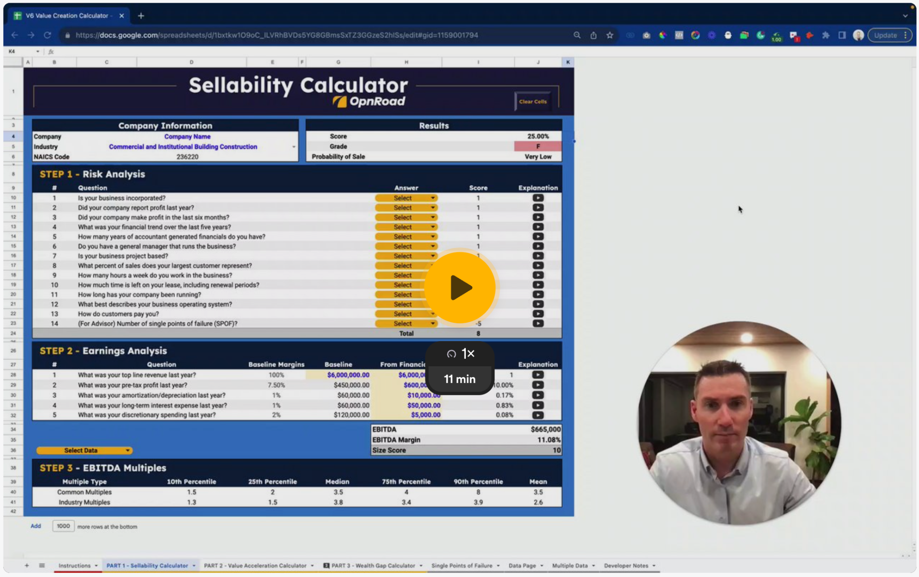
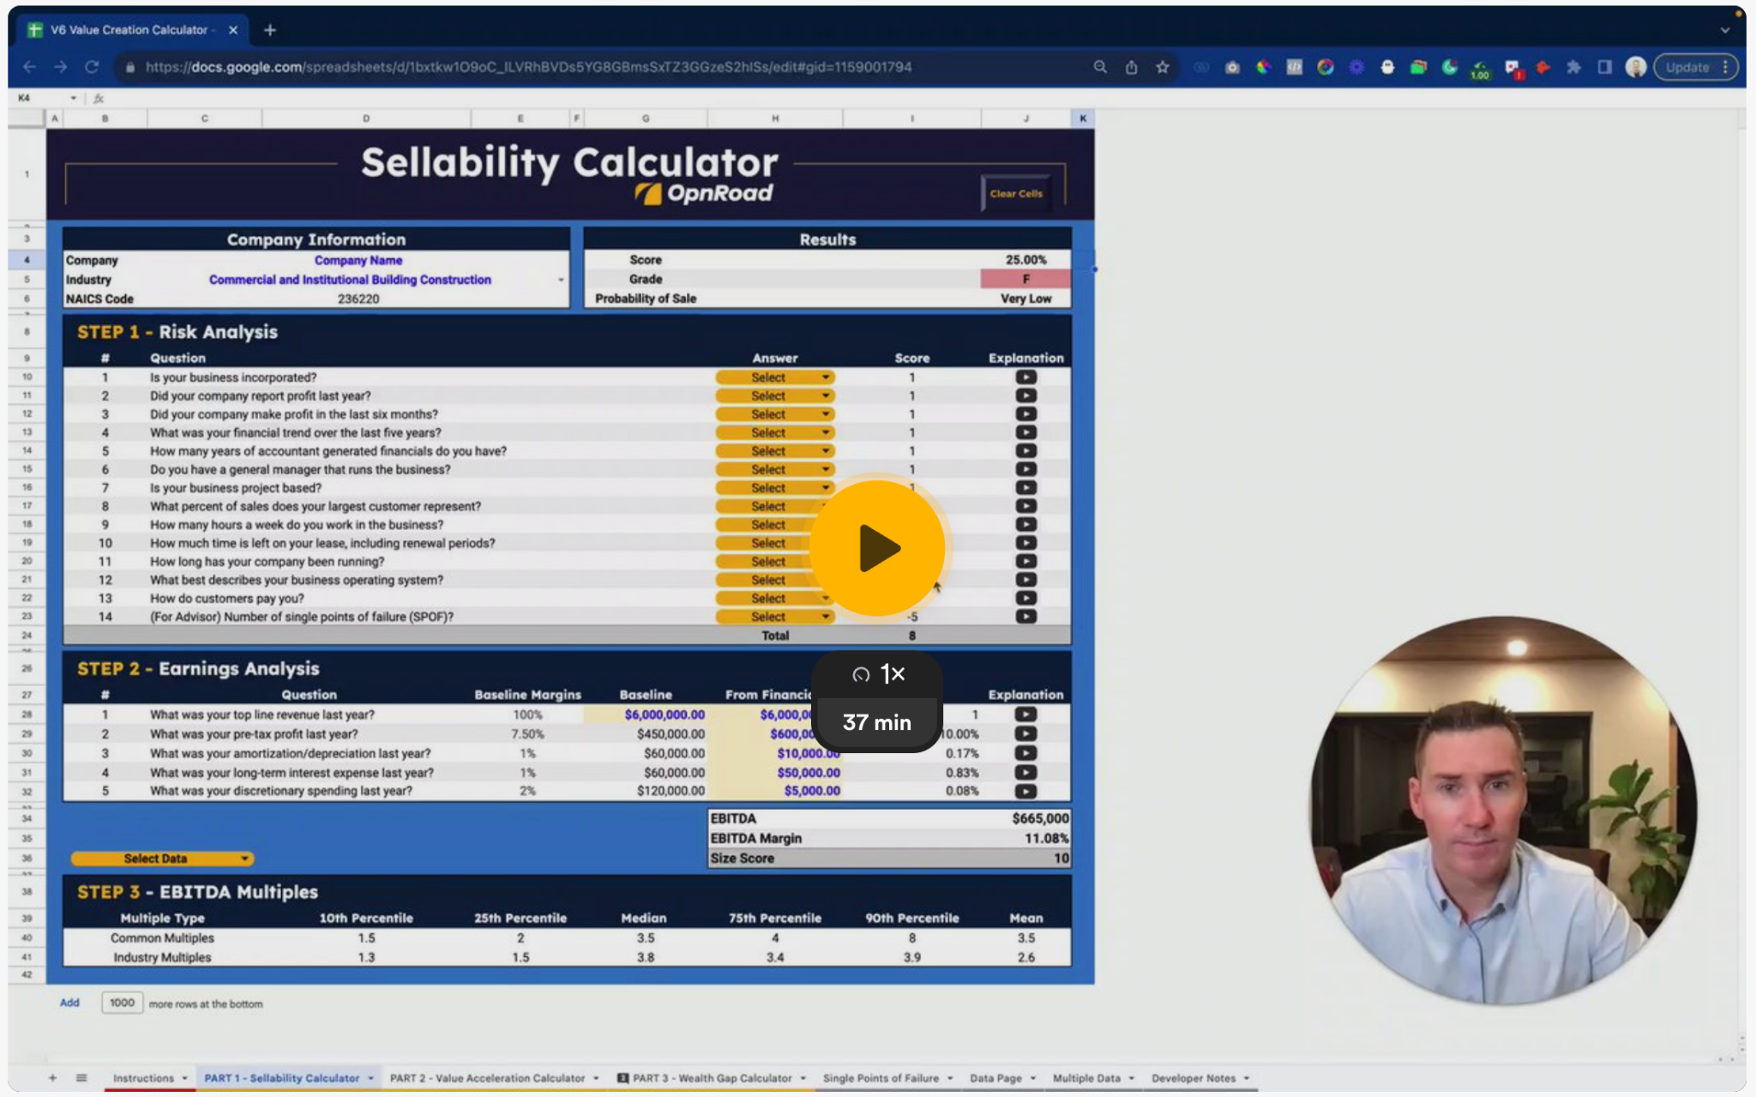

 | VIDEO 3 - CALCULATING POTENTIAL VALUE | VIDEO 4 - WEALTH GAP CALCULATOR

 | CLICK HERE TO PLAY VIDEO | CLICK HERE TO PLAY VIDEO
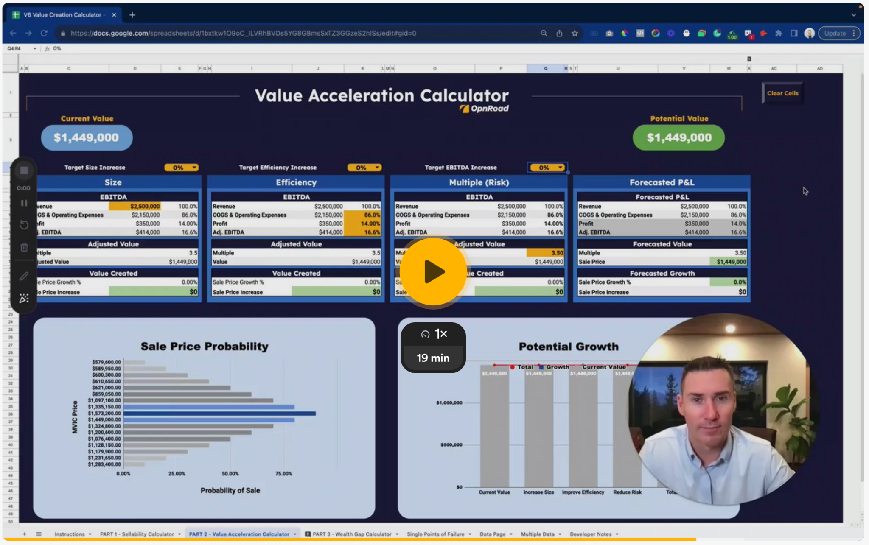
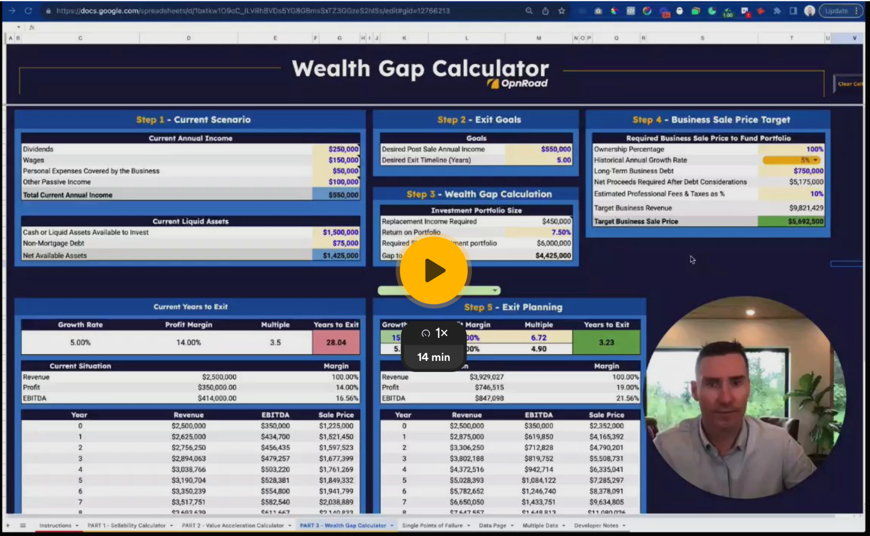

 | VIDEO 5 - REPORT PRINTOUT & V7 UPGRADES | VIDEO 6 - V8 UPGRADES

 | CLICK HERE TO PLAY VIDEO | CLICK HERE TO PLAY VIDEO
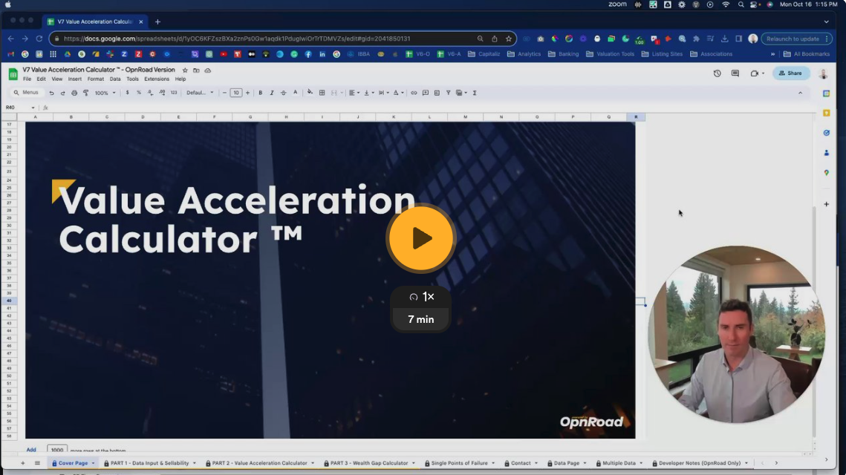
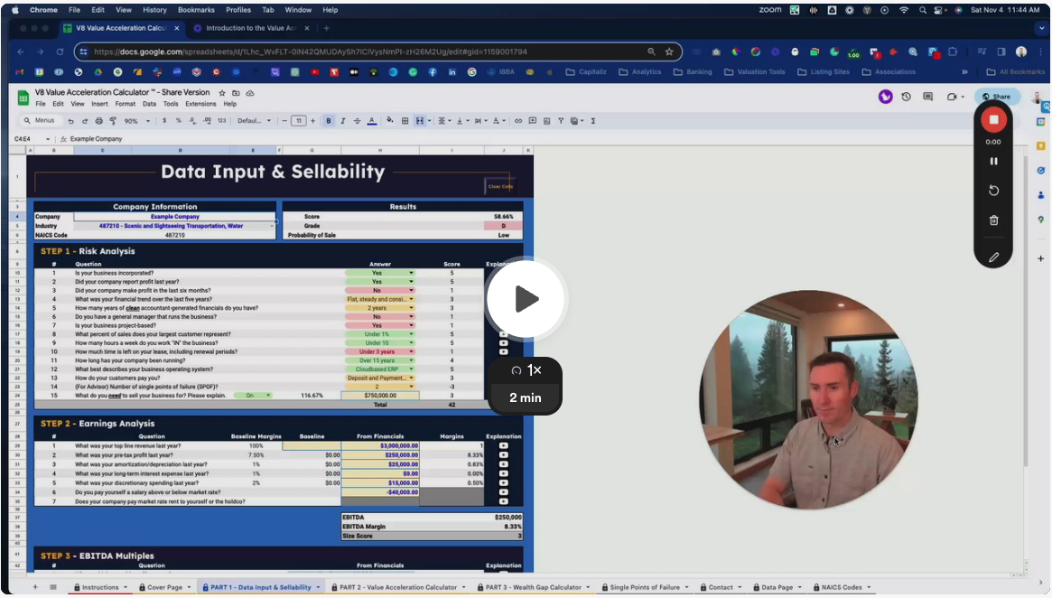

© OpnRoad 2023

Data Page
Data

 | Company Size Score |  | Probability Analysis |  |  |  |  | Growth Potential
 | Size of EBITDA | Score | Deviation from Mean | EBITDA Multiple | MVIC Price | Probability | STDEV |  | Total | Growth | Current Value
 | 100,000 | 0 | -2 STDEV | 1.70 | $2,227,000.00 | 10% | -2 | Current Value | $3,930,000 | $- | $3,930,000
 | 250,000 | 1 |  | 1.95 | $2,554,500.00 | 20% | -1.75 | Increase Size | $4,912,500 | $982,500 | $3,930,000
 | 500,000 | 3 | -1.5 STDEV | 2.20 | $2,882,000.00 | 30% | -1.5 | Improve Efficiency | $5,130,000 | $1,200,000 | $3,930,000
 | 750,000 | 5 |  | 2.45 | $3,209,500.00 | 40% | -1.25 | Reduce Risk | $7,860,000 | $3,930,000 | $3,930,000
 | 1,000,000 | 10 | -1.0 STDEV | 2.70 | $3,537,000.00 | 50% | -1 | Total | $12,825,000 | $8,895,000 | $3,930,000
Possible Growth Chart
 | 1,500,000 | 12 |  | 2.78 | $3,635,250.00 | 60% | -0.75
 | 2,000,000 | 20 | -0.5 STDEV | 2.85 | $3,733,500.00 | 70% | -0.5
 | 2,500,000 | 25 |  | 2.93 | $3,831,750.00 | 80% | -0.25
 | 3,000,000 | 30 | 0 STDEV | 3.00 | $3,930,000.00 | 90% | 0
 | 3,000,000 | 30 |  | 3.68 | $4,814,250.00 | 80% | 0.25
 |  |  | 0.5 STDEV | 4.35 | $5,698,500.00 | 70% | 0.5
 | Industry Chosen |  |  | 5.03 | $6,582,750.00 | 60% | 0.75
 | Industry |  | 1.0 STDEV | 5.70 | $7,467,000.00 | 50% | 1
 | Naics Code | #N/A |  | 6.45 | $8,449,500.00 | 40% | 1.25
 | Number of Businesses | #REF! | 1.5 STDEV | 7.20 | $9,432,000.00 | 30% | 1.5
 |  |  |  | 7.95 | $10,414,500.00 | 20% | 1.75
 | Post-Sale Cash Flow |  | 2.0 STDEV | 8.70 | $11,397,000.00 | 10% | 2
 | Percent Invested | 80.00% | 1 STANDARD DEV. ----> | 4.95 | Company EBITDA ---> |  | $1,310,000.00
 | Invested Amount | $10,260,000
 | Estimated Return | 12.00%
 | Annual Cash Flow | $1,231,200

© OpnRoad 2023

