binify.de_BUGS
Test Case Id | Title | Test case details | Test Step | Expected Result | Actual Result | Screen Shot | Assignee
Bug_001 | "Leave a Message" hyperlink link is not working | When user navigates from bonify.de > SCHUFA Score > Just check out your fitness value > FinFitness Page, The article shows that it does have a section where user can leave their message for the author and when user try to click on the link and leave a message then the button/link is not working. | 1. Hit the URL "https://www.bonify.de/" 2. In Search bar type "SCHUFA Score". 3. Navigate to 1st Nov published article "SCHUFA SCORE". 4. Search the link mentioned in the article "Just check out your FinFitness value!". & click on the link it will re-direct you to the finfitnes page. 5. Go to the bottom of the page where "Leave a Message" link is present. 6. Click the link. --------------------------OR-------------------------- 1. Hit the URL "https://www.bonify.de/finfitness#respond". 2. Go to the bottom of the page where "Leave a Message" link is present. 3. Click on the link. | 1. Should able to Hit the URL "https://www.bonify.de/" 2. Should get a search result when user type ""SCHUFA Score" in Search bar. 3. Should able to navigate to 1st Nov published article "SCHUFA SCORE". 4. Search the link mentioned in the article "Just check out your FinFitness value!". & click on the link it should re-direct you to the finfitnes page. 5. Go to the bottom of the page where "Leave a Message" link should be present. 6. Should able to click the link. --------------------------OR-------------------------- 1. Should able to hit the URL "https://www.bonify.de/finfitness#respond". 2. Go to the bottom of the page where "Leave a Message" link should be present. 3. Should able to click on the link. | 1. User is able to Hit the URL "https://www.bonify.de/" 2. Got a search result when user type ""SCHUFA Score" in Search bar. 3. Able to navigate to 1st Nov published article "SCHUFA SCORE". 4. Search the link mentioned in the article "Just check out your FinFitness value!". & click on the link it is re-directing you to the finfitnes page. 5. Go to the bottom of the page where "Leave a Message" link is present. 6. Not able to click the link. --------------------------OR-------------------------- 1. Able to hit the URL "https://www.bonify.de/finfitness#respond". 2. Go to the bottom of the page where "Leave a Message" link is present. 3. Not able to click on the link. | 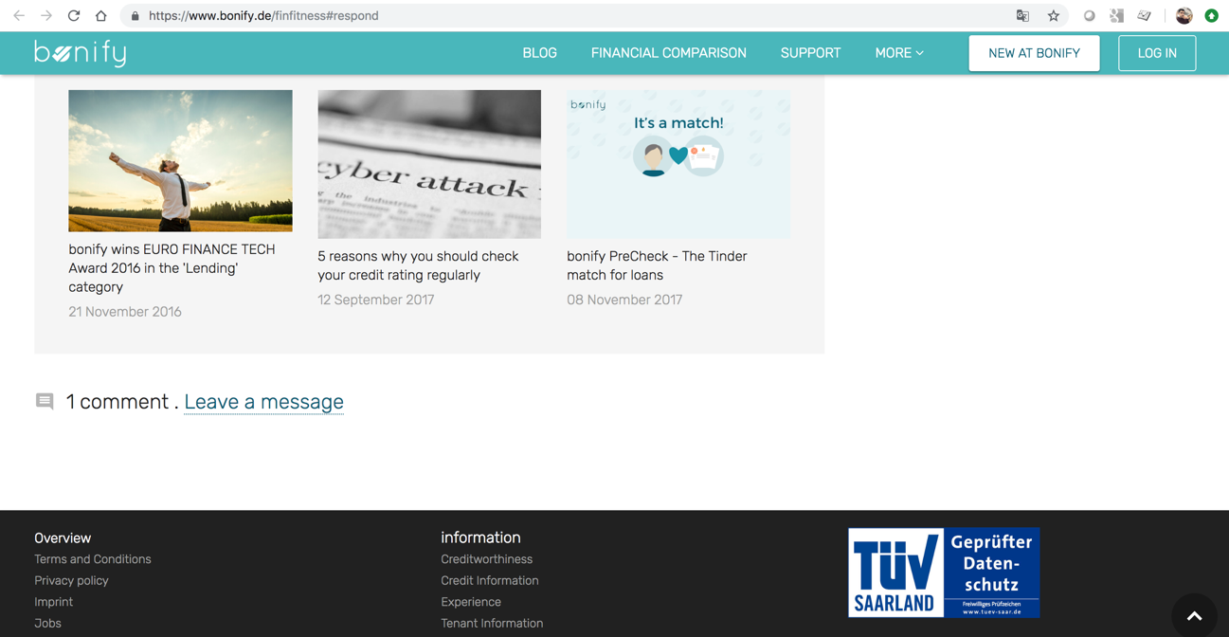 | FrontEnd
Bug_002 | "Next Story" / "Previous Post" messages are showing out the frame/CSS got broke. | When user navigates from bonify.de > SCHUFA Score > Just check out your fitness value > FinFitness Page, The application has functionlaity for user where you can go to previous/next article by clicking on "Next/Previous" Story. The titles/links are showing out of the frame/CSS got broke. | 1. Hit the URL "https://www.bonify.de/" 2. In Search bar type "SCHUFA Score". 3. Navigate to 1st Nov published article "SCHUFA SCORE". 4. Search the link mentioned in the article "Just check out your FinFitness value!". & click on the link it will re-direct you to the finfitnes page. 5. Go to the bottom of the page where "Previous POST"/"NEXT STORY" link along with the title is present 6. Both the link are showing out of the frame/CSS got broke. --------------------------OR-------------------------- 1. Hit the URL "https://www.bonify.de/finfitness#respond". 2. Go to the bottom of the page where "Previous POST"/"NEXT STORY" link along with the title is present 3. Both the link are showing out of the frame/CSS got broke. | 1. Should able to Hit the URL "https://www.bonify.de/" 2. Should get a search result when user type ""SCHUFA Score" in Search bar. 3. Should able to navigate to 1st Nov published article "SCHUFA SCORE". 4. Search the link mentioned in the article "Just check out your FinFitness value!". & click on the link it should re-direct you to the finfitnes page. 5. Shoula able to go to the bottom of the page where "Previous POST"/"NEXT STORY" link along with the title is present 6. Both the link are showing be in the frame/CSS shouldnt be broke. --------------------------OR-------------------------- 1. Should able to hit the URL "https://www.bonify.de/finfitness#respond". 2. Should able to go to the bottom of the page where "Previous POST"/"NEXT STORY" link along with the title is present 3. Both the link are showing should be in frame/CSS shouldnt be broke. | 1. User is able to Hit the URL "https://www.bonify.de/" 2. Got a search result when user type ""SCHUFA Score" in Search bar. 3. Able to navigate to 1st Nov published article "SCHUFA SCORE". 4. Search the link mentioned in the article "Just check out your FinFitness value!". & click on the link it is re-directing you to the finfitnes page. 5. Able to go to the bottom of the page where "Previous POST"/"NEXT STORY" link along with the title is present 6. Both the link is showing out of the frame/CSS got broke. --------------------------OR-------------------------- 1. Able to hit the URL "https://www.bonify.de/finfitness#respond". 5. Able to go to the bottom of the page where "Previous POST"/"NEXT STORY" link along with the title is present 6. Both the link are showing out of the frame/CSS got broke. | 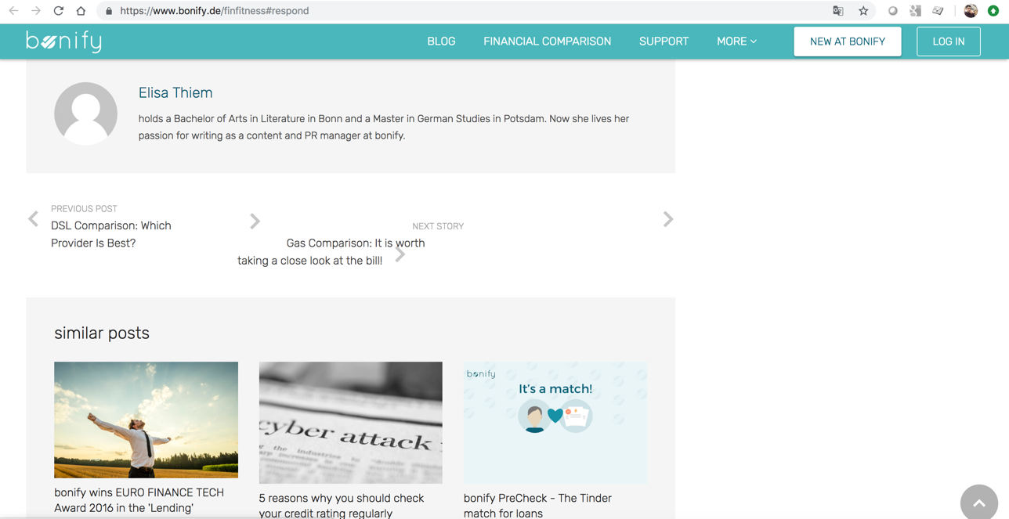 | FrontEnd

my.bonify.de_BUGS
Test Case Id | Title | Test case details | Test Step | Expected Result | Actual Result | Screen Shot | Severity | Assignee
Bug_001 | "Compare your Credit Rating" always shows for any input as "100% have a better score than you" | When new user try to "Compare their Credit rating" along with the option given in the application then the % shown iin the bar is always in 74% worse & 26% better and while mouse hovering it shows that "100% have a better score than you" | 1. Hit the URL "https://my.bonify.de/" 2. Enter the Valid credentials(username/password). 3. Navigate from left Panel > Credit > Compare your credit rating. 4. Select multiple state , Gender(both), choose mulitple age groups. 5. Result in the bar will always show as "74% worse & 26% better" and while mouse hovering it shows that "100% have a better score than you". | 1. Should able to hit the URL "https://my.bonify.de/" 2. Should able to login with the Valid credentials(username/password). 3. Should able to navigate from left Panel > Credit > Compare your credit rating. 4. Should able to select multiple state , Gender(both), choose mulitple age groups. 5. Result in the bar Should show the result according to the input/option selected in step 4. | 1. Able to hit the URL "https://my.bonify.de/" 2. Able to enter with Valid credentials(username/password). 3. Able to navigate from left Panel > Credit > Compare your credit rating. 4. Able to select multiple state , Gender(both), choose mulitple age groups. 5. Result in the bar is always showing as "74% worse & 26% better" and while mouse hovering it shows that "100% have a better score than you". | 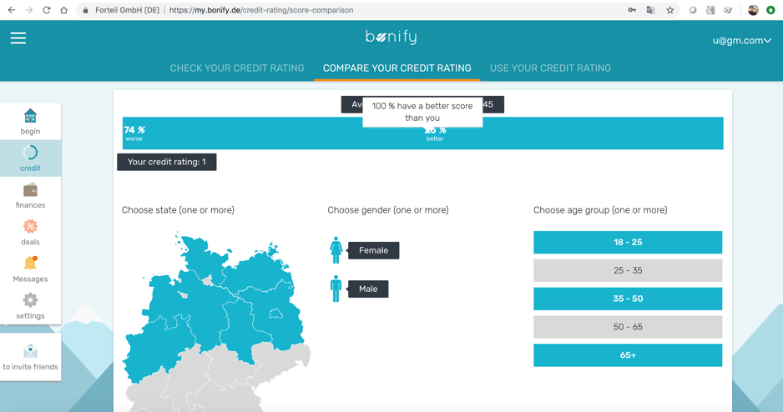 | High | FrontEnd
Bug_002 | ")" close Parenthesis is missing from the login page. | When user open to login into the my.bonify.de application then in the application ")" close Parenthesis is missing. | 1. Hit the URL "https://my.bonify.de/" 2. ")" close Parenthesis is missing from the email/username field. | 1. Should able to Hit the URL "https://my.bonify.de/" 2. ")" close Parenthesis should be present. | 1. User is able to Hit the URL "https://www.bonify.de/" 2. ")" close Parenthesis is missing. | 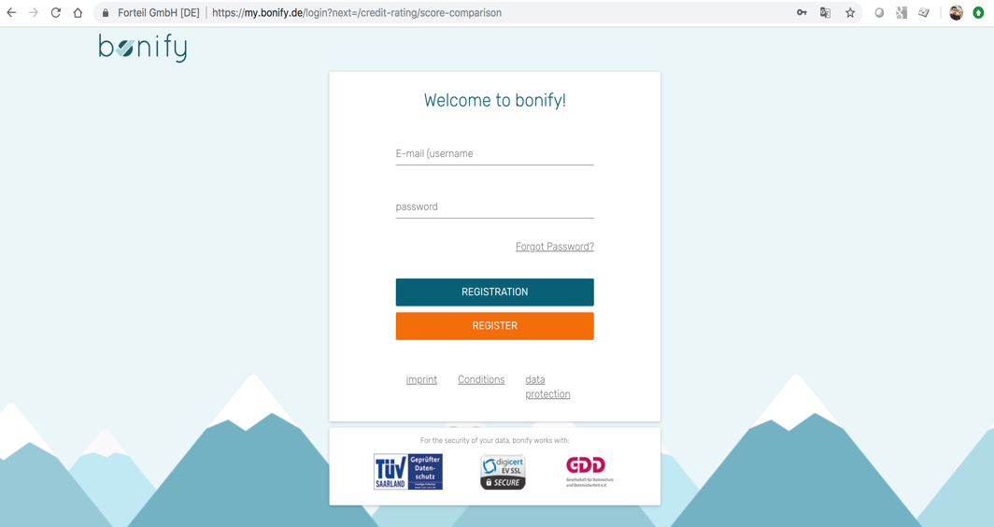 | Low(Cosmetic) | FrontEnd
Bug_003 | "Null" is coming in "Post Code" section | When user navigates to Deals > Energy & DSL then in POST CODE section "NULL" value is coming. If no value is present then by default this field has to be blank. | 1. Hit the URL "https://my.bonify.de/" 2. Enter the Valid credentials(username/password). 3. Navigate from left Panel > deals > Energy & DSL . 4. Post Code > "NULL" is coming. | 1. Should able to hit the URL "https://my.bonify.de/" 2. Should able to enter the Valid credentials(username/password). 3. Should able to navigate from left Panel > deals > Energy & DSL . 4. Post Code should show blank in case no record is found for the user. | 1. Able to hit the URL "https://my.bonify.de/" 2. Able to enter the Valid credentials(username/password). 3. Able to navigate from left Panel > deals > Energy & DSL . 4. Post Code > "NULL" is coming. | 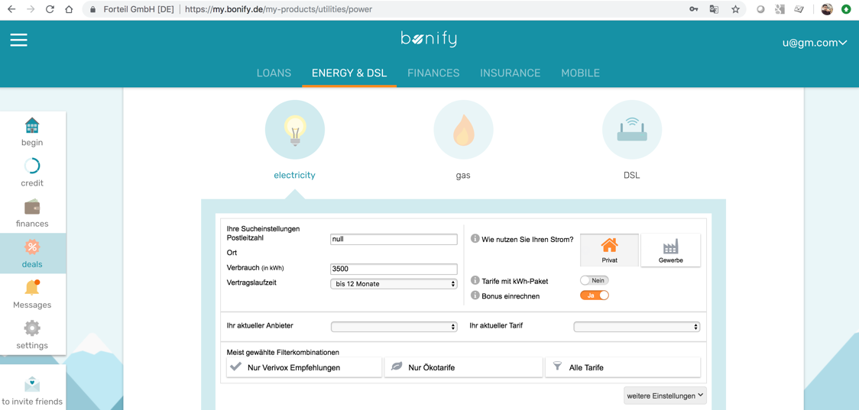 | Medium | BackEnd
Bug_004 | Blank blocks are coming in the profile | When user enter into the application and navigates to Credit from left panel then the 8 blank blocks are showing under "Check your credit rating " tab | 1. Hit the URL "https://my.bonify.de/" 2. Enter the Valid credentials(username/password). 3. Navigate from left Panel > Credit > Check your Credit Rating . 4. Blanks blocks are coming. | 1. Should able to hit the URL "https://my.bonify.de/" 2. Should able to enter the Valid credentials(username/password). 3. Should able to navigate from left Panel > Credit > Check your Credit Rating . 4. No Blanks blocks should come. | 1. Able to hit the URL "https://my.bonify.de/" 2. Able to enter the Valid credentials(username/password). 3. Able to navigate from left Panel > Credit > Check your Credit Rating . 4. Blanks blocks are coming. | 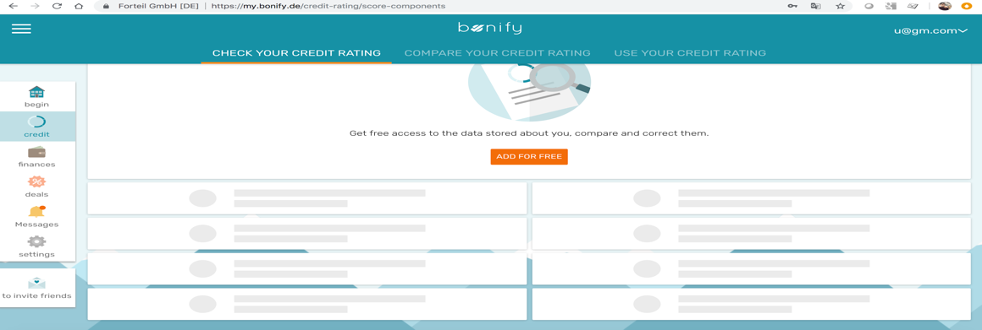 | Medium | FrontEnd

