Dashboard

2023-2024 Sales Report
KPI
Sales by Product
 | Total
Chair | 1004000
Desk | 1302852
Laptop | 7849038
Mobile | 2506783
Sofa | 3852162
Table | 1938570
Tablet | 3625297

 | 2023 | 2024
Jan | 861133 | 713454
Feb | 1038672 | 810418
Mar | 916328 | 1026310
Apr | 1136488 | 1182766
May | 875027 | 768467
Jun | 924505 | 1039828
Jul | 1049317 | 1035455
Aug | 865705 | 828225
Sep | 605972 | 1215565
Oct | 1118654 | 668902
Nov | 954889 | 832638
Dec | 623824 | 986160
Category Contribution
 | Total
Electronics | 13981118
Furniture | 8097584
22078702

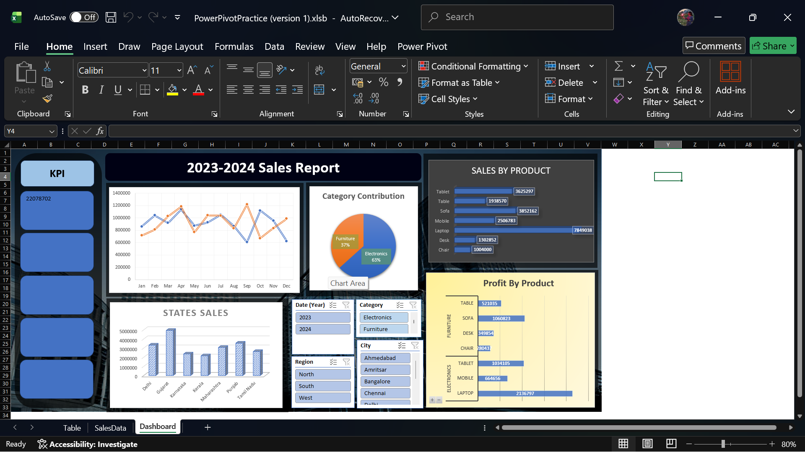
Total Sales

16030995

27%
Profit By Product
 | Total
Laptop | 2136797
Mobile | 664656
Tablet | 1034105
Chair | 280437
Desk | 349854
Sofa | 1060823
Table | 521035

States Sales
 | Total
Delhi | 3337610
Gujarat | 4945132
Karnataka | 2367236
Kerala | 2163836
Maharashtra | 3082581
Punjab | 3550752
Tamil Nadu | 2631555

101%

Excellent

