Data
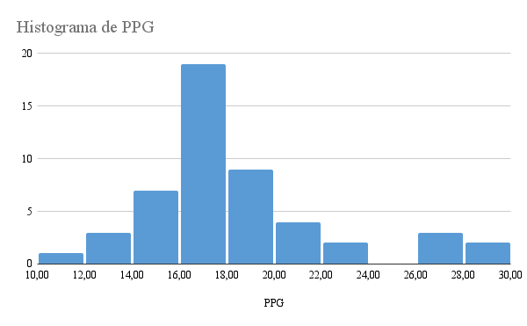
Rank | Player | PPG | Pontos | Frequência | Freq. Percentual
1 | LeBron James, MIA | 27.0 | 10 a 11,9 | 1 | 2.00%
2 | Kevin Durant, OKC | 28.8 | 12 a 13,9 | 3 | 6.00%
3 | James Harden, HOU | 26.4 | 14 a 15,9 | 7 | 14.00%
4 | Kobe Bryant, LAL | 27.1 | 16 a 17,9 | 19 | 38.00%
5 | Russell Westbrook, OKC | 22.9 | 18 a 19,9 | 9 | 18.00%
6 | Carmelo Anthony, NY | 28.4 | 20 a 21,9 | 4 | 8.00%
7 | David Lee, GS | 19.2 | 22 a 23,9 | 2 | 4.00%
8 | Stephen Curry, GS | 21.0 | 24 a 25,9 | 0 | 0.00%
9 | LaMarcus Aldridge, POR | 20.8 | 26 a 27,9 | 3 | 6.00%
10 | Paul George, IND | 17.6 | 28 a 29,9 | 2 | 4.00%
11 | Tony Parker, SA | 21.1 | TOTAL | 50 | 100.00%
12 | Jrue Holiday, PHI | 19.2
13 | Dwyane Wade, MIA | 21.2
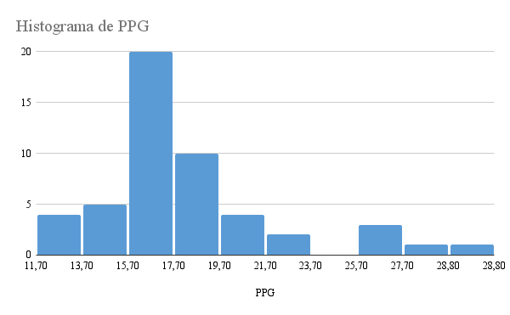
14 | Nicolas Batum, POR | 15.5
15 | Josh Smith, ATL | 17.2
16 | Al Horford, ATL | 16.7
17 | Al Jefferson, UTA | 17.6
18 | Blake Griffin, LAC | 18.5
19 | Paul Pierce, BOS | 18.3
20 | Damian Lillard, POR (Rookie) | 18.3
21 | Kyrie Irving, CLE | 23.3
22 | Dwight Howard, LAL | 16.4
23 | Brandon Jennings, MIL | 18.9
24 | Luol Deng, CHI | 16.5
25 | Deron Williams, BKN | 17.0
26 | Joakim Noah, CHI | 11.7
27 | Zach Randolph, MEM | 15.7
28 | Rudy Gay, TOR | 18.0
29 | Kemba Walker, CHA | 17.7
30 | Chandler Parsons, HOU | 14.6
31 | Greg Monroe, DET | 15.7
32 | David West, IND | 17.2
33 | Monta Ellis, MIL | 18.2
34 | O.J. Mayo, DAL | 17.5
35 | Marc Gasol, MEM | 13.6
36 | Ty Lawson, DEN | 16.3
37 | Chris Paul, LAC | 16.2
38 | Greivis Vasquez, NO | 13.6
39 | Chris Bosh, MIA | 17.1
40 | Tim Duncan, SA | 16.7
41 | Joe Johnson, BKN | 17.0
42 | DeMarcus Cousins, SAC | 17.3
43 | DeMar DeRozan, TOR | 17.5
44 | Evan Turner, PHI | 14.0
45 | Danilo Gallinari, DEN | 16.9
46 | Klay Thompson, GS | 16.3
47 | Paul Millsap, UTA | 15.1
48 | Nikola Vucevic, ORL | 12.3
49 | Brook Lopez, BKN | 18.7
50 | George Hill, IND | 14.6

