Data
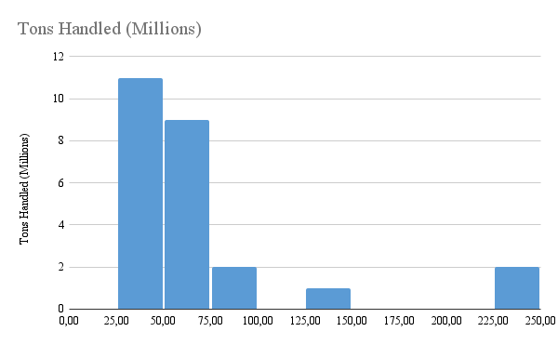
Port | Tons Handled (Millions)
Baltimore | 39.6
Baton Rouge | 55.5
Beaumont | 77.0
Corpus Christi | 73.7
Duluth-Superior | 36.6
Houston | 227.1
Huntington | 61.5
Lake Charles | 54.6
Long Beach | 75.4
Los Angeles | 62.4
Mobile | 55.7
New Orleans | 72.4
New York | 139.2
Norfolk Harbor | 41.6
Pascagoula | 37.3
Philadelphia | 34.0
Pittsburgh | 33.8
Plaquemines | 55.8
Port Arthur | 30.2
Savannah | 34.7
South Louisiana | 236.3
St. Louis | 30.8
Tampa | 34.2
Texas City | 56.6
Valdez | 31.9

