AMYX Method
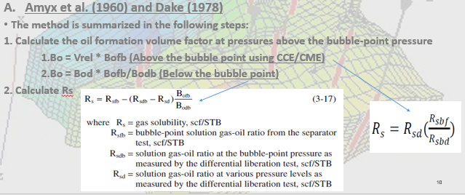
Separator Test data |  |  | Differential Test Data
Rsf | 110.12830499 |  | Rs @ Pb | 118.41273209
Bof | 1.087 |  | Bo @ Pb | 1.1060661364

No. | Differential test to be adjusted |  |  |  | First Adjusting |  | Second Adjusting
 |  | P | Bo | Rs | Bo | Rs | Bo | Rs
1 |  | 2900 | 1.0910372315 | 118.41273209 | 1.0722301603 | 110.12830499 | 1.0722301603 | 110.12830499
2 |  | 2537.5 | 1.0928691582 | 118.41273209 | 1.0740305086 | 110.12830499 | 1.0740305086 | 110.12830499
3 |  | 2090.49 | 1.0954179818 | 118.41273209 | 1.0765353961 | 110.12830499 | 1.0765353961 | 110.12830499
4 |  | 1812.5 | 1.0971157389 | 118.41273209 | 1.0782038876 | 110.12830499 | 1.0782038876 | 110.12830499
5 |  | 1450 | 1.0995223059 | 118.41273209 | 1.0805689707 | 110.12830499 | 1.0805689707 | 110.12830499
6 |  | 1087.5 | 1.1021228385 | 118.41273209 | 1.0831246759 | 110.12830499 | 1.0831246759 | 110.12830499
7 |  | 725 | 1.1049187193 | 118.41273209 | 1.0858723618 | 110.12830499 | 1.0858723618 | 110.12830499
8 |  | 652.5 | 1.1054857363 | 118.41273209 | 1.0864296048 | 110.12830499 | 1.0864296048 | 110.12830499
9 | Pb | 580 | 1.1060661364 | 118.41273209 | 1.087 | 110.12830499 | 1.087 | 110.12830499
1 |  | 507.5 | 1.0930475152 | 103.77543825 | 1.0742057911 | 95.743325747 | 1.0762428138 | 96.523732401
2 |  | 435 | 1.0800288941 | 89.138144401 | 1.0614115822 | 81.358346506 | 1.0654856277 | 82.919159815
3 |  | 362.5 | 1.0670102729 | 74.500850555 | 1.0486173733 | 66.973367265 | 1.0547284415 | 69.314587228
4 |  | 290 | 1.0539916517 | 59.863556709 | 1.0358231644 | 52.588388025 | 1.0439712554 | 55.710014642
5 |  | 217.5 | 1.0409730306 | 45.226262864 | 1.0230289555 | 38.203408784 | 1.0332140692 | 42.105442055
6 |  | 145 | 1.0279544094 | 30.588969018 | 1.0102347466 | 23.818429543 | 1.0224568831 | 28.500869469
7 |  | 72.5 | 1.0149357883 | 15.951675172 | 0.99744053775 | 9.4334503028 | 1.0116996969 | 14.896296883
8 |  | 0 | 1.0009581246 | 0 | 0.98370381808 | -6.2432532341 | 1 | 0

