Android Studio
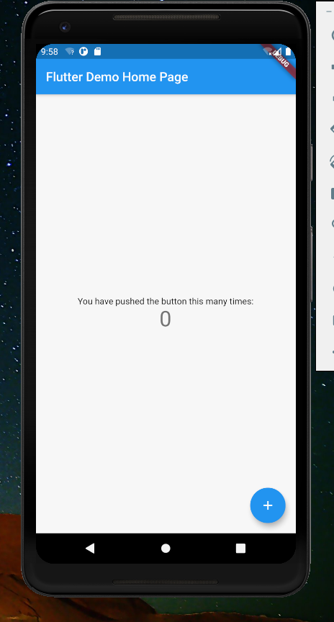
安装 Android Studio

标准化安装即可，安装路径可以调整

安装插件 Flutter 和 Dart
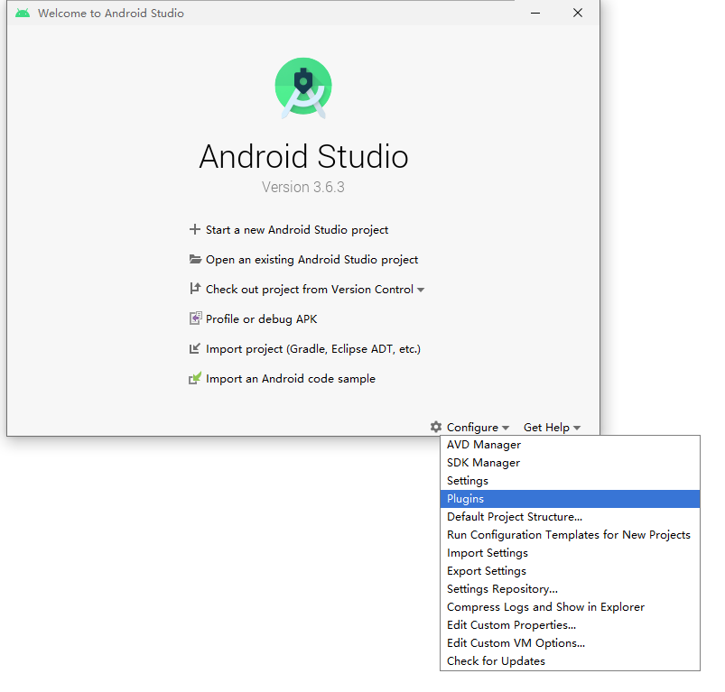

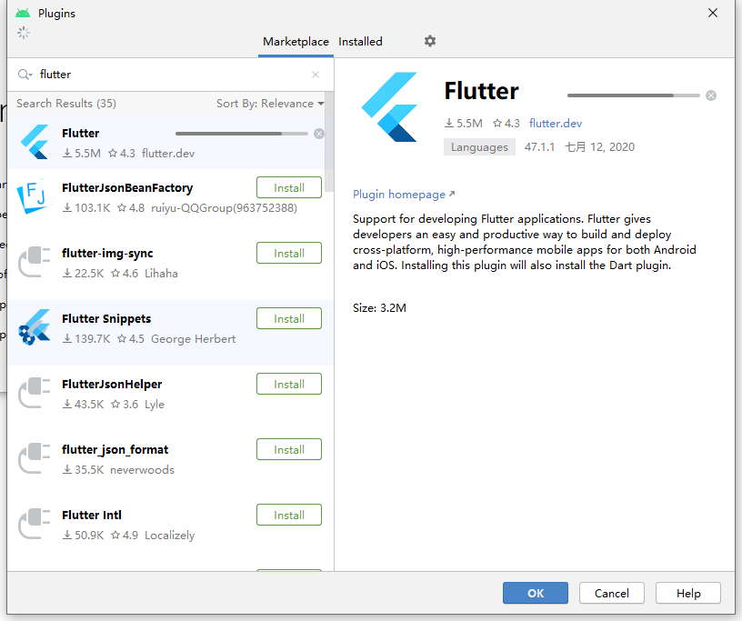

再次进入命令行，执行
flutter doctor --android-licenses # 同意所有协议

最后检查安装状态
Flutter doctor

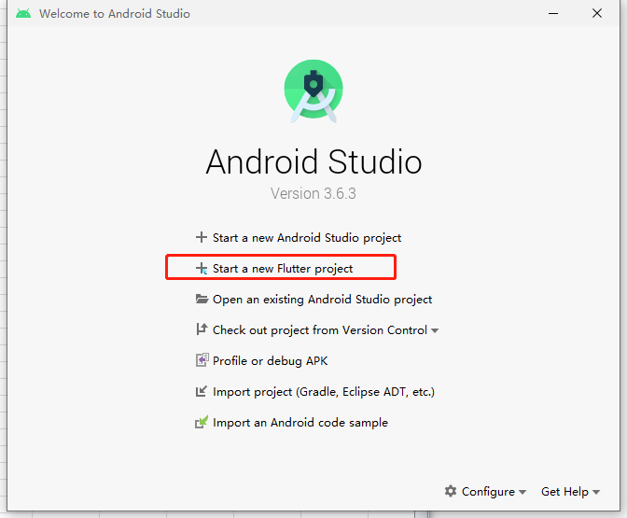

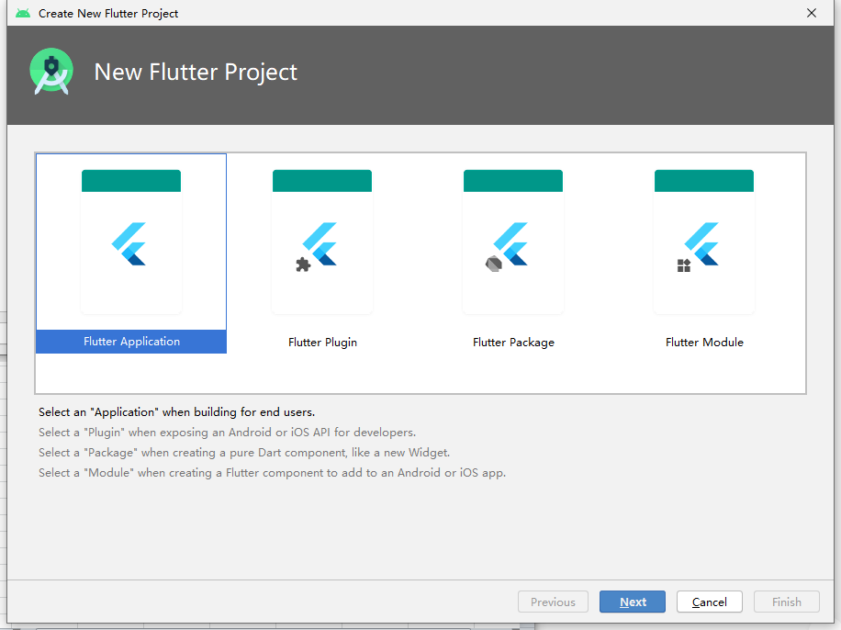

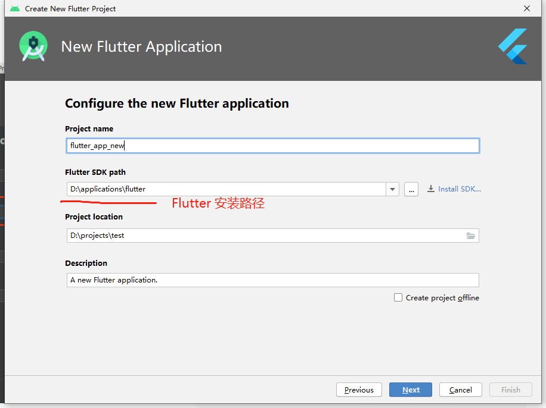

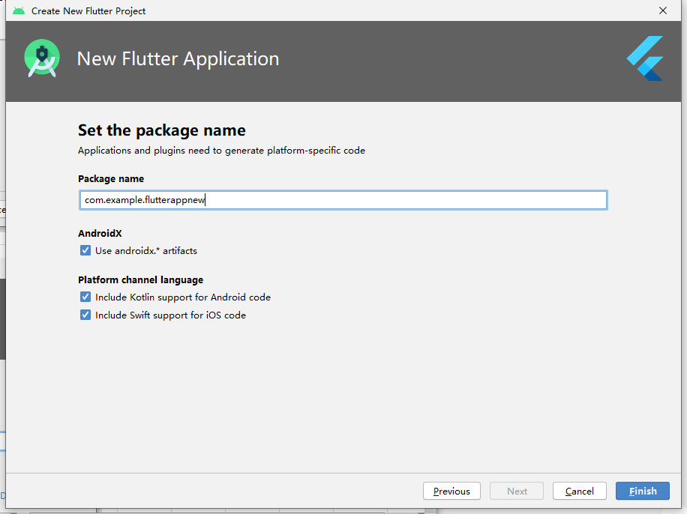

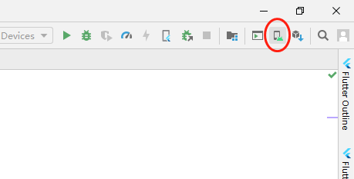

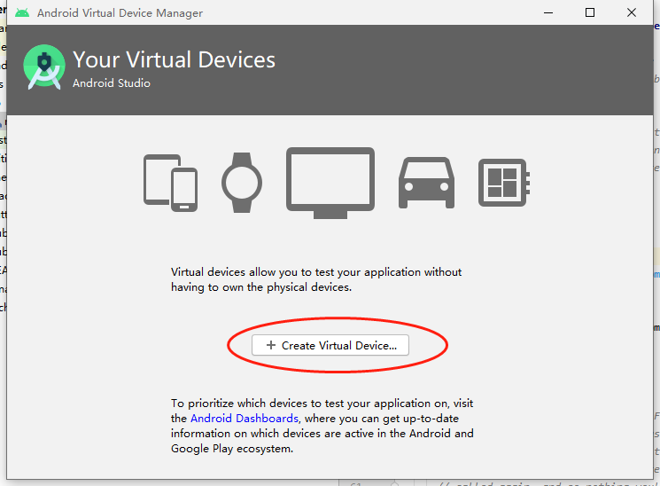

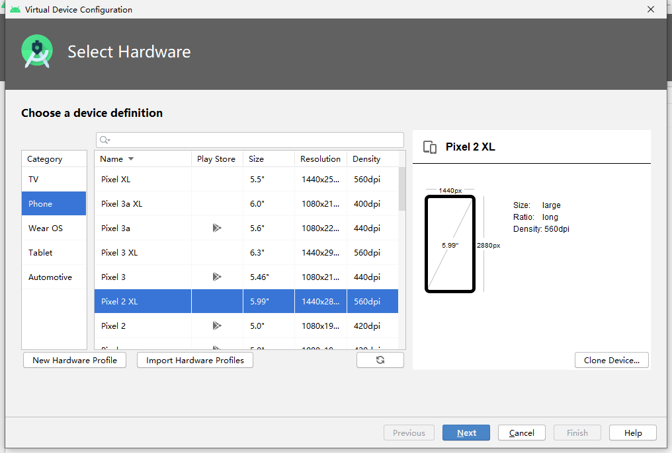

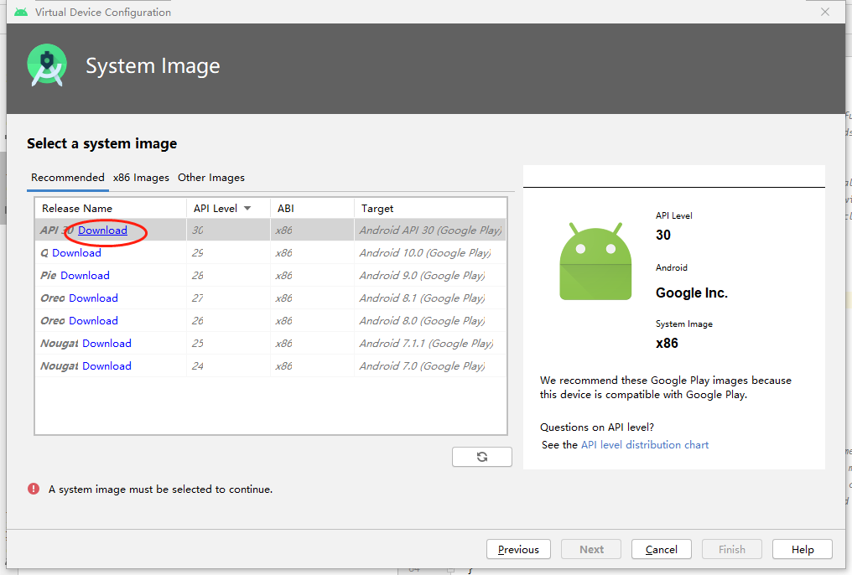

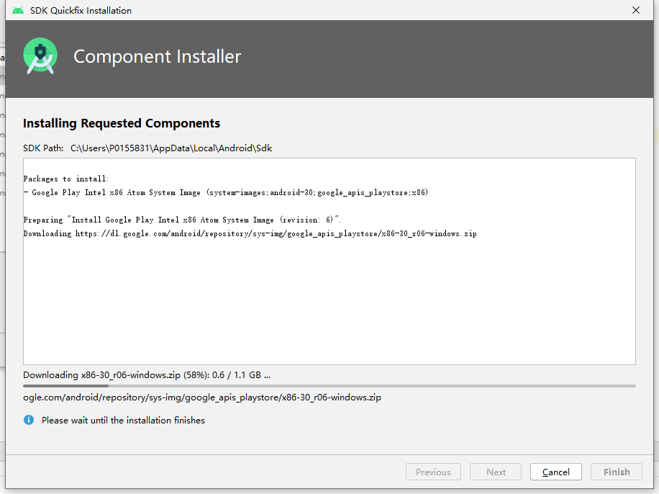

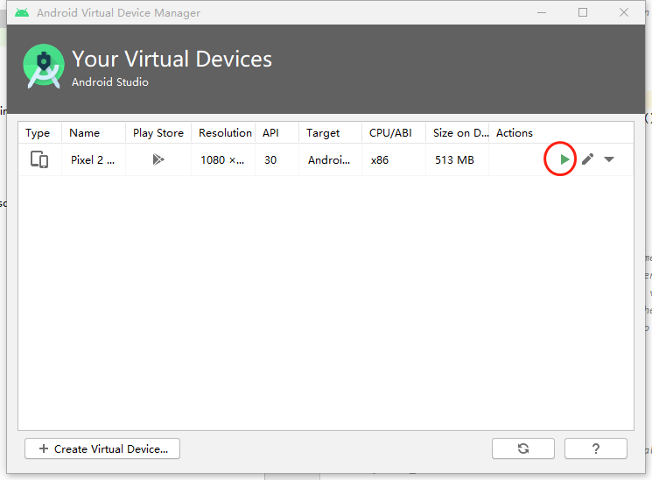

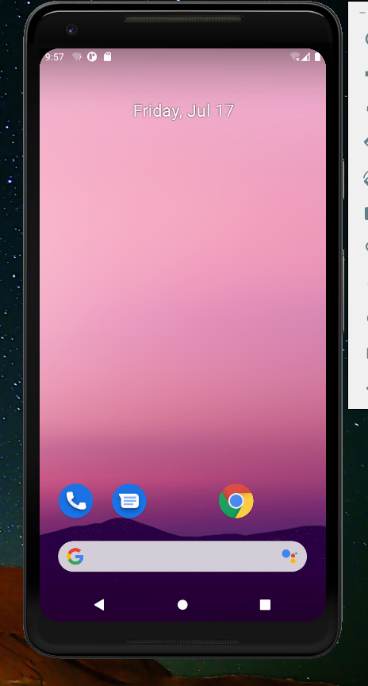

修改项目中`android/build.gradle`文件
buildscript {
repositories {
//修改的地方
//google()
//jcenter()
maven { url 'https://maven.aliyun.com/repository/google' }
maven { url 'https://maven.aliyun.com/repository/jcenter' }
maven { url 'http://maven.aliyun.com/nexus/content/groups/public' }
}

allprojects {
repositories {
//修改的地方
//google()
//jcenter()
maven { url 'https://maven.aliyun.com/repository/google' }
maven { url 'https://maven.aliyun.com/repository/jcenter' }
maven { url 'http://maven.aliyun.com/nexus/content/groups/public' }
}

