Equities
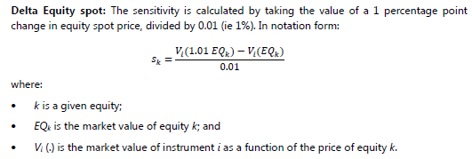
Sample Shock Records |  |  | Delta Sensi

Stock1 | S0 (Initial Price) | 3 |  | deltaC_deltaS | deltaC/1% (s_k) | RW | Weighted Sensi | Weighted Sensi
Shift % | PV | Underlying | Delta | 8333.3333333 | 25000 | 3.00% | 750 | 750
-3% | 700 | 2.91
-2% | 560 | 2.94
-1% | 400 | 2.97 | Curvature RC
0% | 450 | 3 |  |  |  |  | Up | Down
1% | 700 | 3.03 | Curvature Up | 1300.000000 | -200.000000 |  | 550 | 250
2% | 850 | 3.06 | Curvature Down | 1000.000000 | 1000.000000 |  | -200 | 1000
3% | 1000 | 3.09
 |  |  |  | CVR_k | 200.000000

Stock2 | S0 (Initial Price) | 6 | Delta Sensi
Shift % | PV | UL
-3% | 900 | 5.82 |  | deltaC_deltaS | deltaC/1% (s_k) | RW | Weighted Sensi | Weighted Sensi
-1% | 800 | 5.94 | Delta | -3333.3333333 | -20000 | 2.70% | -540 | -540
0% | 700 | 6
1% | 500 | 6.06 | Curvature Up | -400.000000 | 105.000000
2% | 300 | 6.12 | Curvature Down | 150.000000 | 725.000000
3% | 250 | 6.18
 |  |  |  | CVR_k | -105.000000

Delta GIRR
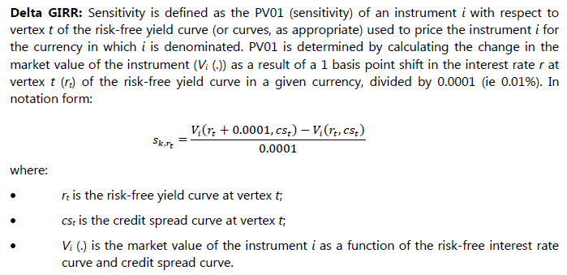
t | Z(t) | PV Change | Delta (s_k,r)
0.25 | 2% | 0 | 0
0.5 | 2% | 1 | 10,000
0.75 | 2% | 2 | 20,000
1 | 2% | 2 | 20,000
2 | 2% | 5 | 50,000
3 | 2% | 5 | 50,000
5 | 2% | -10 | -100,000
7 | 2% | 3 | 30,000
10 | 2% | 4 | 40,000

FX
