Inflation Linked Bond Swap
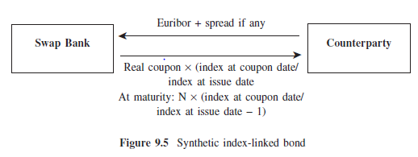
Inflation Linked Bond Swap |  | http://www.yieldcurve.com/Mktresearch/files/IndexLinkedDerivs_Aug04.pdf

Nominal | 100000000

Start Date | 2004-03-15 |  | HICP (15/12/2003) | 1%
Maturity Date | 2009-03-15

Receive | 6m EURIBOR (+ Spread) | Fixed Coupon | 3% |  |  |  | Pay Real Coupon | 4%
Receive DC | 30/360 |  |  |  |  |  | Pay DC | 30/360
Frequency | Annual |  |  |  |  |  | Frequency | Annual

Payment Date |  |  |  |  | t | Δ | Payment Date | HICP (p-3)
2005-03-15 |  |  |  |  | 1 | 1 | 2005-03-15 | 1.20% | 4800000
2006-03-15 |  |  |  |  | 2 | 1 | 2006-03-15 | 1.10% | 4400000
2007-03-15 |  |  |  |  | 3 | 1 | 2007-03-15 | 1% | 4000000
2008-03-15 |  |  |  |  | 4 | 1 | 2008-03-15 | 1.15% | 4600000
2009-03-15 |  |  |  |  | 5 | 1 | 2009-03-15 | 0.90% | 3600000

Breakeven_Zero Coupon Infl Swap
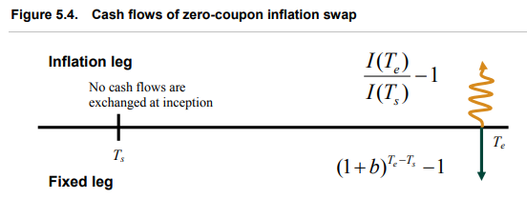
ZC Inflation Swap |  |  |  |  | Refs
Breakeven Swap |  |  |  |  | https://developers.opengamma.com/quantitative-research/Inflation-Curve-Construction-OpenGamma.pdf
 |  |  |  |  | http://www.yieldcurve.com/Mktresearch/files/IndexLinkedDerivs_Aug04.pdf
 |  | Ntl | 10,000,000.00 |  | https://www.math.kth.se/matstat/seminarier/reports/M-exjobb12/121218b.pdf
 |  | Exchange Ntl | 0 |  | http://the.earth.li/~jon/junk/kerkhof.pdf

 |  | t_s | 0 |  |  |  |  |  |  |  |  | Nominal Discount Curve
 |  | t_p | 2
 |  |  |  |  |  |  |  |  |  |  |  | 3.060% | Flat

 |  | R (fixed) | 2.12%

 | Fixed Leg |  |  |  |  | Float Leg

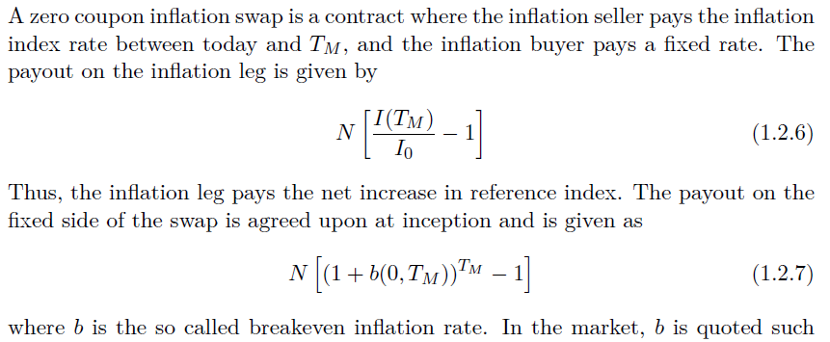
 | t | Fixed Flow | Discount | PV |  | I (t) | Float Flow | P_n | PV
 | 0 |  |  |  |  | 251.00
 | 2 | 428,494.40 | 0.94063509394 | 403056.8702 |  | 253.00 | 79,681.27 | 1.06 | 74951.003501

 |  |  |  |  |  |  | P_r | 1.1086652483

 |  |  |  |  |  |  | r_real (continuous) | -5.16% |  | NPV | 328105.8667

 | t_s | Start Date
 | t_p | Flow Exchange date
 | R | Compounded Fixed Breakeven Inflation Rate
 | I(t) | Index Value at time t
 | P_n(t) | Time t nominal value of 1 unit paid at time t
 | P_r(t) | Time t real value of 1 unit paid at time t

IL ZCB
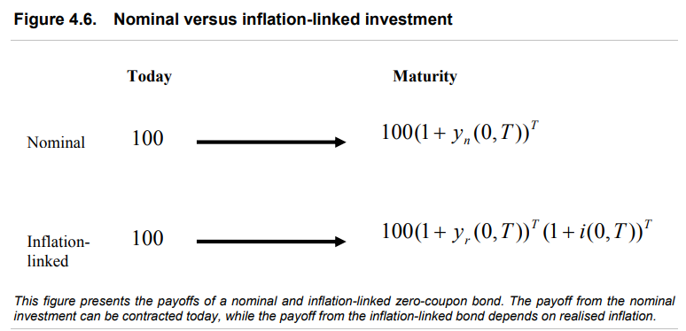
IL ZCB | 98.04%
Nominal Bond | 96.15%
T | 1

