Sheet1
https://rmgfinancial.com/core/files/rmgfinancial/uploads/files/2017-Sep%20PFE%20NAPCO%20Avangrid.pdf |  |  |  | Yield Curve
 |  | Vol | 5%
 |  |  |  |  | PFE is the maximum expected credit exposure over a specified period of time calculated at some level of confidence

 | CL | PFE |  |  | Term (years) | 4
 | 95% | 1.644853627 |  |  | Notional | 1000

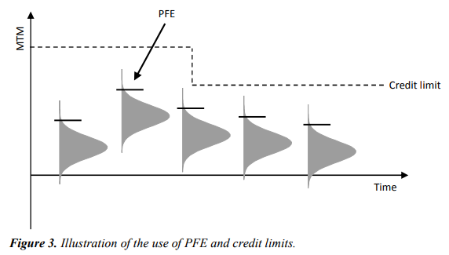
 |  |  |  |  | Rec | Fixed
 |  |  |  |  | Pay | Float

 |  |  |  |  | Frequency | Annual

 |  |  |  |  | 0 | 1 | 2

 |  |  |  | Fixed Rate | 10%
 |  |  |  | Float Rate | 10% | 8%
 |  |  |  | Float Rate Vol |  | 1%

 |  |  |  | PV | 0

 | MTM Clean | 1000000
 | Collateral | 50000
 | Value | 950000

 | Exposure | 950000

 | Expected Future Value (EFV)

 | Potential Future Exposure (PFE) - PFE is the maximum expected credit exposure over a specified period of time calculated at some level of confidence

 | Expected Exposure (EE/EPE)

 | Expected positive exposure (EPE)

CVA
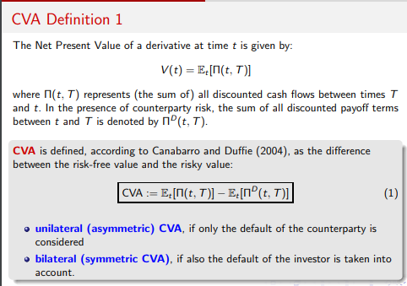
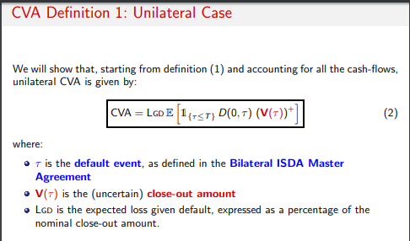
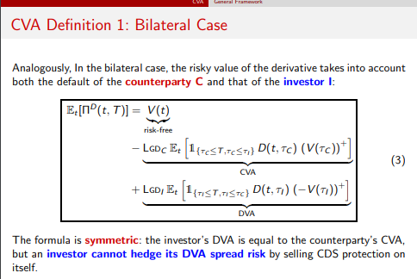
Ref: | http://didattica.unibocconi.it/mypage/dwload.php?nomefile=Lec_9_Counterparty_Risk_20160418010317.pdf | http://www.cvacentral.com/wp-content/uploads/2014/05/Counterparty-Risk-in-Credit-Derivative-Contracts-Updated.pdf

