Sheet1
Final Project
Group 1
Madeline, Ciara, Santiago

Summary of Machine Learning Model Design & Results

Model No. | Algorithm | Parameters (Fields) Included in Dataset | Accuracy Score | Classification Report | Notes
1.1 | Random Forest | • age (continuous) • hypertension (0/1) • heart disease (0/1) • average glucose level (continuous) • bmi (continuous) • gender indicators (binary indicators for "Male", "Female", and "Other") • marriage history (binary indicators for "Yes" (currently or previously married), "No" (never married)) • work type (binary indicators for "Government Job", "Private Sector", "Self-employed", "Children", and "Never Worked") • residence type (binary indicators for "Urban", "Rural") • smoking status (binary indicators for "Smoked", "Formerly Smoked", "Never Smoked", and "Unknown") | 0.9936 | 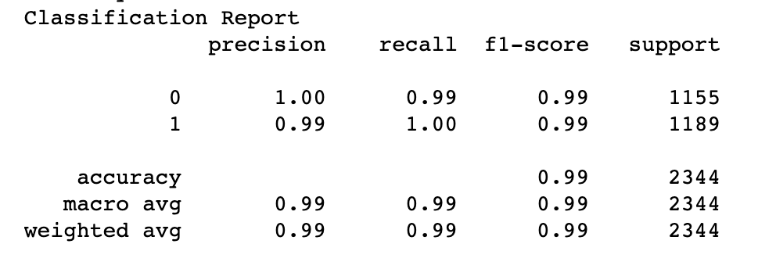 | 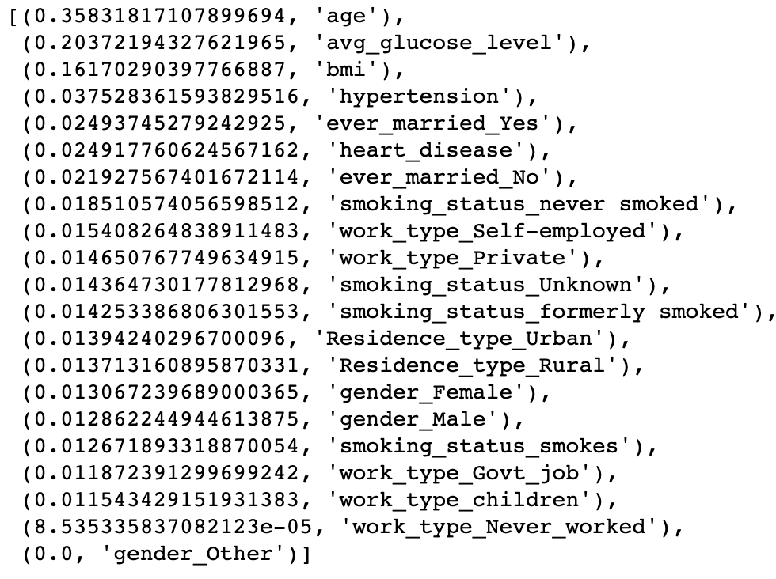 Feature Importances
1.2 | Random Forest | • age (continuous) • hypertension (0/1) • heart disease (0/1) • average glucose level (continuous) • bmi (continuous) (DROPPED GENDER) (DROPPED MARRIAGE HISTORY) (DROPPED WORK TYPE) • residence type (binary indicators for "Urban", "Rural") • smoking status (binary indicators for "Smoked", "Formerly Smoked", "Never Smoked", and "Unknown") | 0.9893 | 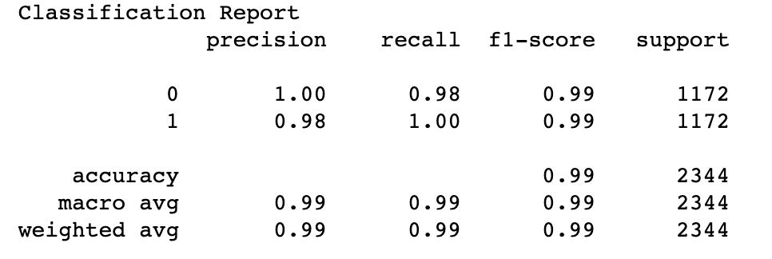 | 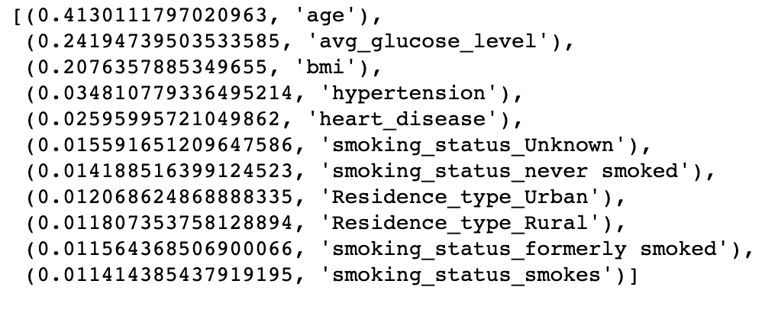 Feature Importances
2.1 | Logistic Regression | • age (continuous) • hypertension (0/1) • heart disease (0/1) • average glucose level (continuous) • bmi (continuous) • gender indicators (binary indicators for "Male", "Female", and "Other") • marriage history (binary indicators for "Yes" (currently or previously married), "No" (never married)) • work type (binary indicators for "Government Job", "Private Sector", "Self-employed", "Children", and "Never Worked") • residence type (binary indicators for "Urban", "Rural") • smoking status (binary indicators for "Smoked", "Formerly Smoked", "Never Smoked", and "Unknown") | Training Data: 0.77425 Test Data: 0.77005 |  | • Solver: lbfgs • Maximum iterations: 200
2.2 | Logistic Regression | • age (continuous) • hypertension (0/1) • heart disease (0/1) • average glucose level (continuous) • bmi (continuous) (DROPPED MARRIAGE HISTORY) (DROPPED WORK TYPE) • residence type (binary indicators for "Urban", "Rural") • smoking status (binary indicators for "Smoked", "Formerly Smoked", "Never Smoked", and "Unknown") | Training Data: 0.76884 Test Data: 0.75170 |  | • Solver: lbfgs • Maximum iterations: 200
2.3 | Logistic Regression | • age (continuous) • hypertension (0/1) • heart disease (0/1) • average glucose level (continuous) • bmi (continuous) (DROPPED GENDER) (DROPPED MARRIAGE HISTORY) (DROPPED WORK TYPE) • residence type (binary indicators for "Urban", "Rural") • smoking status (binary indicators for "Smoked", "Formerly Smoked", "Never Smoked", and "Unknown") | Training Data: 0.76884 Test Data: 0.75170 |  | • Solver: lbfgs • Maximum iterations: 200
3.1 | K Nearest Neighbors | • age (continuous) • hypertension (0/1) • heart disease (0/1) • average glucose level (continuous) • bmi (continuous) • gender indicators (binary indicators for "Male", "Female", and "Other") • marriage history (binary indicators for "Yes" (currently or previously married), "No" (never married)) • work type (binary indicators for "Government Job", "Private Sector", "Self-employed", "Children", and "Never Worked") • residence type (binary indicators for "Urban", "Rural") • smoking status (binary indicators for "Smoked", "Formerly Smoked", "Never Smoked", and "Unknown") | 0.96 |  | • n_neighbors = 3
3.2 | K Nearest Neighbors | • age (continuous) • hypertension (0/1) • heart disease (0/1) • average glucose level (continuous) • bmi (continuous) (DROPPED GENDER) (DROPPED MARRIAGE HISTORY) (DROPPED WORK TYPE) • residence type (binary indicators for "Urban", "Rural") • smoking status (binary indicators for "Smoked", "Formerly Smoked", "Never Smoked", and "Unknown") | 0.93 |  | •n_neighbors = 5

