Normalized Data
View 2 | MSE |  | RER |  | SSIM |  | PSNR |  | No. of Parameters | Speed (s) |  |  | Improvement |  |  | train/eval loss |  |  | TL 25 samples | MSE |  | SSIM |  | PSNR |  | No. of epochs | MSE |  | SSIM |  | PSNR |  | Speed (s) |  |  | train/eval loss |  |  | TL 50 samples | MSE |  | SSIM |  | PSNR |  | No. of epochs | MSE |  | SSIM |  | PSNR |  | Speed (s) |  |  | train/eval loss |  |  | TL 75 samples | MSE |  | SSIM |  | PSNR |  | No. of epochs | MSE |  | SSIM |  | PSNR |  | Speed (s) |  |  | train/eval loss |  |  | TL 100 samples | MSE |  | SSIM |  | PSNR |  | No. of epochs | MSE |  | SSIM |  | PSNR |  | Speed (s) |  |  | train/eval loss |  |  | 200 samples | MSE |  | SSIM |  | PSNR |  | TL 5 samples | MSE |  | SSIM |  | PSNR |  | No. of epochs | MSE |  | SSIM |  | PSNR |  | Speed (s) |  |  | train/eval loss |  |  | TL 10 samples | MSE |  | SSIM |  | PSNR |  | No. of epochs | MSE |  | SSIM |  | PSNR |  | Speed (s) |  |  | train/eval loss |  |  | TL 15 samples | MSE |  | SSIM |  | PSNR |  | No. of epochs | MSE |  | SSIM |  | PSNR |  | Speed (s) |  |  | train/eval loss |  |  | TL 20 samples | MSE |  | SSIM |  | PSNR |  | No. of epochs | MSE |  | SSIM |  | PSNR |  | Speed (s) |  |  | train/eval loss |  |  | TL 44 samples | MSE |  | SSIM |  | PSNR |  | No. of epochs | MSE |  | SSIM |  | PSNR |  | Speed (s) |  |  | train/eval loss
 | train | test | train | test | train | test | train | test |  | 5 Epochs | MSE | SSIM+PSNR | MSE | SSIM | PSNR | MSE | SSIM | PSNR | View 5 | train | test | train | test | train | test |  | train | test | train | test | train | test | 5 Epochs | MSE | SSIM+PSNR | MSE | SSIM | PSNR | View 5 | train | test | train | test | train | test |  | train | test | train | test | train | test | 5 Epochs | MSE | SSIM+PSNR | MSE | SSIM | PSNR | View 5 | train | test | train | test | train | test |  | train | test | train | test | train | test | 5 Epochs | MSE | SSIM+PSNR | MSE | SSIM | PSNR | View 5 | train | test | train | test | train | test |  | train | test | train | test | train | test | 5 Epochs | MSE | SSIM+PSNR | MSE | SSIM | PSNR |  | train | test | train | test | train | test | View 5 | train | test | train | test | train | test |  | train | test | train | test | train | test | 5 Epochs | MSE | SSIM+PSNR | MSE | SSIM | PSNR | View 5 | train | test | train | test | train | test |  | train | test | train | test | train | test | 5 Epochs | MSE | SSIM+PSNR | MSE | SSIM | PSNR | View 5 | train | test | train | test | train | test |  | train | test | train | test | train | test | 5 Epochs | MSE | SSIM+PSNR | MSE | SSIM | PSNR | View 5 | train | test | train | test | train | test |  | train | test | train | test | train | test | 5 Epochs | MSE | SSIM+PSNR | MSE | SSIM | PSNR | View 5 | train | test | train | test | train | test |  | train | test | train | test | train | test | 5 Epochs | MSE | SSIM+PSNR | MSE | SSIM | PSNR
Base Model | 2.247E-04 | 2.504E-04 | 3.166E-02 | 3.345E-02 | 98.17% | 98.21% | 37.12 | 36.60 | 1688601 | 154.21816683 | 20.4 | 24 | 0.0% | 0.00% | 0.00% | 89.71% | 99.95% | 98.59% | 170% | 3.22E-04 | 4.26E-04 | 0.9829515624 | 0.98373247057 | 35.632453842 | 34.463410115 | 5 | 2.32E-04 | 3.09E-04 | 98.33% | 98.41% | 36.826087799 | 35.656291122 | 18.24 | 14.5 | 17.54 | 75.34% | 99.91% | 96.82% | 115% | 3.54E-04 | 2.89E-04 | 0.98469228506 | 0.98384997368 | 35.257534981 | 36.192564158 | 5 | 2.09E-04 | 2.82E-04 | 98.53% | 98.38% | 37.26684288 | 36.220706229 | 37.45 | 15.7 | 18.27 | 74.08% | 99.85% | 97.19% | 133% | 3.42E-04 | 3.34E-04 | 0.98422809283 | 0.9838849546 | 35.298906174 | 35.566614537 | 5 | 2.14E-04 | 2.30E-04 | 98.47% | 98.42% | 37.206651052 | 37.053470783 | 56.99 | 18.63 | 24.29 | 93.06% | 99.95% | 99.59% | 133% | 3.42E-04 | 3.34E-04 | 0.98422809283 | 0.9838849546 | 35.298906174 | 35.566614537 | 5 | 2.14E-04 | 2.30E-04 | 98.47% | 98.42% | 37.206651052 | 37.053470783 | 56.99 | 18.63 | 24.29 | 93.06% | 99.95% | 99.59% |  |  |  |  |  |  |  | 0% |  |  |  |  |  |  |  |  |  |  |  |  |  |  |  |  | #DIV/0! | #DIV/0! | #DIV/0! | 0% |  |  |  |  |  |  | 5 |  |  |  |  |  |  |  |  |  | #DIV/0! | #DIV/0! | #DIV/0! | 0% |  |  |  |  |  |  | 5 |  |  |  |  |  |  |  |  |  | #DIV/0! | #DIV/0! | #DIV/0! | 0% |  |  |  |  |  |  | 5 |  |  |  |  |  |  |  |  |  | #DIV/0! | #DIV/0! | #DIV/0! | 0% |  |  |  |  |  |  |  |  |  |  |  |  |  |  |  |  | #DIV/0! | #DIV/0! | #DIV/0!
NM | 1.950E-04 | 2.180E-04 | 2.943E-02 | 3.115E-02 | 98.22% | 98.24% | 37.80 | 37.30 | 1690401 |  | 20.25 |  | 13.0% | 0.03% | 1.91% | 89.46% | 99.98% | 98.67% | 177% | 3.11E-04 | 3.85E-04 | 0.98327851057 | 0.98396766067 | 35.907055817 | 35.096592593 | 5 | 2.04E-04 | 2.33E-04 | 98.37% | 98.45% | 37.395571136 | 37.02945437 | 18.85 | 14.74 | 17.6 | 87.41% | 99.92% | 99.02% | 125% | 3.29E-04 | 2.72E-04 | 0.9846435976 | 0.98410825223 | 35.813991814 | 36.607320437 | 5 | 1.91E-04 | 2.52E-04 | 98.53% | 98.42% | 37.721833038 | 36.84736268 | 41.67 | 19.58 | 20.57 | 75.90% | 99.88% | 97.68% | 142% | 3.18E-04 | 3.09E-04 | 0.9842934219 | 0.98411911458 | 35.787621257 | 36.083349977 | 5 | 1.95E-04 | 2.05E-04 | 98.48% | 98.45% | 37.668110352 | 37.653604975 | 56.66 | 17.02 | 20.66 | 94.92% | 99.97% | 99.96% | 142% | 3.18E-04 | 3.09E-04 | 0.9842934219 | 0.98411911458 | 35.787621257 | 36.083349977 | 5 | 1.95E-04 | 2.05E-04 | 98.48% | 98.45% | 37.668110352 | 37.653604975 | 56.66 | 17.02 | 20.66 | 94.92% | 99.97% | 99.96% |  |  |  |  |  |  |  | 933% | 3.04E-04 | 2.03E-03 | 0.97914732695 | 0.97822775215 | 35.890612411 | 27.167241569 | 20 | 0.0002197763446 | 0.0011933138906 | 97.95% | 98.13% | 36.813402557 | 29.492883248 |  |  |  | 18.42% | 99.82% | 80.11% | 0% |  |  |  |  |  |  | 5 |  |  |  |  |  |  |  |  |  | #DIV/0! | #DIV/0! | #DIV/0! | 0% |  |  |  |  |  |  | 5 |  |  |  |  |  |  |  |  |  | #DIV/0! | #DIV/0! | #DIV/0! | 0% |  |  |  |  |  |  | 5 | 1.62E-04 | 2.17E-04 | 98.47% | 98.46% | 38.264936638 | 37.466498733 |  |  |  | 74.75% | 99.99% | 97.91% | 0% |  |  |  |  |  |  |  |  |  |  |  |  |  |  |  |  | #DIV/0! | #DIV/0! | #DIV/0!
STD | 2.431E-04 | 2.789E-04 | 3.225E-02 | 3.465E-02 | 98.38% | 98.39% | 37.18 | 36.51 | 1689201 |  |  |  | -11.3% | 0.18% | -0.24% | 87.17% | 99.99% | 98.20%
D | 2.284E-04 | 2.323E-04 | 3.198E-02 | 3.219E-02 | 98.49% | 98.54% | 37.30 | 37.23 | 1689201 |  |  |  | 7.2% | 0.33% | 1.72% | 98.32% | 99.95% | 99.80%
R | 2.395E-04 | 2.628E-04 | 3.272E-02 | 3.418E-02 | 98.36% | 98.41% | 37.13 | 36.71 | 1689201 | 156.81576633 | 20.704391003 | 24.35121274 | -4.9% | 0.20% | 0.31% | 91.14% | 99.95% | 98.87%
DenseNet128-NM | 2.270E-04 | 2.411E-04 | 3.200E-02 | 3.288E-02 | 98.06% | 98.11% | 37.10 | 36.81 | 1384460 | 241.57 | 29.43 | 34.67 | 3.7% | -0.11% | 0.60% | 94.16% | 99.96% | 99.24%
Unet-512-NM | 1.574E-04 | 1.681E-04 | 2.636E-02 | 2.703E-02 | 98.50% | 98.53% | 38.88 | 38.68 | 2545505 | 77.299384356 | 10.25 | 13.8 | 32.9% | 0.32% | 5.69% | 93.67% | 99.97% | 99.47% | 178% | 2.81E-04 | 2.99E-04 | 0.98689348698 | 0.98715366483 | 37.069261169 | 36.758383675 | 5 | 1.64E-04 | 1.86E-04 | 98.74% | 98.76% | 38.312018738 | 38.118670712 | 9.64 | 7.53 | 10.2 | 88.31% | 99.98% | 99.50% | 212% | 3.23E-04 | 3.56E-04 | 0.98679357886 | 0.98698935613 | 36.15893261 | 36.0838064 | 5 | 1.68E-04 | 1.84E-04 | 98.74% | 98.77% | 38.303136673 | 38.157115455 | 18.55 | 7.95 | 10.85 | 91.52% | 99.97% | 99.62% | 169% | 2.90E-04 | 2.85E-04 | 0.98728812774 | 0.98720029429 | 36.499911575 | 36.902303953 | 5 | 1.57E-04 | 1.72E-04 | 98.79% | 98.77% | 38.57103536 | 38.497051659 | 28.06 | 8.43 | 11.79 | 91.26% | 99.98% | 99.81% | 206% | 2.73E-04 | 3.46E-04 | 0.98666506767 | 0.98701220855 | 36.701906052 | 36.20799984 | 5 | 1.65E-04 | 1.71E-04 | 98.80% | 98.77% | 38.460233917 | 38.513983188 | 37.54 | 8.87 | 11.56 | 96.74% | 99.97% | 99.86% |  | 1.50E-04 | 1.70E-04 | 98.81% | 98.81% | 38.932385368 | 38.380047164 | 1160% | 3.18E-04 | 1.95E-03 | 0.98229892254 | 0.98105908245 | 36.237320709 | 27.466127224 | 20 | 2.27E-04 | 1.64E-03 | 98.25% | 98.22% | 37.097084808 | 28.054628 |  |  |  | 13.84% | 99.97% | 75.62% | 237% | 2.64E-04 | 3.99E-04 | 0.98656702638 | 0.98680530161 | 36.748857307 | 35.55643621 | 10 | 1.73E-04 | 2.43E-04 | 98.68% | 98.73% | 38.034770584 | 37.213226686 |  |  |  | 71.08% | 99.95% | 97.84% | 158% | 2.39E-04 | 2.65E-04 | 0.98824634949 | 0.98718311325 | 36.707977804 | 37.02480866 | 5 | 1.51E-04 | 2.08E-04 | 98.86% | 98.74% | 38.569211833 | 37.694669437 |  |  |  | 72.42% | 99.88% | 97.73% | 193% | 2.86E-04 | 3.24E-04 | 0.9866370976 | 0.98708574474 | 36.299232483 | 36.467890878 |  | 1.61E-04 | 1.87E-04 | 98.72% | 98.76% | 38.368753815 | 38.100963073 |  |  |  | 86.31% | 99.96% | 99.30% | 241% | 2.98E-04 | 4.06E-04 | 0.98659007387 | 0.98681367874 | 36.204765407 | 35.484968548 | 5 | 1.73E-04 | 2.21E-04 | 0.98705181073 | 0.98764130533 | 38.197464856 | 37.399851837 |  |  |  | 78.19% | 99.94% | 97.91%
144 sample 3a |  | 33% |  | 19% |  | 0.32% |  | 5% | 0.50746387098 |  |  |  |  |  |  |  |  |  | How off from itself on V2? |  |  |  |  |  |  | lr: 0.00001 |  |  |  |  |  |  |  |  |  |  |  |  | How off from itself on V2? |  |  |  |  |  |  | lr: 0.00001 |  |  |  |  |  |  |  |  |  |  |  |  | How off from itself on V2? |  |  |  |  |  |  | lr: 0.00001 | trined using 75 samples w/o TL |  |  |  |  |  |  |  |  |  |  |  | How off from itself on V2? |  |  |  |  |  |  | lr: 0.00001
Unet-512-NM | 3.091E-04 | 3.251E-04 |  |  | 97.29% | 97.34% | 35.48 | 35.46 | 2545505 | 77.299384356 | 10.25 | 13.8 | -29.8% | -0.89% | -3.12% | 95.07% | 99.95% | 99.94% |  |  |  |  |  |  |  |  |  |  |  |  |  |  |  |  |  |  |  |  |  |  |  |  |  |  |  |  |  |  |  |  |  |  |  |  |  |  |  |  |  |  |  |  |  |  |  |  | 2.17E-04 | 2.39E-04 | 98.44% | 98.41% | 37.310068512 | 37.176192803
 |  |  |  |  |  |  |  |  |  |  |  |  |  |  |  |  |  |  |  |  |  |  |  |  |  |  |  |  |  |  |  |  |  |  |  |  |  |  | TL 50 samples | MSE |  | SSIM |  | PSNR |  | No. of epochs | MSE |  | SSIM |  | PSNR |  | Speed (s) |  |  | train/eval loss |  |  | TL 75 samples | MSE |  | SSIM |  | PSNR |  | No. of epochs | MSE |  | SSIM |  | PSNR |  | Speed (s) |  |  | train/eval loss |  |  | TL 100 samples | MSE |  | SSIM |  | PSNR |  | No. of epochs | MSE |  | SSIM |  | PSNR |  | Speed (s) |  |  | train/eval loss |  |  | 200 samples | MSE |  | SSIM |  | PSNR
All samples |  |  |  |  |  |  |  |  | DGP |  |  | 0.99069029125 | -0.30890069677 | -0.29913049359 | -0.91708198821 | -0.9626545099 |  |  |  |  |  |  |  |  |  |  |  |  |  |  |  |  |  |  |  |  |  |  | View 6 | train | test | train | test | train | test |  | train | test | train | test | train | test | 5 Epochs | MSE | SSIM+PSNR | MSE | SSIM | PSNR | View 5 | train | test | train | test | train | test |  | train | test | train | test | train | test | 5 Epochs | MSE | SSIM+PSNR | MSE | SSIM | PSNR | View 5 | train | test | train | test | train | test |  | train | test | train | test | train | test | 5 Epochs | MSE | SSIM+PSNR | MSE | SSIM | PSNR |  | train | test | train | test | train | test
 | MSE | SSIM |  |  | PSNR | Prediction |  |  | MSE |  |  |  |  |  |  |  |  |  |  |  |  |  |  |  |  |  |  |  |  |  |  |  |  |  |  |  |  |  | #VALUE! |  |  |  |  |  |  | 5 |  |  |  |  |  |  | 37.45 | 15.7 | 18.27 | #DIV/0! | #DIV/0! | #DIV/0! | #VALUE! |  |  |  |  |  |  | 5 |  |  |  |  |  |  | 56.99 | 18.63 | 24.29 | #DIV/0! | #DIV/0! | #DIV/0! | #VALUE! |  |  |  |  |  |  | 5 |  |  |  |  |  |  | 56.99 | 18.63 | 24.29 | #DIV/0! | #DIV/0! | #DIV/0!
Value | 1.676E-04 | 0.98468280591 |  |  | 38.641459609 |  |  |  | 1.33E-05 |  |  |  |  |  |  |  |  |  |  |  |  |  |  |  |  |  |  |  |  |  |  |  |  |  |  |  |  |  | 0% |  |  |  |  |  |  | 5 |  |  |  |  |  |  | 41.67 | 19.58 | 20.57 | #DIV/0! | #DIV/0! | #DIV/0! | 0% |  |  |  |  |  |  | 5 |  |  |  |  |  |  | 56.66 | 17.02 | 20.66 | #DIV/0! | #DIV/0! | #DIV/0! | 0% |  |  |  |  |  |  | 5 |  |  |  |  |  |  | 56.66 | 17.02 | 20.66 | #DIV/0! | #DIV/0! | #DIV/0!
duration: (s) | 73 | 97.5 |  |  |  | 80.85

View 2 | MSE |  | RER |  | SSIM |  | PSNR |  | No. of Parameters |  | View 2 | MSE | RER | SSIM | PSNR | No. of Parameters |  |  |  |  | View #1 | MSE | RER | SSIM | PSNR | No. of Parameters | Speed (s)
 | train | test | train | test | train | test | train | test |  |  |  |  |  |  |  |  |  |  |  |  |  |  |  |  |  |  | 5 Epochs | MSE | SSIM+PSNR |  |  |  |  |  |  |  |  |  | #VALUE! |  |  |  |  |  |  | 5 |  |  |  |  |  |  | 18.55 | 7.95 | 10.85 | 93.51% | 100.00% | 99.84% | #REF! | 1.90E-04 | 1.88E-04 | 0.98493528446 | 0.9850425756 | 37.780391286 | 38.097588716 | 5 | 1.45E-04 | 1.55E-04 | 98.54% | 98.54% | 38.780926666 | 38.717534504 | 27.28 | 8.14 | 10.9 | 93.51% | 100.00% | 99.84% | #VALUE! |  |  |  |  |  |  | 5 |  |  |  |  |  |  | 37.54 | 8.87 | 11.56 | #DIV/0! | #DIV/0! | #DIV/0! |  | 1.51E-04 | 1.73E-04 | 98.57% | 98.58% | 38.788628502 | 38.166635823
Base Model | 2.247E-04 | 2.504E-04 | 3.166E-02 | 3.345E-02 | 98.17% | 98.21% | 37.12 | 36.60 | 1688601 |  | Base Model | 2.504E-04 | 3.345E-02 | 98.21% | 36.60 | 1688601 |  |  |  |  | Base Model | 2.504E-04 | 3.345E-02 | 98.21% | 36.60 | 1688601 | 154.21816683 | 20.4 | 24 |  |  |  |  |  |  |  |  |  | How off from itself on V2? |  |  | PSNR |  |  |  | lr: 0.00001 |  |  |  |  |  |  |  |  |  |  |  |  | How off from itself on V2? |  |  |  |  |  |  | lr: 0.00001 | trined using 75 samples w/o TL |  |  |  |  |  |  |  |  |  |  |  | How off from itself on V2? |  |  |  |  |  |  | lr: 0.00001 |  |  |  |  |  |  |  |  |  |  |  |  |  | 0.00019452659799 | 0.00021321146549 | 0.98491704226 | 0.98498212427 | 37.904915838 | 37.632880054
NM | 1.950E-04 | 2.180E-04 | 2.943E-02 | 3.115E-02 | 98.22% | 98.24% | 37.80 | 37.30 | 1690401 |  | Normal map | 2.180E-04 | 3.115E-02 | 98.24% | 37.30 | 1690401 |  |  |  |  | U-Net-512 + Normal map | 1.681E-04 | 2.703E-02 | 98.53% | 38.68 | 2545505 | 77.299384356 | 10.25 | 13.8
STD | 2.431E-04 | 2.789E-04 | 3.225E-02 | 3.465E-02 | 98.38% | 98.39% | 37.18 | 36.51 | 1689201 |  | Standard Deviation map | 2.789E-04 | 3.465E-02 | 98.39% | 36.51 | 1689201
D | 2.284E-04 | 2.323E-04 | 3.198E-02 | 3.219E-02 | 98.49% | 98.54% | 37.30 | 37.23 | 1689201 |  | Depth map | 2.323E-04 | 3.219E-02 | 98.54% | 37.23 | 1689201
R | 2.395E-04 | 2.628E-04 | 3.272E-02 | 3.418E-02 | 98.36% | 98.41% | 37.13 | 36.71 | 1689201 |  | Reflectance map | 2.628E-04 | 3.418E-02 | 98.41% | 36.71 | 1689201 |  |  |  |  |  |  |  |  |  |  | 15.421816683
 |  |  |  |  |  |  |  |  |  |  |  |  |  |  |  |  |  |  |  |  |  |  |  |  |  |  | 7.7299384356
View 2 | MSE |  |  |  | SSIM |  | PSNR |  | No. of Parameters
 | train | test |  |  | train | test | train | test
Base Model | 2.247E-04 | 2.504E-04 |  |  | 98.17% | 98.21% | 37.12 | 36.60 | 1688601
Unet-512-NM | 1.574E-04 | 1.681E-04 |  |  | 98.50% | 98.53% | 38.88 | 38.68 | 2545505

 | MSE | SSIM |  |  | PSNR | 5 Epochs | MSE | SSIM+PSNR
Base Model | 2.504E-04 | 98.21% |  |  | 36.60 | 154.21816683 | 20.4 | 24
Unet-512-NM | 1.681E-04 | 98.53% |  |  | 38.68 | 77.299384356 | 10.25 | 13.8

 | MSE | SSIM |  |  | PSNR | Performance |  |  |  | MSE | SSIM | PSNR | Performance
Base Model | 8.718E-01 | 6.222E-01 |  |  | 5.201E-01 | 1 |  |  | Base Model | 6.710E-01 | 6.222E-01 | 5.201E-01 | 0.50123397227
Unet-512-NM | 5.000E-01 | 9.907E-01 |  |  | 1.000E+00 | 0.50123397227 |  |  | Unet-512-NM | 1.000E+00 | 9.907E-01 | 1.000E+00 | 1.000E+00

 | 1
 | 6.710E-01

 |  |  |  |  |  |  |  |  |  |  | View #1 | No. of Parameters | Speed (s)
View #1 | MSE | RER | SSIM | PSNR | No. of Parameters | Speed (s) |  |  |  |  |  |  | 5 Epochs | MSE | SSIM+PSNR
 |  |  |  |  |  | 5 Epochs | MSE | SSIM+PSNR |  |  | Base Model | 1688601 | 154.2 | 20.4 | 24.0
Base Model | 2.50E-04 | 3.35E-02 | 98.21% | 36.6 | 1688601 | 154.2 | 20.4 | 24 |  |  | Base model + Normal map | 1690401 | 156.8 | 20.7 | 24.4
Base model + Normal map | 2.18E-04 | 3.12E-02 | 98.24% | 37.3 | 1690401 | 156.8 | 20.7 | 24.4 |  |  | U-Net-512 + Normal map | 2545505 | 77.3 | 10.3 | 13.8

U-Net-512 + Normal map | 1.68E-04 | 2.70E-02 | 98.53% | 38.68 | 2545505 | 77 | 10 | 14

 |  |  | 2.11

 | 2.504E-04 | 3.345E-02 | 7.698E-04 | 3.074E+00 |  | 3.0302505991
 | 2.180E-04 | 3.115E-02 | 6.623E-04 | 3.038E+00
 | 2.789E-04 | 3.465E-02 | 8.294E-04 | 2.974E+00
 | 2.323E-04 | 3.219E-02 | 7.101E-04 | 3.057E+00
 | 2.504E-04 | 2.540E-04
 | 2.180E-04 | 2.186E-04
 | 2.789E-04 | 2.737E-04
 | 2.323E-04 | 2.343E-04
 | 2.628E-04 | 2.660E-04
 | 2.411E-04 | 2.450E-04
 | 1.681E-04 | 1.621E-04
 | 2.628E-04 | 3.418E-02 | 8.060E-04 | 3.067E+00
 | 2.411E-04 | 3.288E-02 | 7.424E-04 | 3.079E+00
 | 1.681E-04 | 2.703E-02 | 4.912E-04 | 2.923E+00

 | 2.504E-04 | 2.540E-04
 | 2.180E-04 | 2.186E-04
 | 2.789E-04 | 2.737E-04
 | 2.323E-04 | 2.343E-04
 | 2.628E-04 | 2.660E-04
 | 2.411E-04 | 2.450E-04
 | 1.681E-04 | 1.621E-04

TL Errs
 | Train | Test
5 | 2.27E-04 | 1.64E-03 | 98.25% | 98.22% | 37.097084808 | 28.054628
10 | 1.73E-04 | 2.43E-04 | 98.68% | 98.73% | 38.034770584 | 37.213226686
15 | 1.51E-04 | 2.08E-04 | 98.86% | 98.74% | 38.569211833 | 37.694669437
20 | 1.61E-04 | 1.87E-04 | 98.72% | 98.76% | 38.368753815 | 38.100963073
25 | 1.64E-04 | 1.86E-04 | 98.74% | 98.76% | 38.312018738 | 38.118670712
50 | 1.58E-04 | 1.84E-04 | 98.82% | 98.75% | 38.547389908 | 37.785918593
75 | 1.57E-04 | 1.72E-04 | 98.79% | 98.77% | 38.57103536 | 38.497051659
100 | 1.65E-04 | 1.71E-04 | 98.80% | 98.77% | 38.460233917 | 38.513983188
200 | 1.50E-04 | 1.70E-04 | 98.81% | 98.81% | 38.932385368 | 38.380047164

5 | 1.64E-03
10 | 2.43E-04
15 | 2.08E-04
20 | 1.87E-04
25 | 1.86E-04
30 | 1.85E-04 | 80 | 20
35 | 1.85E-04 | 60 | 40
40 | 1.85E-04 | 40 | 60
45 | 1.84E-04 | 20 | 80
50 | 1.84E-04
55 | 1.82E-04 | 80 | 20
60 | 1.79E-04 | 60 | 40
65 | 1.77E-04 | 40 | 60
70 | 1.75E-04 | 20 | 80
75 | 1.72E-04
80 | 1.72E-04 | 80 | 20
85 | 1.72E-04 | 60 | 40
90 | 1.71E-04 | 40 | 60
95 | 1.71E-04 | 20 | 80
100 | 1.71E-04
200 | 1.70E-04

Diamond chart
0.0002504 | 0.03345 | 0.9821 | 36.6 | 154.21816683 | Base Model | 0.0002504 | 0.03345 | 0.9821 | 36.6 | 154.21816683 |  | MSE | RER | SSIM | PSNR | Speed | 0.62856684098 | 0.57875195454 | 0.675 | 0.52074873566 | 0.5204601495 | 0.62856684098 | 0.57875195454 | 0.5 | 0.52074873566 | 0.5204601495
0.000218 | 0.03115 | 0.9824 | 37.3 | 157 | NM | 0.000218 | 0.03115 | 0.9824 | 37.3 | 157.5 | Base Model | 0.62856684098 | 0.57875195454 | 0.878125 | 0.52074873566 | 0.5204601495 | 0.77472703915 | 0.72969320074 | 0.7 | 0.6821277908 | 0.5 | 0.77472703915 | 0.72969320074 | 0.54545454545 | 0.6821277908 | 0.5
0.0002789 | 0.03465 | 0.9839 | 36.51 | 156.5 | STD | 0.0002789 | 0.03465 | 0.9839 | 36.51 | 157 | NM | 0.77472703915 | 0.72969320074 | 0.8875 | 0.6821277908 | 0.5 | 0.5 | 0.5 | 0.825 | 0.5 | 0.50311718305 | 0.5 | 0.5 | 0.77272727273 | 0.5 | 0.50311718305
0.0002323 | 0.03219 | 0.9854 | 37.23 | 156.81576633 | D | 0.0002323 | 0.03219 | 0.9854 | 37.23 | 156.5 | STD | 0.5 | 0.5 | 0.934375 | 0.5 | 0.50311718305 | 0.7102180628 | 0.66144150681 | 0.95 | 0.66598988529 | 0.50623436611 | 0.7102180628 | 0.66144150681 | 1 | 0.66598988529 | 0.50623436611
0.0002628 | 0.03418 | 0.9841 | 36.71 | 77.299384356 | R | 0.0002628 | 0.03418 | 0.9841 | 36.71 | 156.81576633 | D | 0.7102180628 | 0.66144150681 | 0.98125 | 0.66598988529 | 0.50623436611 | 0.57262898736 | 0.53084451553 | 0.84166666667 | 0.54610830147 | 0.50426576317 | 0.57262898736 | 0.53084451553 | 0.80303030303 | 0.54610830147 | 0.50426576317
 |  | 0.986 |  |  |  |  |  |  |  | 77.299384356 | R | 0.57262898736 | 0.53084451553 | 0.940625 | 0.54610830147 | 0.50426576317 | 1 | 1 | 0.93954250713 | 1 | 1 | 1 | 1 | 0.9809863766 | 1 | 1
 |  | 0.97 |  |  |  |  |  |  |  |  | U-Net | 1 | 1 | 0.97732844017 | 1 | 1
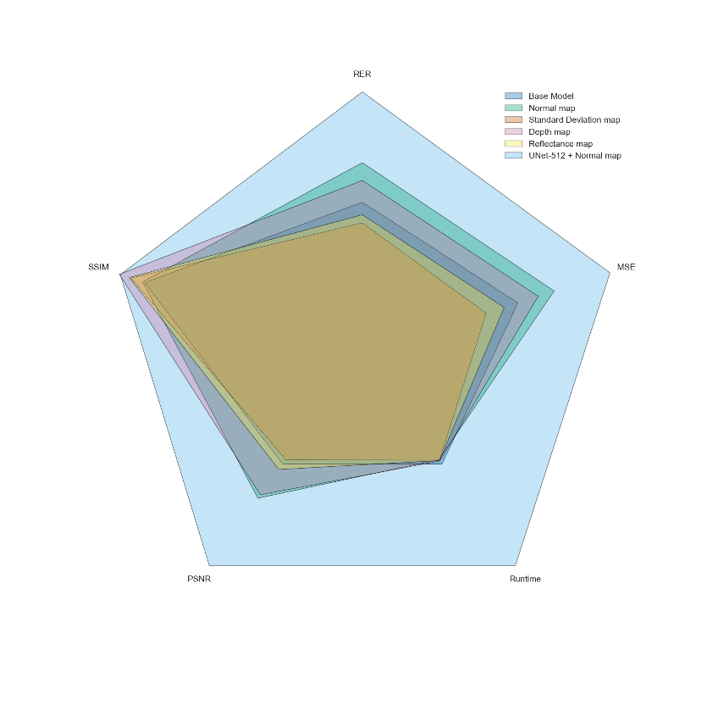
 |  |  |  |  | U-Net | 1.681E-04 | 2.703E-02 | 98.53% | 38.68
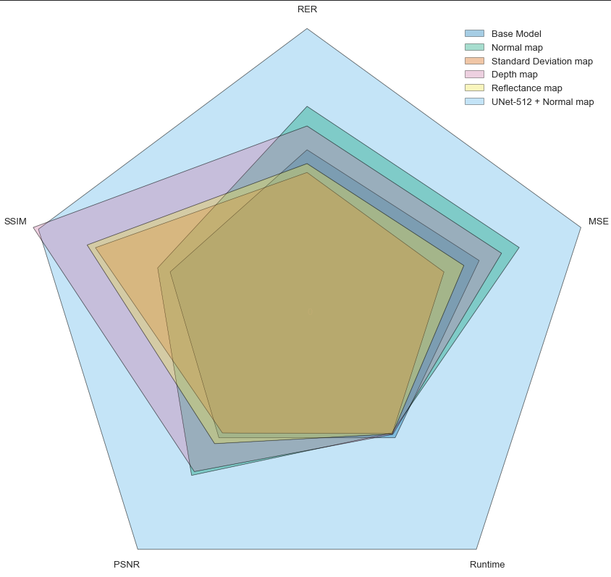
 | MSE | RER | SSIM | PSNR |  | MSE | RER | SSIM | PSNR | Speed
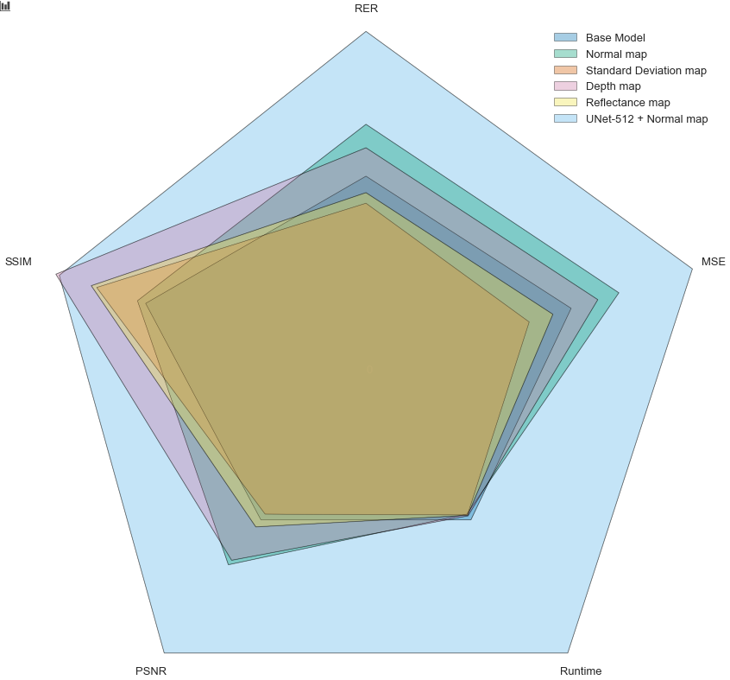
Base Model | 0.73399014778 | 0.67142857143 | 0.878125 | 0.55696202532 | Base Model | 0.62856684098 | 0.57875195454 | 0.5 | 0.52074873566 | 0.5204601495
NM | 1 | 1 | 0.8875 | 1 | NM | 0.77472703915 | 0.72969320074 | 0.54545454545 | 0.6821277908 | 0.5
STD | 0.5 | 0.5 | 0.934375 | 0.5 | STD | 0.5 | 0.5 | 0.77272727273 | 0.5 | 0.50311718305
D | 0.88259441708 | 0.85142857143 | 0.98125 | 0.95569620253 | D | 0.7102180628 | 0.66144150681 | 1 | 0.66598988529 | 0.50623436611
R | 0.63218390805 | 0.56714285714 | 0.940625 | 0.62658227848 | R | 0.57262898736 | 0.53084451553 | 0.80303030303 | 0.54610830147 | 0.50426576317
 |  |  |  |  | U-Net | 1.000E+00 | 1.000E+00 | 0.9809863766 | 1.00 | 1

