OpAmp
Twelve Rules for Operational Amplifiers |  |  |  |  | m > 1, b < 0 |  |  |  |  | m > 1, b = 0 |  |  |  |  | m >= 1, b > 0 |  |  |  |  | m > 1, b < 0 enhanced
Verson 1.1, 20180609, Marten Agren |  |  |  |  | mpbn |  |  |  | unverified | mpbz |  |  |  | verified | mpbp |  |  |  | verified | mpbne |  |  |  | unverified
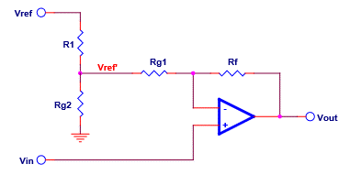
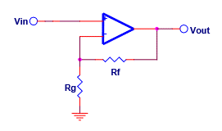
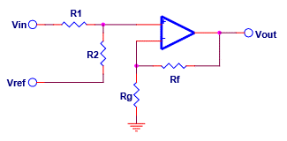
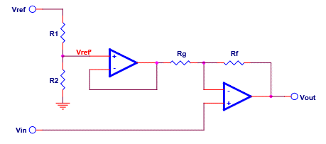

Transfer function: |  |  | y = mx + b

Signs for m and b determine the circuit

example | mnbp

Vinzs | -1.000 |  | zero-scale input voltage
Vinfs | 1.000 |  | full-scale input voltage
Voutzs | 3.000 |  | zero-scale output voltage |  |  | Param | Value | Actual |  |  | Param | Value | Actual |  |  | Param | Value | Actual |  |  | Param | Value | Actual
Voutfs | -1.000 |  | full-scale ouptput voltate |  |  | Vinzs | -1.000 |  |  |  | Vinzs | -1.000 |  |  |  | Vinzs | -1.000 |  |  |  | Vinzs | -1.000
 |  |  |  |  |  | Vinfs | 1.000 |  |  |  | Vinfs | 1.000 |  |  |  | Vinfs | 1.000 |  |  |  | Vinfs | 1.000
m | -2.000 |  | m = (Voutfs - Voutzs) / (Vinfs - Vinzs) |  |  | Voutzs | 3.000 | #N/A |  |  | Voutzs | 3.000 | #N/A |  |  | Voutzs | 3.000 | #N/A |  |  | Voutzs | 3.000 | #N/A
b | 1.000 |  | b=Vourzs-m * Vinzs |  |  | Voutfs | -1.000 | #N/A |  |  | Voutfs | -1.000 | #N/A |  |  | Voutfs | -1.000 | #N/A |  |  | Voutfs | -1.000 | #N/A
 |  |  |  |  |  | Vref | 5.000 |  |  |  |  |  |  |  |  | Vref | 5.000 |  |  |  | Vref | 5.000
The relevant circuit is highlighted in yellow |  |  |  |  |  | m | -2.000 | #N/A |  |  | m | -2.000 | #N/A |  |  | m | -2.000 | #N/A |  |  | m | -2.000 | #N/A
 |  |  |  |  |  | b | 1.000 | #N/A |  |  | b | 1.000 | #N/A |  |  | b | 1.000 | #N/A |  |  | b | 1.000 | #N/A
References | Designing Gain and Offset in Thirty Seconds |  |  |  |  | valid | #N/A |  |  |  | valid | #N/A |  |  |  | valid | #N/A |  |  |  | valid | #N/A
 | Op Amps for Everyone 5th Edition |  |  |  |  | R1 | #N/A | #N/A |  |  | Rf | 100,000 | 100,000 |  |  | R1 | 10,000 | 10,000 |  |  | R1 | 10,000 | 10,000
 |  |  |  |  |  | Rf | 22,000 | 22,000 |  |  | Rg | #N/A | 470,000 |  |  | R2 | #N/A | #N/A |  |  | R2 | #N/A | 2,200
 |  |  |  |  |  | Rg2 | #N/A | #N/A |  |  |  |  |  |  |  | Rf | 100,000 | 100,000 |  |  | Rf | 10,000 | 10,000
 |  |  |  |  |  | Rg1 | #N/A | #N/A |  |  |  |  |  |  |  | Rg | #N/A | #N/A |  |  | Rg | #N/A | 2,200
 |  |  |  |  |  | Rg | #N/A | #N/A |  |  |  |  |  |  |  |  |  |  |  |  | Vref' | #N/A | 0.902
 |  |  |  |  |  | Vref' | #N/A | #N/A

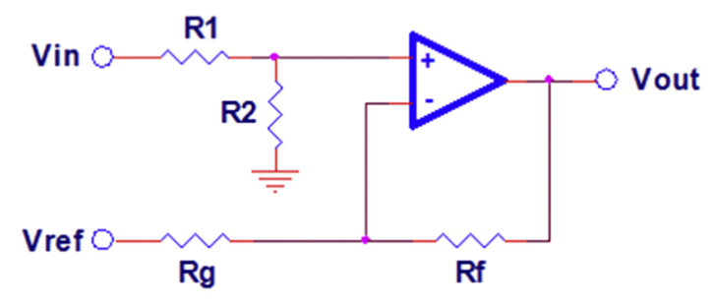
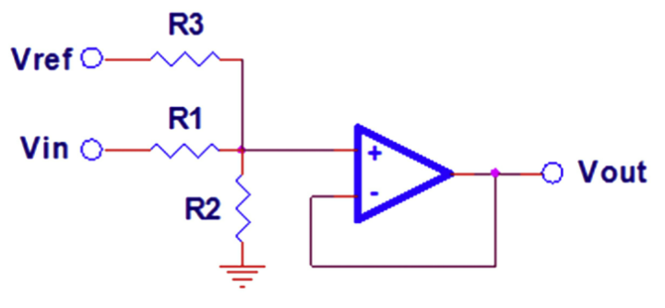
 |  |  |  |  | 1 >= m > 0, b < 0 |  |  |  |  | 1 > m > 0, b = 0 |  |  |  |  | 1 > m > 0, b > 0
Example | Vinzs | Vinfs | Voutzs | Voutfs | apbn |  |  |  | verified | apbz |  |  |  | verified | apbp |  |  |  | verified
mpbn | -1.000 | 1.000 | -3.000 | 1.000
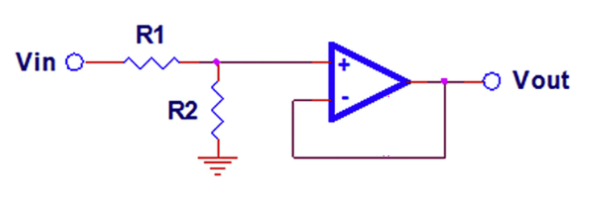
mpbz | -1.000 | 1.000 | -2.000 | 2.000
mpbp | -1.000 | 1.000 | -1.000 | 3.000
apbn | -1.000 | 1.000 | -0.600 | 0.400
apbz | -1.000 | 1.000 | -0.500 | 0.500
apbp | -1.000 | 1.000 | -0.400 | 0.600
anbn | -1.000 | 1.000 | 0.400 | -0.600
anbz | -1.000 | 1.000 | 0.500 | -0.500
anbp | -1.000 | 1.000 | 0.600 | -0.400
mnbn | -1.000 | 1.000 | 1.000 | -3.000
mnbz | -1.000 | 1.000 | 2.000 | -2.000 |  | Param | Value | Actual |  |  | Param | Value | Actual |  |  | Param | Value | Actual
mnbp | -1.000 | 1.000 | 3.000 | -1.000 |  | Vinzs | -1.000 |  |  |  | Vinzs | -1.000 |  |  |  | Vinzs | -1.000
 |  |  |  |  |  | Vinfs | 1.000 |  |  |  | Vinfs | 1.000 |  |  |  | Vinfs | 1.000
 |  |  |  |  |  | Voutzs | 3.000 | #N/A |  |  | Voutzs | 3.000 | #N/A |  |  | Voutzs | 3.000 | #N/A
 |  |  |  |  |  | Voutfs | -1.000 | #N/A |  |  | Voutfs | -1.000 | #N/A |  |  | Voutfs | -1.000 | #N/A
 |  |  |  |  |  | Vref | 5.000 |  |  |  |  |  |  |  |  | Vref | 5.000
 |  |  |  |  |  | m | -2.000 | #N/A |  |  | m | -2.000 | #N/A |  |  | m | -2.000 | #N/A
 |  |  |  |  |  | b | 1.000 | #N/A |  |  | b | 1.000 | #N/A |  |  | b | 1.000 | #N/A
 |  |  |  |  |  | valid | #N/A |  |  |  | valid | #N/A |  |  |  | valid | #N/A
 |  |  |  |  |  | R1 | 10,000 | 10,000 |  |  | R1 | 10,000 | 10,000 |  |  | R1 | 10,000 | 10,000
 |  |  |  |  |  | R2 | #N/A | #N/A |  |  | R2 | #N/A | #N/A |  |  | R2 | #N/A | #N/A
 |  |  |  |  |  | Rf | 10,000 | 10,000 |  |  |  |  |  |  |  | R3 | #N/A | #N/A
 |  |  |  |  |  | Rg | #N/A | #N/A

 |  |  |  |  | 0 > m > -1, b < 0 |  |  |  |  | 0 > m > -1, b = 0 |  |  |  |  | 0 > m > -1, b > 0
 |  |  |  |  | anbn |  |  |  | verified | anbz |  |  |  | verified | anbp |  |  |  | verified
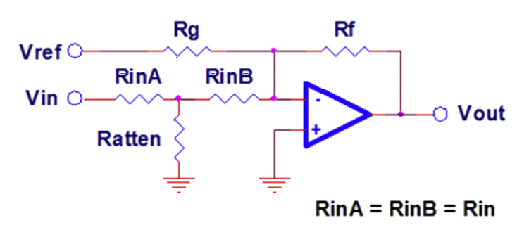
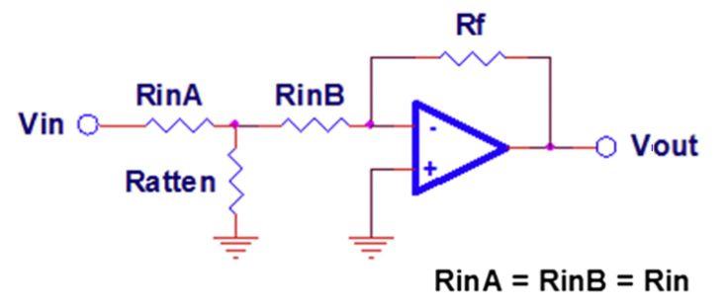
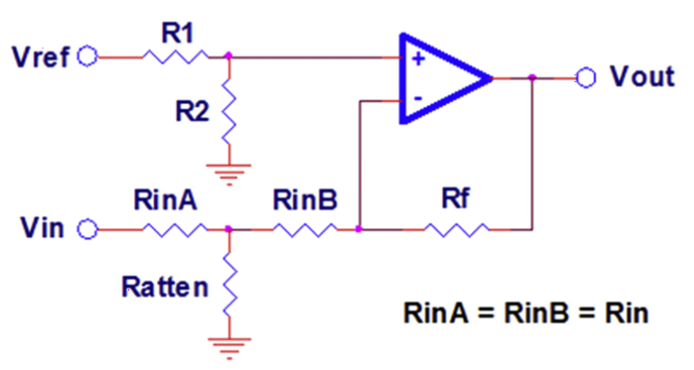

 |  |  |  |  |  | Param | Value | Actual |  |  | Param | Value | Actual |  |  | Param | Value | Actual
 |  |  |  |  |  | Vinzs | -1.000 |  |  |  | Vinzs | -1.000 |  |  |  | Vinzs | -1.000
 |  |  |  |  |  | Vinfs | 1.000 |  |  |  | Vinfs | 1.000 |  |  |  | Vinfs | 1.000
 |  |  |  |  |  | Voutzs | 3.000 | #N/A |  |  | Voutzs | 3.000 | #N/A |  |  | Voutzs | 3.000 | #N/A
 |  |  |  |  |  | Voutfs | -1.000 | #N/A |  |  | Voutfs | -1.000 | #N/A |  |  | Voutfs | -1.000 | #N/A
 |  |  |  |  |  | Vref | 5.000 |  |  |  |  |  |  |  |  | Vref | 5.000
 |  |  |  |  |  | m | -2.000 | #N/A |  |  | m | -2.000 | #N/A |  |  | m | -2.000 | #N/A
 |  |  |  |  |  | b | 1.000 | #N/A |  |  | b | 1.000 | #N/A |  |  | b | 1.000 | #N/A
 |  |  |  |  |  | valid | #N/A |  |  |  | valid | #N/A |  |  |  | valid | #N/A
 |  |  |  |  |  | Rf | 10,000 | 10,000 |  |  | Rf | 10,000 | 10,000 |  |  | Rf | 100,000 | 100,000
 |  |  |  |  |  | Rg | #N/A | #N/A |  |  | Rin | 5,000 | 5,000 |  |  | Rin | 50,000 | 50,000
 |  |  |  |  |  | Rin | 5,000 | 5,000 |  |  | Rattten | #N/A | #N/A |  |  | Rattten | #N/A | #N/A
 |  |  |  |  |  | Rattten | #N/A | #N/A |  |  |  |  |  |  |  | R1 | 100,000 | 100,000
 |  |  |  |  |  |  |  |  |  |  |  |  |  |  |  | R2 | #N/A | #N/A
 |  |  |  |  |  |  |  |  |  |  |  |  |  |  |  | Rp | #N/A | #N/A

 |  |  |  |  | m <= -1, b < 0 |  |  |  |  | m <= -1, b = 0 |  |  |  |  | m <= -1, b > 0
 |  |  |  |  | mnbn |  |  |  | verified | mnbz |  |  |  | verified | mnbp |  |  |  | verified
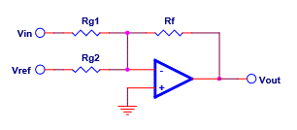
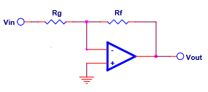
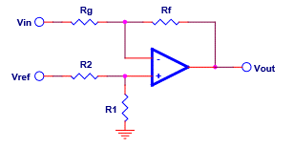

 |  |  |  |  |  | Param | Value | Actual |  |  | Param | Value | Actual |  |  | Param | Value | Actual
 |  |  |  |  |  | Vinzs | -1.000 |  |  |  | Vinzs | -1.000 |  |  |  | Vinzs | -1.000
 |  |  |  |  |  | Vinfs | 1.000 |  |  |  | Vinfs | 1.000 |  |  |  | Vinfs | 1.000
 |  |  |  |  |  | Voutzs | 3.000 | #N/A |  |  | Voutzs | 3.000 | #N/A |  |  | Voutzs | 3.000 | 3.000
 |  |  |  |  |  | Voutfs | -1.000 | #N/A |  |  | Voutfs | -1.000 | #N/A |  |  | Voutfs | -1.000 | -1.000
 |  |  |  |  |  | Vref | 5.000 |  |  |  |  |  |  |  |  | Vref | 5.000
 |  |  |  |  |  | m | -2.000 | #N/A |  |  | m | -2.000 | #N/A |  |  | m | -2.000 | -2.00
 |  |  |  |  |  | b | 1.000 | #N/A |  |  | b | 1.000 | #N/A |  |  | b | 1.000 | 1.00
 |  |  |  |  |  | valid | #N/A |  |  |  | valid | #N/A |  |  |  | valid | 1
 |  |  |  |  |  | Rf | 33,000 | 33,000 |  |  | Rf | 33,000 | 33,000 |  |  | R1 | 3,357 | 3,357
 |  |  |  |  |  | Rg1 | #N/A | #N/A |  |  | Rg | #N/A | 15,000 |  |  | R2 | 47,000 | 47,000
 |  |  |  |  |  | Rg2 | #N/A | #N/A |  |  |  |  |  |  |  | Rf | 22,000 | 22,000
 |  |  |  |  |  |  |  |  |  |  |  |  |  |  |  | Rg | 11,000 | 11,000

